inventory
id | preview | title | group | area | keywords | description | publish | json
0001 |  | general-something-wrong-on-server | general | common | server computer tower error disconnect problem | One of three servers is down. Indicates that there is something wrong on the server side. | 1 | {"id":1,"title":"general-something-wrong-on-server","group":"general","area":"common","keywords":["server","computer","tower","error","disconnect","problem"],"description":"One of three servers is down. Indicates that there is something wrong on the server side.","publish":1}
0002 |  | widget-you-dont-have-permission | widget | dashboard | permission access man lock error problem | A man holding a lock sign. Indicates that you do not have permission to the content. | 1 | {"id":2,"title":"widget-you-dont-have-permission","group":"widget","area":"dashboard","keywords":["permission","access","man","lock","error","problem"],"description":"A man holding a lock sign. Indicates that you do not have permission to the content.","publish":1}
0003 | 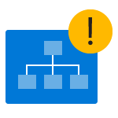 | zerodata-charting-not-supported | zerodata | work | chart hierachy error warning support tree exclamation diagram | Hierachy diagram with a warning sign. Indicates that charting is not supported for hierachical query. Users need to change to flat list query to use charting feature. | 1 | {"id":3,"title":"zerodata-charting-not-supported","group":"zerodata","area":"work","keywords":["chart","hierachy","error","warning","support","tree","exclamation","diagram"],"description":"Hierachy diagram with a warning sign. Indicates that charting is not supported for hierachical query. Users need to change to flat list query to use charting feature.","publish":1}
0004 | 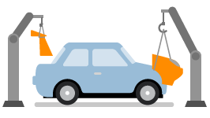 | zerodata-custom-rules | zerodata | policies | custom build car arm customization vehicle parts hook transportation | Robot arms building a customized car. Used in Rules area to represent custom rules. | 1 | {"id":4,"title":"zerodata-custom-rules","group":"zerodata","area":"policies","keywords":["custom","build","car","arm","customization","vehicle","parts","hook","transportation"],"description":"Robot arms building a customized car. Used in Rules area to represent custom rules.","publish":1}
0005 |  | zerodata-get-back-to-recent-work | zerodata | account | history back rewind clock recent previous arrow time | Backward clock. Represents recent work. | 1 | {"id":5,"title":"zerodata-get-back-to-recent-work","group":"zerodata","area":"account","keywords":["history","back","rewind","clock","recent","previous","arrow","time"],"description":"Backward clock. Represents recent work.","publish":1}
0006 | 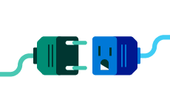 | zerodata-invalid-workitem-type | zerodata | work | plug disconnect | Plugs of two different standards that are not compatible with each other. Used when users try to create a work item which type does not exist in the current project. | 1 | {"id":6,"title":"zerodata-invalid-workitem-type","group":"zerodata","area":"work","keywords":["plug","disconnect"],"description":"Plugs of two different standards that are not compatible with each other. Used when users try to create a work item which type does not exist in the current project.","publish":1}
0007 |  | zerodata-keep-an-eye-on-important-work | zerodata | account | man people mail message idea code envelope lightbulb chat bubble brackets | A man looking at some workspace tools. Used to represent all relevant works can be found in one place. | 1 | {"id":7,"title":"zerodata-keep-an-eye-on-important-work","group":"zerodata","area":"account","keywords":["man","people","mail","message","idea","code","envelope","lightbulb","chat","bubble","brackets"],"description":"A man looking at some workspace tools. Used to represent all relevant works can be found in one place.","publish":1}
0008 | 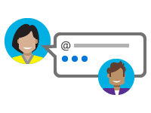 | zerodata-mention-someone | zerodata | account | mention at @ message chat conversation discussion people avatar woman man | A conversation between two users with an @ in the chat bubble that mimics the mention feature. | 1 | {"id":8,"title":"zerodata-mention-someone","group":"zerodata","area":"account","keywords":["mention","at","@","message","chat","conversation","discussion","people","avatar","woman","man"],"description":"A conversation between two users with an @ in the chat bubble that mimics the mention feature.","publish":1}
0009 |  | zerodata-no-charts | zerodata | work | chart pie bar area | Several common chart types. Used in Work hub analytics when there is no data to create chart. | 1 | {"id":9,"title":"zerodata-no-charts","group":"zerodata","area":"work","keywords":["chart","pie","bar","area"],"description":"Several common chart types. Used in Work hub analytics when there is no data to create chart.","publish":1}
0010 |  | zerodata-unsaved-query | zerodata | work | chart dotted line invisible temporary save floppy disk pie bar | Dotted line charts with save icon. Indicates that charting is not available until you save query. | 1 | {"id":10,"title":"zerodata-unsaved-query","group":"zerodata","area":"work","keywords":["chart","dotted","line","invisible","temporary","save","floppy","disk","pie","bar"],"description":"Dotted line charts with save icon. Indicates that charting is not available until you save query.","publish":1}
0011 |  | zerodata-workitem-not-found | zerodata | work | tools hammer drill saw plier missing dotted line | A hammer missing from a set of tools. Indicates that work item is not found or you do not have permission to view it. | 1 | {"id":11,"title":"zerodata-workitem-not-found","group":"zerodata","area":"work","keywords":["tools","hammer","drill","saw","plier","missing","dotted","line"],"description":"A hammer missing from a set of tools. Indicates that work item is not found or you do not have permission to view it.","publish":1}
0012 |  | zerodata-your-work-in-one-place | zerodata | account | woman avatar people | A woman avatar in circle. Used in Account page when you do not have works assigned to you yet. | 1 | {"id":12,"title":"zerodata-your-work-in-one-place","group":"zerodata","area":"account","keywords":["woman","avatar","people"],"description":"A woman avatar in circle. Used in Account page when you do not have works assigned to you yet.","publish":1}
0013 | 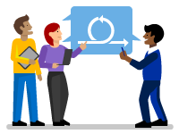 | zerodata-get-started-with-sprint | zerodata | work | sprint people | 3 people discussing sprint work. Used in Work Sprint page when there is no sprint in the current project. | 1 | {"id":13,"title":"zerodata-get-started-with-sprint","group":"zerodata","area":"work","keywords":["sprint","people"],"description":"3 people discussing sprint work. Used in Work Sprint page when there is no sprint in the current project.","publish":1}
0014 | 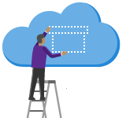 | zerodata-add-a-feed | zerodata | package | cloud host package feed box people ladder | A person standing on a ladder and putting a virtual box up on the cloud. Used in the Package page when there is no package feed set up for the current project. | 1 | {"id":14,"title":"zerodata-add-a-feed","group":"zerodata","area":"package","keywords":["cloud","host","package","feed","box","people","ladder"],"description":"A person standing on a ladder and putting a virtual box up on the cloud. Used in the Package page when there is no package feed set up for the current project.","publish":1}
0015 | 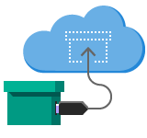 | zerodata-connect-to-feed | zerodata | package | cloud host package feed arrow connect box plug | A solid box connected to a remote virtual box on the cloud. Used in Package page when there is no packages connected to a feed. | 1 | {"id":15,"title":"zerodata-connect-to-feed","group":"zerodata","area":"package","keywords":["cloud","host","package","feed","arrow","connect","box","plug"],"description":"A solid box connected to a remote virtual box on the cloud. Used in Package page when there is no packages connected to a feed.","publish":1}
0016 |  | general-no-results-found | general | common | person telescope explore find search | A person looking through a telescope. Used for no results match/found pattern. | 1 | {"id":16,"title":"general-no-results-found","group":"general","area":"common","keywords":["person","telescope","explore","find","search"],"description":"A person looking through a telescope. Used for no results match/found pattern.","publish":1}
0017 | 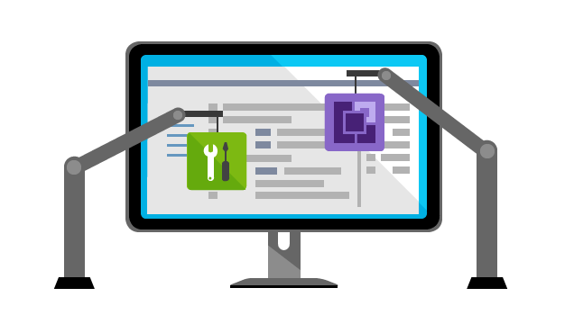 | hero-extend-vside | vscom | hero | monitor computer code ide extension build extend vside robot arm tools construction | Robot arms building extensions into Visual Studio IDE. | 1 | {"id":17,"title":"hero-extend-vside","group":"vscom","area":"hero","keywords":["monitor","computer","code","ide","extension","build","extend","vside","robot","arm","tools","construction"],"description":"Robot arms building extensions into Visual Studio IDE.","publish":1}
0018 |  | swimlane-create-your-own-extension | vscom | swimlane | tools toolbox hammer wrench pen work cloud clipboard | A toolbox with some tools and a cloud. | 1 | {"id":18,"title":"swimlane-create-your-own-extension","group":"vscom","area":"swimlane","keywords":["tools","toolbox","hammer","wrench","pen","work","cloud","clipboard"],"description":"A toolbox with some tools and a cloud.","publish":1}
0019 |  | swimlane-marketplace | vscom | swimlane | marketplace store shop market storefront | Used to represent Visual Studio Marketplace. | 1 | {"id":19,"title":"swimlane-marketplace","group":"vscom","area":"swimlane","keywords":["marketplace","store","shop","market","storefront"],"description":"Used to represent Visual Studio Marketplace.","publish":1}
0020 | 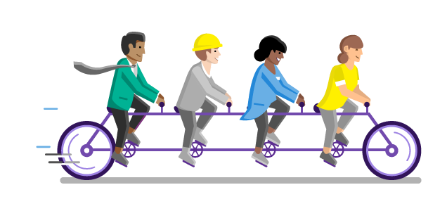 | swimlane-partner-program | vscom | swimlane | team collaboration people bike bicycle engineer businessmen doctor man woman developer hardhat lab coat | Four people riding on a bike. Used for Visual Studio Partner Program. | 1 | {"id":20,"title":"swimlane-partner-program","group":"vscom","area":"swimlane","keywords":["team","collaboration","people","bike","bicycle","engineer","businessmen","doctor","man","woman","developer","hardhat","lab","coat"],"description":"Four people riding on a bike. Used for Visual Studio Partner Program.","publish":1}
0021 |  | swimlane-what-are-extensions | vscom | swimlane | extension plugin plug puzzle extend addon people woman man ladder gear chart clipboard task | People putting plugins together. Used to represent Visual Studio extensions. | 1 | {"id":21,"title":"swimlane-what-are-extensions","group":"vscom","area":"swimlane","keywords":["extension","plugin","plug","puzzle","extend","addon","people","woman","man","ladder","gear","chart","clipboard","task"],"description":"People putting plugins together. Used to represent Visual Studio extensions.","publish":1}
0022 | 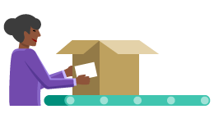 | zerodata-add-product | zerodata | compliance | product box woman package label | A woman putting shipping label on a product box. Used to represent add a product. | 1 | {"id":22,"title":"zerodata-add-product","group":"zerodata","area":"compliance","keywords":["product","box","woman","package","label"],"description":"A woman putting shipping label on a product box. Used to represent add a product.","publish":1}
0023 | 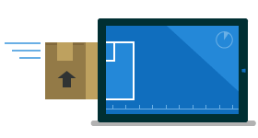 | zerodata-configure-component-governance | zerodata | compliance | product box scan xray package compliance screen component governance | A product box going through x-ray scan. Used to represent configure component governance. | 1 | {"id":23,"title":"zerodata-configure-component-governance","group":"zerodata","area":"compliance","keywords":["product","box","scan","xray","package","compliance","screen","component","governance"],"description":"A product box going through x-ray scan. Used to represent configure component governance.","publish":1}
0024 |  | zerodata-release-management | zerodata | build | rocket release launch cloud | A rocket on a launch pad. Used for release management. | 1 | {"id":24,"title":"zerodata-release-management","group":"zerodata","area":"build","keywords":["rocket","release","launch","cloud"],"description":"A rocket on a launch pad. Used for release management.","publish":1}
0025 |  | zerodata-this-repository-has-no-tags-yet | zerodata | code | folder tag repository | A dotted line tag on a folder. Used to represent there is no tag on this repository. | 1 | {"id":25,"title":"zerodata-this-repository-has-no-tags-yet","group":"zerodata","area":"code","keywords":["folder","tag","repository"],"description":"A dotted line tag on a folder. Used to represent there is no tag on this repository.","publish":1}
0026 |  | zerodata-add-deployment-group | zerodata | build | server pin computer deployment group target | A map pin on a server. Used to represent targeted deployment group. | 1 | {"id":26,"title":"zerodata-add-deployment-group","group":"zerodata","area":"build","keywords":["server","pin","computer","deployment","group","target"],"description":"A map pin on a server. Used to represent targeted deployment group.","publish":1}
0027 | 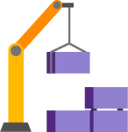 | zerodata-automate-build-definitions | zerodata | build | build robot arm box construction | A robot arm lifting building blocks. Used to represent build. | 1 | {"id":27,"title":"zerodata-automate-build-definitions","group":"zerodata","area":"build","keywords":["build","robot","arm","box","construction"],"description":"A robot arm lifting building blocks. Used to represent build.","publish":1}
0028 |  | zerodata-choose-a-template | zerodata | build | template shape cookie cutter star arrow diamond hexagon | A template with several shapes. Used in Build area for selecting templates. | 1 | {"id":28,"title":"zerodata-choose-a-template","group":"zerodata","area":"build","keywords":["template","shape","cookie","cutter","star","arrow","diamond","hexagon"],"description":"A template with several shapes. Used in Build area for selecting templates.","publish":1}
0029 | 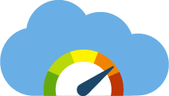 | zerodata-cloud-based-load-testing | zerodata | test | cloud gauge stress test performance load test | A gauge on a cloud. Used for cloud based load testing. | 1 | {"id":29,"title":"zerodata-cloud-based-load-testing","group":"zerodata","area":"test","keywords":["cloud","gauge","stress","test","performance","load","test"],"description":"A gauge on a cloud. Used for cloud based load testing.","publish":1}
0030 |  | zerodata-favorites | zerodata | common | favorite star box folder question chat work bullet list | Favorite star on frequently used work objects. | 1 | {"id":30,"title":"zerodata-favorites","group":"zerodata","area":"common","keywords":["favorite","star","box","folder","question","chat","work","bullet","list"],"description":"Favorite star on frequently used work objects.","publish":1}
0031 | 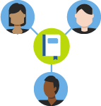 | zerodata-get-everyone-on-same-page | zerodata | wiki | wiki page book people team knowledge share man woman | People sharing knowledge via wiki. | 1 | {"id":31,"title":"zerodata-get-everyone-on-same-page","group":"zerodata","area":"wiki","keywords":["wiki","page","book","people","team","knowledge","share","man","woman"],"description":"People sharing knowledge via wiki.","publish":1}
0032 |  | zerodata-no-plan | zerodata | work | plan draft collaborate hands paper triangle tool ruler magnifier pen | Four hands holding tools and working on a drafting paper. Used when there is no plan for the current project. | 1 | {"id":32,"title":"zerodata-no-plan","group":"zerodata","area":"work","keywords":["plan","draft","collaborate","hands","paper","triangle","tool","ruler","magnifier","pen"],"description":"Four hands holding tools and working on a drafting paper. Used when there is no plan for the current project.","publish":1}
0033 | 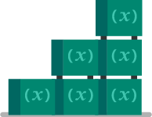 | zerodata-no-variable-groups | zerodata | build | variable group (x) box stack | Stacked blocks with variables. Used when there is no variable group. | 1 | {"id":33,"title":"zerodata-no-variable-groups","group":"zerodata","area":"build","keywords":["variable","group","(x)","box","stack"],"description":"Stacked blocks with variables. Used when there is no variable group.","publish":1}
0034 | 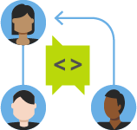 | zerodata-pull-request | zerodata | code | code pull request people team | A person making pull request and asking for code review. | 1 | {"id":34,"title":"zerodata-pull-request","group":"zerodata","area":"code","keywords":["code","pull","request","people","team"],"description":"A person making pull request and asking for code review.","publish":1}
0035 | 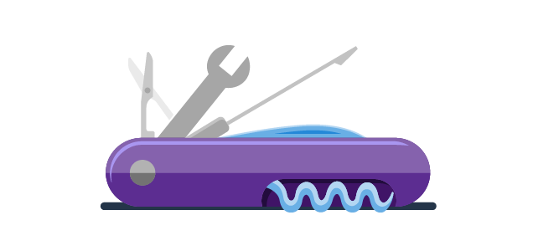 | hero-swiss-army-knife | vscom | hero | swiss army knife tools extension productivity wrench scissors screwdriver | A Swiss Army knife representing a bundle of developer tools. Used on Visual Studio pricing page for comparing different levels of subscription. | 1 | {"id":35,"title":"hero-swiss-army-knife","group":"vscom","area":"hero","keywords":["swiss","army","knife","tools","extension","productivity","wrench","scissors","screwdriver"],"description":"A Swiss Army knife representing a bundle of developer tools. Used on Visual Studio pricing page for comparing different levels of subscription.","publish":1}
0036 | 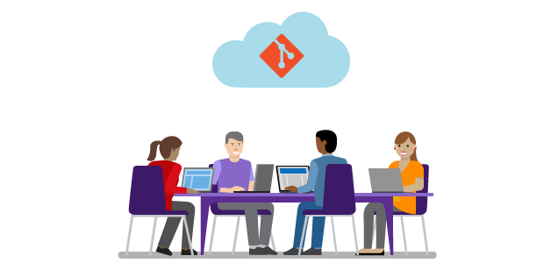 | swimlane-all-your-code-hosted-free | vscom | swimlane | team people work desk office man woman developer cloud git version control host laptop chair | Unlimited Git repository support for individuals and up to four team members. Used on Git page. | 1 | {"id":36,"title":"swimlane-all-your-code-hosted-free","group":"vscom","area":"swimlane","keywords":["team","people","work","desk","office","man","woman","developer","cloud","git","version","control","host","laptop","chair"],"description":"Unlimited Git repository support for individuals and up to four team members. Used on Git page.","publish":1}
0037 |  | swimlane-any-client-any-platform | vscom | swimlane | laptop computer desktop monitor windows mac osx linux ubuntu cross platform device | Three computers with typical Windows, Mac OS and Linux screens. Used to indicate Git support on any platform and any client on Git page. | 1 | {"id":37,"title":"swimlane-any-client-any-platform","group":"vscom","area":"swimlane","keywords":["laptop","computer","desktop","monitor","windows","mac","osx","linux","ubuntu","cross","platform","device"],"description":"Three computers with typical Windows, Mac OS and Linux screens. Used to indicate Git support on any platform and any client on Git page.","publish":1}
0038 | 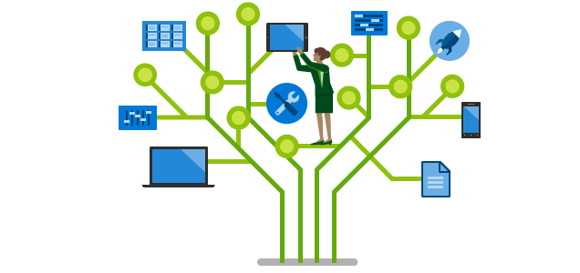 | swimlane-but-wait-theres-more | vscom | swimlane | tree node branch woman people feature laptop computer smartphone control panel tools document rocket chart | A woman standing on a tree of features. Used on VS Enterprise page. | 1 | {"id":38,"title":"swimlane-but-wait-theres-more","group":"vscom","area":"swimlane","keywords":["tree","node","branch","woman","people","feature","laptop","computer","smartphone","control","panel","tools","document","rocket","chart"],"description":"A woman standing on a tree of features. Used on VS Enterprise page.","publish":1}
0039 |  | swimlane-pricing | vscom | swimlane | pricing calculator pen laptop | Used on pricing pages. | 1 | {"id":39,"title":"swimlane-pricing","group":"vscom","area":"swimlane","keywords":["pricing","calculator","pen","laptop"],"description":"Used on pricing pages.","publish":1}
0040 |  | swimlane-were-in-your-neighborhood | vscom | swimlane | globe world map woman | A woman standing in front of a world map. Used to represent data center available around the world. | 1 | {"id":40,"title":"swimlane-were-in-your-neighborhood","group":"vscom","area":"swimlane","keywords":["globe","world","map","woman"],"description":"A woman standing in front of a world map. Used to represent data center available around the world.","publish":1}
0041 |  | hero-pricing-calculator | vscom | hero | pricing calculator pen laptop | Used on pricing pages. Bottom shadow removed. Use this version on dark background. | 1 | {"id":41,"title":"hero-pricing-calculator","group":"vscom","area":"hero","keywords":["pricing","calculator","pen","laptop"],"description":"Used on pricing pages. Bottom shadow removed. Use this version on dark background.","publish":1}
0042 |  | zerodata-you-have-no-organizations-yet | nuget | zerodata | empty organization team office desk clock chair | An office space with empty chairs. Used for zero data state when users have not created organizations. | 1 | {"id":42,"title":"zerodata-you-have-no-organizations-yet","group":"nuget","area":"zerodata","keywords":["empty","organization","team","office","desk","clock","chair"],"description":"An office space with empty chairs. Used for zero data state when users have not created organizations.","publish":1}
0043 |  | general-robot-errorcode-503 | general | common | error code 503 robot server down broken offline | Used for 503 error page when server is down. | 1 | {"id":43,"title":"general-robot-errorcode-503","group":"general","area":"common","keywords":["error","code","503","robot","server","down","broken","offline"],"description":"Used for 503 error page when server is down.","publish":1}
0044 |  | general-robot-error | general | common | error robot exclamation alert exception | Used for generic error page. | 1 | {"id":44,"title":"general-robot-error","group":"general","area":"common","keywords":["error","robot","exclamation","alert","exception"],"description":"Used for generic error page.","publish":1}
0045 | 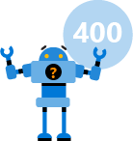 | general-robot-errorcode-400 | general | common | error code 400 robot question | Used for 400 error page bad request. | 1 | {"id":45,"title":"general-robot-errorcode-400","group":"general","area":"common","keywords":["error","code","400","robot","question"],"description":"Used for 400 error page bad request.","publish":1}
0046 | 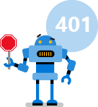 | general-robot-errorcode-401 | general | common | error code 401 robot unauthorized | Used for 401 error page unauthorized. | 1 | {"id":46,"title":"general-robot-errorcode-401","group":"general","area":"common","keywords":["error","code","401","robot","unauthorized"],"description":"Used for 401 error page unauthorized.","publish":1}
0047 | 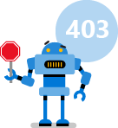 | general-robot-errorcode-403 | general | common | error code 403 robot forbidden permission access | Used for 403 error page the user does not have access. | 1 | {"id":47,"title":"general-robot-errorcode-403","group":"general","area":"common","keywords":["error","code","403","robot","forbidden","permission","access"],"description":"Used for 403 error page the user does not have access.","publish":1}
0048 | 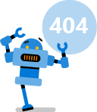 | general-robot-errorcode-404 | general | common | error code 404 robot not found | Used for 404 error page. | 1 | {"id":48,"title":"general-robot-errorcode-404","group":"general","area":"common","keywords":["error","code","404","robot","not","found"],"description":"Used for 404 error page.","publish":1}
0049 | 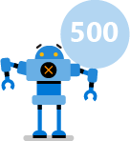 | general-robot-errorcode-500 | general | common | error code 500 robot server internal | Used for 500 error page server error. | 1 | {"id":49,"title":"general-robot-errorcode-500","group":"general","area":"common","keywords":["error","code","500","robot","server","internal"],"description":"Used for 500 error page server error.","publish":1}
0050 |  | zerodata-no-assessments | zerodata | compliance | assessments compliance analysis laptop magnifier clipboard chart | For assessments page zero data state. | 1 | {"id":50,"title":"zerodata-no-assessments","group":"zerodata","area":"compliance","keywords":["assessments","compliance","analysis","laptop","magnifier","clipboard","chart"],"description":"For assessments page zero data state.","publish":1}
0051 |  | zerodata-initializing-test-results | zerodata | test | test initialize result beaker lab flask clock wait loading | Waiting screen image when test result is being loaded. | 1 | {"id":51,"title":"zerodata-initializing-test-results","group":"zerodata","area":"test","keywords":["test","initialize","result","beaker","lab","flask","clock","wait","loading"],"description":"Waiting screen image when test result is being loaded.","publish":1}
0052 | 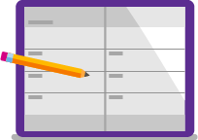 | zerodata-no-work-scheduled | zerodata | work | work plan planner calendar journal schedule notebook pencil | No work planned in current sprint. | 1 | {"id":52,"title":"zerodata-no-work-scheduled","group":"zerodata","area":"work","keywords":["work","plan","planner","calendar","journal","schedule","notebook","pencil"],"description":"No work planned in current sprint.","publish":1}
0053 | 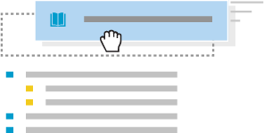 | zerodata-sprint-drag-n-drop | zerodata | work | drag drop work item list move | Used on the Sprint page left panel to indicate there is no work item in the left panel yet. | 1 | {"id":53,"title":"zerodata-sprint-drag-n-drop","group":"zerodata","area":"work","keywords":["drag","drop","work","item","list","move"],"description":"Used on the Sprint page left panel to indicate there is no work item in the left panel yet.","publish":1}
0054 | 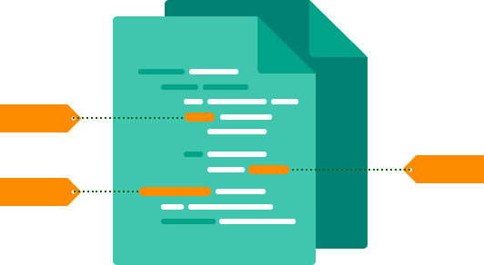 | swimlane-seamless-debugging-with-symbols | vscom | swimlane | symbol code tag label identifier file | Used for Enable seamless debugging with symbols swimlane. | 1 | {"id":54,"title":"swimlane-seamless-debugging-with-symbols","group":"vscom","area":"swimlane","keywords":["symbol","code","tag","label","identifier","file"],"description":"Used for Enable seamless debugging with symbols swimlane.","publish":1}
0055 | 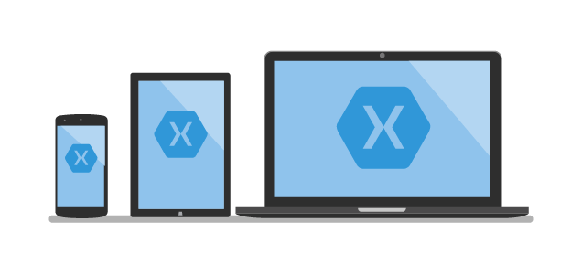 | swimlane-xamarin-cross-platform | dotnet | swimlane | xamarin cross platform computer laptop tablet phone | Xamarin.Mac allows user to create native iOS, Android and Mac apps. | 1 | {"id":55,"title":"swimlane-xamarin-cross-platform","group":"dotnet","area":"swimlane","keywords":["xamarin","cross","platform","computer","laptop","tablet","phone"],"description":"Xamarin.Mac allows user to create native iOS, Android and Mac apps.","publish":1}
0056 |  | swimlane-azure-machine-learning | dotnet | swimlane | azure machine learning process cloud lightbulb clock analytics magnifier charts | Azure Machine Learning. | 1 | {"id":56,"title":"swimlane-azure-machine-learning","group":"dotnet","area":"swimlane","keywords":["azure","machine","learning","process","cloud","lightbulb","clock","analytics","magnifier","charts"],"description":"Azure Machine Learning.","publish":1}
0057 | 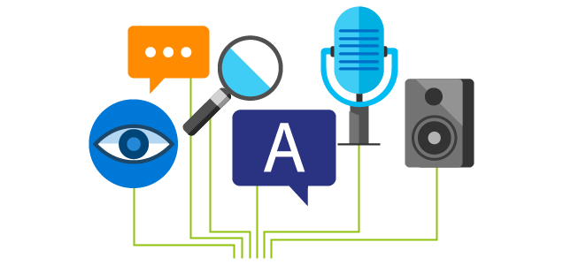 | swimlane-cognitive-services | dotnet | swimlane | cognitive services vision sound voice speech microphone input speaker bubble eye magnifier | Cognitive services such as voice recognition, vision detection, language processing, etc. | 1 | {"id":57,"title":"swimlane-cognitive-services","group":"dotnet","area":"swimlane","keywords":["cognitive","services","vision","sound","voice","speech","microphone","input","speaker","bubble","eye","magnifier"],"description":"Cognitive services such as voice recognition, vision detection, language processing, etc.","publish":1}
0058 | 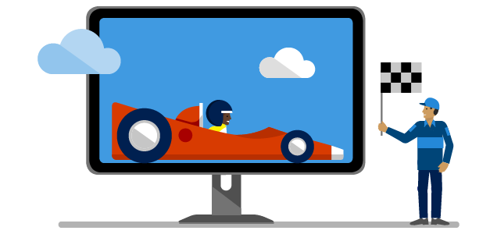 | swimlane-congratulations-finished-setup | dotnet | swimlane | finish complete race car monitor flag people | Used on a screen when user successfully finishes setup. | 1 | {"id":58,"title":"swimlane-congratulations-finished-setup","group":"dotnet","area":"swimlane","keywords":["finish","complete","race","car","monitor","flag","people"],"description":"Used on a screen when user successfully finishes setup.","publish":1}
0059 |  | swimlane-cross-platform | dotnet | swimlane | cross platform windows mac linux computer laptop mobile phone | Used to represent multiple Oss and devices. | 1 | {"id":59,"title":"swimlane-cross-platform","group":"dotnet","area":"swimlane","keywords":["cross","platform","windows","mac","linux","computer","laptop","mobile","phone"],"description":"Used to represent multiple Oss and devices.","publish":1}
0060 | 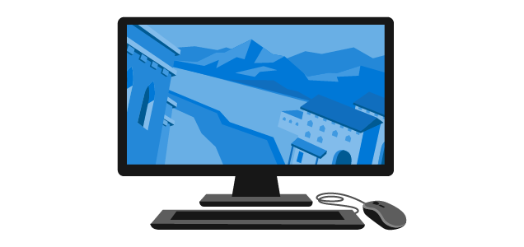 | swimlane-cryengine-game-development | dotnet | swimlane | cryengine video game development computer monitor keyboard mouse 3d | An example 3d game screen created with CRYENGINE. | 1 | {"id":60,"title":"swimlane-cryengine-game-development","group":"dotnet","area":"swimlane","keywords":["cryengine","video","game","development","computer","monitor","keyboard","mouse","3d"],"description":"An example 3d game screen created with CRYENGINE.","publish":1}
0061 |  | swimlane-developer-meetup | dotnet | swimlane | meetup people chat discussion idea light bulb | Three people talking about ideas. | 1 | {"id":61,"title":"swimlane-developer-meetup","group":"dotnet","area":"swimlane","keywords":["meetup","people","chat","discussion","idea","light","bulb"],"description":"Three people talking about ideas.","publish":1}
0062 | 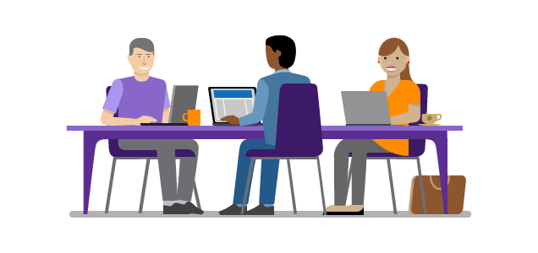 | swimlane-dotnet-core | dotnet | swimlane | developer people computer laptop work office team startup | A small team of developers working together. | 1 | {"id":62,"title":"swimlane-dotnet-core","group":"dotnet","area":"swimlane","keywords":["developer","people","computer","laptop","work","office","team","startup"],"description":"A small team of developers working together.","publish":1}
0063 | 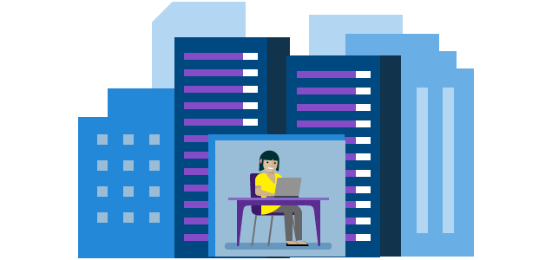 | swimlane-dotnet-enterprise | dotnet | swimlane | developer people enterprise building company laptop computer work office | A developer working in an enterprise scale environment. | 1 | {"id":63,"title":"swimlane-dotnet-enterprise","group":"dotnet","area":"swimlane","keywords":["developer","people","enterprise","building","company","laptop","computer","work","office"],"description":"A developer working in an enterprise scale environment.","publish":1}
0064 | 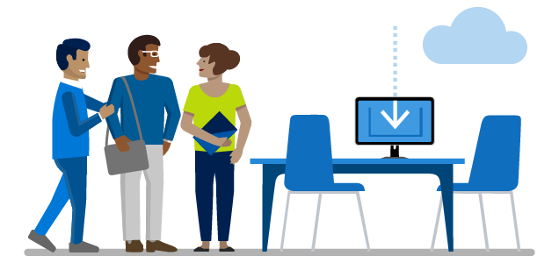 | swimlane-download-target | dotnet | swimlane | people download welcome computer table chair | A generic download landing screen. | 1 | {"id":64,"title":"swimlane-download-target","group":"dotnet","area":"swimlane","keywords":["people","download","welcome","computer","table","chair"],"description":"A generic download landing screen.","publish":1}
0065 |  | swimlane-enterprise-customer-stories | dotnet | swimlane | building company team people enterprise | Enterprise user stories. | 1 | {"id":65,"title":"swimlane-enterprise-customer-stories","group":"dotnet","area":"swimlane","keywords":["building","company","team","people","enterprise"],"description":"Enterprise user stories.","publish":1}
0066 | 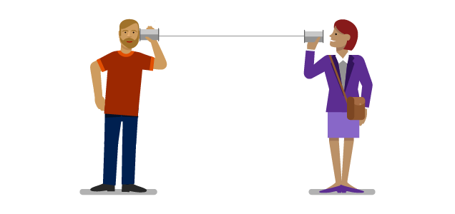 | swimlane-feedback-survey | dotnet | swimlane | feedback people survey listen paper cup | A person listening user feedback with paper cup telephone. | 1 | {"id":66,"title":"swimlane-feedback-survey","group":"dotnet","area":"swimlane","keywords":["feedback","people","survey","listen","paper","cup"],"description":"A person listening user feedback with paper cup telephone.","publish":1}
0067 | 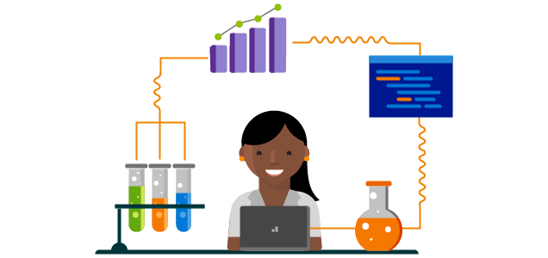 | swimlane-fsharp-data-science | dotnet | swimlane | data science lab test tube beaker chart analytics laptop scientist | A data scientist working in the lab. | 1 | {"id":67,"title":"swimlane-fsharp-data-science","group":"dotnet","area":"swimlane","keywords":["data","science","lab","test","tube","beaker","chart","analytics","laptop","scientist"],"description":"A data scientist working in the lab.","publish":1}
0068 |  | swimlane-machine-learning-library | dotnet | swimlane | machine learning library ai test beaker book | Used for machine learning AI library. | 1 | {"id":68,"title":"swimlane-machine-learning-library","group":"dotnet","area":"swimlane","keywords":["machine","learning","library","ai","test","beaker","book"],"description":"Used for machine learning AI library.","publish":1}
0069 |  | swimlane-one-consistent-api | dotnet | swimlane | one api consistent people tool library book light bulb idea ui code | A person surrounded by multiple developer tools. | 1 | {"id":69,"title":"swimlane-one-consistent-api","group":"dotnet","area":"swimlane","keywords":["one","api","consistent","people","tool","library","book","light","bulb","idea","ui","code"],"description":"A person surrounded by multiple developer tools.","publish":1}
0070 | 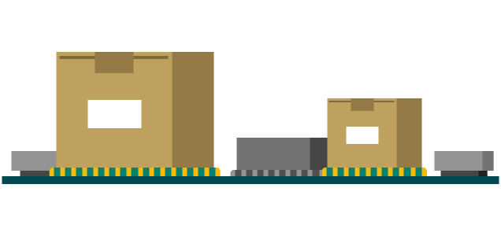 | swimlane-package-library | dotnet | swimlane | package box circuit | A few packages soldered on a circuit. | 1 | {"id":70,"title":"swimlane-package-library","group":"dotnet","area":"swimlane","keywords":["package","box","circuit"],"description":"A few packages soldered on a circuit.","publish":1}
0071 | 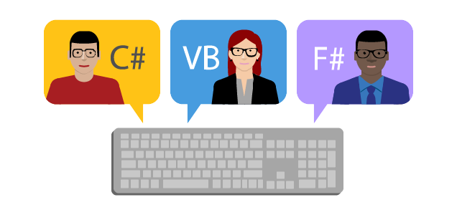 | swimlane-programming-languages | dotnet | swimlane | developer programming language keyboard c# VB F# | Developers of different programming languages. | 1 | {"id":71,"title":"swimlane-programming-languages","group":"dotnet","area":"swimlane","keywords":["developer","programming","language","keyboard","c#","VB","F#"],"description":"Developers of different programming languages.","publish":1}
0072 |  | swimlane-thank-you-for-downloading | dotnet | swimlane | download cloud document file | A generic download screen after download started/finished. | 1 | {"id":72,"title":"swimlane-thank-you-for-downloading","group":"dotnet","area":"swimlane","keywords":["download","cloud","document","file"],"description":"A generic download screen after download started/finished.","publish":1}
0073 | 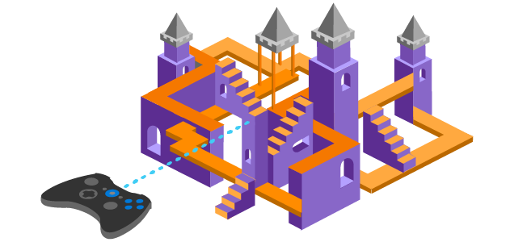 | swimlane-unity-game-development | dotnet | swimlane | 2d 3d video game castle unity | An example 3d game screen created with Unity. | 1 | {"id":73,"title":"swimlane-unity-game-development","group":"dotnet","area":"swimlane","keywords":["2d","3d","video","game","castle","unity"],"description":"An example 3d game screen created with Unity.","publish":1}
0074 | 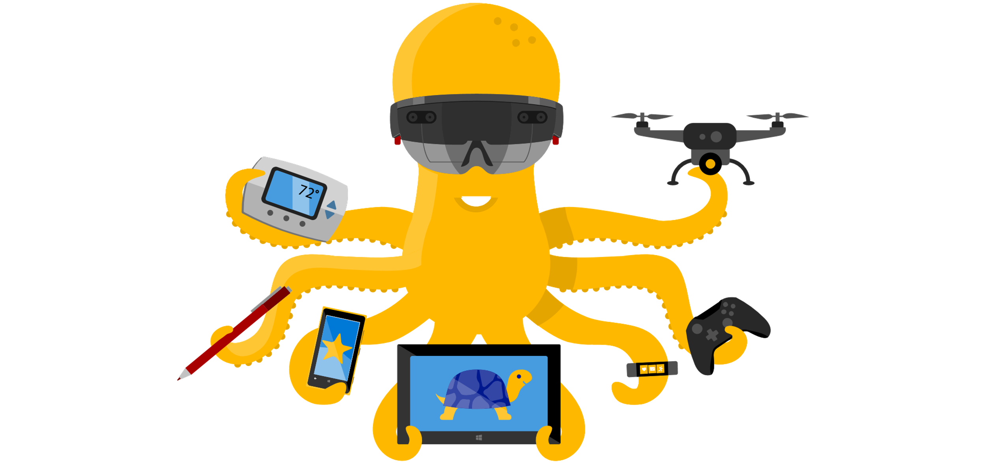 | swimlane-universal-windows-platform | dotnet | swimlane | uwp universal windows platform octopus hololens iot surface phone tablet band game controller drone | A octopus holding and wearing many devices built with UWP. | 1 | {"id":74,"title":"swimlane-universal-windows-platform","group":"dotnet","area":"swimlane","keywords":["uwp","universal","windows","platform","octopus","hololens","iot","surface","phone","tablet","band","game","controller","drone"],"description":"A octopus holding and wearing many devices built with UWP.","publish":1}
0075 | 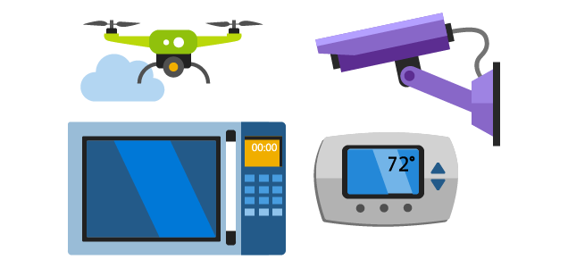 | swimlane-uwp-iot-core | dotnet | swimlane | iot core drone security camera microwave thermometer smart home | Common smart devices built with UWP IoT Core. | 1 | {"id":75,"title":"swimlane-uwp-iot-core","group":"dotnet","area":"swimlane","keywords":["iot","core","drone","security","camera","microwave","thermometer","smart","home"],"description":"Common smart devices built with UWP IoT Core.","publish":1}
0076 | 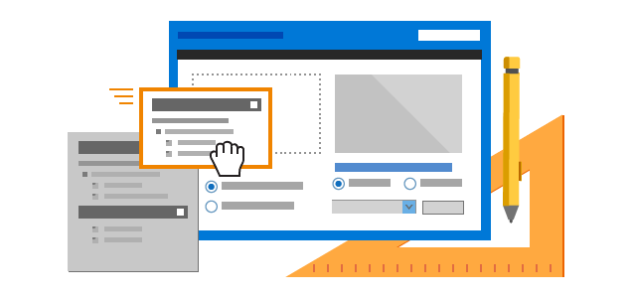 | swimlane-winform | dotnet | swimlane | winform drag drop designer pencil ruler dialog ui | Drag and drop designer for building Winform applications. | 1 | {"id":76,"title":"swimlane-winform","group":"dotnet","area":"swimlane","keywords":["winform","drag","drop","designer","pencil","ruler","dialog","ui"],"description":"Drag and drop designer for building Winform applications.","publish":1}
0077 | 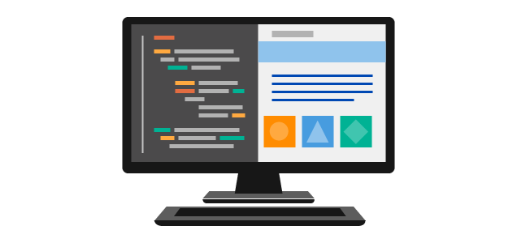 | swimlane-wpf | dotnet | swimlane | wpf windows presentation foundation ui design code screen monitor computer | A code and designer view used to represent WPF. | 1 | {"id":77,"title":"swimlane-wpf","group":"dotnet","area":"swimlane","keywords":["wpf","windows","presentation","foundation","ui","design","code","screen","monitor","computer"],"description":"A code and designer view used to represent WPF.","publish":1}
0078 | 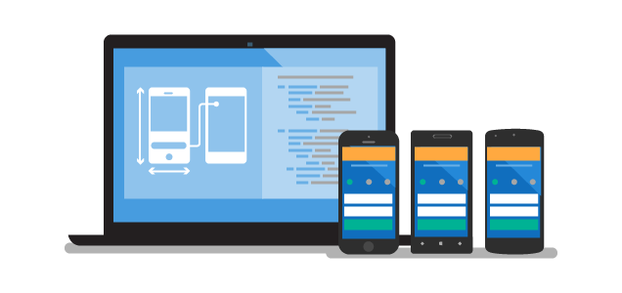 | swimlane-xamarin | dotnet | swimlane | xamarin mobile cross platform development phone laptop code | Build cross-platform apps with Xamarin and one code base. | 1 | {"id":78,"title":"swimlane-xamarin","group":"dotnet","area":"swimlane","keywords":["xamarin","mobile","cross","platform","development","phone","laptop","code"],"description":"Build cross-platform apps with Xamarin and one code base.","publish":1}
0079 | 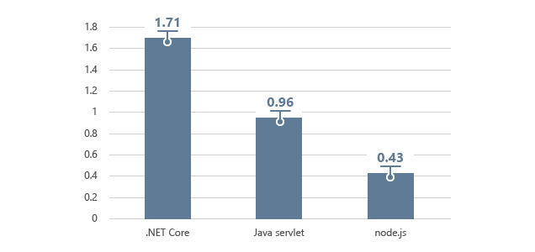 | swimlane-dotnet-perf-diagram | dotnet | swimlane | .net diagram bar chart | A bar chart comparing requests per second of three frameworks. | 0 | {"id":79,"title":"swimlane-dotnet-perf-diagram","group":"dotnet","area":"swimlane","keywords":[".net","diagram","bar","chart"],"description":"A bar chart comparing requests per second of three frameworks.","publish":0}
0080 | 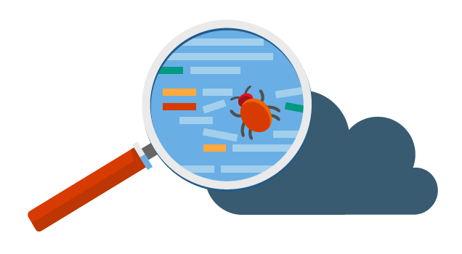 | hero-snapshot-debugger | vscom | hero | snapshot debugger debug bug magnifier code cloud | Debugging code on the cloud. | 1 | {"id":80,"title":"hero-snapshot-debugger","group":"vscom","area":"hero","keywords":["snapshot","debugger","debug","bug","magnifier","code","cloud"],"description":"Debugging code on the cloud.","publish":1}
0081 | 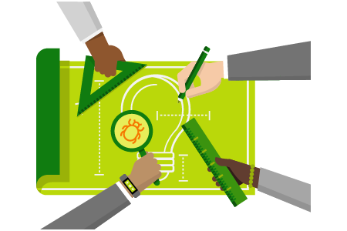 | swimlane-collaborative-debugging | vscode | swimlane | collaborate debug teamwork hands plan draw ruler design pen triangle bug magnifier lightbulb | Collaborative debugging. | 1 | {"id":81,"title":"swimlane-collaborative-debugging","group":"vscode","area":"swimlane","keywords":["collaborate","debug","teamwork","hands","plan","draw","ruler","design","pen","triangle","bug","magnifier","lightbulb"],"description":"Collaborative debugging.","publish":1}
0082 | 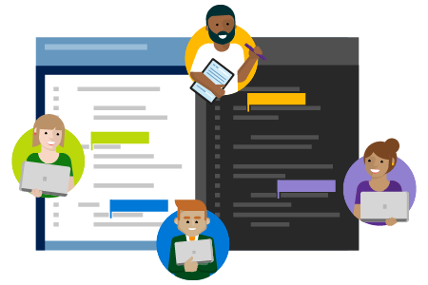 | swimlane-collaborative-editing | vscode | swimlane | collaborate editor code people | Collaborative code editing. | 1 | {"id":82,"title":"swimlane-collaborative-editing","group":"vscode","area":"swimlane","keywords":["collaborate","editor","code","people"],"description":"Collaborative code editing.","publish":1}
0083 | 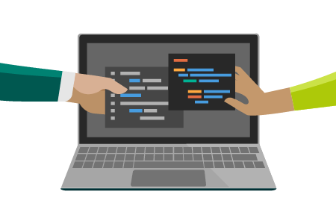 | swimlane-shared-full-context | vscode | swimlane | share context code editor environment computer laptop | Share code and full context. | 1 | {"id":83,"title":"swimlane-shared-full-context","group":"vscode","area":"swimlane","keywords":["share","context","code","editor","environment","computer","laptop"],"description":"Share code and full context.","publish":1}
0084 | 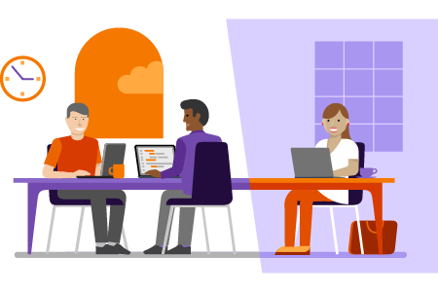 | swimlane-real-time-sharing | vscode | swimlane | people work team office real time code developer clock | Real-time sharing with your tools. | 1 | {"id":84,"title":"swimlane-real-time-sharing","group":"vscode","area":"swimlane","keywords":["people","work","team","office","real","time","code","developer","clock"],"description":"Real-time sharing with your tools.","publish":1}
0085 |  | blog-rocket-launch-timeline | vscode | blog | rocket release launch cloud timeline | Rocket launch timeline. | 1 | {"id":85,"title":"blog-rocket-launch-timeline","group":"vscode","area":"blog","keywords":["rocket","release","launch","cloud","timeline"],"description":"Rocket launch timeline.","publish":1}
0086 |  | blog-vscode-metrics | vscom | blog | metrics | Download and install metrics of Visual Studio Code. | 1 | {"id":86,"title":"blog-vscode-metrics","group":"vscom","area":"blog","keywords":["metrics"],"description":"Download and install metrics of Visual Studio Code.","publish":1}
0087 |  | blog-vscode-roadmap | vscom | blog | roadmap car road milestone pin timeline | A roadmap showing Visual Studio Code major release milestones | 1 | {"id":87,"title":"blog-vscode-roadmap","group":"vscom","area":"blog","keywords":["roadmap","car","road","milestone","pin","timeline"],"description":"A roadmap showing Visual Studio Code major release milestones","publish":1}
0088 |  | swimlane-monogame-game-development | dotnet | swimlane | monogame game development screen platform psvita windows mac video game | Cross platform game development with MonoGame engine. | 1 | {"id":88,"title":"swimlane-monogame-game-development","group":"dotnet","area":"swimlane","keywords":["monogame","game","development","screen","platform","psvita","windows","mac","video","game"],"description":"Cross platform game development with MonoGame engine.","publish":1}
0089 |  | zerodata-you-have-no-project | zerodata | account | project plan work briefcase pencil document triangle ruler | Used in account page when you have no projects yet. | 1 | {"id":89,"title":"zerodata-you-have-no-project","group":"zerodata","area":"account","keywords":["project","plan","work","briefcase","pencil","document","triangle","ruler"],"description":"Used in account page when you have no projects yet.","publish":1}
0090 |  | hero-vsts-join-our-team | vscom | hero | vsts team work ui join us people chart dialog gear | Used in VSTS jobs page hero section. | 1 | {"id":90,"title":"hero-vsts-join-our-team","group":"vscom","area":"hero","keywords":["vsts","team","work","ui","join","us","people","chart","dialog","gear"],"description":"Used in VSTS jobs page hero section.","publish":1}
0091 |  | elements-devices-1 | elements | elements | devices computer laptop desktop monitor phone tablet iot chip xbox console video game controller hololens vr | A collection of devices. | 1 | {"id":91,"title":"elements-devices-1","group":"elements","area":"elements","keywords":["devices","computer","laptop","desktop","monitor","phone","tablet","iot","chip","xbox","console","video","game","controller","hololens","vr"],"description":"A collection of devices.","publish":1}
0092 |  | elements-devices-2 | elements | elements | devices computer laptop desktop monitor | A collection of devices. | 1 | {"id":92,"title":"elements-devices-2","group":"elements","area":"elements","keywords":["devices","computer","laptop","desktop","monitor"],"description":"A collection of devices.","publish":1}
0093 |  | elements-robots-1 | elements | elements | robot gesture alien ufo treadmill telescope construction investigate magnifire repaire maintanance | A collection of robots. | 1 | {"id":93,"title":"elements-robots-1","group":"elements","area":"elements","keywords":["robot","gesture","alien","ufo","treadmill","telescope","construction","investigate","magnifire","repaire","maintanance"],"description":"A collection of robots.","publish":1}
0094 |  | elements-robots-2 | elements | elements | robot gesture error question unknown | A collection of robots. | 1 | {"id":94,"title":"elements-robots-2","group":"elements","area":"elements","keywords":["robot","gesture","error","question","unknown"],"description":"A collection of robots.","publish":1}
0095 |  | elements-tools-1 | elements | elements | tool utility wrench screwdriver lightbulb drill ruler measure swiss knife hammer plier book journal note calendar calculator pen pencil magnifier | A collection of tools. | 1 | {"id":95,"title":"elements-tools-1","group":"elements","area":"elements","keywords":["tool","utility","wrench","screwdriver","lightbulb","drill","ruler","measure","swiss","knife","hammer","plier","book","journal","note","calendar","calculator","pen","pencil","magnifier"],"description":"A collection of tools.","publish":1}
0096 |  | elements-tools-2 | elements | elements | toolbox tool utility hammer wrench maginfier cloud pen pencil screwdriver clipboard drill ruler measure | A collection of tools in toolboxes. | 1 | {"id":96,"title":"elements-tools-2","group":"elements","area":"elements","keywords":["toolbox","tool","utility","hammer","wrench","maginfier","cloud","pen","pencil","screwdriver","clipboard","drill","ruler","measure"],"description":"A collection of tools in toolboxes.","publish":1}
0097 |  | elements-vehicles-1 | elements | elements | vehicle car transportation motor bike scooter mini sedan van truck bus | A collection of vehicles. | 1 | {"id":97,"title":"elements-vehicles-1","group":"elements","area":"elements","keywords":["vehicle","car","transportation","motor","bike","scooter","mini","sedan","van","truck","bus"],"description":"A collection of vehicles.","publish":1}
0098 |  | elements-vehicles-2 | elements | elements | vehicle car transportation van towing lifting truck trolley crane construction industry | A collection of vehicles. | 1 | {"id":98,"title":"elements-vehicles-2","group":"elements","area":"elements","keywords":["vehicle","car","transportation","van","towing","lifting","truck","trolley","crane","construction","industry"],"description":"A collection of vehicles.","publish":1}
0099 |  | elements-vehicles-3 | elements | elements | vehicle car bike rocket racing team collaboration people manufacture assemble customize launch start release machanics | A collection of vehicles. | 1 | {"id":99,"title":"elements-vehicles-3","group":"elements","area":"elements","keywords":["vehicle","car","bike","rocket","racing","team","collaboration","people","manufacture","assemble","customize","launch","start","release","machanics"],"description":"A collection of vehicles.","publish":1}
0100 |  | zerodata-verify-analytics-views | zerodata | analytics | verify scan validate xray chart analytics | Used in Analtyics Views for validating views. | 1 | {"id":100,"title":"zerodata-verify-analytics-views","group":"zerodata","area":"analytics","keywords":["verify","scan","validate","xray","chart","analytics"],"description":"Used in Analtyics Views for validating views.","publish":1}
0101 |  | zerodata-analytics-views-error | zerodata | analytics | analytics view chart people error exclamation | Used in Analtyics Views when view verification fails. | 1 | {"id":101,"title":"zerodata-analytics-views-error","group":"zerodata","area":"analytics","keywords":["analytics","view","chart","people","error","exclamation"],"description":"Used in Analtyics Views when view verification fails.","publish":1}
0102 |  | zerodata-analytics-views-valid | zerodata | analytics | analytics view chart people valid passing checkmark | Used in Analytics Views when view verification passes. | 1 | {"id":102,"title":"zerodata-analytics-views-valid","group":"zerodata","area":"analytics","keywords":["analytics","view","chart","people","valid","passing","checkmark"],"description":"Used in Analytics Views when view verification passes.","publish":1}
0103 |  | zerodata-no-analytics-views | zerodata | analytics | analytics view screen laptop chart pencil clipboard | Used for zero data status in Analytics Views. | 1 | {"id":103,"title":"zerodata-no-analytics-views","group":"zerodata","area":"analytics","keywords":["analytics","view","screen","laptop","chart","pencil","clipboard"],"description":"Used for zero data status in Analytics Views.","publish":1}
0104 |  | zerodata-preparing-data | zerodata | analytics | prepare data machine analytics cloud chart clock lightbulb | Used in Analytics Views when preparing data. | 1 | {"id":104,"title":"zerodata-preparing-data","group":"zerodata","area":"analytics","keywords":["prepare","data","machine","analytics","cloud","chart","clock","lightbulb"],"description":"Used in Analytics Views when preparing data.","publish":1}
0105 |  | socialmedia-devops-youtube-header | socialmedia | devops | devops agile sprint process build release ship rocket assembly line truck forklift cloud building city | Used for social media account header. | 1 | {"id":105,"title":"socialmedia-devops-youtube-header","group":"socialmedia","area":"devops","keywords":["devops","agile","sprint","process","build","release","ship","rocket","assembly","line","truck","forklift","cloud","building","city"],"description":"Used for social media account header.","publish":1}
0106 |  | socialmedia-devops-avatar | socialmedia | devops | devops agile sprint process build release ship rocket | Used for social media account avatar. | 1 | {"id":106,"title":"socialmedia-devops-avatar","group":"socialmedia","area":"devops","keywords":["devops","agile","sprint","process","build","release","ship","rocket"],"description":"Used for social media account avatar.","publish":1}
0107 |  | tile-self-hosted-server | vscom | tile | server building enterprise business local self hosted tfs | Used in swimlane tile to represent TFS. | 1 | {"id":107,"title":"tile-self-hosted-server","group":"vscom","area":"tile","keywords":["server","building","enterprise","business","local","self","hosted","tfs"],"description":"Used in swimlane tile to represent TFS.","publish":1}
0108 |  | tile-cloud-hosted-server | vscom | tile | server cloud vsts | Used in swimlane tile to represent VSTS. | 1 | {"id":108,"title":"tile-cloud-hosted-server","group":"vscom","area":"tile","keywords":["server","cloud","vsts"],"description":"Used in swimlane tile to represent VSTS.","publish":1}
0109 |  | tile-integrate-with-cloud-services | vscom | tile | server cloud azure vsts shake hands | Used in swimlane tile to represent Azure and VSTS. | 1 | {"id":109,"title":"tile-integrate-with-cloud-services","group":"vscom","area":"tile","keywords":["server","cloud","azure","vsts","shake","hands"],"description":"Used in swimlane tile to represent Azure and VSTS.","publish":1}
0110 |  | general-folder | general | wiki | folder | Used in Wiki when a page is mapped to a repo but there is no content. | 1 | {"id":110,"title":"general-folder","group":"general","area":"wiki","keywords":["folder"],"description":"Used in Wiki when a page is mapped to a repo but there is no content.","publish":1}

