Input
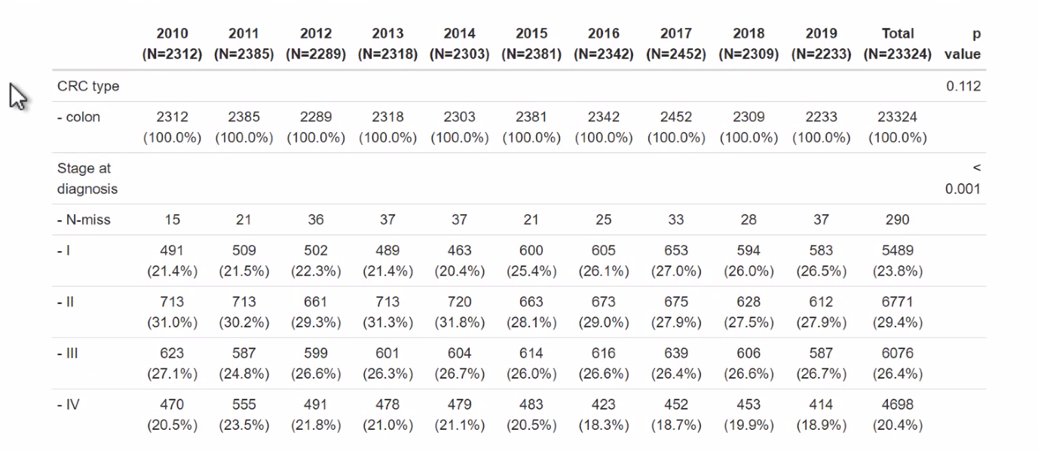
COLON | 2010 | 2011 | 2012 | 2013 | 2014 | 2015 | 2016 | 2017 | 2018 | 2019 | Total | Check
Total | 2312 | 2385 | 2289 | 2318 | 2303 | 2381 | 2342 | 2452 | 2309 | 2233 | 23324 | OK
N-miss | 15 | 21 | 36 | 37 | 37 | 21 | 25 | 33 | 28 | 37 | 290 | OK
Stage I | 491 | 509 | 502 | 489 | 463 | 600 | 605 | 653 | 594 | 583 | 5489 | OK
Stage II | 713 | 713 | 661 | 713 | 720 | 663 | 673 | 675 | 628 | 612 | 6771 | OK
Stage III | 623 | 587 | 599 | 601 | 604 | 614 | 616 | 639 | 606 | 587 | 6076 | OK
Stage IV | 470 | 555 | 491 | 478 | 479 | 483 | 423 | 452 | 453 | 414 | 4698 | OK
Stage I | 21.4% | 21.5% | 22.3% | 21.4% | 20.4% | 25.4% | 26.1% | 27.0% | 26.0% | 26.5% | 23.8%
Stage II | 31.0% | 30.2% | 29.3% | 31.3% | 31.8% | 28.1% | 29.0% | 27.9% | 27.5% | 27.9% | 29.4%
Stage III | 27.1% | 24.8% | 26.6% | 26.3% | 26.7% | 26.0% | 26.6% | 26.4% | 26.6% | 26.7% | 26.4%
Stage IV | 20.5% | 23.5% | 21.8% | 21.0% | 21.1% | 20.5% | 18.3% | 18.7% | 19.9% | 18.9% | 20.4%
CHECK | 100.0% | 100.0% | 100.0% | 100.0% | 100.0% | 100.0% | 100.0% | 100.0% | 100.0% | 100.0% | 100.0%

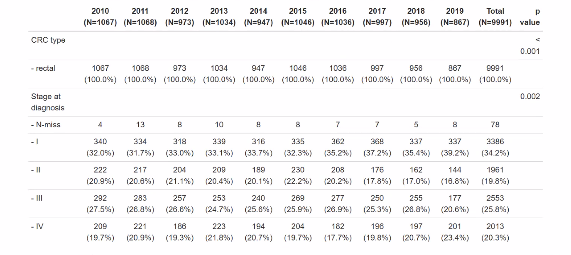
RECTAL | 2010 | 2011 | 2012 | 2013 | 2014 | 2015 | 2016 | 2017 | 2018 | 2019 | Total | Check
Total | 1067 | 1068 | 973 | 1034 | 947 | 1046 | 1036 | 997 | 956 | 867 | 9991 | OK
N-miss | 4 | 13 | 8 | 10 | 8 | 8 | 7 | 7 | 5 | 8 | 78 | OK
Stage I | 340 | 334 | 318 | 339 | 316 | 335 | 362 | 368 | 337 | 337 | 3386 | OK
Stage II | 222 | 217 | 204 | 209 | 189 | 230 | 208 | 176 | 162 | 144 | 1961 | OK
Stage III | 292 | 283 | 257 | 253 | 240 | 269 | 277 | 250 | 255 | 177 | 2553 | OK
Stage IV | 209 | 221 | 186 | 223 | 194 | 204 | 182 | 196 | 197 | 201 | 2013 | OK
Stage I | 32.0% | 31.7% | 33.0% | 33.1% | 33.7% | 32.3% | 35.2% | 37.2% | 35.4% | 39.2% | 34.2%
Stage II | 20.9% | 20.6% | 21.1% | 20.4% | 20.1% | 22.2% | 20.2% | 17.8% | 17.0% | 16.8% | 19.8%
Stage III | 27.5% | 26.8% | 26.6% | 24.7% | 25.6% | 25.9% | 26.9% | 25.3% | 26.8% | 20.6% | 25.8%
Stage IV | 19.7% | 20.9% | 19.3% | 21.8% | 20.7% | 19.7% | 17.7% | 19.8% | 20.7% | 23.4% | 20.3%
CHECK | 100.0% | 100.0% | 100.0% | 100.0% | 100.0% | 100.0% | 100.0% | 100.0% | 100.0% | 100.0% | 100.0%

