1. Engineering
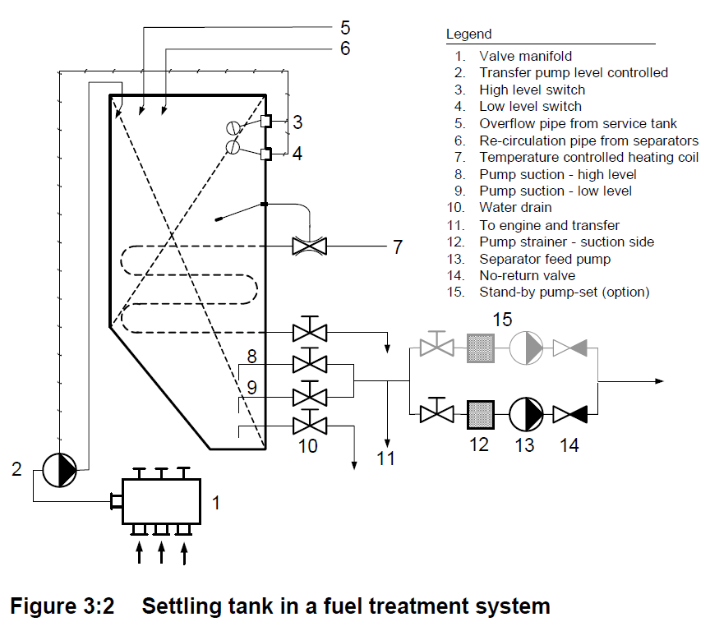
 | Symbol |  |  | (units) | Remarks
Engine rated power | PME | = | 7,560 | kW
Specific fuel consumption | sfc | = | 179 | g/kW.h
Hour capacity of settling tank | t | = | 18 | hr
Fuel mass settling tank to hold | mHFO | = | 24.358 | tonne
Density of HFO | ρ | = | 940 | kg/m3
Quantity of HFO required | qHFO | = | 25.91 | m3

Frame space (transverse) in ER | FS_transv | = | 650 | mm | based on GA
Frame space (longitudinal) in ER | FS_longi | = | 650 | mm | based on ER structure

No. of frames of HFO tank on the length | nFS_length | = | 5
Length of HFO tank | LHFO_Tk | = | 3.250 | m
No. of frames of HFO tank on the breadth | nFS_breadth | = | 4
Breadth of HFO tank | BHFO_Tk | = | 2.600 | m
Preliminary level height (between 3 and 4) | HHFO_Tk_prelim | = | 3.067 | m

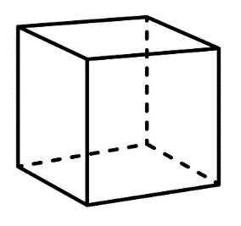
HFO Tank level control
High level, pump auto-stop (position 3) | z3 | = | 90% |  | of HFO Settling Tank
Low level, pump auto-start (position 4) | z4 | = | 15%
Difference in % between pump auto cut-out, cut-in | z3 - z4 | = | 75%
Cubical capacity of HFO settling tank |  | = | 34.55 | m3
Preliminary level height (between 3 and 4) | h34 | = | 3.067 | m
Calculated full height of tank | HHFO_Tk_full | = | 4.089 | m | Estimated height = 4.089 m
High level, alarm | zHLA | = | 95% |  | Installed height = 4.100 | m
Position of high level alarm | hHLA | = | 3.884 | m
Position of pump auto-stop | hpump_HLCI | = | 3.680 | m
Position of pump auto-start | hpump_HLCO | = | 0.613 | m
Low level, alarm | zLLA | = | 10%
Position of low level alarm | hLLA | = | 0.409 | m
Pump suction point (in terms of % of height) | zpump_suction | = | 5%
Pump suction point (in terms of height) | hpump_suction | = | 0.204 | m
Unpumpables |  | = | 3%
Position of tank bottom slope (based on unpumpables) | hbottom slope | = | 0.123 | m
Ullage space | zullage | = | 5%

3_Mass of FO
Normal mass of Fuel Oil inside tank

 |  | Symbol |  |  | (units) | Remarks
 | Mass of tank steel
 | Mass of steel tank (bare) | mHFOTk_bare | = | 5,082.06 | kg | from previous calculations
 | Allow out-fitting mass | fitting_allowance | = | 10%
 | Estimated tank + out-fitting mass | mTk+OF | = | 5,590.26 | kg

 | Calculated full height of tank | HHFO_Tk_full |  | 4.089 | m
 | Length of HFO tank | LHFO_Tk | = | 3.250 | m
 | Breadth of HFO tank | BHFO_Tk | = | 2.600 | m
 | Full capacity of HFO tank | qHFO_Tk |  | 34.551 | m3
 | Density of HFO | ρHFO |  | 940 | kg/m3
 | Full mass of HFO inside tank | mHFO_full | = | 32,478 | kg
 | High level, pump auto-stop (position 3) | z3 | = | 90%
 | Normal mass of HFO inside tank | mHFO_operating | = | 29,230 | kg

 | Combined steel plus HFO | mHFOTk+HFO | = | 26 | kg

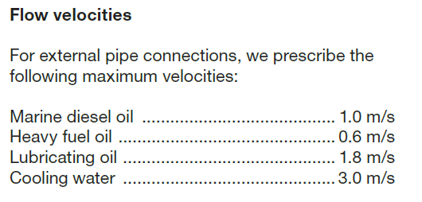
 | Transfer Pump sizing
 | High level, pump auto-stop (position 3) | z3 | = | 90%
 | Low level, pump auto-start (position 4) | z4 | = | 15%
 | Difference in % between pump auto cut-out, cut-in | z3 - z4 | = | 75%
 | Volume of HFO to be pumped | qHFO_4to3 | = | 25.91 | m3
 | Pumping duration | tpumping | = | 4 | hr | Assume common practice
 | Capacity of HFO Transfer pump (shown as 2) | QHFO Trf Pump | = | 6.48 | m3/h

 | HFO transfer pipe size
 | Capacity of HFO Transfer pump (shown as 2) | QHFO Trf Pump | = | 5.00 | m3/h
 |  |  | = | 0.0013888888889 | m3/s
 | Flow velocity of HFO inside pipe | cHFO flow | = | 0.6 | m/s
 | Calculate flow area of HFO transfer pipe | aHFL flow | = | 0.0023148148148 | m2
 | Calculate flow diameter of HFO transfer pipe | dHFO_pipe | = | 0.054289167989 | m
 |  |  | = | 54.3 | mm
 | Nominal bore size of HFO transfer pipe |  | = | 50 | mm NB

