bq24040
型号 | 尺寸 | 标称容量 | 标称电压 | 配套充电器参数 | 购买链接
LIR2032 | Φ20.0×3.2 | >45mAh | 3.6V | DC4.2V 20mA | https://item.taobao.com/item.htm?spm=a230r.1.14.30.KSB4S1&id=521199577504&ns=1&abbucket=20#detail

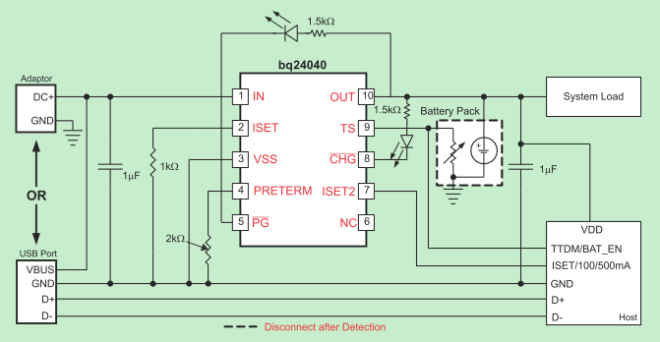

note
1. bypass cap between IN/OUT and GND in the range 1uF to 10uF, can be set as 2.2uF align with tps62730
2.K ISET Fast charge current factor; R ISET = K ISET /I OUT ; 10 < I OUT < 25 mA; Kiset=520Aohm; Riset=Kiset/Iout=520/20=26kohm
指示灯（10脚和8脚之间）会带走约10mA的电流，因此会影响到截止电流，而且第一次充电完成后CHG会变高阻，可以替代性在输入端用指示灯
https://e2e.ti.com/support/power_management/battery_management/f/179/p/544876/1988507
If ISET2 = Low, the input current limit will be determined by your RISET. If ISET2= High, the input and output current is limited to 500mA and if ISET2 is floated, the current is limited to 100mA.
For example, if Rpreterm is 2k ohm, then the pre-charge current is 2k/100=20% of the fast charge current. The termination current is always half of the pre-charge current. For example, if Rpreterm is 2k ohm, then the pre-charge current is 2k/100=20% of the fast charge current. The termination current is always half of the pre-charge current.

