Directions
Updating Data via Import

 | Quick Start Guide

 | This is a guide to demonstrate the basics of editing and importing a template for updates.

 | Note: If you want to add new records, use the Insert Template instead.

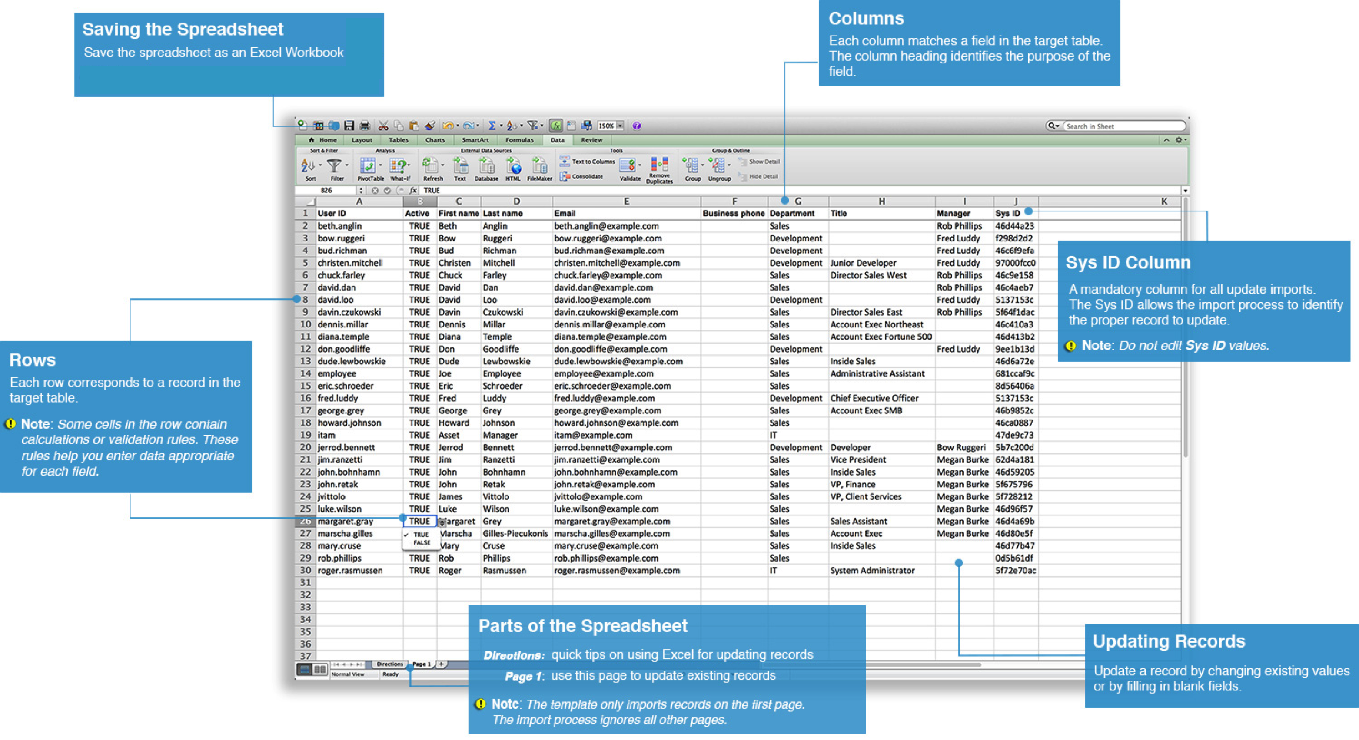

 | Updating Records

 | Edit a row to change the values for a particular record in the table. Replace existing values with new values.

 | You do not have to add data for every column.

 | 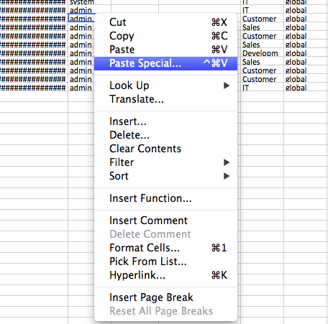 If you want to paste data from another spreadsheet, use the Paste Special command and paste values only to match the existing formatting.

 | Blank Values

 | The update import process uses these rules when handling blank values.

 | Mandatory Columns

 | The Sys ID column is mandatory for all update imports. The Sys ID allows the import process to identify the proper record to update.

 | Do not edit values in the Sys ID column.

