CR1114
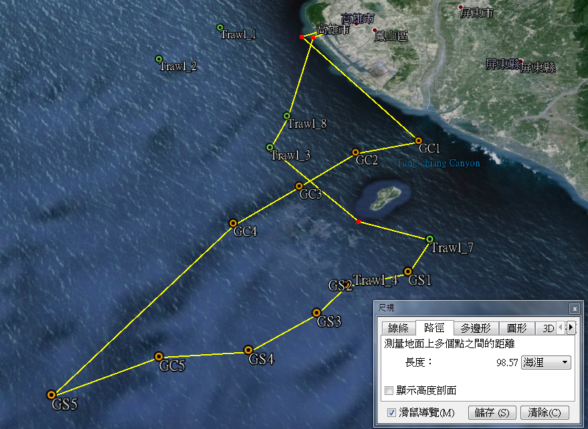
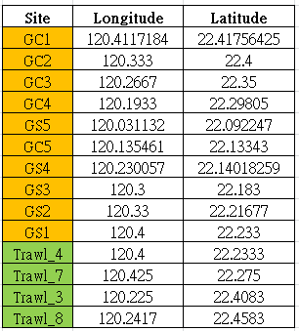
R/V | OR1
Cruise | cr1114
Date | 2015.8.4-2015.8.6
Station | Kaoping Canyon | 1,2,3,4
 | Kaoping Slope | 1,2,3,4
Total deployment (multi-corer) | 17
Sampling target | Macrofauna( 297um) sieving | at least 3 sub-sample per station
 | Oxygen consumption | ?
 | Oxygen concentration profile | Fail
 | Meiofauna | One set (3 Syringes per multi-corer) per station, pentrate to 5 cm
 | Grain size & chl a | 0~15 cm 1 cm per section

GC1
GC1


Deployment |  | Core # | Core height (cm) | Application | Content
d1 | 1 core get | ? | 32.5 | Incubate→Macrofauna incu | 0-1,1-2,2-3,3-5,5-10 , total 5 section
d2 | 2 core get | XI | 44 | Grain size & Chl a
 |  | I | 32 | Macrofauna sieving 1 | 0-1,1-2,2-3,3-5,5-10 , total 5 section
d3 | 3 core get | VI | 23 | LOSE !
 |  | X | 33 | Macrofauna sieving 2 | 0-1,1-2,2-3,3-5,5-10 , total 5 section
 |  | XI | 39 | Macrofauna sieving 3 | 0-1,1-2,2-3,3-5,5-10 , total 5 section
d4 | 0 core get
d5 | 1 core get | XII | 28 | Macrofauna sieving 4 | 0-1,1-2,2-3,3-5,5-10 , total 5 section

