CR1126
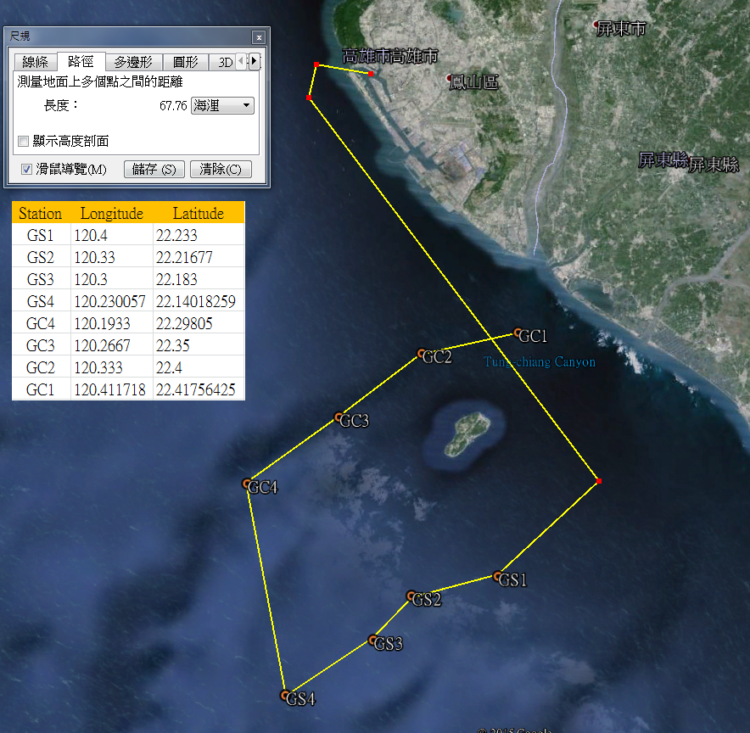
R/V | OR1
Cruise | cr1126
Date | 2015.11.19-2015.11.21
Station | Gaoping Canyon | 1,2,3,4
 | Gaoping Slope | 1,2,3,4
Total deployment (multi-corer) | 11 (Only sample collected been recorded)
Sampling target | Macrofauna( 297 um) sieving | at least 3 sub-sample per station (except of st.GC2 )
 | Oxygen consumption
 | Oxygen profile
 | Meiofauna | One set (3 Syringes per multi-corer) per station, pentrate to 5 cm
 | Grain size & chl a | For total 6 section per station (0-1, 1-2, 2-3, 3-4, 4-5, 9-10)

GS1
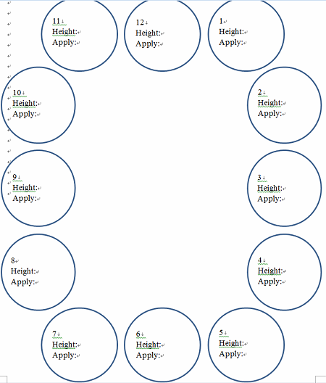
GS1 | 2015-11-19

Deployment | Core # | Height (cm) | Application | Content
d1 | 1 | 32.5 | Macrofauna sieving #3 | 0-1,1-2,2-3,3-5,5-15 , total 5 section, Oxygen profile
11 core get | 3 | 33
 | 4 | 34 | Macrofauna sieving #1 | 0-1,1-2,2-3,3-5,5-10 , total 5 section
 | 5 | 34 | Meiofauna | One set (3 Syringes per multi-corer) per station, pentrate to 5 cm
 | 6 | 36 | Grain size & Chl a | 0-1, 1-2, 2-3, 3-4, 4-5, 9-10 ; total 6 section
 | 7 | 32
 | 8 | 33 | Macrofauna sieving #2 | 0-1,1-2,2-3,3-5,5-10 , total 5 section
 | 9 | 33
 | 10 | 35 | Macrofauna sieving #4 | 0-15, total 1 section ; Oxygen consumption
 | 11 | 34
 | 12 | 33

