%CR1132
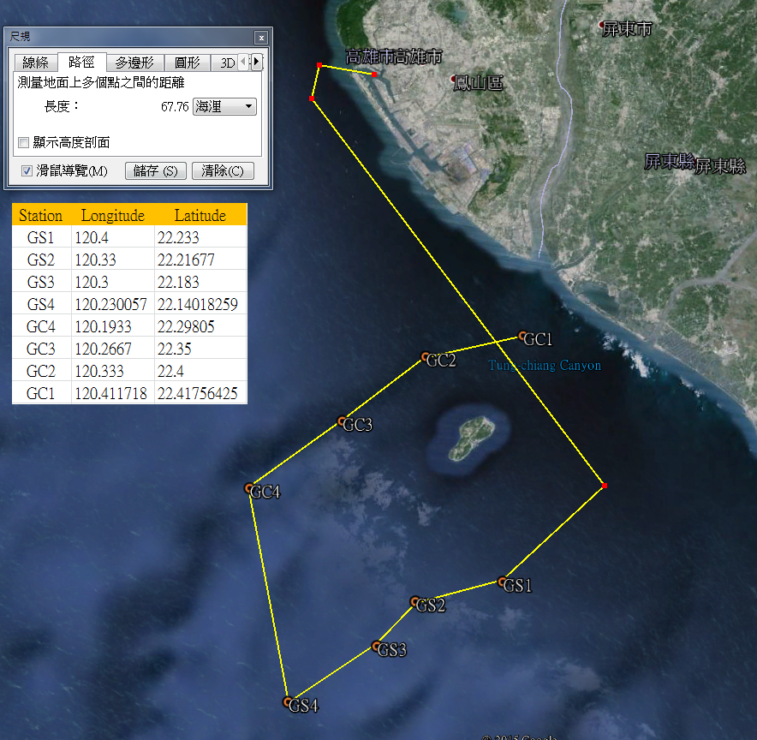
R/V | OR1
Cruise | cr1126
Date | 2015.11.19-2015.11.21
Station | Gaoping Canyon | 1,2,3,4
 | Gaoping Slope | 1,2,3,4
Total deployment (multi-corer) | 11 (Only sample collected been recorded)
Sampling target | Macrofauna( 297 um) sieving | at least 3 sub-sample per station (except of st.GC2 )
 | Oxygen consumption
 | Oxygen profile
 | Meiofauna | One set (3 Syringes per multi-corer) per station, pentrate to 5 cm
 | Grain size & chl a | For total 6 section per station (0-1, 1-2, 2-3, 3-4, 4-5, 9-10)

GS1
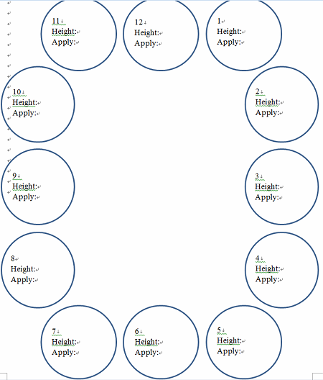
GS1 | 2016-03-19

Deployment | Core # | Height (cm) | Application | Content
d1 | 1 | 40.5
11 core get | 2 | 36.5 | Macrofauna sieving #1 | 0-15 section
 | 3 | 35 | Meiofauna | One set (3 Syringes per multi-corer) per tube, pentrate to 5 cm
 | 4 | 36.5 | foraminifera | Acadamic silica
 | 5 | 31 | Fail!
 | 6 | 18.5
 | 7 | 12.5
 | 8 | 41 | Grain size & Chl a | 0-1
 | 9 | 42 | Macrofauna sieving #2 | 0-15 section
 | 10 | 44
 | 11 | X
 | 12 | 38.5 | Macrofauna sieving #3 | 0-15 section

