GS5
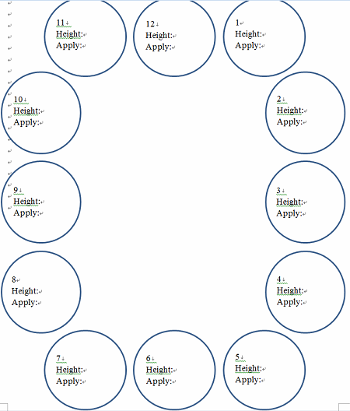
GS5 | 2016-05-31 | Longitude | Latitude
Depth | 1274 | 120.1.8580 | 22.5.5025
Deployment | Core # | Height (cm) | Application | Content
d1 | 1 | 42 | 林奠順老師
12 core get | 2 | 40 | Macrofauna sieving #1 | 0-15 section; oxygen profile; oxygen consumption
 | 3 | 43 | Grain size & Chl a | 0-1; PAH ; chl a
 | 4 | 43 | Macrofauna sieving #4 | 0-15 section
 | 5 | 40 | Macrofauna sieving #2 | 0-15 section; oxygen profile; oxygen consumption
 | 6 | 32 | Macrofauna sieving #5 | 0-15 section
 | 7 | 31 | Macrofauna sieving #6 | 0-15 section
 | 8 | 40 | Macrofauna sieving #3 | 0-15 section; oxygen profile; oxygen consumption
 | 9 | 42 | Meiofauna | One set (3 Syringes per multi-corer) per tube, pentrate to 5 cm; Miki's bac ; 韋盛's bac
 | 10 | 39 | Macrofauna sieving #7 | 0-15 section to Dr.林秉憲
 | 11 | 41 | 林奠順老師
 | 12 | 42 | 林奠順老師

