CR1151
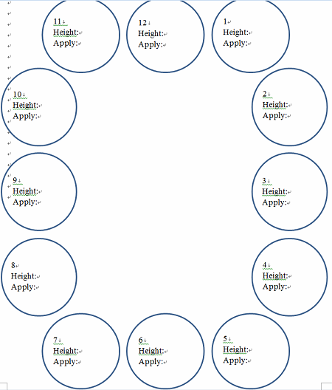
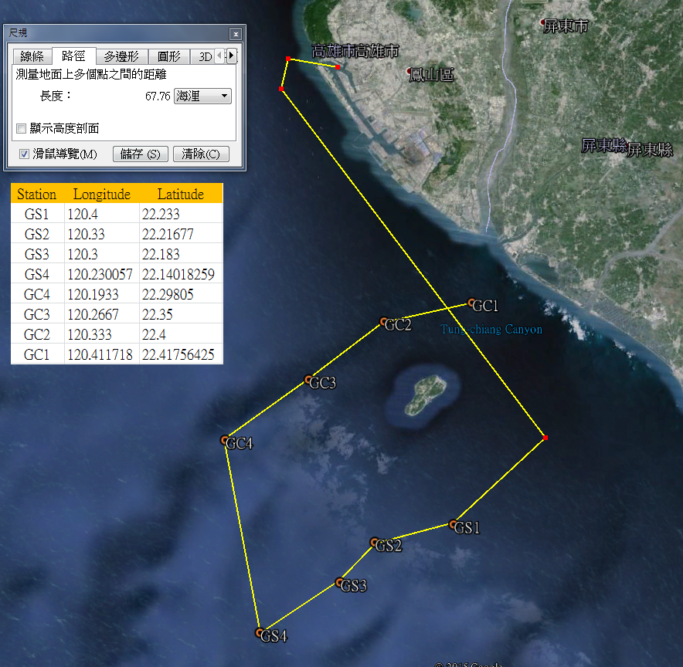
R/V | OR1
Cruise | cr1151
Date | 2016.10.25-2016.10.27
Station | Gaoping Canyon | 1,2,3,4
 | Gaoping Slope | 1,2,3,4
Total deployment (multi-corer) | 15 (Only sample collected been recorded)
Sampling target | Macrofauna( 297 um) sieving | at least 3 sub-sample per station (except of st.GC2 )
 | PAH in macrofauna
 | Oxygen consumption
 | Oxygen profile
 | Meiofauna | One set (3 Syringes per multi-corer) per station, pentrate to 5 cm
 | Grain size & chl a | surface 0-1 cm
 | PAH in sediment | surface 0-1 cm

