Descirption
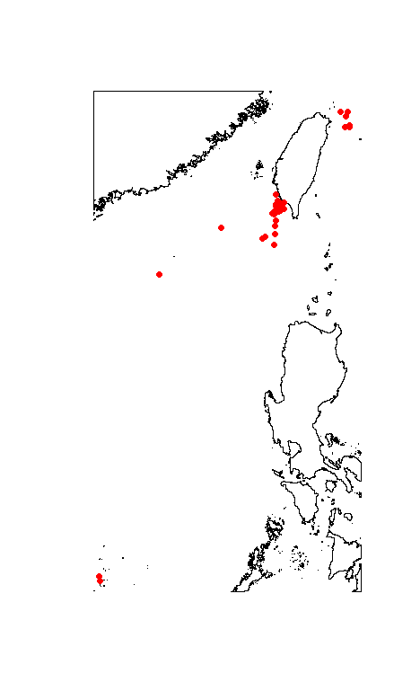
Sheet | Variable | Unit | Description
Cruise_data | Region
Cruise_data | Date
Cruise_data | Habitat
Cruise_data | Cruise
Cruise_data | Station
Cruise_data | Deployment |  | Core deployment number at a single site
Cruise_data | Longitude | Decimal degree
Cruise_data | Latitude | Decimal degree
Cruise_data | Depth | m
Cruise_data | Corer |  | Corer type
Cruise_data | Area | m^2 | Area of the subcore
Cruise_data | Sieve | μm | Sieve mesh size
Specimen | Cruise
Specimen | Station
Specimen | Deployment |  | Core deployment numbers at a single site
Specimen | Tube |  | Multicorer tube numbers recorded on board
Specimen | Subcore |  | Subcore numbers corresponing to multicorer tube numbers
Specimen | Section | cm | Section into the sediment
Specimen | Taxon
Specimen | Abundance
Specimen | Comment

