India
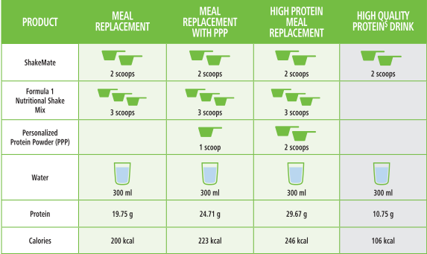
 | Total | 1 serving | Total servings | Servings per day | Per month | 1.5 months | 2 months | 3 months | 4 months | 6 months
F1 (3 scoop) | 500 | 25 | 20 | 2 | 3 | 4.5 | 6 | 9 | 12 | 18
F1 (3 scoop) | 750 | 25 | 30 | 2 | 2 | 3 | 4 | 6 | 8 | 12
F3 (1 scoop) | 200 | 6 | 33.333333333 | 4 | 3.6 | 5.4 | 7.2 | 10.8 | 14.4 | 21.6
F3 (1 scoop) | 400 | 6 | 66.666666667 | 4 | 1.8 | 2.7 | 3.6 | 5.4 | 7.2 | 10.8
Afresh (1 teaspoon) | 50 | 1 | 50 | 1 | 0.6 | 0.9 | 1.2 | 1.8 | 2.4 | 3.6
Aloe (1.5 caps) | 500 | 15 | 33.333333333 | 2 | 1.8 | 2.7 | 3.6 | 5.4 | 7.2 | 10.8
Fiber (1 scoop) | 200 | 6.7 | 29.850746269 | 2 | 2.01 | 3.015 | 4.02 | 6.03 | 8.04 | 12.06
Shakemate (2 scoop) | 500 | 27 | 18.518518519 | 1 | 1.62 | 2.43 | 3.24 | 4.86 | 6.48 | 9.72
Niteworks (1 scoop) | 300 | 10 | 30 | 1 | 1 | 1.5 | 2 | 3 | 4 | 6
Multivit | 90 | 1 | 90 | 3 | 1 | 1.5 | 2 | 3 | 4 | 6

