Gantt Chart - Manual Duration
Exploratory Data Analysis (EDA) | 43036 | 0.15 | 2.85
Exploratory Data Visualization | 43036 | 0 | 4
Exploratory Numerical Analysis | 43036 | 0 | 4
Supervised Methodology | 43040 | 0 | 6
Unsupervised Methodology | 43043 | 0 | 6
Further Optimization of Models | 43046 | 0 | 5
Dummy | 43036 | 0 | 0
Dummy | 43036 | 0 | 0
Dummy | 43036 | 0 | 0
Dummy | 43036 | 0 | 0
Dummy | 43036 | 0 | 0
Dummy | 43036 | 0 | 0
Dummy | 43036 | 0 | 0
Dummy | 43036 | 0 | 0
Dummy | 43036 | 0 | 0
Dummy | 43036 | 0 | 0
Wing Yan Sang Iman Singh Lim Chung Meng
Task Name | Start Date | End Date | Duration (Days) | Days Complete | Days Remaining | Percent Complete | Start Date in Number Form | 43036.00 | Use this number for the Minimum Bound of the Horizontal Axis to set the beginning of the chart.
Exploratory Data Analysis (EDA) | 10/28/2017 | 10/31/2017 | 3 | 0.15 | 2.85 | 5%
Exploratory Data Visualization | 10/28/2017 | 11/1/2017 | 4 | 0.00 | 4.00 | 0%
Exploratory Numerical Analysis | 10/28/2017 | 11/1/2017 | 4 | 0.00 | 4.00 | 0%
Supervised Methodology | 11/1/2017 | 11/7/2017 | 6 | 0.00 | 6.00 | 0%
Unsupervised Methodology | 11/4/2017 | 11/10/2017 | 6 | 0.00 | 6.00 | 0%
Further Optimization of Models | 11/7/2017 | 11/12/2017 | 5 | 0.00 | 5.00 | 0%
Dummy | 10/28/2017 | 10/28/2017 | 0 | 0.00 | 0.00 | 0%
Dummy | 10/28/2017 | 10/28/2017 | 0 | 0.00 | 0.00 | 0%
Dummy | 10/28/2017 | 10/28/2017 | 0 | 0.00 | 0.00 | 0%
Dummy | 10/28/2017 | 10/28/2017 | 0 | 0.00 | 0.00 | 0%
Dummy | 10/28/2017 | 10/28/2017 | 0 | 0.00 | 0.00 | 0%
Dummy | 10/28/2017 | 10/28/2017 | 0 | 0.00 | 0.00 | 0%
Dummy | 10/28/2017 | 10/28/2017 | 0 | 0.00 | 0.00 | 0%
Dummy | 10/28/2017 | 10/28/2017 | 0 | 0.00 | 0.00 | 0%
Dummy | 10/28/2017 | 10/28/2017 | 0 | 0.00 | 0.00 | 0%
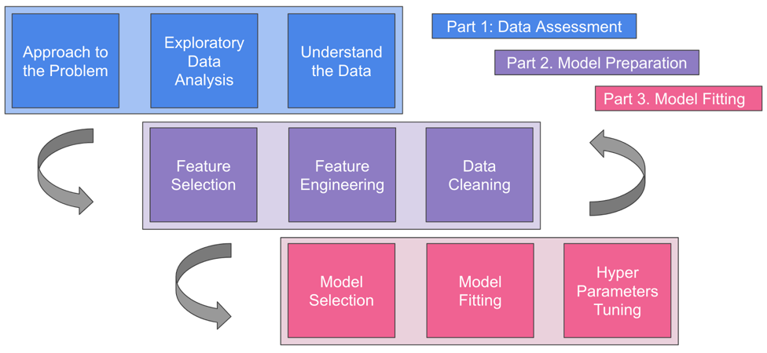
Dummy | 10/28/2017 | 10/28/2017 | 0 | 0.00 | 0.00 | 0%

 |  |  |  |  |  |  | Key: | Calculated Cell |  | Manual Entry Cell
 |  |  |  |  |  |  |  | These cells will be automatically calculated based on the inputs on other cells. |  | These cells require manual input so the calculated cells have data to work with.
TASKS
Exploratory Data Analysis (EDA) | Initial Grasp on the Data, Data Cleaning/Preparation, Numerical Analysis

