(소개) 심플보카 (교육부 지정 필수 영단어 3000편)
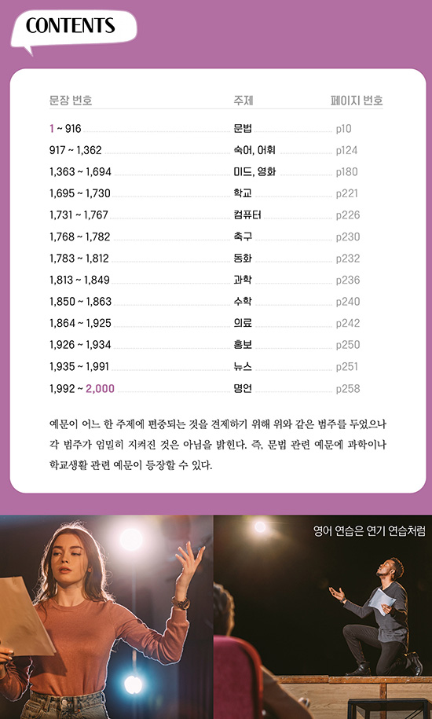
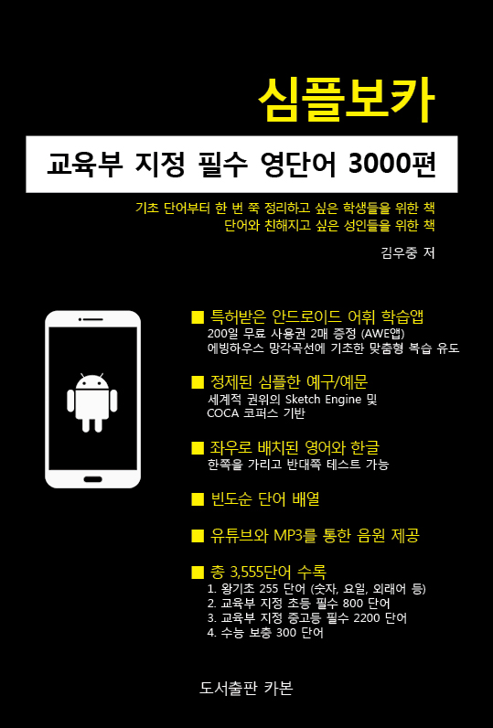
심플보카 [교육부 지정 필수 영단어 3000편]
https://blog.naver.com/walire/221041320612
저자 | 김우중 (상산고, 서울대, 국제영어대학원대학교, (전)윤선생영어교실 연구소)
감수 | 최승용(세화고 교사), 양현(중동고 교사, 능률/천재 영어교과서 집필진), 임한결(고딸영문법 저자), Glenn Allies

가격 | 15,000원 (인터넷 서점 10% DC 가격: 13,500원)

구성 | 목록명 | 단어수 | 일련번호 | 설명
 | 왕기초 단어 | 255 | -255~-1 | 교육부에서 필수 어휘에 넣지 않았다고 명시한 기초 단어 (숫자, 요일, 외래어 등)
 | 교육부 초등 필수 단어 | 800 | 1~800 | 교육부에서 초등과정에서 사용하기를 권장한 800단어
 | 교육부 중고등 필수 단어 | 2,200 | 801~3,000 | 교육부 3,000단어 중 초등과정용을 제외한 나머지 2,200단어
 | 수능 보충 단어 | 300 | 3,001~3,300 | 교육부 필수 어휘에는 포함되지 않았지만 수능에서 여러 차례 등장한 단어
 | 합계 | 3,555
 | * 참고로, 파생어, 예구/예문에서 등장한 단어를 포함하면 약 5,600여 단어가 이 책에 포함되어 있습니다.
 | * (왕)기초단어부터 한 번 쭉 정리하고 싶은 학생 및 성인을 위한 책으로 (고교) 상위권 학생들에게는 적합하지 않습니다.
 | * 초, 중등생의 경우 선행학습 차원에서 미리 마스터해놓으면 앞으로의 영어 공부(내신 & 수능)가 편안해집니다.

구매후기 | ▶ 사용자 카페 최초 100% 완료 인증샷 (아빠의 솔선수범)
 | ▶ 교보문고 심플보카 리뷰섹션
 | ▶ 알라딘 심플보카 리뷰섹션
 | ▶ 예스24 심플보카 리뷰섹션
 | ▶ 인터파크 심플보카 리뷰섹션

미리보기 | PC용 링크
 | 모바일용 링크
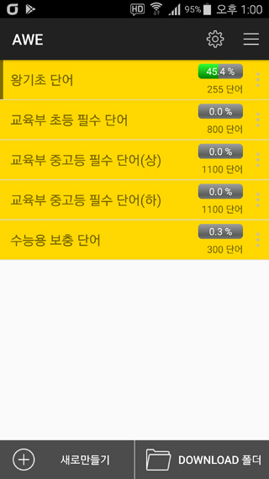

특징 | 1. 특허받은 안드로이드 어휘 학습앱 365일 무료 사용권 2매 증정 (★무광고 풀버전; 사용기간은 일정 포인트 적립시 자동 연장)
 | * 예전에는 앱에서 원어민 음원으로 공부할 수 있었으나 2023년 현재 이 기능은 작동하지 않고 TTS 음성만 지원됩니다. 원어민 음원은 아래 유튜브를 통해 들으시기 바랍니다.
 | 스크린샷 링크

 | 2. 유튜브를 통한 음원 제공
 | 듣기용 (약 5시간)
 | 듣고 따라하기용 (약 11시간)

 | 3. 정제된 심플한 예구/예문 (세계적 권위의 코퍼스 분석 시스템인 Sketch-Engine 및 COCA 유료 데이터 기반)

 | 4. 빈도순 단어 배열

 | 5. 180도로 펼쳐지는 PUR 제본으로 제작
 | PUR제본 테스트 동영상

 | 6. 좌우로 배치된 영어와 한글 (한쪽을 가리고 반대쪽 테스트 가능)

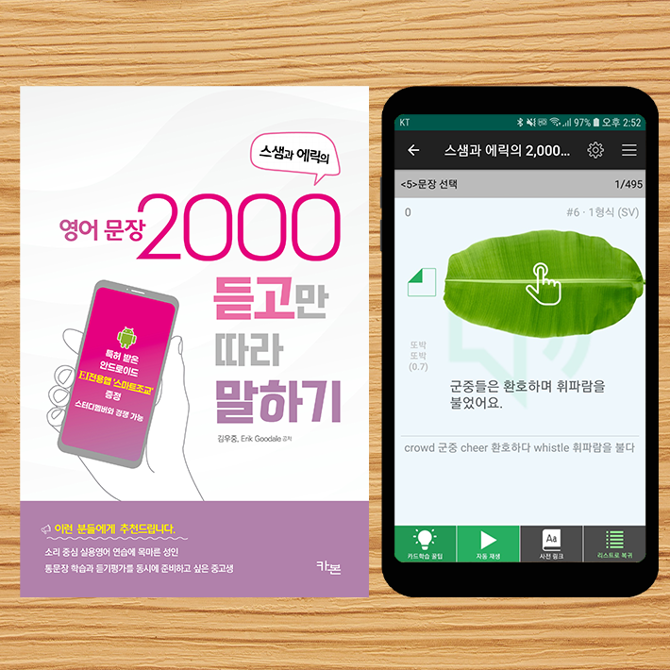
 | 통문장 학습과 듣기평가를 동시에 준비하고 싶다면?
 | 스샘과 에릭의 영어문장 2000 듣고만 따라 말하기
 | https://blog.naver.com/walire/222834704313

 | 가격: 18,000원 (인터넷 서점 10% DC 가격: 16,200원)

 | 스샘과 최고 수준의 원어민샘들(응용언어학 박사, IELTS 심사위원)이 선정한 엄선된 2000문장
 | 안드로이드 EI 전용앱 증정
 | 탑골랩소디 스타, 조이 블랭크님 녹음
 | 유튜브에서 연습용 음원 제공
 | 문장과 매칭되는 125장의 삽화 포함

