Sheet1
Module Code | Friend List
Test Requiment | <Brief description about requiments which are tested in this sheet>
Tester
Pass | Fall | Untested | Number of Test Case
4 | 5 |  | 9 |  |  | Sceen Shot
ID | Test Case | Test Case Processdure | Expected Output | Result | Note
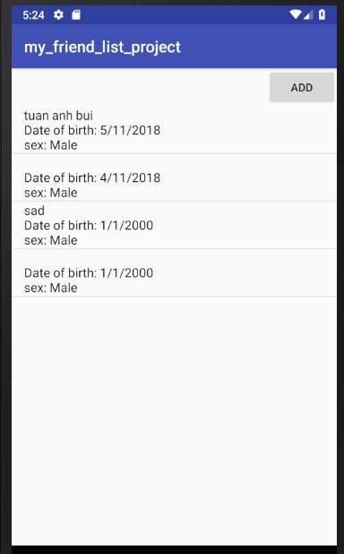
1 | Input Name Tuan Anh Bui Birth:5/11/2018 Sex Male | 1.Input the Name 2.Input the Date 3.Check the male or female box 4.Press Add | 1. Text Box input new friends 2.Friends added success | tuan anh bui Date of birth:5/11/2018 Sex:Male
2 | Input Name: Birth:4/11/2018 Sex Male | 1.Input the Name 2.Input the Date 3.Check the male or female box 4.Press Add | 1. Text Box input new friends 2.The app wil now there are a bug 3.The app will remind the user about the bug | Date of birth:4/11/2018 Sex:Male | There a bug in this app User should not use null
3 | Input Name:sad Birth:1/1/2000 Sex Female | 1.Input the Name 2.Input the Date 3.Check the male or female box 4.Press Add | 1. Text Box input new friends 2.Friends added success | sad Date of birth:1/1/2000 Sex:Female
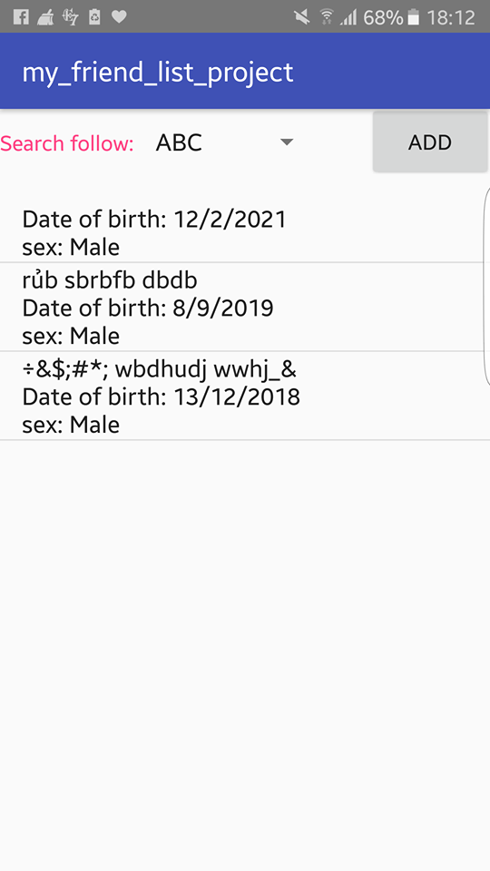
4 | Input Name: Birth:1/1/2000 Sex Male | 1.Input the Name 2.Input the Date 3.Check the male or female box 4.Press Add | 1. Text Box input new friends 2.The app wil now there are a bug 3.The app will remind the user about the bug | Date of birth:1/1/2000 Sex:Female | There a bug in this app User should not use null
5 | Input Name:Nguyen Quoc Khanh Birth:2/9/2018 Sex Male | 1.Input the Name 2.Input the Date 3.Check the male or female box 4.Press Add | 1. Text Box input new friends 2.Friends added success | Nguyen Quoc Khanh Date of birth:2/9/2018 Sex:Male
6 | Input Name:ABC DS Birth:2/9/1784 Sex Female | 1.Input the Name 2.Input the Date 3.Check the male or female box 4.Press Add | 1. Text Box input new friends 2.Friends added success | ABC DS Date of birth:2/9/1784 Sex:Female
7 | Input Name: Birth:12/2/2021 Sex Male | 1.Input the Name 2.Input the Date 3.Check the male or female box 4.Press Add | 1. Text Box input new friends 2.The app wil now there are a bug 3.The app will remind the user about the bug | Date of birth:12/2/2021 Sex:Male | There a bug in this app User should not use null
8 | Input Name:rurb sbrbfb dbdb Birth:8/9/2019 Sex Male | 1.Input the Name 2.Input the Date 3.Check the male or female box 4.Press Add | 1. Text Box input new friends 2.The app wil now there are a bug 3.The app will remind the user about the bug | rurb sbrbfb dbdb Birth:8/9/2019 Sex Male | There a bug in this app User should not use special keywords
9 | Input Name:Special keyworks Birth:13/12/2018 Sex Male | 1.Input the Name 2.Input the Date 3.Check the male or female box 4.Press Add | 1. Text Box input new friends 2.The app wil now there are a bug 3.The app will remind the user about the bug | Special keywords Birth:13/12/2018 Sex Male | There a bug in this app User should not use special keywords

