Sheet1
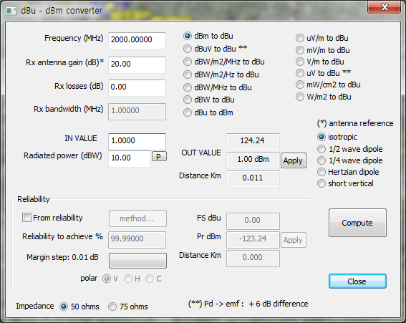
KTBF | 3.5MHz : -107.98dBm | 15.26 | -107.98
 | 7MHz : -104.97dBm | 18.27 | -104.97
 | 14MHz : -101.96dBm | 21.28 | -101.96
 | 28MHz : -98.95dBm | 24.29 | -98.95

THRESHOLD | <3.5MHz profile> | dBuV/m |  | 원본값 | 수정값 | PROFILE | 변조방식
 | - QPSK 1/2 : -89.98dBm | 33.26 | -89.98 | -89.98 | -90 | <3.5MHz profile> | - QPSK 1/2 : -89.98dBm
 | - QPSK 3/4 : -87.48dBm | 35.76 | -87.48 | -87.48 | -87.48 | <3.5MHz profile> | - QPSK 3/4 : -87.48dBm
 | - 16QAM 1/2 : -84.48dBm | 38.76 | -84.48 | -86.97 | -87 | <7MHz profile> | - QPSK 1/2 : -86.97dBm
 | <7MHz profile>
 | - QPSK 1/2 : -86.97dBm | 36.27 | -86.97 | -84.48 | -84.48 | <3.5MHz profile> | - 16QAM 1/2 : -84.48dBm
 | - QPSK 3/4 : -84.47dBm | 38.77 | -84.47 | -84.47 |  | <7MHz profile> | - QPSK 3/4 : -84.47dBm
 | - 16QAM 1/2 : -81.47dBm | 41.77 | -81.47 | -83.96 | -84 | <14MHz profile> | - QPSK 1/2 : -83.96dBm
 | <14MHz profile>
 | - QPSK 1/2 : -83.96dBm | 39.28 | -83.96 | -81.47 | -81.47 | <7MHz profile> | - 16QAM 1/2 : -81.47dBm
 | - QPSK 3/4 : -81.46dBm | 41.78 | -81.46 | -81.46 |  | <14MHz profile> | - QPSK 3/4 : -81.46dBm
 | - 16QAM 1/2 : -78.46dBm | 44.78 | -78.46 | -80.95 | -81 | <28MHz profile> | - QPSK 1/2 : -80.95dBm
 | <28MHz profile>
 | - QPSK 1/2 : -80.95dBm | 42.29 | -80.95 | -78.46 | -78.46 | <14MHz profile> | - 16QAM 1/2 : -78.46dBm
 | - QPSK 3/4 : -78.45dBm | 44.79 | -78.45 | -78.45 |  | <28MHz profile> | - QPSK 3/4 : -78.45dBm
 | - 16QAM 1/2 : -75.45dBm | 47.79 | -75.45 | -75.45 | -75.45 | <28MHz profile> | - 16QAM 1/2 : -75.45dBm

