Overview
Launch Online Tool
 |  | IT Budget and IT Security Efficiency Benchmark Question Set

Learn more about the Framework Definitions.

Gartner IT Budget and IT Security
Survey Toolkit

Use this Toolkit as a starting point to gather information for the Gartner IT Budget, prior to your online submission.

Instructions - Please Read!

• | Prior to filling in any information, make sure you’re familiar with the Gartner Framework definitions. |  |  |  | Click here to learn more about Framework Definitions
• | The questions available in this toolkit, are an offline replication of the Gartner IT Budget and IT Security assessment in terms of content, order and answer format.
• | The questions have been grouped in 7 tabs to replicate the structure and categorization of the tool. With the exception of "Getting Started" all other questions are optional.
• | Please enter your data in the suggested format.
• | Document data sources, adjustments and assumptions for repeatability and improved data quality.
• | Once data collection is complete, go the IT Budget Tool to submit your information and obtain your comparison report.
• | All information shared with Gartner will remain strictly confidential. |  |  | Gartner's Privacy Policy
• | Schedule an inquiry to review your results at: |  | inquiry@gartner.com

© 2022 Gartner, Inc. and/or its affiliates. All rights reserved. Gartner is a registered trademark of Gartner, Inc. or its affiliates. This presentation, including all supporting materials, is proprietary to Gartner, Inc. and/or its affiliates and is for the sole internal use of the intended recipients. Because this presentation may contain information that is confidential, proprietary or otherwise legally protected, it may not be further copied, distributed or publicly displayed without the express written permission of Gartner, Inc. or its affiliates.

Getting Started
Launch Online Tool
 |  | IT Budget and IT Security Efficiency Benchmark Question Set

Prior to filling in any information, make sure you’re familiar with the Gartner Framework definitions. |  |  |  |  |  |  |  |  | Learn more about the Framework Definitions.
This section covers questions related to the identification and profile of the entity you are analyzing. It is important to remember that the scope of any analysis is represented by the Revenue (as appropriate), Operating Expenses and Employees of the entity being analyzed. It is NOT defined by the IT organization providing support. We also ask about the context of the assessment below. This is an opportunity for you to describe your survey response. You can enter additional context on unique events that occurred, significant projects or investments, unique organizational structures, comments on the scope of data reported, or other assumptions you made during data collection (e.g., “includes the complete view of our company including recent acquisitions”). Note: Getting Started section is Mandatory to complete the assessment.

 |  |  |  |  |  | 2022 | 2023
GETTING STARTED

Scope of Response
Which of the following best describes the scope of the data being provided?

Business Unit/Division Name
What is the name of the business unit/division entity defined by the scope of this analysis?

Data Used
What best describes the data you will use for this benchmark?

Context for Response
Please provide a description of your survey response to help us understand your data and organization. Your response will be included as context in your final results.

Currency
What currency will you use to input your data?

Ownership status
What is your organization’s ownership status?

Main objective for this assessment
What is your main objective for completing this assessment?

Last Fiscal Year Close
What was the end date of your last fully complete and finalized financial year?
Please note that we collect Revenue and Operating Expenses one year behind IT Spending/Staffing and Company Employees because in the current year Revenue and Operating Expenses haven’t been released yet and are not obtainable. Therefore if you choose Dec 202(X-1), the online survey will ask your for 202(X-1) revenue and operating expenses and 202X IT Spending/Staffing and Company Employees. If you are not comfortable using current-year data please select the close date of the fiscal year prior to the year of IT Spending/Staffing you want to report.

Revenue
What is your organization’s annual revenue in currency?
Banks: enter “total interest income plus non-interest income minus provision for loan losses” Insurance companies: enter “gross written premiums plus other income” Government organizations: enter “operating budget”

 |  | 2022 Actual |  | 2023 (Estimate)

 | Revenue

Operating Costs
What is your organization’s total operating cost in currency?
Use "SG&A + Cost of Goods Sold"
 |  | 2022 Actual |  | 2023 (Estimate)

Operating Expense

Company Employee Count
What is the total number of employees (FTEs) in your organization?
 |  | 2023 Actual |  | 2024 (Estimate)

Employee Count

Organization Transaction Types
Through which type of transaction is the largest share of your organization's revenue derived?

Countries with Operations
In how many countries does your organization have operations?

Geographic Coverage
What percentage of your organization’s revenue is from the following regions?
 |  | 2022

 | Africa |  | % | Europe | % |  | Oceania |  | %

 | Asia |  | % | Middle East | % |  | South America |  | %

Central America/Caribbean |  |  | % | North America | % |  | Total | 0 | %
 |  |  |  |  |  |  |  | (must = 100%)

Headquarters Country of Origin
In which country is your organization’s headquarters located?

IT Cost Management Ranking
Which of the following Cost Management profiles, reflects your IT organization's highest priorities in the next 3-6 months? (Rank in Order 1 to 3)
 |  | Rank

 | Cost Cutting

Cost Optimization

Value Optimization

© 2022 Gartner, Inc. and/or its affiliates. All rights reserved. Gartner is a registered trademark of Gartner, Inc. or its affiliates. This presentation, including all supporting materials, is proprietary to Gartner, Inc. and/or its affiliates and is for the sole internal use of the intended recipients. Because this presentation may contain information that is confidential, proprietary or otherwise legally protected, it may not be further copied, distributed or publicly displayed without the express written permission of Gartner, Inc. or its affiliates.

Total IT
Launch Online Tool
 | IT Budget and IT Security Efficiency Benchmark Question Set

Prior to filling in any information, make sure you’re familiar with the Gartner Framework definitions. |  |  |  |  |  | Learn more about the Framework Definitions.
The question set below covers Total IT Spending and Staffing. Gartner has defined “Total IT Spending” as the following: The best estimate of total spending at the end of the 12-month budget period for IT to support the enterprise. IT spending/budget can come from anywhere in the enterprise that incurs IT costs, and it is not limited to the IT organization. It includes estimates by enterprises on decentralized IT spending and or “shadow IT.” It is calculated on an annualized ‘cash flow view’ basis, and, therefore, contains capital spending and operational expenses, but not depreciation or amortization. For more detailed definitions click on the framework definitions link above.

 |  |  | 2021 | 2022 | 2023
TOTAL IT

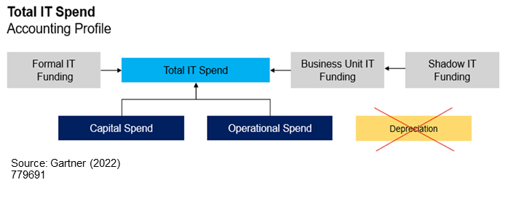
Function Capital and Operational Spending
What are your Enterprise IT’s Total IT Spending /Budget?

 | 2023 Budget | 2024 Budget

IT Capital Spending

IT Operational Spending
 |  |  |  | Total IT spending details are required to establish a baseline benchmark. All distributions will need to equal the totals.
IT Depreciation & Amortization Expenses

Total IT Spending/Budget | 0 | 0
(Capital + Operational)

Total IT Annual Cost | 0 | 0
(Operations/Production IT Spend)

IT Spend across Funding Categories
Please allocate your IT Spending across the following Funding Categories:

 | 2023 Budget | 2024 Budget

Formal IT Budget

Business Unit IT

Shadow IT

Total | 0 | 0

Target | 0 | 0

Remaining to allocate | 0 | 0

IT FTEs
Please allocate your IT FTEs across the following categories:

 | 2023 Budget | 2024 Budget

IT FTE Employees

IT FTE Contractors

Total | 0 | 0

© 2022 Gartner, Inc. and/or its affiliates. All rights reserved. Gartner is a registered trademark of Gartner, Inc. or its affiliates. This presentation, including all supporting materials, is proprietary to Gartner, Inc. and/or its affiliates and is for the sole internal use of the intended recipients. Because this presentation may contain information that is confidential, proprietary or otherwise legally protected, it may not be further copied, distributed or publicly displayed without the express written permission of Gartner, Inc. or its affiliates.

Strategic Spend
Launch Online Tool
 |  | IT Budget and IT Security Efficiency Benchmark Question Set

Prior to filling in any information, make sure you’re familiar with the Gartner Framework definitions. |  |  |  |  |  |  | Learn more about the Framework Definitions.
In this section we ask about the types of investments being made in IT. One categorization we use is called Run/Grow/Transform. The distribution of IT spending to run the business, grow the business and transform the business provides a view of the IT investment profile or “portfolio” to support business performance. In some industries, it is not uncommon to see a high “run” focus — typically because organizations in the industry are not planning strong changes in business model growth or high organic growth — which often translates into a more “cost center” role for IT in the industry or niche sector. We also have more specific questions about your investment in specific areas of IT along with your aspirations for how technology will affect your enterprise. In the budget tool itself you will be asked to match your investments with your aspirations e.g. which investments are key to driving which aspirations. This exercise can help sharpen business cases around these investments. For more detailed definitions click on the framework definitions link above.

 |  |  |  | 2020 | 2021 | 2022
STRATEGIC SPEND
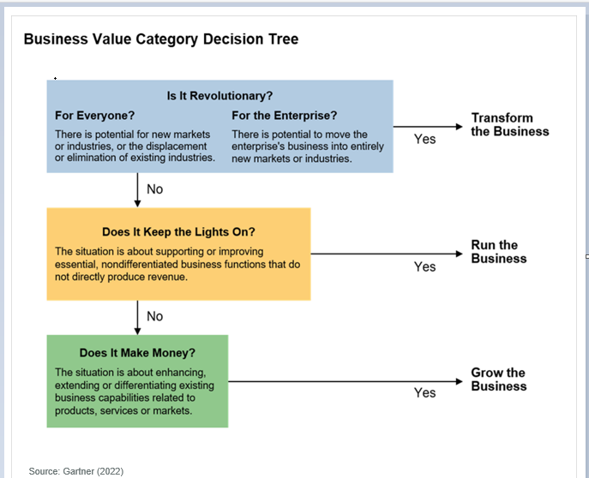
IT Spend across Strategic Categories
Please allocate your IT Spending across the following Strategic categories.

 |  | 2023 Budget | 2024 Budget

Run the Business

Grow the Business

Transform the Business

Total |  | 0 | 0

Target |  | 0 | 0

Remaining to allocate |  | 0 | 0

IT Investment Areas
Across your strategic investment portfolio (RGT), indicate if you are Increasing, Maintaining, or Decreasing IT spend in the following areas. (Indicate for all that apply)

 |  |  | No IT Spend | Increasing IT Spend |  | Maintaining IT Spend | Decreasing IT Spend
Customer experience (including website, ecommerce, mobile applications)
Digital workplace / work from home / collaboration tools
ERP / CRM / Core system improvements or transformation
Business intelligence / data analytics
Software development
APIs and development platforms
Cloud services and solutions (SaaS, PaaS, IaaS including distributed cloud)
Infrastructure and data center (including containerization and Kubernetes)
Security
Communication / Connectivity (including 5G)
Business continuity management
Internet of Things / Edge Computing
Process automation (including robotic process automation)
Artificial intelligence / machine learning
Blockchain / distributed ledger
Industry-Specific Solution
Other

Enterprise Aspirations
For Grow and Transform the business investments, which of the following business outcomes are targeted. (Check up to six options.)

 | New business models
 | New products or services
 | Improve existing revenue
 | Improve operating margin
 | Improve workforce productivity
 | Improve customer experience
 | Increase asset utilization
 | Reduce security and privacy risk
 | Reduce regulatory risk

Alignment of Investment Areas to Business Outcomes
Align your investment areas to expected business outcomes.
Note: only six business outcomes of the options selected in the above question will be displayed below as columns. For e.g.: if you select the first six business outcomes, the below question would look like:

© 2022 Gartner, Inc. and/or its affiliates. All rights reserved. Gartner is a registered trademark of Gartner, Inc. or its affiliates. This presentation, including all supporting materials, is proprietary to Gartner, Inc. and/or its affiliates and is for the sole internal use of the intended recipients. Because this presentation may contain information that is confidential, proprietary or otherwise legally protected, it may not be further copied, distributed or publicly displayed without the express written permission of Gartner, Inc. or its affiliates.

Technical Function Spend
Launch Online Tool
 | IT Budget and IT Security Efficiency Benchmark Question Set

Prior to filling in any information, make sure you’re familiar with the Gartner Framework definitions. |  |  |  |  |  |  | Learn more about the Framework Definitions.
This section covers IT Technical Function spending and all of its subcategories. This tab itself along with each subcategory is optional. If you enter data for one item in each section you must complete the section. For example if you enter spending for "Infrastructure" in the IT Functional Spending section, you must also enter data for Governance and Service Management, Applications, and End User Support. The sum of the spending should equal Total IT Spending from the Total IT Tab. If you enter Spending in the "Spend by Infrastructure" section below, you must also enter data for "Data Center". The sum of spending in the Infrastructure section should equal the Infrastructure cell in the IT Functional Spending section. For more detailed definitions click on the framework definitions link above.

 |  |  | 2021 | 2022 | 2023
TECHNICAL FUNCTION SPEND
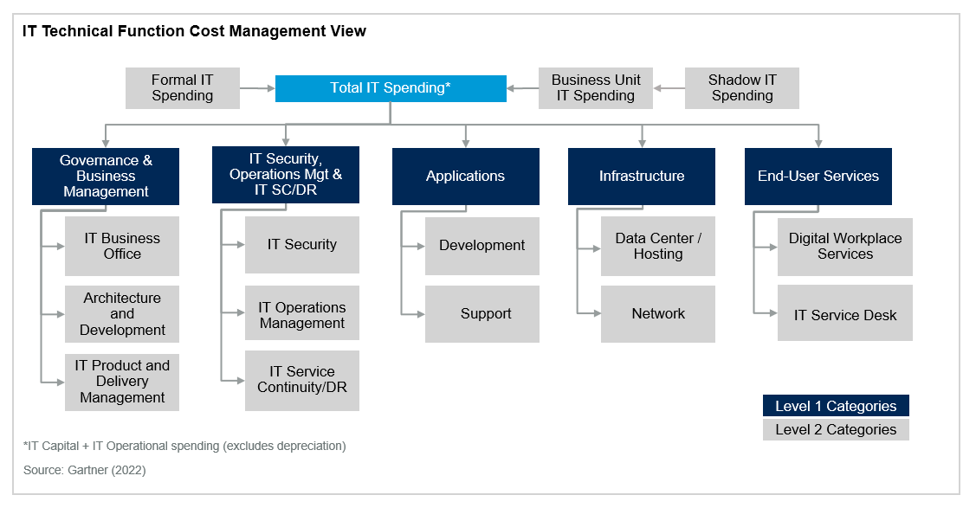
Spend by IT Functional Areas
Please distribute your IT Spending across the following Technical Functions:

 | 2023 Budget | 2024 Budget

Governance and Business Management

IT Security , Operations Mgt , SC/DR

Applications

Infrastructure

End-User Services

Total | 0 | 0

Target | 0 | 0

Remaining to allocate | 0 | 0

Spend by Governance & Business Management Categories
Do you want to see the breakdown for Governance and Business Management? |  |  |  |  | Yes |  | No

Please distribute your Governance & Business Management spend into the following categories.
 | 2023 Budget | 2024 Budget

IT Business Office

Architecture and Development

IT Product and Delivery Management

Total | 0 | 0

Target | 0 | 0

Remaining to allocate | 0 | 0

Spend by IT Security, Operations Mgt, SC/DR Categories
Do you want to see the breakdown for IT Security, Operations Mgt, SC/DR? |  |  |  | Yes |  | No

Please distribute your IT Security, Operations Mgt, SC/DR spend into the following categories.
 | 2023 Budget | 2024 Budget

IT Security

IT Operations Management

IT Service Continuity/Disaster Recovery

Total | 0 | 0

Target | 0 | 0

Remaining to allocate | 0 | 0

Spend by Applications
Do you want to see the breakdown for Applications? |  |  |  |  | Yes |  | No

Please distribute your Applications spend into the following categories.
 | 2023 Budget | 2024 Budget

Development

Support

Total | 0 | 0

Target | 0 | 0

Remaining to allocate | 0 | 0

Spend by Infrastructure
Do you want to see the breakdown for Infrastructure? |  |  |  |  | Yes |  | No

Please distribute your Infrastructure spend into the following categories.
 | 2023 Budget | 2024 Budget

Data Center

Network

Total | 0 | 0

Target | 0 | 0

Remaining to allocate | 0 | 0

Spend by End-User Services
Do you want to see the breakdown for End-User Services? |  |  |  |  | Yes |  | No

Please distribute your End-User Services spend into the following categories.
 | 2023 Budget | 2024 Budget

Digital Workplace Services

IT Service Desk

Total | 0 | 0

Target | 0 | 0

Remaining to allocate | 0 | 0

© 2022 Gartner, Inc. and/or its affiliates. All rights reserved. Gartner is a registered trademark of Gartner, Inc. or its affiliates. This presentation, including all supporting materials, is proprietary to Gartner, Inc. and/or its affiliates and is for the sole internal use of the intended recipients. Because this presentation may contain information that is confidential, proprietary or otherwise legally protected, it may not be further copied, distributed or publicly displayed without the express written permission of Gartner, Inc. or its affiliates.

Asset Spend
Launch Online Tool
 | IT Budget and IT Security Efficiency Benchmark Question Set

Prior to filling in any information, make sure you’re familiar with the Gartner Framework definitions. |  |  |  |  |  |  | Learn more about the Framework Definitions.
This section covers IT Asset spending and all of its subcategories. This tab itself along with each subcategory is optional. If you enter data for one item in each section you must complete the section. For example if you enter spending for "Software" in the top level IT Asset Spending section, you must also enter data for Hardware, Personnel and External Services. The sum of the spending should equal Total IT Spending from the Total IT Tab. If you enter Spending in the "Software Spend" section below, you must also include any spending that would be relevant for the for "Software as a Service" section unless you have none. The sum of spending in the Software section should equal the Software cell in the IT Asset section. For more detailed definitions click on the framework definitions link above.

 |  |  | 2021 | 2022 | 2023
ASSET SPEND

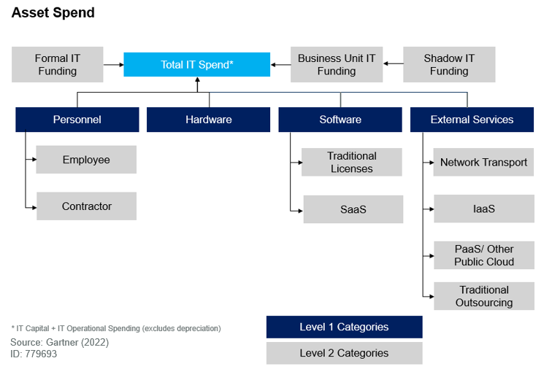
Technology Expenses
Please distribute your Total IT Spend into the following Asset categories:

 | 2023 Budget | 2024 Budget

Personnel

Hardware

Software

External Services

Total | 0 | 0

Target | 0 | 0

Remaining to allocate | 0 | 0

Personnel Spend
Do you want to see the breakdown for Personnel Spend? |  |  |  | Yes |  | No

Please distribute your Personnel spend into the following categories:
 | 2023 Budget | 2024 Budget

Personnel Salaries & Benefits spend on Internal IT FTEs

Personnel spend on Contractor IT FTEs

Total | 0 | 0

Target | 0 | 0

Remaining to allocate | 0 | 0

Software Spend
Do you want to see the breakdown for Software Spend? |  |  |  |  | Yes | No

Please distribute your Software spend into the following categories:
 | 2023 Budget | 2024 Budget

Traditional Software

SaaS

Total | 0 | 0

Target | 0 | 0

Remaining to allocate | 0 | 0

External Services Spend
Do you want to see the breakdown for External Services Spend? |  |  |  | Yes |  | No

Please distribute your External Services spend into the following categories.
 | 2023 Budget | 2024 Budget

Transport

IaaS

PaaS/Other Public Cloud

Traditional Outsourcing

Total | 0 | 0

Target | 0 | 0

Remaining to allocate | 0 | 0

© 2022 Gartner, Inc. and/or its affiliates. All rights reserved. Gartner is a registered trademark of Gartner, Inc. or its affiliates. This presentation, including all supporting materials, is proprietary to Gartner, Inc. and/or its affiliates and is for the sole internal use of the intended recipients. Because this presentation may contain information that is confidential, proprietary or otherwise legally protected, it may not be further copied, distributed or publicly displayed without the express written permission of Gartner, Inc. or its affiliates.

Technical Function Staff
Launch Online Tool
 |  | IT Budget and IT Security Efficiency Benchmark Question Set

Prior to filling in any information, make sure you’re familiar with the Gartner Framework definitions. |  |  |  |  | Learn more about the Framework Definitions.
This section covers IT Technical Function staffing and all of its subcategories. This tab itself along with each subcategory is optional. If you enter data for one item in each section you must complete the section. For example if you enter staffing for "Infrastructure" in the IT Functional Spending section, you must also enter staffing for Governance and Service Management, Applications, and End User Support. The sum of the staffing should equal Total IT Staffing from the Total IT Tab. If you enter Staffing in the "Staff by Infrastructure" section below, you must also enter staff for "Data Center". The sum of staffing in the Infrastructure section should equal the Infrastructure cell in the IT Functional Staffing section. For more detailed definitions click on the framework definitions link above.

TECHNICAL FUNCTION STAFF

IT Staff Allocation
Please allocate your IT staffing across the following IT Technical Functions:

 |  | 2023 FTEs | 2024 FTEs

Governance and Business Management

IT Security , Operations Mgt , SC/DR

Applications

Infrastructure

End-User Services

 | Total | 0.00 | 0.00

Target |  | 0.00 | 0.00

Remaining to allocate |  | 0.00 | 0.00

Governance & Business Management Staff Allocation
Do you want to see the breakdown for Governance & Business Management Staff Allocation? |  |  |  | Yes | No

Please distribute your Governance & Business Management staff into the following categories.
 |  | 2023 FTEs | 2024 FTEs

IT Business Office

Architecture and Development

IT Product and Delivery Management

Total |  | 0.00 | 0.00

Target |  | 0.00 | 0.00

Remaining to allocate |  | 0.00 | 0.00

IT Security, Operations Mgt, SC/DR Staff Allocation
Do you want to see the breakdown for IT Security, Operations Mgt, SC/DR Staff Allocation? |  |  |  | Yes | No

Please distribute your IT Security, Operations Mgt, SC/DR staff into the following categories.
 |  | 2023 FTEs | 2024 FTEs

IT Security

IT Operations Management

IT Service Continuity/Disaster Recovery

Total |  | 0.00 | 0.00

Target |  | 0.00 | 0.00

Remaining to allocate |  | 0.00 | 0.00

Applications Staff Allocation
Do you want to see the breakdown for Applications Staff Allocation? |  |  |  | Yes | No

Please distribute your Applications staff into the following categories.
 |  | 2023 FTEs | 2024 FTEs

Development

Support

Total |  | 0.00 | 0.00

Target |  | 0.00 | 0.00

Remaining to allocate |  | 0.00 | 0.00

Infrastructure Staff Allocation
Do you want to see the breakdown for Infrastructure Staff Allocation? |  |  |  | Yes | No

Please distribute your Infrastructure staff into the following categories.
 |  | 2023 FTEs | 2024 FTEs

Data Center

Network

Total |  | 0.00 | 0.00

Target |  | 0.00 | 0.00

Remaining to allocate |  | 0.00 | 0.00

End-User Services Staff Allocation
Do you want to see the breakdown for End-User Services Staff Allocation? |  |  |  | Yes | No

Please distribute your End-User Services staff into the following categories.
 |  | 2023 FTEs | 2024 FTEs

Digital Workplace Services

IT Service Desk

Total |  | 0.00 | 0.00

Target |  | 0.00 | 0.00

Remaining to allocate |  | 0.00 | 0.00

© 2022 Gartner, Inc. and/or its affiliates. All rights reserved. Gartner is a registered trademark of Gartner, Inc. or its affiliates. This presentation, including all supporting materials, is proprietary to Gartner, Inc. and/or its affiliates and is for the sole internal use of the intended recipients. Because this presentation may contain information that is confidential, proprietary or otherwise legally protected, it may not be further copied, distributed or publicly displayed without the express written permission of Gartner, Inc. or its affiliates.

IT Security
Launch Online Tool
 |  | IT Budget and IT Security Efficiency Benchmark Question Set

Prior to filling in any information, make sure you’re familiar with the Gartner Framework definitions. |  |  |  |  |  |  |  | Learn more about the Framework Definitions.
This section covers IT Security spending and staffing. This tab itself along with each subcategory is optional. This section allows you to provide a more granular view of the IT Security Spending and Staffing in the Technical Function Spend and the Technical Function Staff tabs. Note that IT Security Spending is subset of total IT Spending that is collected in the "Total IT tab". IT Security management is the discipline of designing, implementing and maturing security practices to protect critical business processes and IT assets across the enterprise. It covers. Operational Infrastructure Security, Vulnerability Management and Security Analytics, Application Security and Governance, Risk, and Compliance Management. For more detailed definitions click on the IT Security framework definitions link above.

 |  |  |  |  | 2021 | 2022 | 2023
IT SECURITY
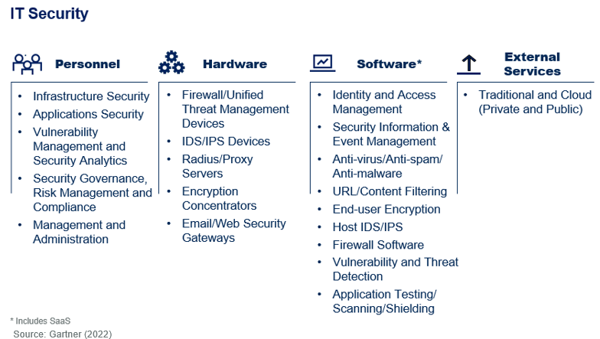
Total IT Security Spend
What is your Total IT Security Spending?

 |  | 2023 Budget |  | 2024 Budget

IT Security Budget

Type of Organizations
Which of the following types or organizations contribute to your IT Security Spending?

 | IT Organization
 | CISO Organization that is a part of IT Organization
 | Corporate Risk Management Organization
 | Shared Services/Corporate IT Organization (if one exists in addition to a local IT organization)
 | CISO Organization that is not a part of IT Organization

IT Security Spending Distribution
Please allocate your IT Security Spending across the following Asset categories.

 |  | 2023 Budget |  | 2024 Budget

Security Personnel

Security Hardware

Security Software

Security External Services

Total |  | 0 |  | 0

Target |  | 0 |  | 0

Remaining to allocate |  | 0 |  | 0

IT Security Spend by Operation
Please allocate your IT Security Spending across the following Operation Categories:

 |  | 2023 Budget |  | 2024 Budget

IT Operational Infrastructure Security

Vulnerability Management and Security Analytics

Application Security

Governance, Risk, and Compliance Management

Total |  | 0 |  | 0

Target |  | 0 |  | 0

Remaining to allocate |  | 0 |  | 0

Operational Infrastructure Security Spend Allocation
Please allocate your Operational Infrastructure Security Spending across the following Tasks:

 |  | 2023 Budget |  | 2024 Budget

Identity / Access Management

Network Security

End Point Security

Data Security

Total |  | 0 |  | 0

Target |  | 0 |  | 0

Remaining to allocate |  | 0 |  | 0

Organization's Risk Profile
Which best describes the markets your enterprise operates in?

Which best describes your volume of business transacted online?

Which best describes the volatility of your corporate portfolio in terms of the level of acquisitions and divestiture activity?

Which best describes the use of regulated or otherwise sensitive personal data?

Which best describes the regulatory burden on your business with security implications?

Which best describes your organization's dependence on intellectual property developed through research and development efforts?

Total IT Security FTEs
How many IT Security FTEs are there in your organization?

 |  | 2023 FTEs |  | 2024 FTEs

Total IT Security FTEs

Percentage of IT Security FTEs as Contractors
Please provide the percentage of IT Security FTEs that are Contractors.

 |  | 2023 FTEs |  | 2024 FTEs

Contractor FTEs % |  |  | % |  | %

IT Security FTEs by Operation
Please allocate your IT Security FTEs across the following Operations:

 |  | 2023 FTEs |  | 2024 FTEs

IT Operational Infrastructure Security

Vulnerability Management and Security Analytics

Application Security

Governance, Risk, and Compliance Management

Total |  | 0.00 |  | 0.00

Target |  | 0.00 |  | 0.00

Remaining to allocate |  | 0.00 |  | 0.00

Operational Infrastructure Security FTEs by Tasks
Please allocate your Operational Infrastructure Security FTEs across the following Tasks:

 |  | 2023 FTEs |  | 2024 FTEs

Identity / Access Management

Network Security

End Point Security

Data Security

Total |  | 0.00 |  | 0.00

Target |  | 0.00 |  | 0.00

Remaining to allocate |  | 0.00 |  | 0.00

© 2022 Gartner, Inc. and/or its affiliates. All rights reserved. Gartner is a registered trademark of Gartner, Inc. or its affiliates. This presentation, including all supporting materials, is proprietary to Gartner, Inc. and/or its affiliates and is for the sole internal use of the intended recipients. Because this presentation may contain information that is confidential, proprietary or otherwise legally protected, it may not be further copied, distributed or publicly displayed without the express written permission of Gartner, Inc. or its affiliates.

