Sheet1
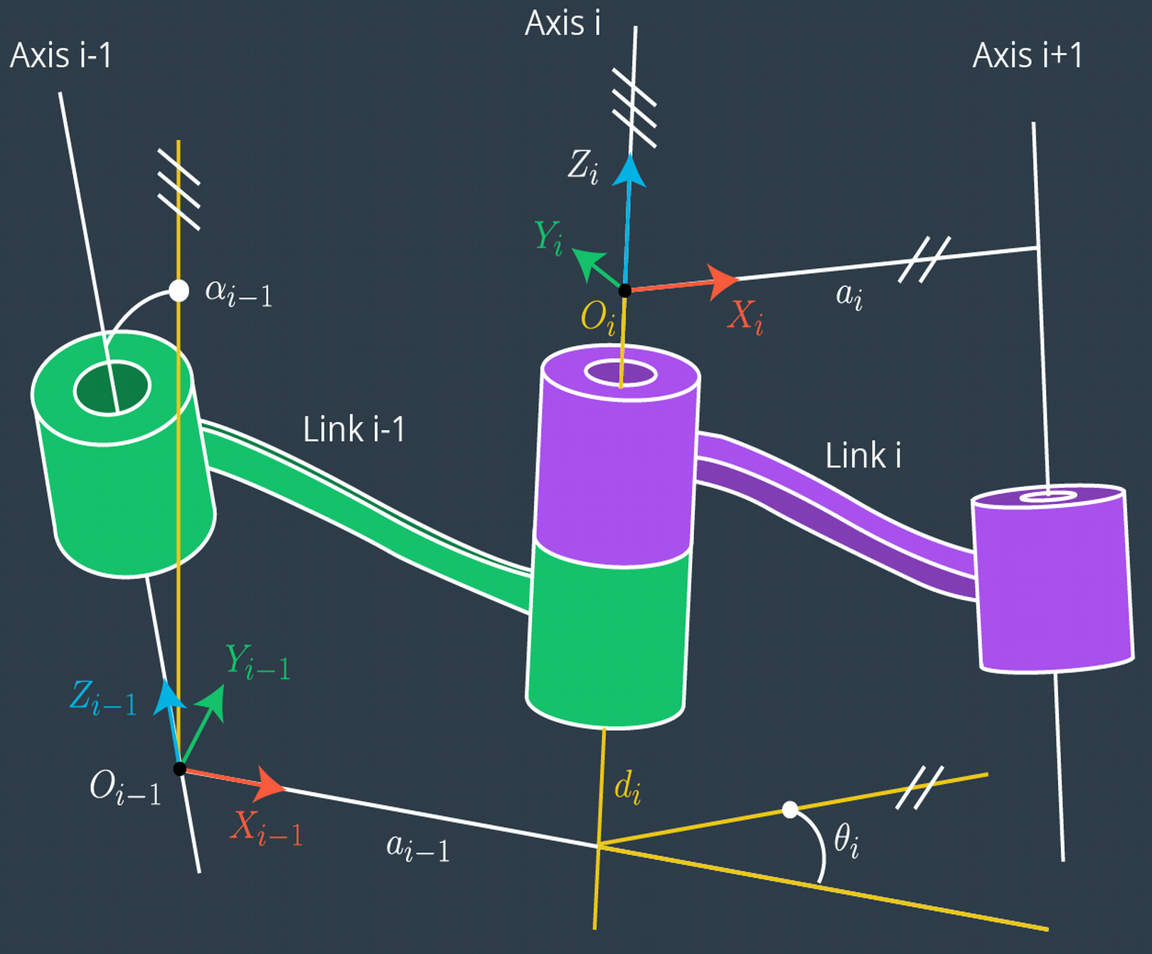
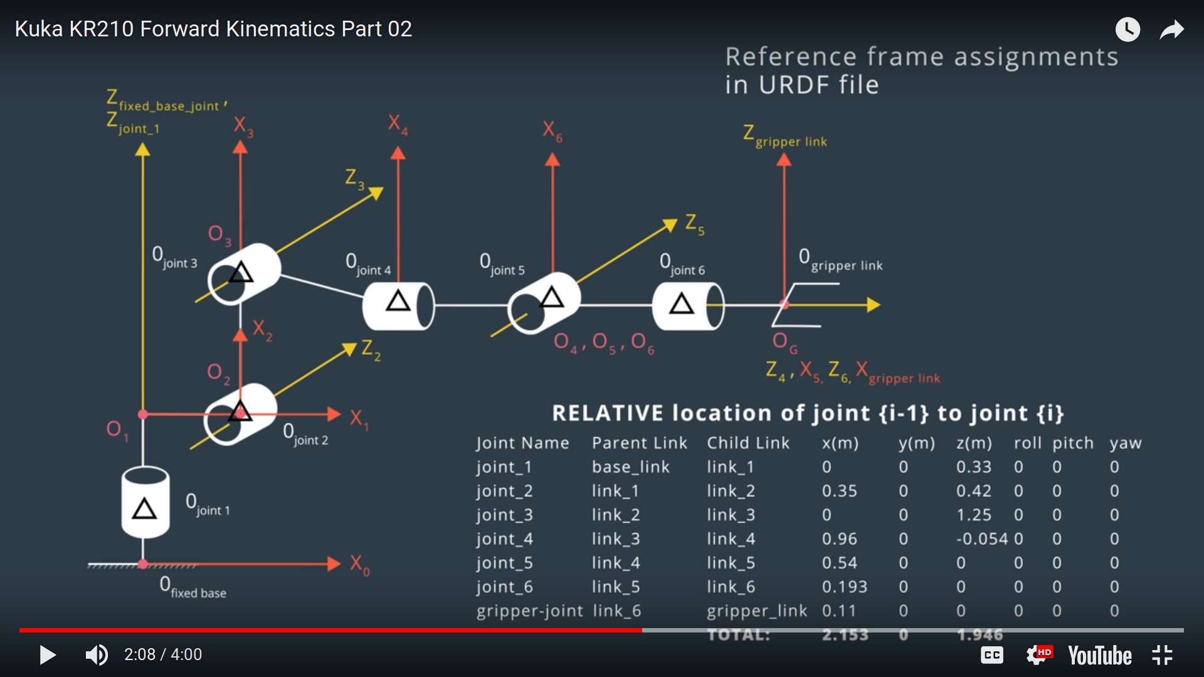
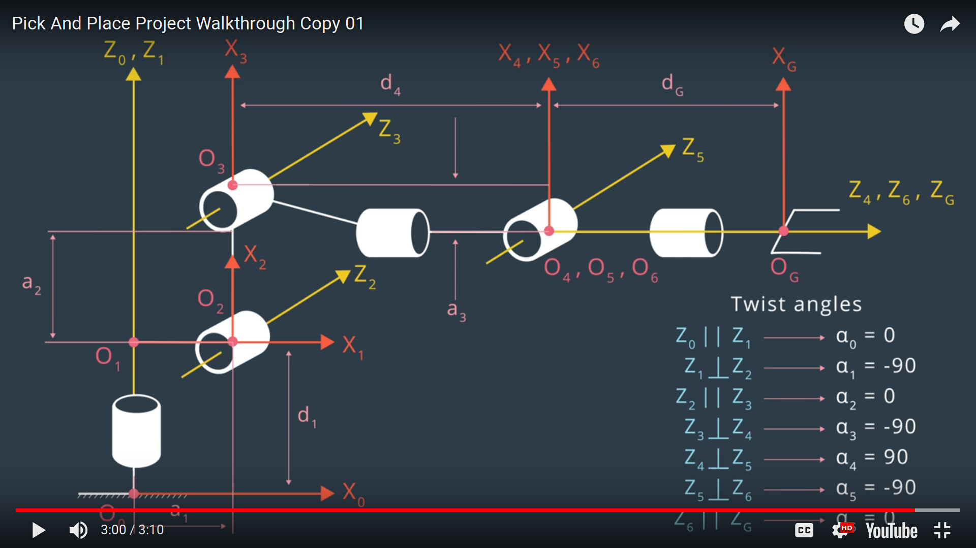
 |  | Relation? | Twist angle from Zi-1 to Zi about Xi-1 | Link length from Zi-1 to Zi along Xi-1 where Xi-1 ⟂ to both Z | Link offset signed offset from Oi-1 to Oi along Zi. (Var for prismatic) | Joint angle from Xi-1 to Xi around Zi (Var for revolute)
Joint i | T i>i-1 | Zi-1 > Zi | α (i-1) | a (i-1) | d (i) | θ (i)
0
1 | T1>0 | colin | 0 | 0 | 0.33 + 0.42 | Θ1
2 | T2>1 | ⟂ | -90 | 0.35 | 0 | Θ2-90
3 | T3>2 | ∥ | 0 | 1.25 | 0 | Θ3
4 | T4>3 | inter | -90 | -0.054 | 0.96 + 0.54 | Θ4
5 | T5>4 | inter | 90 | 0 | 0 | Θ5
6 | T6>5 | inter | -90 | 0 | 0 | Θ6
G | TG>6 |  |  | 0 | 0 .193 + 0.11
 |  |  |  |  |  | ⟂
 |  |  |  |  |  | ∥

