Sheet1
 |  |  |  |  |  | 9.9.2013 Monday 23:35:10

 | Panel Module |  |  | Top Hashtags

Query Date |  | 8 August 2013 (Whole Day)

Group Name |  | MyGroup

Keyword(s) |  | Ankara | Istanbul | geziparki | keyword

GRAPH

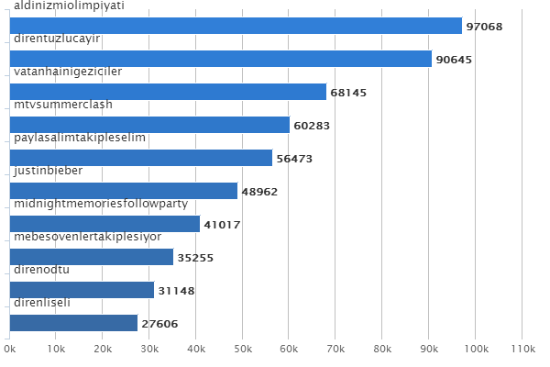

 |  |  | DATAGRID

 |  | Order | Hashtag |  |  | Hits
 |  | 1 | aldinizmiolimpiyati |  |  | 97068
 |  | 2 | direntuzlucayir |  |  | 90645
 |  | 3 | vatanhainigeziciler |  |  | 68145
 |  | 4 | mtvsummerclash |  |  | 60283
 |  | 5 | paylasalimtakipleselim |  |  | 56473
 |  | 6 | justinbieber |  |  | 48962
 |  | 7 | midnightmemoriesfollowparty |  |  | 41017
 |  | 8 | mebesovenlertakiplesiyor |  |  | 35255
 |  | 9 | direnodtu |  |  | 31148
 |  | 10 | direnliseli |  |  | 27606

This report automatically generated by soRate.

