Sheet1
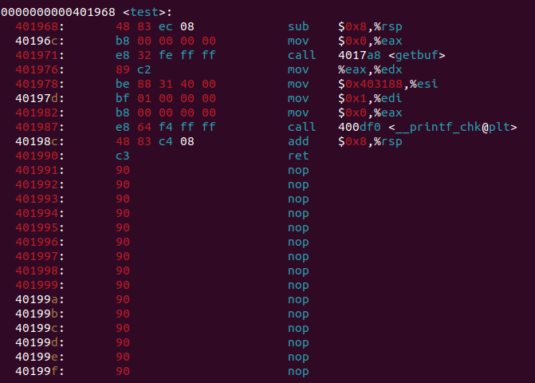

 |  | test: %rsp

 | test：return address

1 void test() 2 { 3 int val; 4 val = getbuf(); 5 printf("No exploit. Getbuf returned 0x%x\n", val); 6 }

 |  | getbuf:%rsp | sub $0x28(40),%rsp

