Sheet1
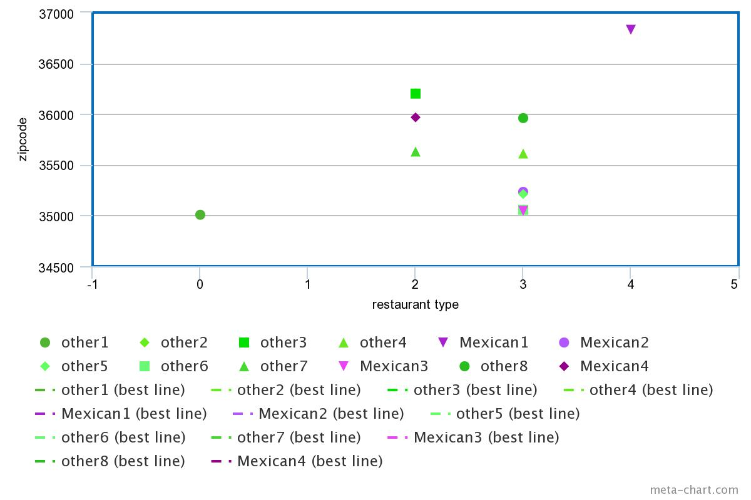
Address | Zipcode | Type | State
Je Irausquin Blvd | 99553 | Mexican | Ak
3006 Mountain View Dr | 99553 | Other | ak
 | 99501 | Other | ak
3300 Old Seward Hwy | 99503 | Other | ak
610 W 6th Ave | 99501 | Other | Ak
 | 99518 | Mexican | ak
8825 Old Seward Hwy | 99515 | chain | ak

Cengiz Topel Cad No4/a Bostanl | 35540 | other | AL
450 Colonial Promenade Pkwy | 35007 | chain | AL
1529 Greenbrier Dear Rd | 36207 | chain | AL
 | 36206 | Mexican | AL
 | 36201 | other | AL
 | 35611 | chain | AL
 | 35611 | chain | AL
 | 35611 | mexican/other | al
 | 36830 | other | AL
 | 36832 | other | al
 | 36830 | other | AL
 | 36832 | chain | AL
 | 36832 | chain | AL
 | 35020 | chain | AL
 | 35233 | Mexican | AL
 | 35203 | Mexican | al
 | 35233 | Mexican | al
 | 35211 | chain | al
 | 35960 | chain | AL
 | 35042 | chain | al
 | 35043 | chain | AL
 | 35044 | chain | al
 | 35045 | chain | AL
 | 35045 | Mexican | Al
 | 35045 | chain | AL
 | 35051 | chain | AL
 | 35055 | chain | AL
 | 35056 | other | Al
 | 36526 | other | AL
 | 36732 | other | AL
 | 36303 | other | al
 | 36303 | other | AL
 | 36532 | Mexican | AL
 | 35630 | Mexican | AL
 | 35967 | other | AL
 | 36744 | other | Al
Mexican vs Non Mexican Restaurants
Zipcode | Restaurant Type
99501 | Other
99505 | Other
99515 | Other
99504 | Other
99518 | Mexican
99553 | Mexican
99501 | Other

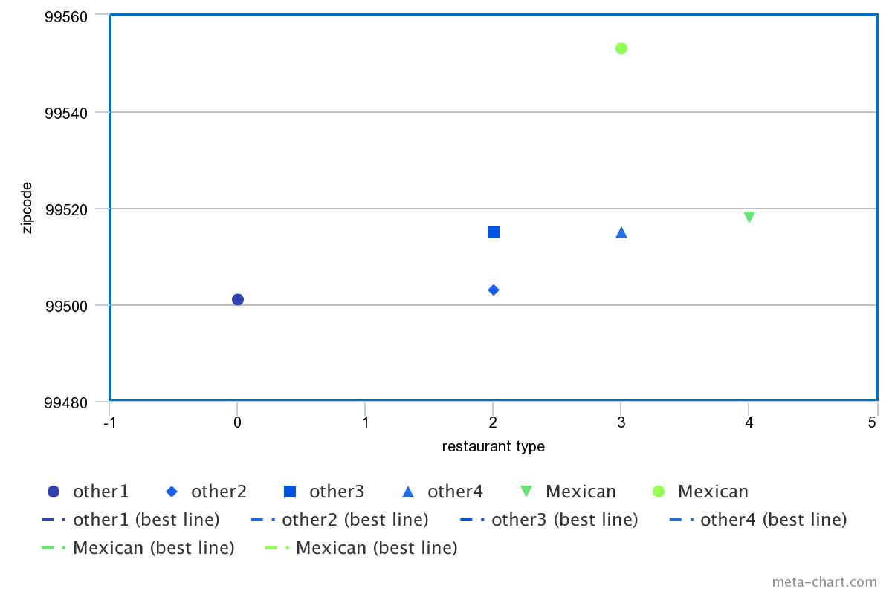

Mexican vs Non Mexican Restaurants in Alabama

