Tasks
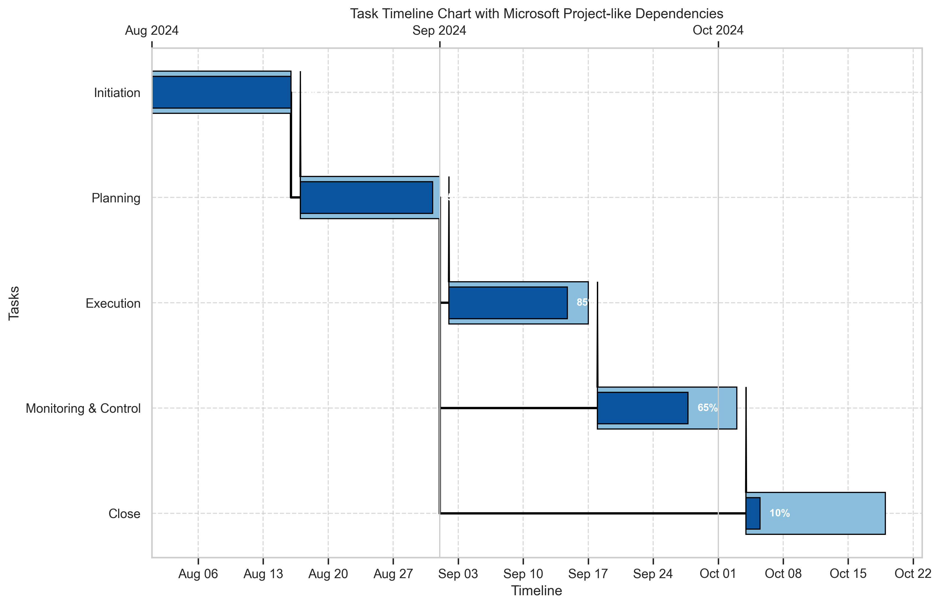
Task Number | Task Description | Start Date | End Date | % Complete | Dependency
1 | Initiation | 2024-08-01 | 2024-08-16 | 100
2 | Planning | 2024-08-17 | 2024-09-01 | 95 | 1
3 | Execution | 2024-09-02 | 2024-09-17 | 85 | 2
4 | Monitoring & Control | 2024-09-18 | 2024-10-03 | 65 | 2
5 | Close | 2024-10-04 | 2024-10-19 | 10 | 2

