Revision
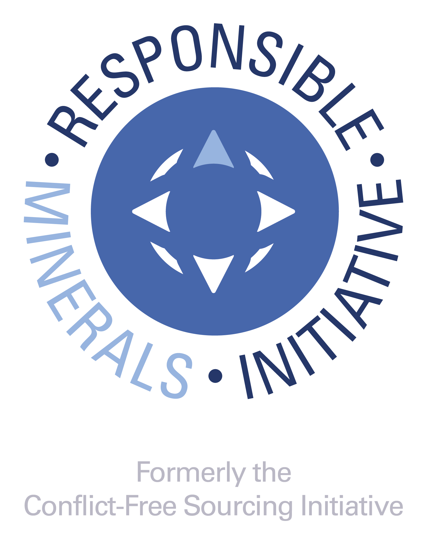
DOCUMENT TITLE
Extended Mineral Reporting Template
SHEET
1 of 8

REVISION HISTORY
• A change in the first digit of the revision number (e.g., 1.0 to 2.0) signifies that a set of major improvements have occurred and would likely include different data reporting requirements. • Changes to the first decimal places (2.10 to 2.20) indicate that minor changes have been made to the template and are not expected to result in substantial changes to the data being reported. • Changes to the second decimal places (2.10 to 2.11) indicates an even more minor change, for example an update to the smelter reference list • Changes to alpha characters (e.g., "a", or "b", or "c") following the revision number indicates that the version is an alpha or a beta version; these only appear on pre-released versions and would be dropped once the version is released to the public. A version with a letter (post version 4.xx) should not be used in commerce. RMI recommends that companies reject these versions as they are pre-release and could contain errors or other inconsistencies which could impact the accuracy of the data.

REVISION | ORIGINATOR | RELEASE DATE | DESCRIPTION OF FUNCTIONAL CHANGE | UPDATES TO SMELTER LIST
1.0 | RMI | 2021-10-20 | Version 1.0: The Extended Mineral Reporting Template is the updated and renamed Cobalt Reporting Template that incorporates mica within its scope. This includes updates to the Declaration tab in line with the IPC-1755A October 2021 amendment. | This version incorporates changes to the standard smelter list for cobalt and includes the standard smelter list for mica as of July 28, 2021. The latest version of the Standard Smelter List is available at: https://www.responsiblemineralsinitiative.org/smelters-refiners-lists/smelter-reference-lists-export/
1.01 | RMI | 2021-11-23 | 1. Minor revisions to correct reported issues including those related to the “Declaration”, "Checker" and "Smelter List" tabs, and Chinese and Korean translations. | This version incorporates changes to the standard smelter list for cobalt and includes the standard smelter list for mica as of July 28, 2021. The latest version of the Standard Smelter List is available at: https://www.responsiblemineralsinitiative.org/smelters-refiners-lists/smelter-reference-lists-export/
1.02 | RMI | 2021-12-23 | 1. Minor revisions to correct reported issues for Chinese translations. | This version incorporates changes to the standard smelter list for cobalt and includes the standard smelter list for mica as of July 28, 2021. The latest version of the Standard Smelter List is available at: https://www.responsiblemineralsinitiative.org/smelters-refiners-lists/smelter-reference-lists-export/
1.1 | RMI | 2022-10-14 | 1. Corrections to all bugs and errors 2. Enhancements which do not conflict with IPC-1755A such as the activation of filter/search function in the Smelter List tab. a. Update to ISO short names for countries, states / provinces 3. Updates to the Smelter Reference List and Standard Smelter List | This version incorporates changes to the standard smelter lists for cobalt and mica as of July 25, 2022. The latest version of the Standard Smelter List is available at: https://www.responsiblemineralsinitiative.org/smelters-refiners-lists/smelter-reference-lists-export/
1.11 | RMI | 2022-11-04 | 1. Minor revisions to correct reported issues including those related to the "Declaration" tab, and Chinese translations. | This version incorporates changes to the standard smelter lists for cobalt and mica as of July 25, 2022. The latest version of the Standard Smelter List is available at: https://www.responsiblemineralsinitiative.org/smelters-refiners-lists/smelter-reference-lists-export/
1.2 | RMI | 2023-05-12 | 1. Corrections to all bugs and errors. 2. Updates to the Smelter Reference List and Standard Smelter List. | This version incorporates changes to the standard smelter lists for cobalt and mica as of March 27, 2023. The latest version of the Standard Smelter List is available at: https://www.responsiblemineralsinitiative.org/smelters-refiners-lists/smelter-reference-lists-export/
1.3 | RMI | 2024-04-26 | 1. Corrections to all bugs and errors 2. Updates to highlighting on the Smelter List tabs. 3. Updates to Smelter Reference List and Standard Smelter List 4. Added German translation to file. | This version incorporates changes to the standard smelter lists for cobalt and mica as of February 28, 2024. The latest version of the Standard Smelter List is available at: https://www.responsiblemineralsinitiative.org/facilities-lists/smelter-reference-lists-export/
2.0 | RMI | 2025-04-25 | 1. Addition of four new minerals: copper, graphite (natural), lithium, and nickel. 2. Added Mine List tab. 3. Updates to Smelter Reference List and Standard Smelter List | This version incorporates changes to the smelter list as reflected in the Standard Smelter List as of March 5, 2025. The latest version of the Standard Smelter List is available at: https://www.responsiblemineralsinitiative.org/facilities-lists/smelter-reference-lists-export/
2.1 | RMI | 2025-10-17 | 1. Corrections to all bugs and errors 2. Added notice of Select Minerals/Metals in Scope 3. Change to Product List to include "Requestor's Product Number" and "Requestor's Product Name" 4. Updates to the Smelter List and Mine List tabs 5. Updates to Smelter Reference List and Standard Smelter List | This version incorporates changes to the smelter list as reflected in the Standard Smelter List as of September 5, 2025. The latest version of the Standard Smelter List is available at: https://www.responsiblemineralsinitiative.org/facilities-lists/smelter-reference-lists-export/
2.11 | RMI | 2026-04-17 | 1. Enhancements which do not conflict with IPC-1755 a. Update to ISO short names for countries, states / provinces 2. Corrected date input issue on Declaration tab 3. Updates to Smelter Reference List and Standard Smelter List | This version incorporates changes to the smelter list as reflected in the Standard Smelter List as of March 11, 2026. The latest version of the Standard Smelter List is available at: https://www.responsiblemineralsinitiative.org/facilities-lists/smelter-reference-lists-export/
© 2026 Responsible Minerals Initiative. All rights reserved.

Mine List
 | TO BEGIN:
 | Step 1. Select Metal in column A Step 2. Select Name of Smelter(s) sourcing from this Mine facility in column B Step 3. Enter Mine Facility (Site) Name in column C Step 4. Enter Mine Identification (e.g. CID) and Source of Identification in columns D and E, if available Step 5. Select Country in column F Step 6. Enter all available smelter information in columns G through M |  |  |  © 2026 Responsible Minerals Initiative. All rights reserved. |  |  |  |  |  |  |  | Revision 2.11 April 17, 2026
Metal | Name of Smelter(s) sourcing from this Mine Facility | Mine Facility (Site) Name | Mine Identification (e.g. CID) | Source of Mine Facility Identification Number | Mine Facility Country | Mine Facility Street | Mine Facility City | Mine Facility Location: State / Province | Mine Facility Contact Name | Mine Facility Contact Email | Proposed next steps | Comments
...

