Declaration
 | Additional Minerals Reporting Template (AMRT)
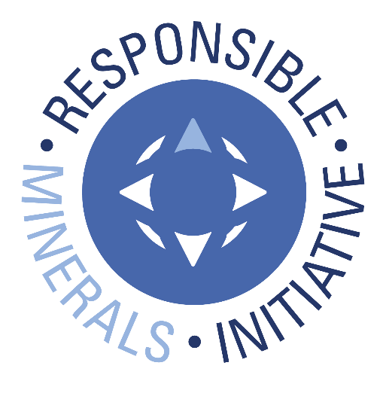 Select Language Preference Here: 请选择你的语言: 사용할 언어를 선택하시오 : 表示言語をここから選択してください: Sélectionner la langue préférée ici: Wählen sie hier die Sprache: | English |  | Revision 1.31 April 17, 2026
The purpose of this document is to collect sourcing information on minerals/metals used in products.

Mandatory fields are noted with an asterisk (*). Consult the instructions tab for guidance on how to answer each question.
Company Information
Company Name (*):
Declaration Scope or Class (*):
Description of Scope:

Select Minerals/Metals in Scope (up to a maximum of 10)(*): This Declaration can include up to 10 minerals or metals. If mineral or metal doesn't appear on the list, select "Other".

Note: The minerals entered here are reflected in questions 1-2 and will be sorted in alphabetical order. Please ensure that the answers match the intended minerals.
If you selected "Other" in previous question, please specify which other minerals/metals are in scope:

Company Unique ID:
Company Unique ID Authority:
Address:
Contact Name (*):
Email – Contact (*):
Phone – Contact (*):
Authorizer (*):
Title - Authorizer:
Email - Authorizer (*):
Phone - Authorizer:
Effective Date (*):

Answer the following questions 1 - 2 based on the declaration scope indicated above
1) Is any of the following minerals or metals intentionally added or used in the product(s) or in the production process? (*) | Answer | Comments

2) What percentage of relevant suppliers have provided a response to your supply chain survey? | Answer | Comments

© 2026 Responsible Minerals Initiative. All rights reserved.

Smelter List
 | TO BEGIN:
 | Option A: If you know the Smelter Identification Number, input the number in Column A (columns B, C, E, F, G, I and J will auto-populate); D will grey out. Option B: If you have a Metal and Smelter Look-up name combination, complete the following steps: Step 1. Select Metal in column B Step 2. Select from dropdown in column C Option C: If you have minerals and Smelter Name combination, complete the following steps: Step 1. Select Minerals in column B Step 2: Select "Smelter Not Listed" in the Smelter Look-up drop down and complete columns D & E Step 3. Enter all available smelter information in columns H through Q (*) Mandatory fields are noted with an asterisk. (1) Entry required when Smelter Look-up = "Smelter Not Listed" NOTE: A combination of Options A, B and C may be used to complete the Smelter List. Do not alter autopopulated cells. All errors in the Smelter Look-up should be reported to RBA by contacting RMI@ResponsibleBusiness.org. |  |  |  © 2026 Responsible Minerals Initiative. All rights reserved. |  |  |  |  |  |  |  |  |  |  |  | Revision 1.31 April 17, 2026
Smelter Identification Number Input Column | Metal (*) | Smelter Look-up (*) | Smelter Name (*) | Smelter Country (*) | Smelter Identification | Source of Smelter Identification Number | Smelter Street | Smelter City | Smelter Facility Location: State / Province | Smelter Contact Name | Smelter Contact Email | Proposed next steps | Name of Mine(s) or if recycled or scrap sourced, enter "recycled" or "scrap" | Location (Country) of Mine(s) or if recycled or scrap sourced, enter "recycled" or "scrap" | Does 100% of the smelter’s feedstock originate from recycled or scrap sources? | Comments
...

