I2S
I2Sx_CTRL1 (Base_Adr + 0x00)
Bit | REGISTER | Reset value | type | Description
15:9 | Reserved | 0x00 | resd | Forced to be 0
8 | I2SEN | 0x00 | rw | I2S enable 0 : DISABLE 1: Enable
7:6 | OPERSEL | 0x00 | rw | I2S operation mode select 00 : slave device transmission mode 01: slave device reception mode 10 : master device transmission mode 11 : master device repection mode |  | 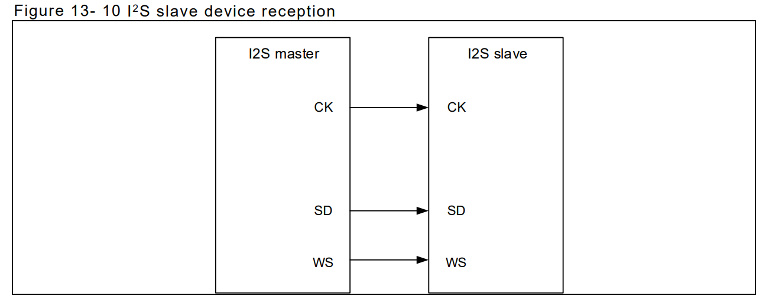 | 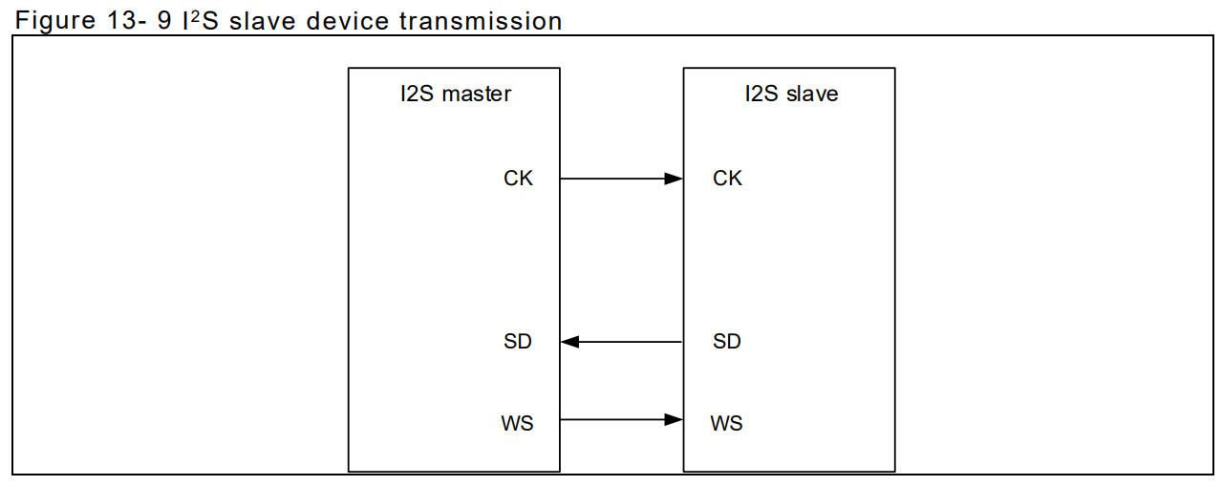
5:4 | STDSEL | 0x00 | rw | I2S standard select 00: Philips standard 01: MSB-aligned standard (left-aligned) 10: LSB-aligned standard (right-aligned)
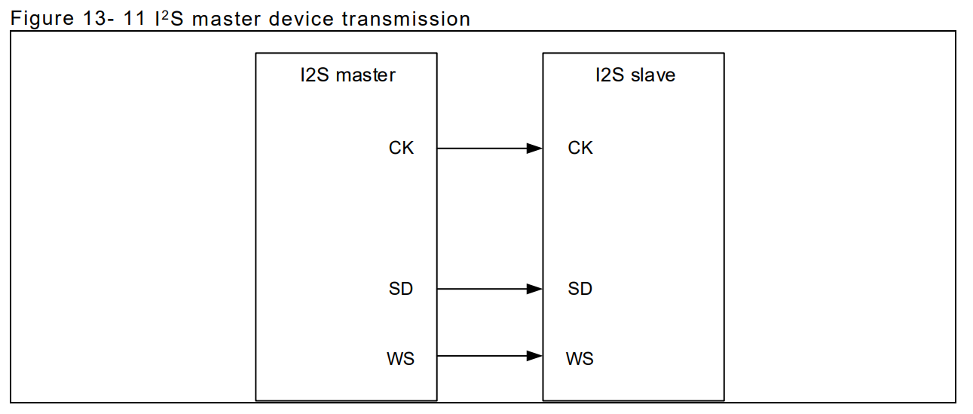
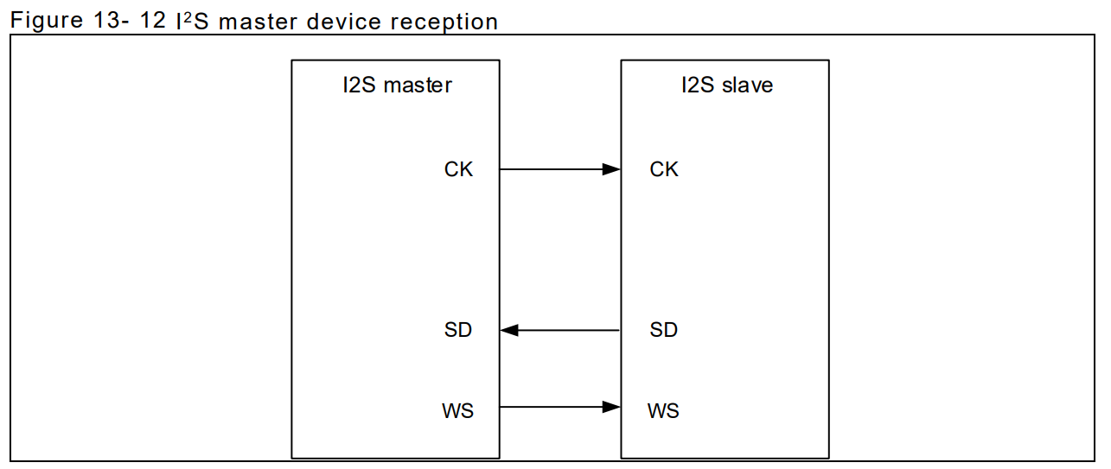
3 | I2SCLKPOL | 0x00 | rw | I2S clock polarity This bit indicates the clock polarity on the clock pin in idle state. 0: Low 1: High
2:1 | I2SDBN | 0x00 | rw | I2S data bit num 00: 16-bit data length 01: 24-bit data length 10: 32-bit data length 11: Not allowed.
0 | I2SCBN | 0x00 | rw | I2S channel bit num This bit can be configured only when the I 2S is set to 16-bit data; otherwise, it is fixed to 32-bit by hardware. 0: 16-bit wide 1: 32-bit wide

I2Sx_CTRL2(Base_Adr + 0x04)
Bit | REGISTER | Reset value | type | Description
15:5 | Reserved | 0x00 | resd | Forced to be 0
4 | TDBEIE | 0x00 | rw | Transmit data buffer empty interrupt enable 0: Disabled 1: Enabled
3 | RDBFIE | 0x00 | rw | Receive data buffer full interrupt enable 0: Disabled 1: Enabled
2 | ERRIE | 0x00 | rw | Error interrupt enable This bit controls interrupt generation when errors occur (ROERR and TUERR) 0: Disabled 1: Enabled
1 | DMATEN | 0x00 | rw | DMA transmit enable 0: Disabled 1: Enabled。
0 | DMAREN | 0x00 | rw | DMA receive enable 0: Disabled 1: Enabled

I2Sx_STS(Base_Adr + 0x08)
Bit | REGISTER | Reset value | type | Description
15:7 | Reserved | 0x00 | resd | Forced to be 0
6 | CBOERR | 0x00 | ro | Channel Bit overflow Error 0 : No Overflow occure 1 : Overflow error occure | CBOERR/CBUERR : 當I2S為 Slave Mode 並設定Channel Bit Num = 16/32,但接收到CK:WS != 16:1或 32:1時 CBOERR/CBUERR 被硬體設定 1
5 | CBUERR | 0x00 | ro | Channel Bit Underflow Error 0 : No Overflow occure 1 : Overflow error occure
4 | ROERR | 0x00 | ro | Receiver overflow error 0: No overflow error 1: Overflow error occurs. | ROERR : 當 I2S 資料寄存器已暫存一筆待讀數據時，又收到一筆新資料，則會發生接收器溢出錯誤，ROERR被硬體置 1，如果開啟了錯誤中斷使能（ERRIE=1），則會產生錯誤中斷
3 | TUERR | 0x00 | ro | Transmitter underload error Set by hardware, and cleared by software 0: No underload error 1: Underload error occurs
2 | ACS | 0x00 | ro | Audio channel state This bit indicates the status of the current audio channel. 0: Left channel 1: Right channel | TUERR：在 I2S 從發模式下，如果在 CK 上檢測到了資料驅動沿，但新的發送資料並沒有被寫入資料寄存器，則會產生發送器欠載錯誤，此時硬體會將 TUERR 位置 1。軟體讀 SPI_STS 寄存器可清除該標誌位元。
1 | TDBE | 0x01 | ro | Transmit data buffer empty 0: Transmit data buffer is not empty. 1: Transmit data buffer is empty.
0 | RDBF | 0x00 | ro | Receive data buffer full 0: Transmit data buffer is not full. 1: Transmit data buffer is full.

I2Sx_DT(Base_Adr + 0x0C)
Bit | REGISTER | Reset value | type | Description
31:0 | DT | 0x00000000 | rw | Data value This register controls read and write operations

Ref AN0102 AT32 MCU SPI/I2S入门指南

UART
UARTx_DT(Base_Adr + 0x00)
Bit | REGISTER | Reset value | type | Description
31:8 | Reserved | 0x00 | resd | Forced to be 0
7:0 | DATA | 0x00 | rw | (RxTx) Data Value

UARTx_STATE(Base_Adr + 0x04)
Bit | REGISTER | Reset value | type | Description | overrun error: When RX/TX is not received/transmitted, the next RX/TX data is going to action.
31:4 | Reserved | 0x00 | resd | Forced to be 0
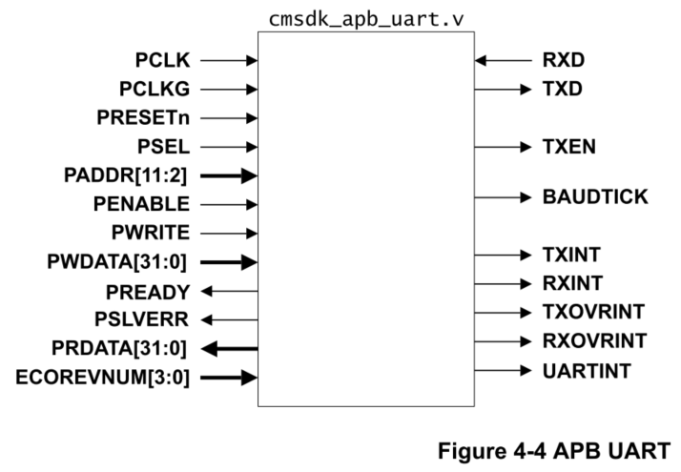
3:0 | STATE | 0x00 | rw | [3] RX buffer overrun,write 1 to clear [2] TX buffer overrun,write 1 to clear [1] RX buffer full,read-only [0] TX buffer full,read-only

UARTx_CTRL(Base_Adr + 0x08)
Bit | REGISTER | Reset value | type | Description
31:7 | Reserved | 0x00 | resd | Forced to be 0
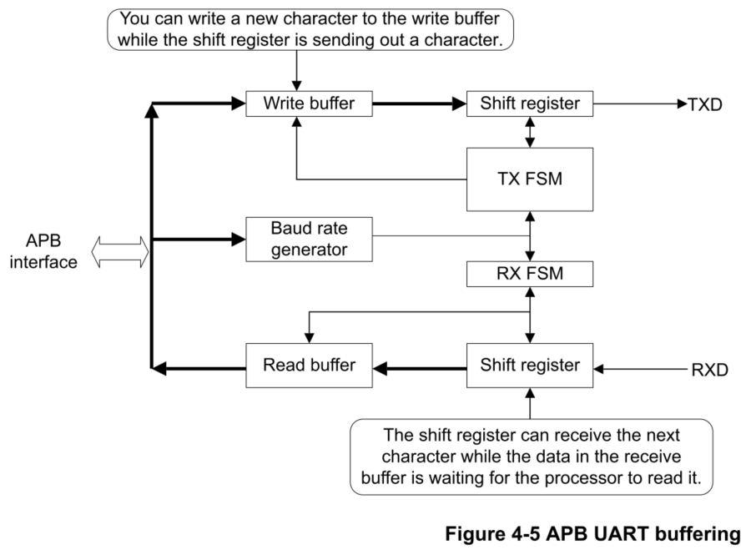
6:0 | CTRL | 0x00 | rw | [6] High speed test mode for TX only When CTRL[6] is set to 1, the serial data is transmitted at one bit per clock cycle. [5] RX overrun interrupt enable [4] TX overrun interrupt enable [3] RX interrupt enable [2] TX interrupt enable [1] RX enable [0] TX enable

UARTx_INTSTATUS(Base_Adr + 0x0C)
Bit | REGISTER | Reset value | type | Description
31:4 | Reserved | 0x00 | resd | Forced to be 0
3:0 | INTSTATUS / INTCLEAR | 0x00 | rw | [3] RX overrun interrupt, write 1 to clear [2] TX overrun interrupt, write 1 to clear [1] RX interrupt, write 1 to clear [0] TX interrupt, write 1 to clear

UARTx_BAUD(Base_Adr + 0x10)
Bit | REGISTER | Reset value | type | Description
31:20 | Reserved | 0x00 | resd | Forced to be 0
19:0 | BAUDDIV | 0x00 | rw | Baud rate divider. The minimum number is 16.

 |  |  |  | 0

TIMER
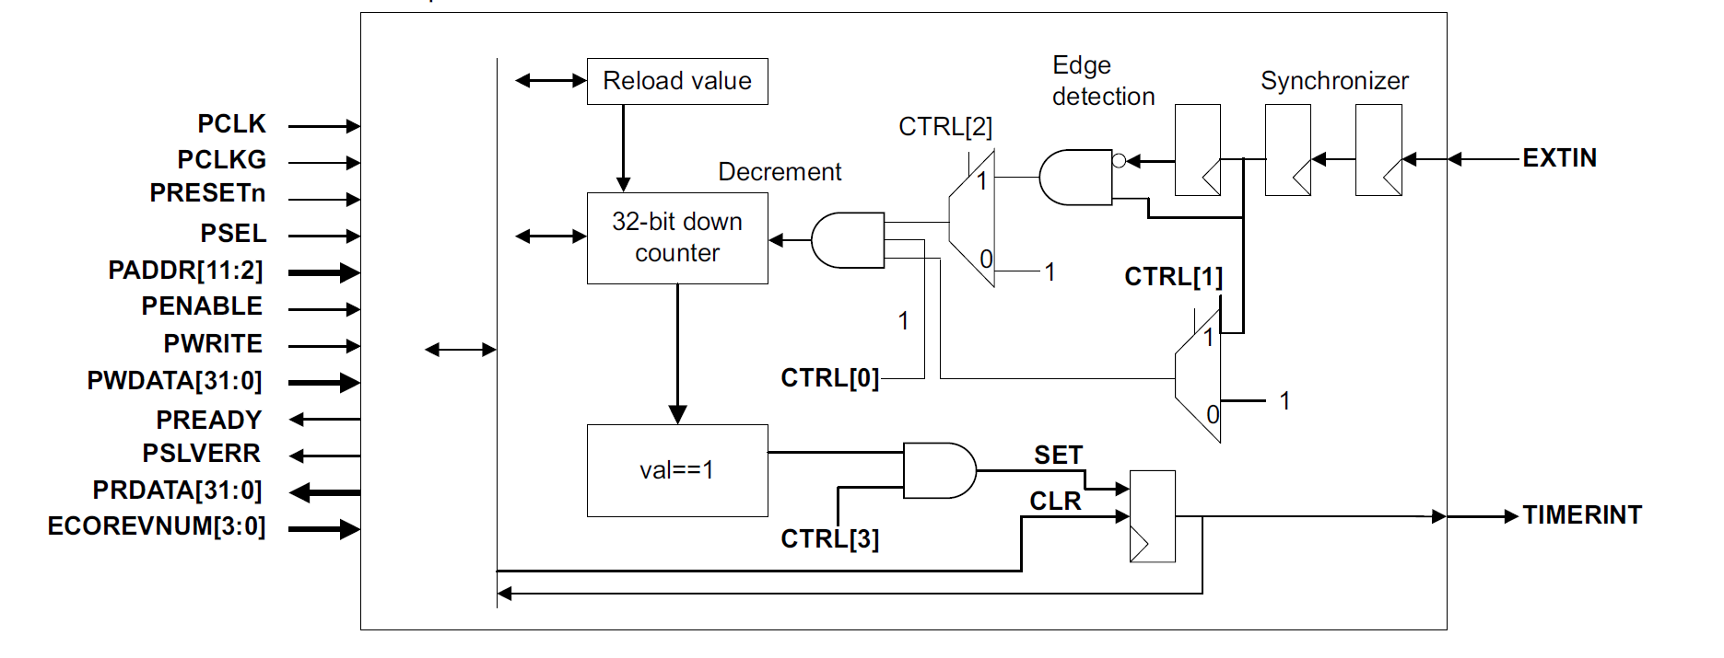
Timerx_CTRL(Base_Adr + 0x00)
Bit | REGISTER | Reset value | type | Description
31:7 | Reserved | 0x00 | resd | Forced to be 0
3:0 | CTRL | 0x00 | rw | [3] Timer interrupt enable [2] Select external input as clock [1] Select external input as enable [0] Enable

Timerx_CNT(Base_Adr + 0x04)
Bit | REGISTER | Reset value | type | Description
31:0 | VALUE | 0x00000000 | rw | [31:0] Current value

Timerx_RELAOD(Base_Adr + 0x08)
Bit | REGISTER | Reset value | type | Description
31:0 | RELAOD | 0x00000000 | rw | Reload value, writing to this register sets the current value.

Timerx_STA(Base_Adr + 0x0C)
Bit | REGISTER | Reset value | type | Forced to be 0
31:1 | Reserved | 0x0 | rw | Reload value, writing to this register sets the current value.
0 | INTSTATUS/INTCL EAR | 0x0 | rw | Timer interrupt, write 1 to clear

WatchDog
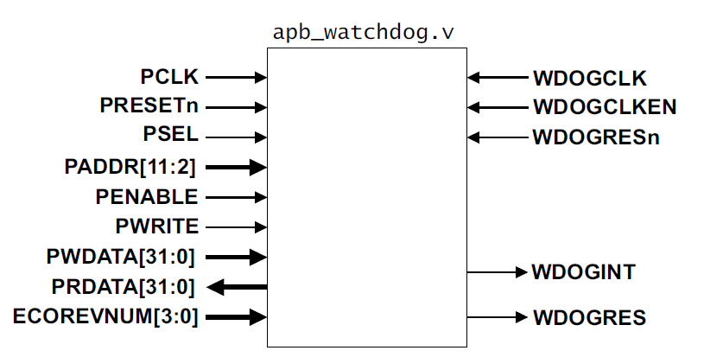
WDOG_LOAD(Base_Adr + 0x00)
Bit | REGISTER | Reset value | type | Description
31:0 | LOAD | 0xFFFFFFFF | rw | The value from which the counter is to decrement

WDOG_VALUE(Base_Adr + 0x04)
Bit | REGISTER | Reset value | type | Description
31:0 | VALUE | 0xFFFFFFFF | ro | The current value of the decrementing counter

WDOG_CTRL(Base_Adr + 0x08)
Bit | REGISTER | Reset value | type | Description
31:2 | Reserved | 0x00 | resd | Forced to be 0
1:0 | CTRL | 0x00 | rw | [1] Enable reset output [0] Enable the interrupt

WDOG_INTCLRL(Base_Adr + 0x0C)
Bit | REGISTER | Reset value | type | Description
31:1 | Reserved | 0x00 | resd | Forced to be 0
0 | INTCLR | 0x00 | wo | Clear the watchdog interrupt and reloads the counter

WDOG_RS(Base_Adr + 0x10)
Bit | REGISTER | Reset value | type | Description
31:1 | Reserved | 0x00 | resd | Forced to be 0
0 | RS | 0x00 | ro | Raw interrupt status from the counter

WDOG_MIS(Base_Adr + 0x14)
Bit | REGISTER | Reset value | type | Description
31:1 | Reserved | 0x00 | resd | Forced to be 0
0 | MIS | 0x00 | ro | Enable interrupt status from the counter

WDOG_LOCK(Base_Adr + 0xC00)
Bit | REGISTER | Reset value | type | Description
31:1 | WR_REG_EN | 0x00 | rw | Enable register writes
0 | REG_STA | 0x00 | rw | Register write enable status

WDOG_ITCR(Base_Adr + 0xF00)
Bit | REGISTER | Reset value | type | Description
31:1 | Reserved | 0x00 | resd | Forced to be 0
0 | ITCR | 0x00 | rw | Integration test mode enable

WDOG_ITOP(Base_Adr + 0xF04)
Bit | REGISTER | Reset value | type | Description
31:2 | Reserved | 0x00 | resd | Forced to be 0
1:0 | ITOP | 0x00 | rw | [1] Integration test WDOGRES value [0] Integration test WDOGINT value

Timer_ARTERY
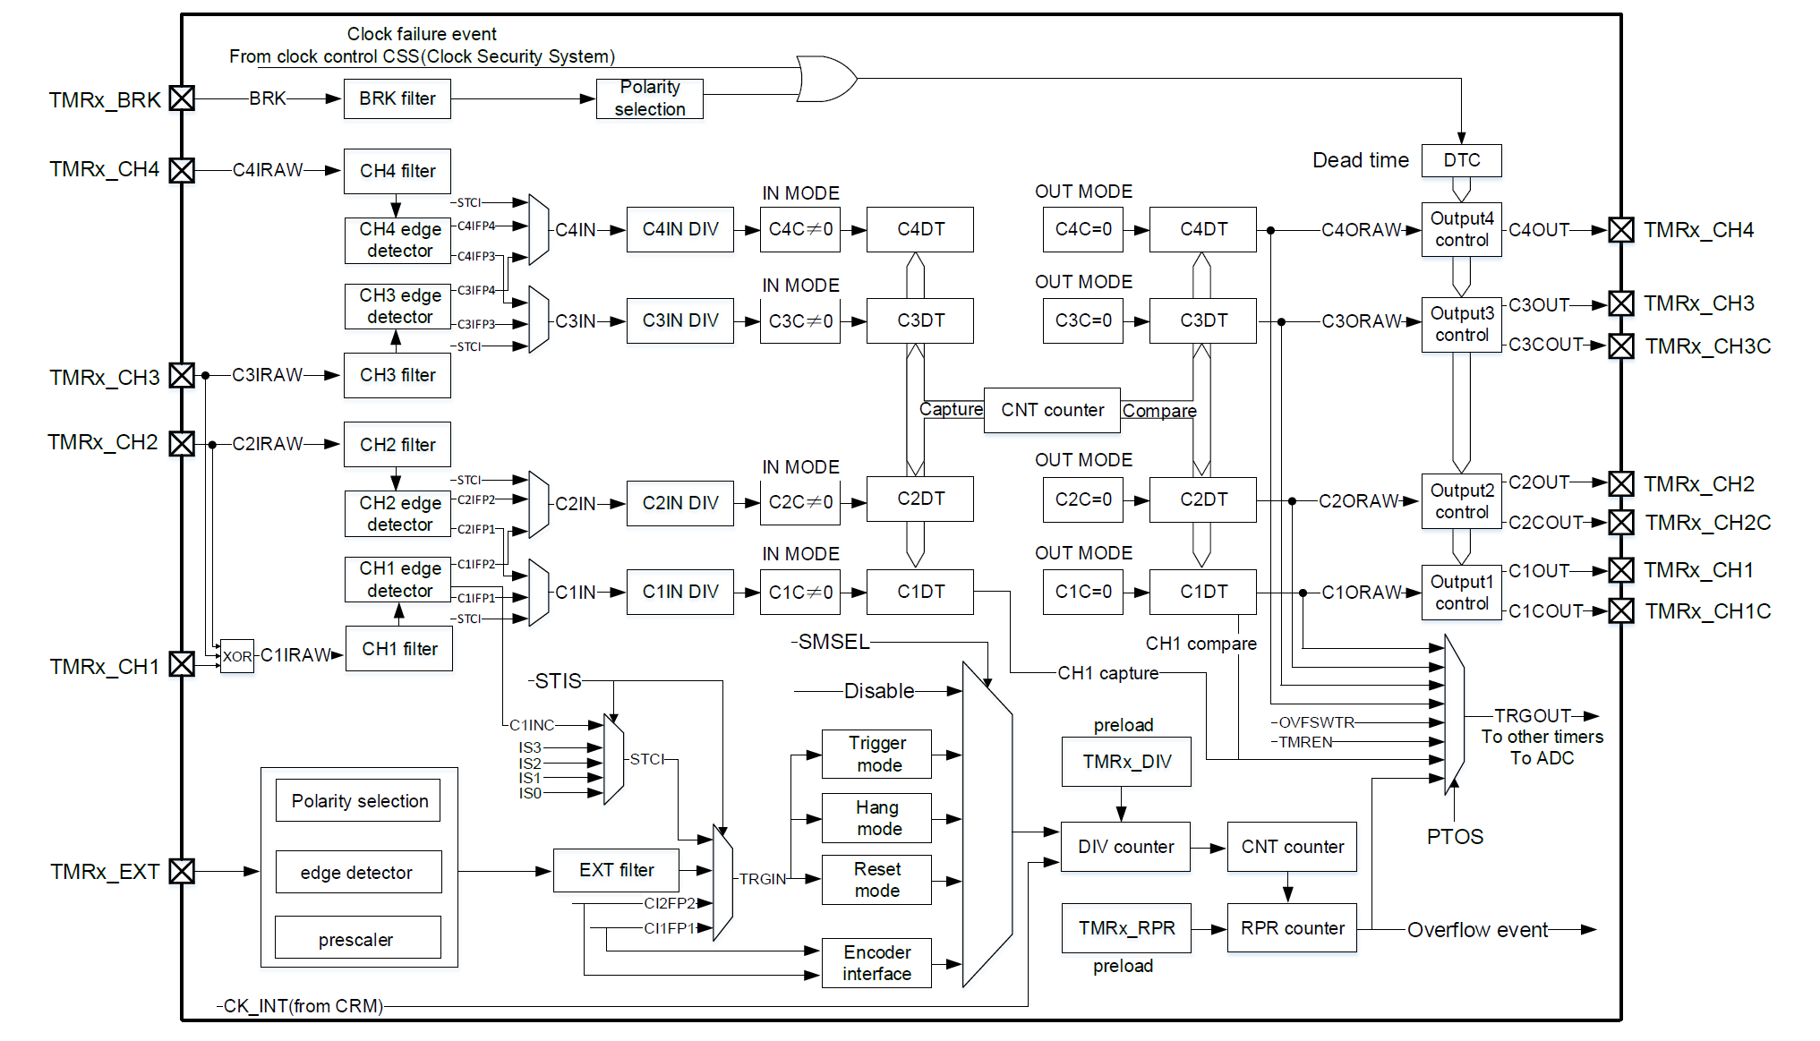

TMR1 計數時鐘可從內部時鐘（CK_INT）、外部時鐘（外部時鐘模式A、B）、內部觸發輸入（ISx）這些時鐘源提供

內部時鐘
默認下使用CK_INT 經由預分頻器驅動計數器計數，相關配置流程如下：
配置TMRx_寄存器CLKDIV[1:0]，設置CK_INT 頻率。
配置TMRx_CTRL1 寄存器TWCMSEL[1:0]，選擇計數模式，若選擇單向對齊計數模式，還需配置
TMRx_CTRL1 寄存器OWCDIR 選擇計數方向。
配置TMRx_DIV 寄存器，設置計數器計數頻率。
配置TMRx_PR 寄存器，設置計數器計數週期。
配置TMRx_CTRL1寄存器TMREN， 使能計數器。

外部時鐘

使用外部時鐘模式A，可按如下步驟配置： |  | 使用外部時鐘模式B，可按如下步驟配置：
配置外部時鐘源TRGIN 參數。 |  | 配置TMRx_STCTRL 寄存器ESP，設置外部信號極性。
若選擇TRGIN 來源為TMRx_CH1，需配置通道1 輸入濾波（TMRx_CM1 寄存器C1DF[3:0]）和通 |  | 配置TMRx_STCTRL 寄存器ESDIV[1:0]，設置外部信號分頻。
道1 輸入極性（TMRx_CCTRL 寄存器C1P/C1CP）。 |  | 配置TMRx_STCTRL 寄存器ESF[3:0]，設置外部信號濾波。
若選擇TRGIN 來源為TMRx_CH2，需配置通道2 輸入濾波（TMRx_CM1 寄存器C2DF[3:0]）和通 |  | 配置TMRx_STCTRL 寄存器ECMBEN，使能外部時鐘模式B。
道1 輸入極性（TMRx_CCTRL 寄存器C2P/C2CP）。 |  | 配置TMRx_DIV 寄存器DIV[15:0]，設置計數器計數頻率。
若選擇TRGIN 來源為TMRx_EXT，需配置外部信號極性（TMRx_STCTRL 寄存器ESP）、外部信 |  | 配置TMRx_PR 寄存器PR[15:0]，設置計數器計數週期。
號分頻（TMRx_STCTRL 寄存器ESDIV[1:0]）和外部信號濾波（TMRx_STCTRL 寄存器ESF[3:0]）。 |  | 配置TMRx_CTRL1 寄存器TMREN，使能計數器。
配置TMRx_STCTRL 寄存器STIS[1:0]，設置TRGIN 信號來源。
配置TMRx_STCTRL 寄存器SMSEL=3’b111，使能外部時鐘模式A。
配置TMRx_DIV 寄存器DIV[15:0]，設置計數器計數頻率。
配置TMRx_PR 寄存器PR[15:0]，設置計數器計數週期。
配置TMRx_CTRL1 寄存器TMREN，使能計數器。

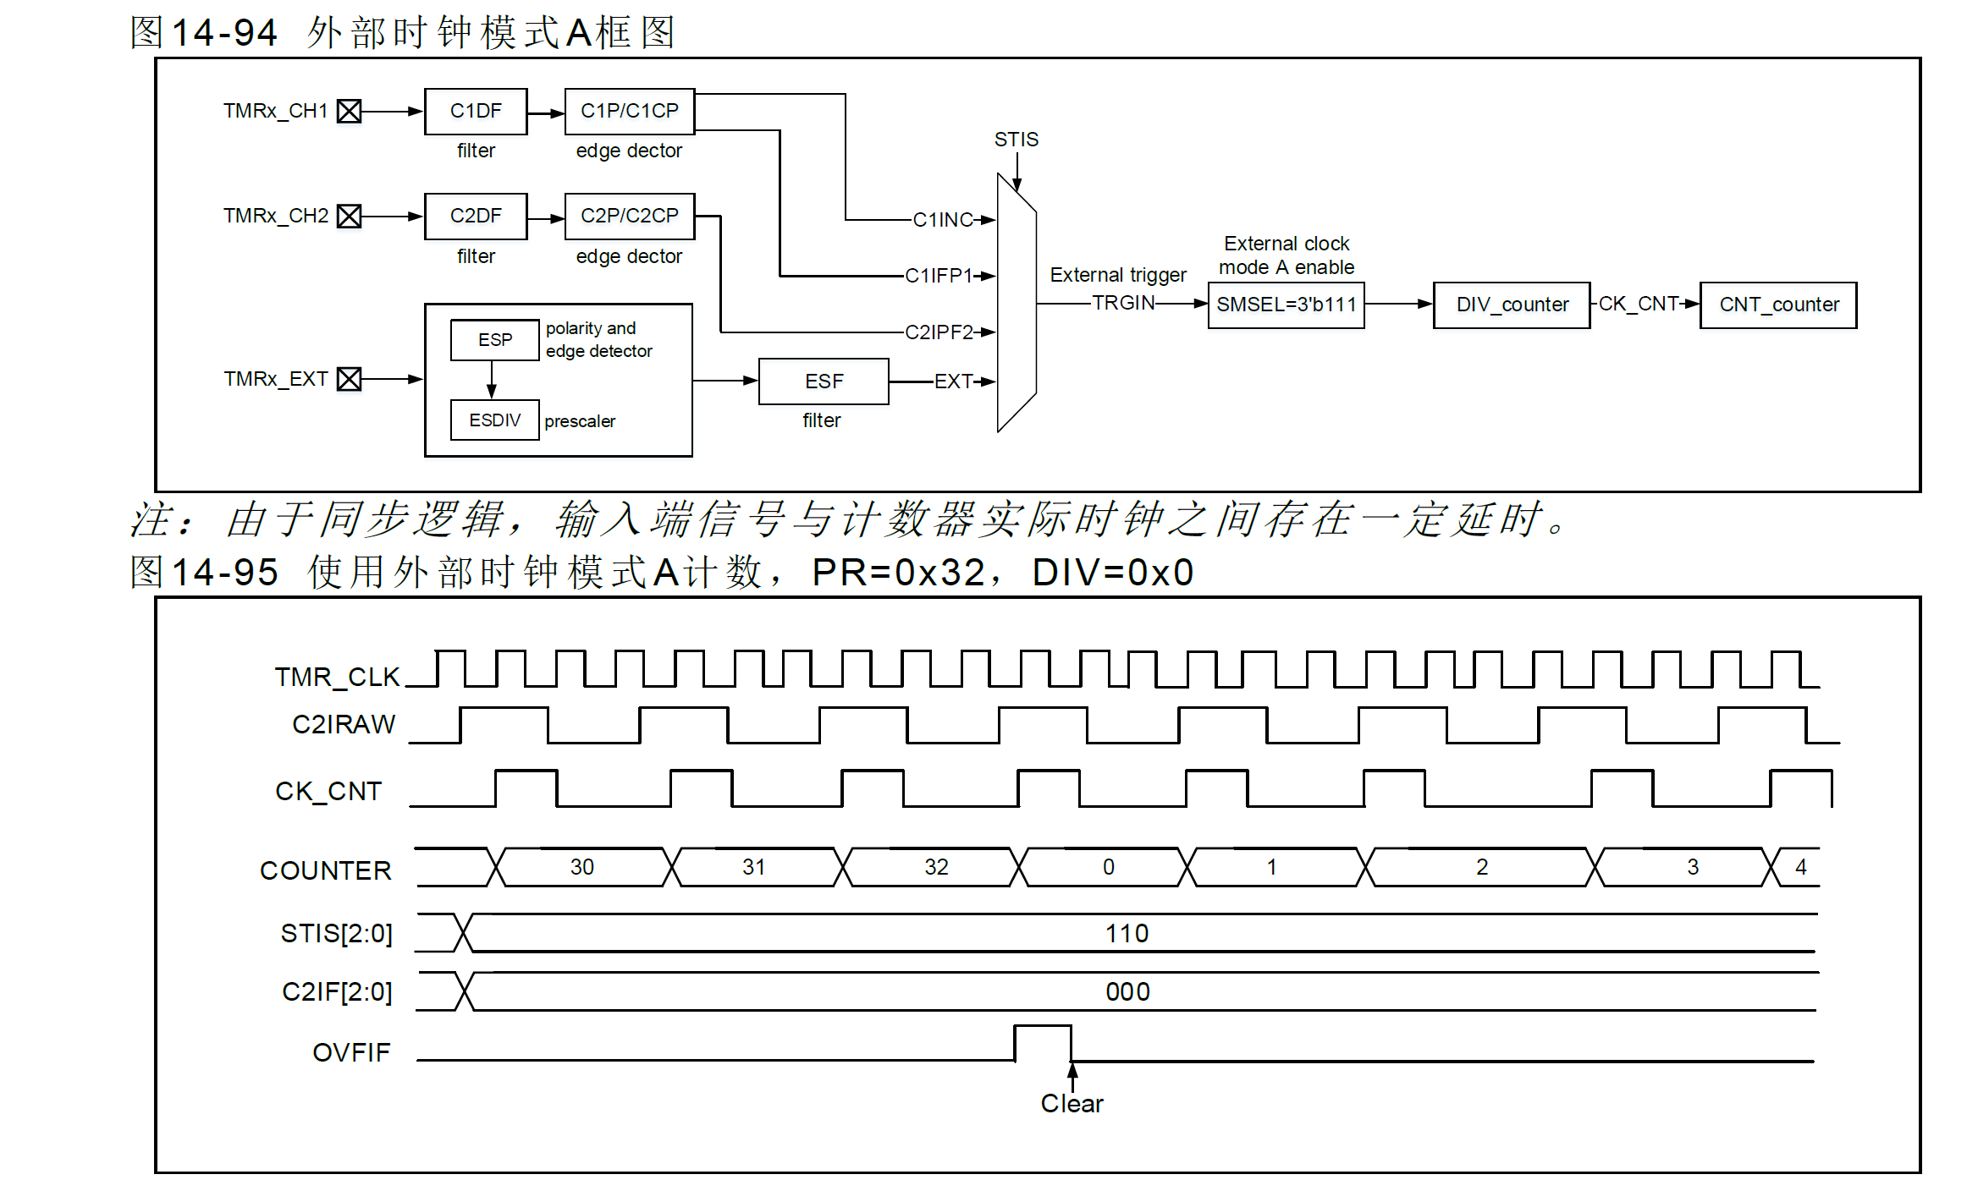
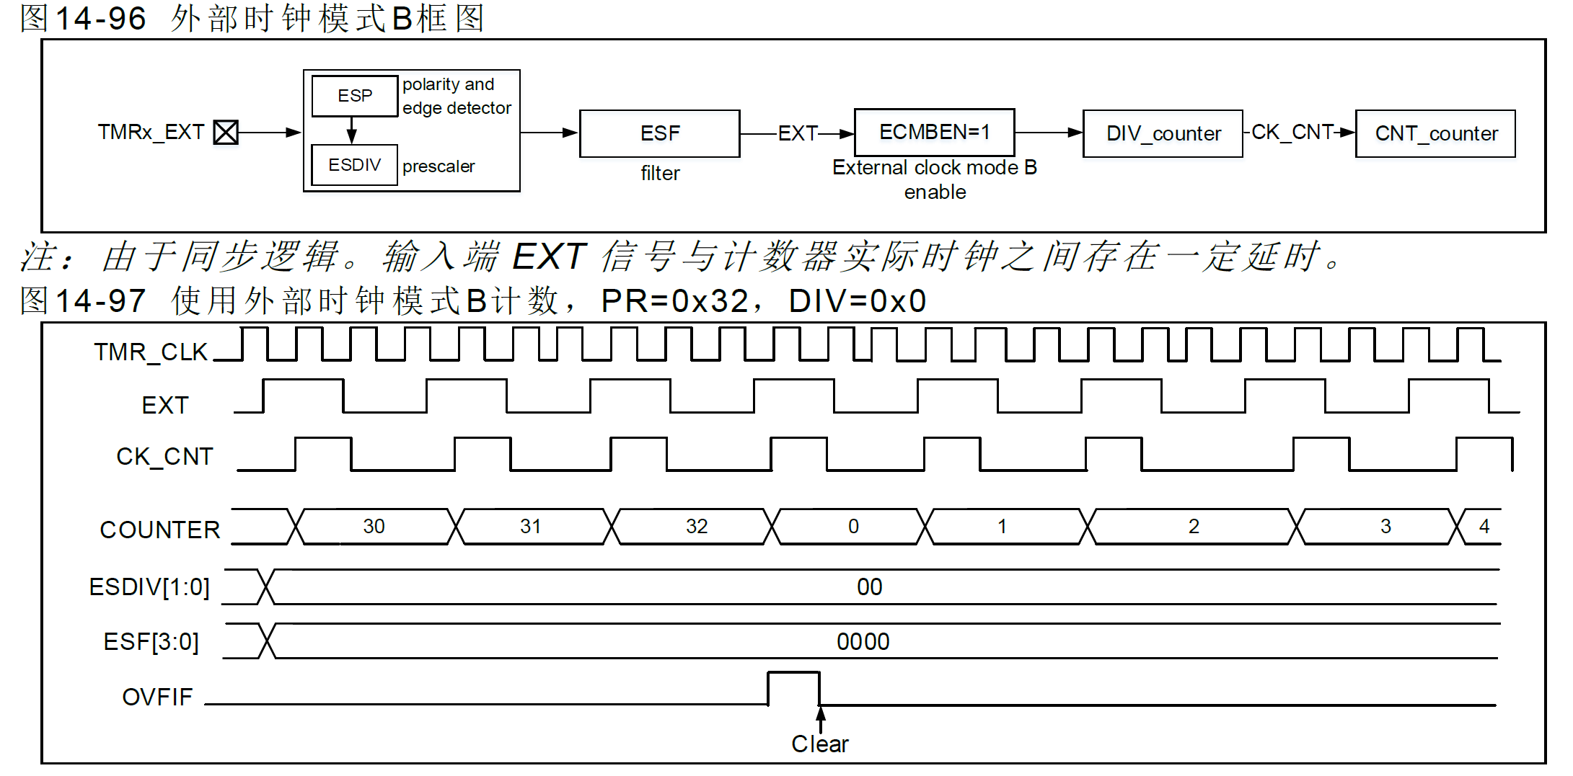

內部觸發(ISx)

計時器之間支援互聯同步，因此一個計時器的TMR_CLK 可由另一個計時器輸出信號TRGOUT 提供。配
置STIS[2:0]選擇內部觸發信號驅動計數器計數
高級計時器內含一個16 位預分頻器，用於產生驅動計數器計數的時鐘CK_CNT，通過配置TMR1_DIV
寄存器值，可靈活調整CK_CNT 與TMR_CLK 之間的分頻關係。預分頻值可在任何時刻修改，但只在下
一個溢出事件發生時，新值才會生效。
內部觸發輸入配置流程如下：
配置TMRx_PR 寄存器，設置計數器計數週期。
配置TMRx_DIV 寄存器，設置計數器計數頻率。
配置TMRx_CTRL1 寄存器TWCMSEL[1:0]位元，設置計數器計數模式。
配置TMRx_STCTRL 寄存器STIS[2:0]位範圍為3’b000~3’b011，選擇內部觸發。
配置TMRx_STCTRL 寄存器SMSEL[2:0]=3’b111，選擇外部時鐘模式A。
配置TMRx_CTRL1 寄存器TMREN 位，使能TMRx 計數。

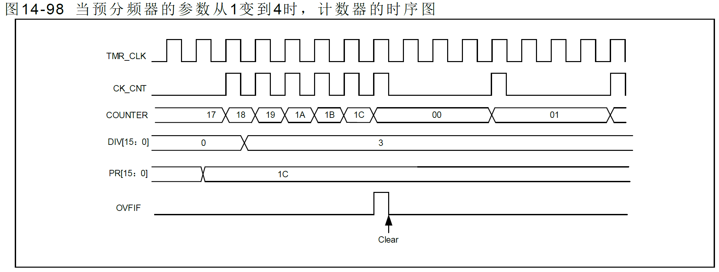

新設定植生效

編碼器模式

編碼器模式下需提供兩組輸入信號TMRx_CH1 和TMRx_CH2，根據一組輸入信號電平值，計數器在另
一組輸入信號邊沿向上或向下計數。計數方向由OWCDIR 值指示。

編碼器模式A：SMSEL=3’b001，計數器在C1IFP1 邊沿計數（上升沿和下降沿），計數方向由C1IFP1 邊
沿方向和C2IFP2 電平高低共同決定。
編碼器模式B：SMSEL=3’b010，計數器在C2IFP2 邊沿計數（上升沿和下降沿），計數方向由C2IFP2 邊
沿方向和C1IFP1 電平高低共同決定。
編碼器模式C：SMSEL=3’b011，計數器在C1IFP1 和C2IFP2 邊沿計數（上升沿和下降沿），計數方向
由C1IFP1 邊沿方向和C2IFP2 電平高低、C2IFP2 邊沿方向和C1IFP1 電平高低共同決定共同決定。

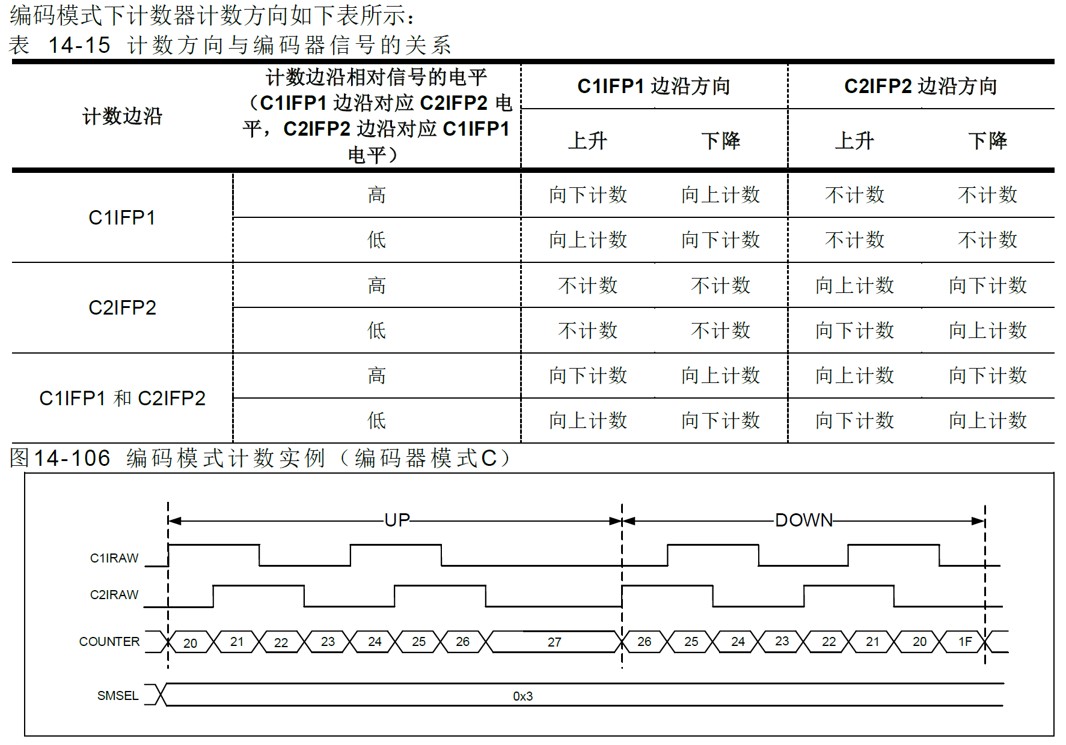

C1IFP1 = Rising
C2IFP2 = Low
Counter ++
C1IFP1 = Hi
C2IFP2 = rising
Counter ++
C1IFP1 = falling
C2IFP2 = hi
Counter ++
C1IFP1 = Hi
C2IFP2 = falling
Counter ++
C1IFP1 = Low
C2IFP2 = rising
Counter --
C1IFP1 = rising
C2IFP2 = hi
Counter --
C1IFP1 = hi
C2IFP2 = falling
Counter --
C1IFP1 = falling
C2IFP2 = low
Counter --

PWM 輸入
PWM 輸入模式適用於通道1 和2，要使用此模式，需要將C1IN 和C2IN 映射到同一TMRx_CHx，並且
通道1 或2 的CxIFPx 配置成觸發次計時器控制器復位。
PWM 輸入模式可用於測量輸入信號的週期和占空比，如需測量通道1 輸入信號的週期和占空比，操作步
驟如下：
● 配置C1C=1‘b01，選擇C1IN為C1IFP1。
● 配置C1P=1’b0，選擇C1IFP1上升沿有效。
● 配置C2C=2‘b10，選擇C2IN為C1IFP2。
● 配置C2P=1’b1，選擇C1IFP2下降沿有效。
● 配置STIS=3’b101，選擇次計時器觸發信號為C1IFP1。
● 配置SMSEL=3‘b110，選擇次計時器模式為重定模式。
● 配置C1EN=1’b1，C2EN=1’b1。使能通道1和輸入捕獲。
上述配置下，通道1 輸入信號的上升沿會觸發捕獲並將捕獲值存儲到C1DT 寄存器，同時通道1 輸入信
號上升沿複位元數目器。通道1 輸入信號下降沿觸發捕獲並將捕獲值存儲到C2DT 寄存器。通道1 輸入信
號的週期可通過C1DT 計算，占空比可通過C2DT 計算。
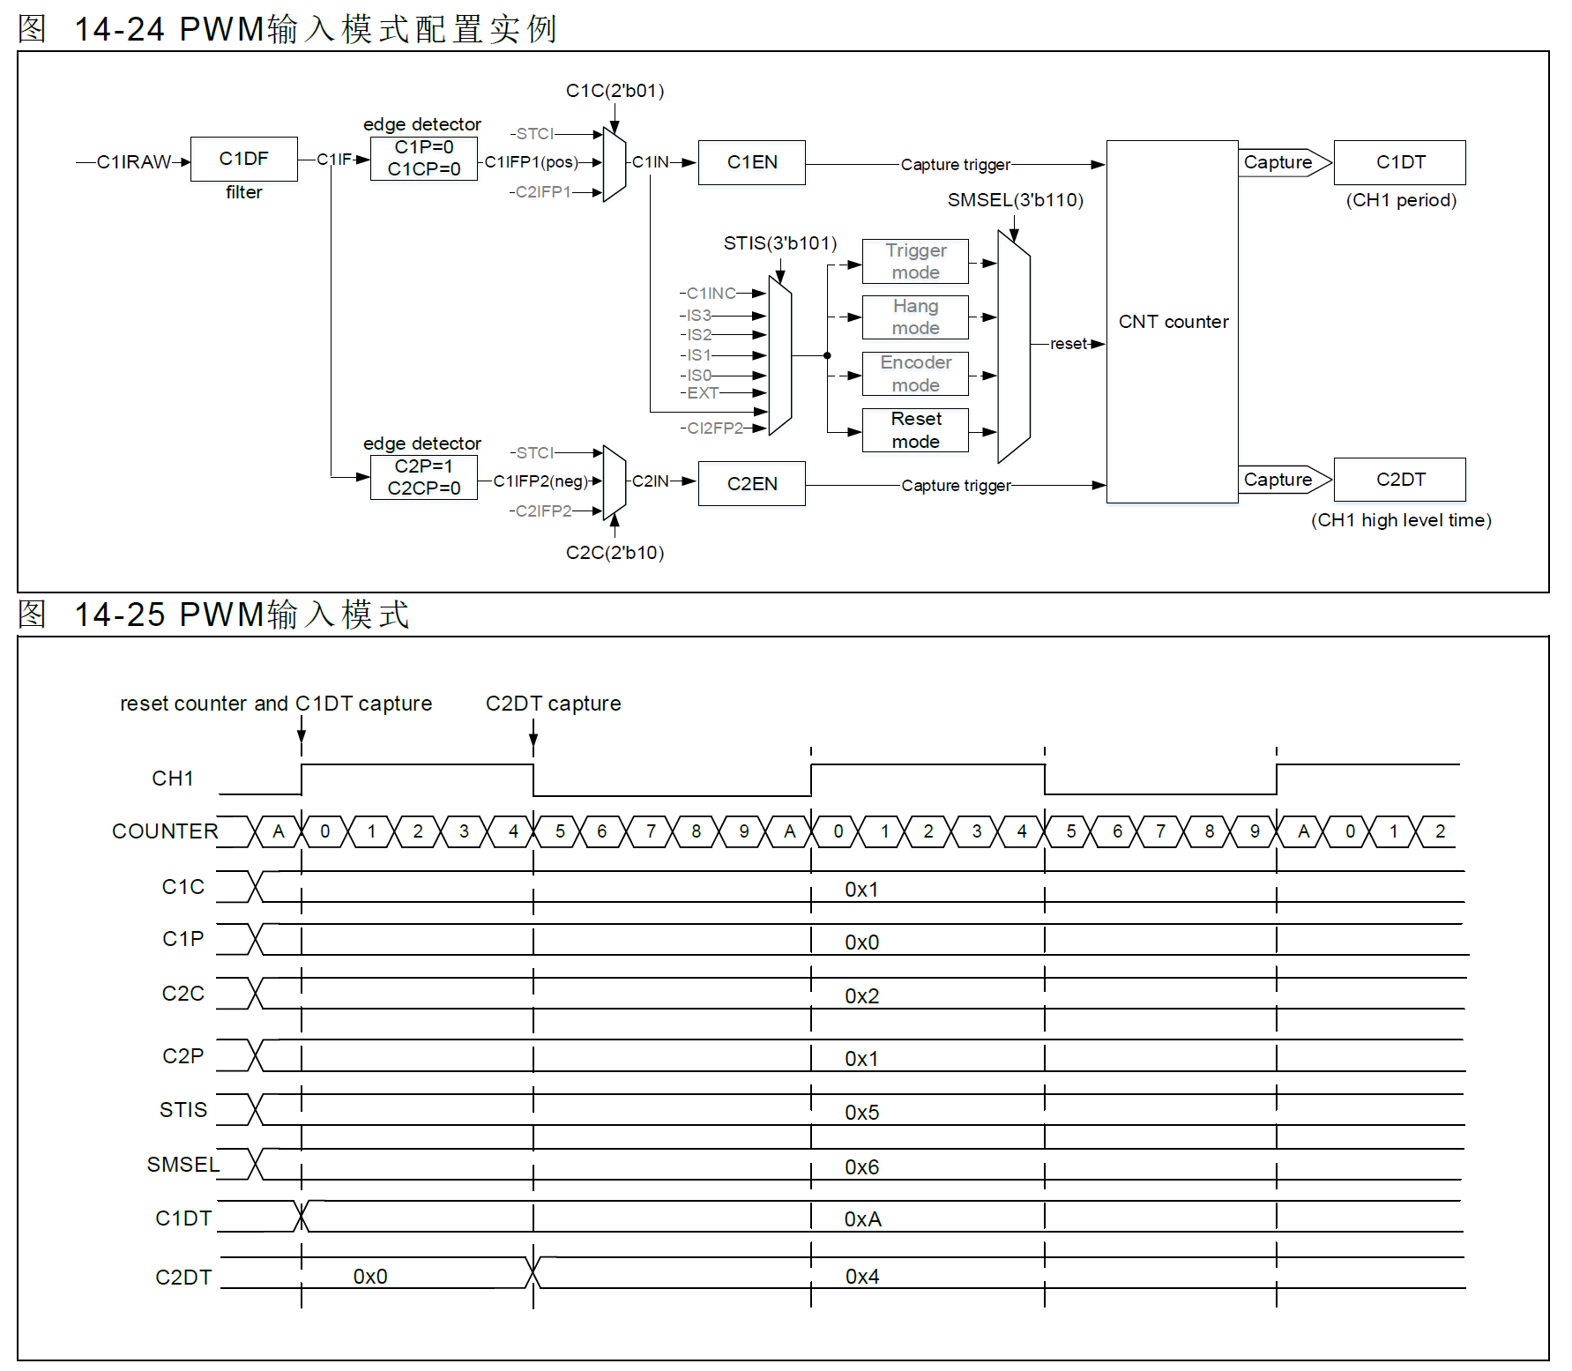

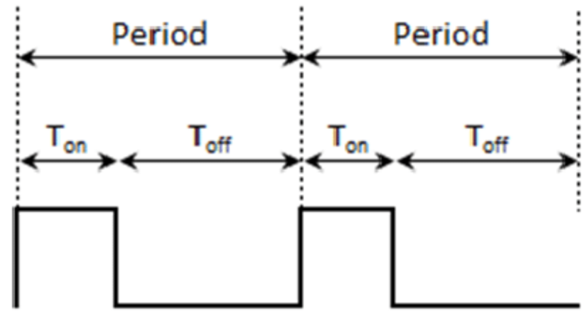
Count 清除
計算 Duty Cycle

Timer 輸出
配置CxC[1:0]≠2’b00 將通道配置為輸出可實現多種輸出模式，此時，計數器計數值將與CxDT 寄存器值
比較，並根據CxOCTRL[2:0]位元元配置的輸出模式，產生中間信號CxORAW，再經過輸出控制邏輯處理後
輸送到IO。輸出信號的週期由TMRx_PR 寄存器值配置，占空比則由CxDT 寄存器值配置。

輸出比較模式有以下子類：
PWM 模式A：CxOCTRL=3’b110 時，開啟PWM 模式A。向上計數時，TMRx_C1DT>TMRx_CVAL 時
C1ORAW 輸出高電平，否則為低電平；向下計數時，TMRx_C1DT<TMRx_CVAL 時C1ORAW 輸出低電
平，否則為高電平。若要使用PWM 模式A，可按如下方式配置。

配置TMRx_PR 寄存器，設置PWM 週期。
配置TMRx_CxDT 寄存器，設置PWM 占空比。
配置TMRx_CM1/CM2 寄存器CxOCTRL 位為3’b110，設置輸出模式為PWM 模式A。
配置TMRx_DIV 寄存器，設置計數器計數頻率。
配置TMRx_CTRL1 寄存器TWCMSEL[1:0]位元， 設置計數器計數模式。
配置TMRx_CCTRL 寄存器CxP 位元元、CxCP 位， 設置輸出極性。
配置TMRx_CCTRL 寄存器CxEN 位元元、CxCEN 位， 使能通道輸出。
配置TMRx_BRK 寄存器OEN 位元元，使能TMRx 輸出。
配置TMR 輸出通道對應GPIO 為對應的複用模式。
配置TMRx_CTRL1 寄存器TMREN 位，使能TMRx 計數。

PWM 模式B：CxOCTRL=3’b111 時，開啟PWM 模式B。向上計數時，TMRx_C1DT>TMRx_CVAL 時
C1ORAW 輸出低電平，否則為高電平；向下計數時，TMRx_C1DT<TMRx_CVAL 時C1ORAW 輸出高電
平，否則為低電平。

強制輸出模式：CxOCTRL=3’b100/101 時，開啟強制輸出模式。此時，CxORAW 信號的電平被強制輸出
為配置的電平，而與計數值無關。雖然輸出信號不依賴於比較結果，但通道標誌位元和DMA 請求仍依賴於
比較結果。

輸出比較模式：CxOCTRL=3’b001/010/011 時，開啟輸出比較模式。此時，當計數值與CxDT 值匹配時，
CxORAW 強制輸出高電平（CxOCTRL=3’b001 ）、低電平（CxOCTRL=3’b010）或進行電平翻轉
（CxOCTRL=3’b011）

單週期模式：PWM 模式的特例，將OCMEN 位置1 可開啟單週期模式，此模式下，僅在當前計數週期中
進行比較匹配，完成當前計數後，TMREN 位清0，因此僅輸出一個脈衝。當配置為向上計數模式時，需
要嚴格配置CVAL<CxDT≤PR；向下計數時，需嚴格配置CVAL>CxDT。

快速輸出模式：將CxOIEN 位置1 可開啟此功能，開啟後CxORAW 電平值不再在計數值與CxDT 匹配
時變化，而是在當前計數週期開始時，也就是說，比較結果被提前了，計數器值與CxDT 寄存器的比較結
果將會提前決定CxORAW 的電平。

輸出比較模式（翻轉）的例子，C1DT=0x3，當計數值等於0x3 時，輸出電平C1OUT 被 | 計數器向上計數與PWM 模式A 配合的例子，PR=0x32，CxDT 配置為不同的值時輸出 |  | 計數器中央雙向對齊計數與PWM 模式A 配合的例子，PR=0x32，CxDT 配置為不同的 | 計數器向上計數與單週期模式下PWM 模式B 配合的例子，計數器僅計數了一個週期，
翻轉 | 時輸出信號的翻轉情況。 |  | 值時輸出時輸出信號的翻轉情況 | 輸出信號在這個週期中只輸出了一個脈衝
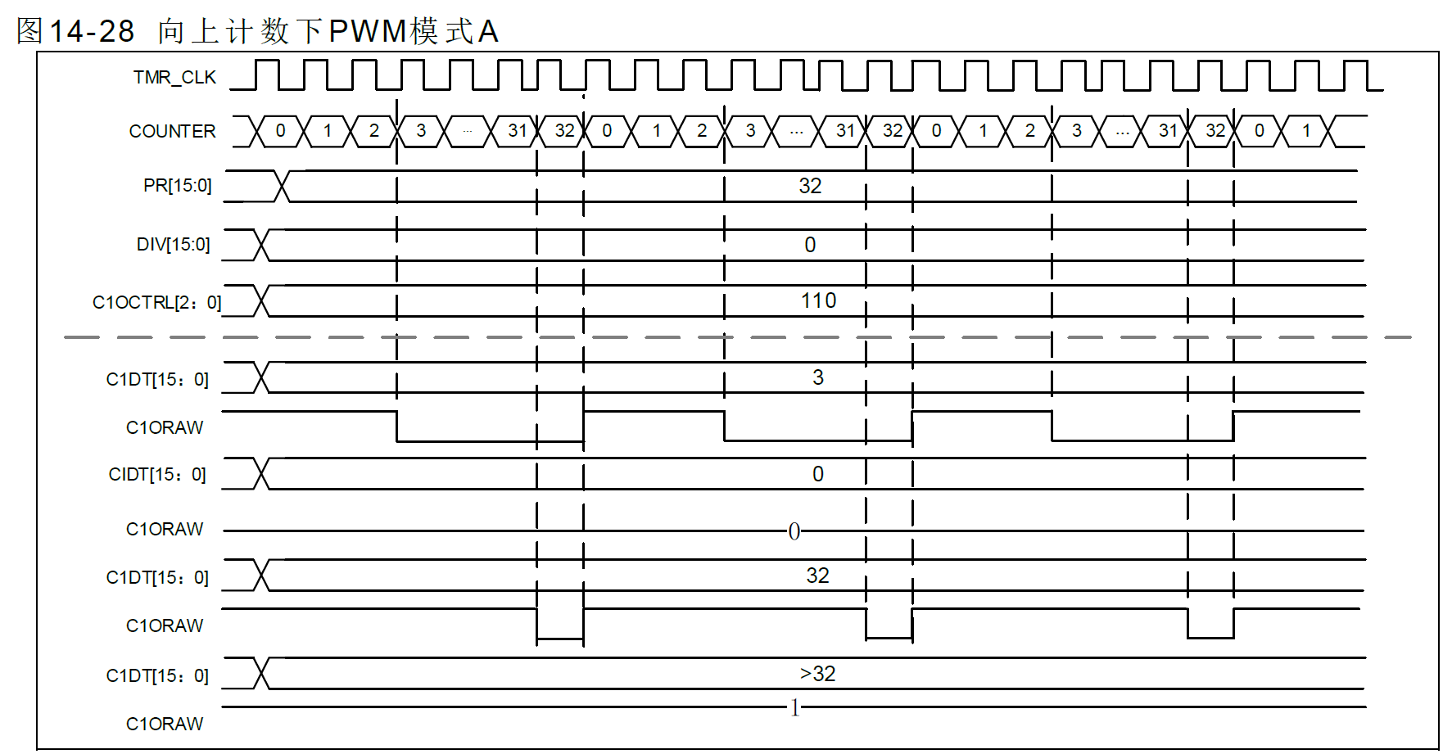
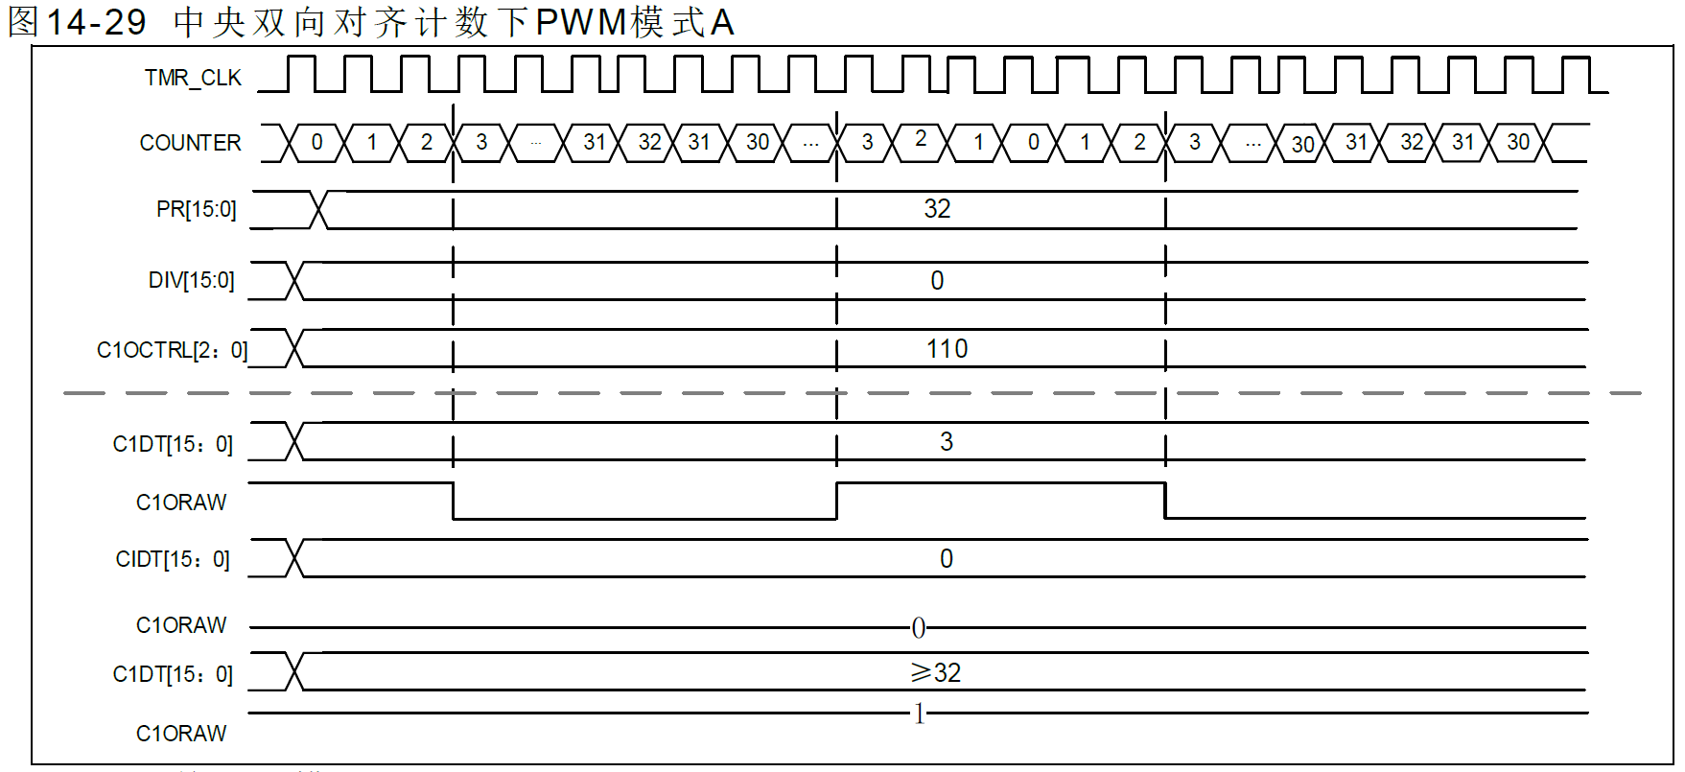
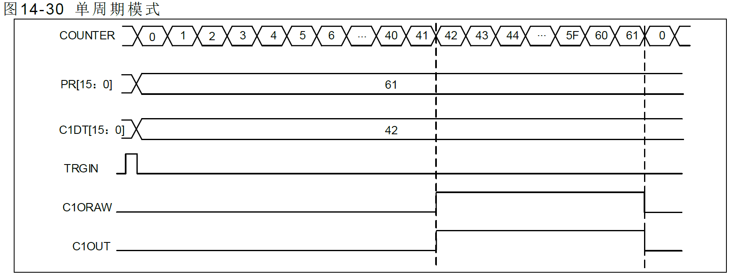

Count == C1DT , C1ORAW 翻轉

主計時器事件輸出
當TMR 作為主計時器時，可選擇如下信號源作為TRGOUT 信號輸出到次計時器，選擇信號為
TMRxCTRL2 寄存器PTOS 位。
PTOS=3’b000，TRGOUT 輸出軟體溢出事件（TMRx_SWEVT 寄存器OVFSWTR位）。
PTOS=3’b001，TRGOUT 輸出計數器使能信號。
PTOS=3’b010，TRGOUT 輸出計數器溢出事件。
PTOS=3’b011，TRGOUT 輸出捕獲、比較事件。
PTOS=3’b100，TRGOUT 輸出C1ORAW 信號。
PTOS=3’b101，TRGOUT 輸出C2ORAW 信號。
PTOS=3’b110，TRGOUT 輸出C3ORAW 信號。
PTOS=3’b111，TRGOUT 輸出C4ORAW 信號。

I2C
I2Cx_CTRL1(Base_Adr + 0x00)
Bit | REGISTER | Reset value | type | Description |  | From Alpine Spec_v0.2.1
31:16 | Reserved | 0x00 | resd | Forced to be 0
15 | SWRST | 0 | rw | SWRST : Software reset, which can release I2C from error/locked state. 0 : Not reset I2C. 1 : Reset I2C. Hardware will automatically set SWRST as 0.
14 | ASTOPEN | 0 | rw | ASTOPEN : Automatically send STOP condition 0 : Software send STOP condition 1 : Hardware automatically send STOP condition
13 | RLDEN | 0 | rw | RLDEN : Reload function (Rx/Tx over 255 byte data) enable 0 : Reload function disable. 1 : Reload function enable.
12 | DFLTEN | 0 | rw | DFLTEN : Digital fileter enable (both in SDA/SCL) 0 : Digital fileter disable. 1 : Digital fileter enable.
[11:8] | DFLTVAL[3:0] | 0x00 | rw | DFLTVAL: Digital filter value Filter will filtered out Glitches which smaller than T_dflt. T_dflt= DFLT x T_I2C_CLK
7:6 | Reserved | 0 | resd | Reserved
5 | GCAEN | 0 | rw | GCEN : General call address enable 0 : General call address disable. Address 00h is NACKed. 1 : General call address enable. Address 00h is ACKed.
4 | STRETCHEN | 0 | rw | STRETCHEN : Clock stretching enable (Slave mode) 0 : Clock streching disable. 1 : Clock streching enable.
3 | SLVCTRLEN | 0 | rw | SLVDCEN : Slave receiving data control enable (Slave mode) 0 : Slave receiving data control disable. 1 : Slave receiving data control enable.
2 | DMARxEN | 0 | rw | DMARxEN : DMA receiving data enable 0 : DMA receiving data disable. 1 : DMA receiving data enable. |  | ※ 待討論內容： 確認是否需要的功能： 1. SWRST : FW可以Reset SDA SCL 電位與其他CTRL值 2. SRxDCEN : Slave 模式下字節控制功能，控制單個字節是NACK/ACK確認是否結束 3. STRETCH : SCL clock stretching (master 與 slave clock不同時 slave 可以控制SCL讓Master等Slave) 4. DFLTEN : FW可以控制濾波功能開關 5. RLDEN : Reload function (傳送字節超過255時可以重載傳輸) 6. GCEN : 廣播地址功能 (general call address) 7. ASTOPEN : 硬體自動發送STOP條件 待討論功能細節： 1. Speed mode 設定方式? 2. SR1/SR2 各Error 與 Event 細節 3. Event Interrupt是否需要SB, BUSY, GCAR?
1 | DMATxEN | 0 | rw | DMATxEN : DMA transmitting data enable 0 : DMA transmitting data disable 1 : DMA transmitting data enable.
0 | I2CEN | 0 | rw | I2CEN : I2C function enable 0 : I2C disable. Reset I2C interface and SR1/SR2 register. 1 : I2C enable.

I2Cx_CTRL2(Base_Adr + 0x04)
Bit | REGISTER | Reset value | type | Description
31:29 | Reserved | 0x00 | resd | Forced to be 0
28 | BUFITEN | 0 | rw | BUFITEN : Buffer interrupt enable 0 : Buffer interrupt disable. (Not generate interrupt when TxE or RxNE = 1) 1 : Buffer interrupt enable. (Generate interrupt when TxE or RxNE = 1)
27 | EVTITEN | 0 | rw | EVTITEN : Event interrupt enable 0 : Event interrupt disable. 1 : Event interrupt enable. This interrupt is generated when: - STOPF = 1, Stop generation completed (Master) or Stop received (Slave) - RxNE = 1 If BUFITEN = 1, Receive buffer not empty - TxE = 1 If BUFITEN = 1, Transmit buffer empty - TXIT = 1, Transmit data interrupt event - TDC = 1, Transmit data complete interrupt - TCRLD = 1, Transmission is complete, waiting to load data - ADDR = 1, Address sent (Master) or Address matched (Slave) - SB = 1, Satrt bit sent (Master) - BUSY = 1, Bus busy event - GCAR = 1, General call address receive status(slave mode)
26 | ERRITEN | 0 | rw | ERRITEN : Error interrupt enable 0 : Error interrupt disable. 1 : Error interrupt enable. This interrupt is generated when: - BERR = 1 (Buss Rrror) - ARLO = 1 (Arbitration lost) - AF = 1 (Acknowledge failure) - OVR = 1 (Overrun/Underrun) - TIMEOUT = 1 (Timeout)
25 | RxDITEN | 0 | rw | RxDITEN : Receive data interrupt enable 0 : Receive data interrupt disable. 1 : Receive data interrupt enable. |  | Master Transmitted Mode
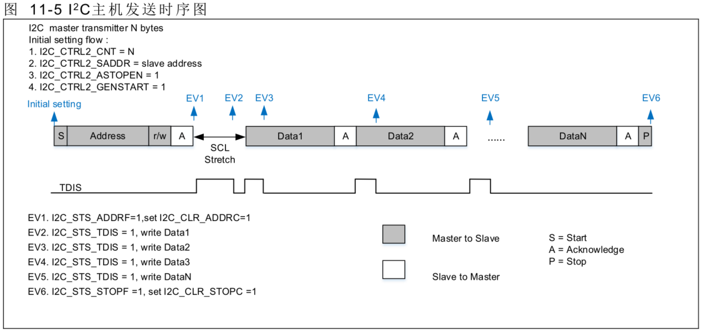
24 | TxDITEN | 0 | rw | TxDITEN : Transmit data interrupt enable 0 : Transmit data interrupt disable. 1 : Transmit data interrupt enable.
23:16:00 | DACNT[7:0] | 0x00 | rw | DACNT : Transmit data counter
15 | NACKEN | 0 | rw | NACKEN : Return non-acknowledge enable 0 : Return ACK. 1 : Return NACK.
14 | STOPGEN | 0 | rw | STOPGEN : STOP condition generation Master mode: 0 : No START condition generation. 1 : STOP condition generation after current byte transfer. Slave mode: 0 : No START condition generation. 1 : Release the SCL/SDA line after current byte tranfer.
13 | STARTGEN | 0 | rw | STARTGEN : START condition generation 0 : No START condition generation. 1 : START condition generation.
12 | TIMOUTEN | 0 | rw | TIMOUTEN : SCL clock timout function enable 0 : Timout function disable 1 : Timout function enable. Set timeout situation in I2C_TMR register.
11 | ADDR10EN | 0 | rw | ADDR10EN : Host send 10-bit address mode enable (Master mode) 0 : 7-bit address. 1 : 10-bit address.
10 | MDIR | 0 | rw | MDIR : Master data transmit direction 0 : Transmit mode 1 : Receive mode
9:0 | SADDR[9:0] | 0x00 | rw | SADDR : The slave address sent by the master |  | Master Received Mode

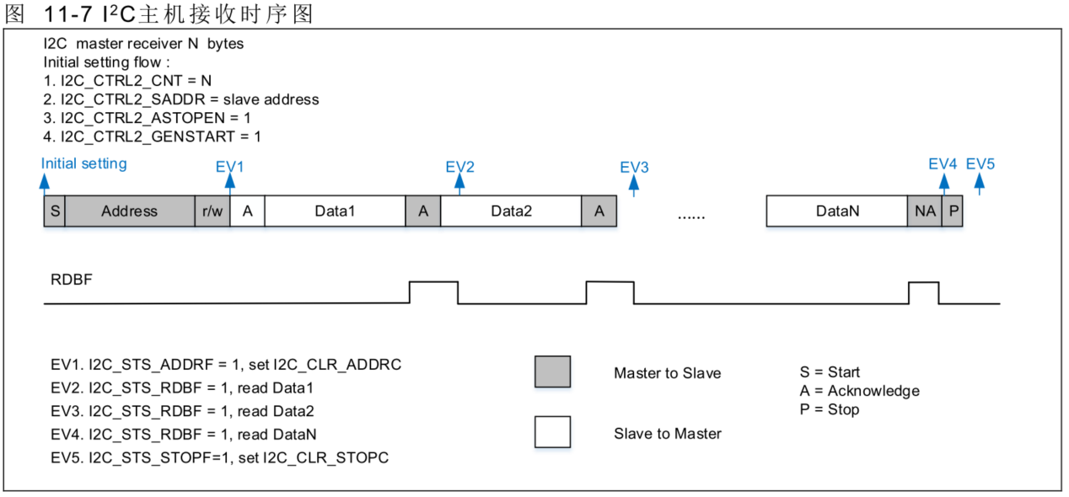
I2Cx_OADDR1(Base_Adr + 0x08)
Bit | REGISTER | Reset value | type | Description
31:16 | Reserved | 0x00 | resd | Forced to be 0
15 | ADDR1MODE | 0 | rw | ADDR1MODE : Address mode (slave mode) 0 : 7 bits address 1 : 10 bits address (只支援單地址功能)
14:10 | Reserved | 0 | rw | Reserved
9:0 | ADDR1 | 0x000 | rw | ADDR1 : Interface address 1 7 bits address mode : only use bits [6:0] 10 bits address mode : use bits [9:0]

I2Cx_OADDR2(Base_Adr + 0x0C)
Bit | REGISTER | Reset value | type | Description
31:16 | Reserved | 0x00 | resd | Forced to be 0
15 | ADDR2EN | 0 | rw | ADDR2EN: Interface address 2 enable 0 : ADDR2 disable 1 : ADDR2 enable
14:7 | Reserved | 0 | resd | Reserved
6:0 | ADDR2 | 0x00 | rw | ADDR2 : Interface address 2 (only 7 bits address mode)

I2Cx_DR(Base_Adr + 0x10)
Bit | REGISTER | Reset value | type | Description
31:16 | Reserved | 0x00 | resd | Forced to be 0
15:8 | RxDR | 0x0000 | r | Receive 8 bits Data Register
7:0 | TxDR | 0x0000 | rw | Transmit 8 bits Data Register

I2Cx_SR(Base_Adr + 0x14)
Bit | REGISTER | Reset value | type | Description
31:25 | SADDRM[6:0] | 0x00 | r | SADDRM : Slave address matching value ADDR1MODE = 0, slave receive 7 bits address. ADDR1MODE = 1, slave receive 10 bits address header.
24 | ADDRSELM | 0 | r | ADDRSELM: ADDR select flag (slave mode) 0 : Received address matched with ADDR1 1 : Received address matched with ADDR2
23:22 | Reserved | 0x00 | r | Reserved
21 | ADDREVT | 0 | r | ADDREVT : Address sent event (master mode)/matched event(slave mode) Master mode: 0 : Address mismatched or not received. 1 : Received address matched. Slave mode: 0 : No end of address transmission. 1 : End of address transmission.
20 | TIMEOUT | 0 | r | TIMEOUT: Timeout error 0 : No Timeout error 1 : Timeout error - SCL remained HIGH or LOW for X ms - When set in master mode : STOP condition generated by hardware. - When set in slave mode : Reset communication and release SDA/SCL by hardware. |  | Slave Transmitted Mode
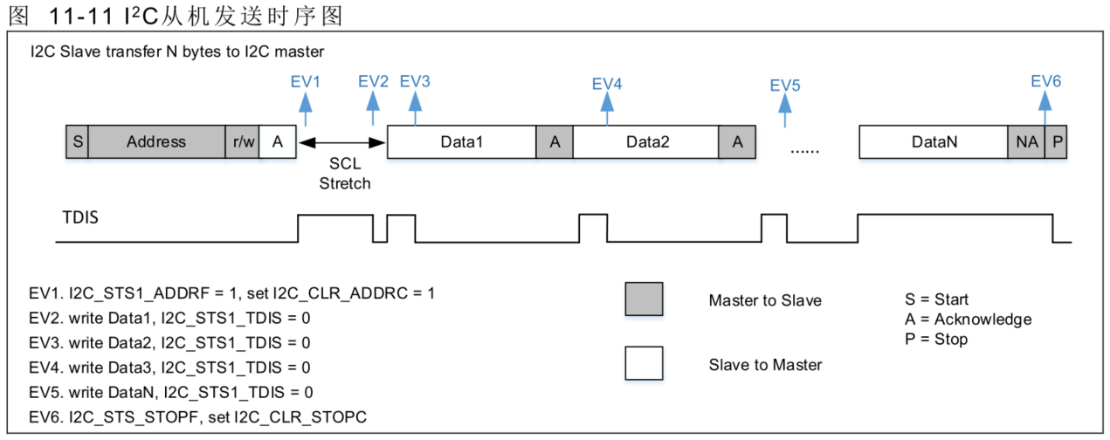
19 | OVR | 0 | r | OVR : Overrun/Underrun error 0 : No Overrun/Underrun error 1 : Overrun/Underrun error - Set by hardware in slave mode when STRETCHEN = 0 - New received byte is lost. A new byte is received and the RxDR register has not been read yet. - The same byte is sent twice. A new byte should be sent and the TxDR register has not been written yet.
18 | ARLO | 0 | r | ARLO : Arbitration lost error (master mode) 0 : No Arbitration lost error 1 : Arbitration lost error - Set by hardware when the interface loses the arbitration of the bus to another master. The interface switches back anutomatically to slave mode after ARLO is set.
17 | BUSERR | 0 | r | BUSERR : Bus error 0 : No misplaced START or STOP condition error 1 : Misplaced START or STOP condition error - Set by hardware when the interface detects an SDA rising or falling edge while SCL is high, and occurring in a non-valid position during a byte transfer.
16 | AF | 0 | r | AF : Acknowledge failure 0 : No Acknowledge failure 1 : Acknowledge failure - Set by hardware when no acknowledge is returned.
15:13 | Reserved | 0x00 | r | Reserved |  | Slave Received Mode
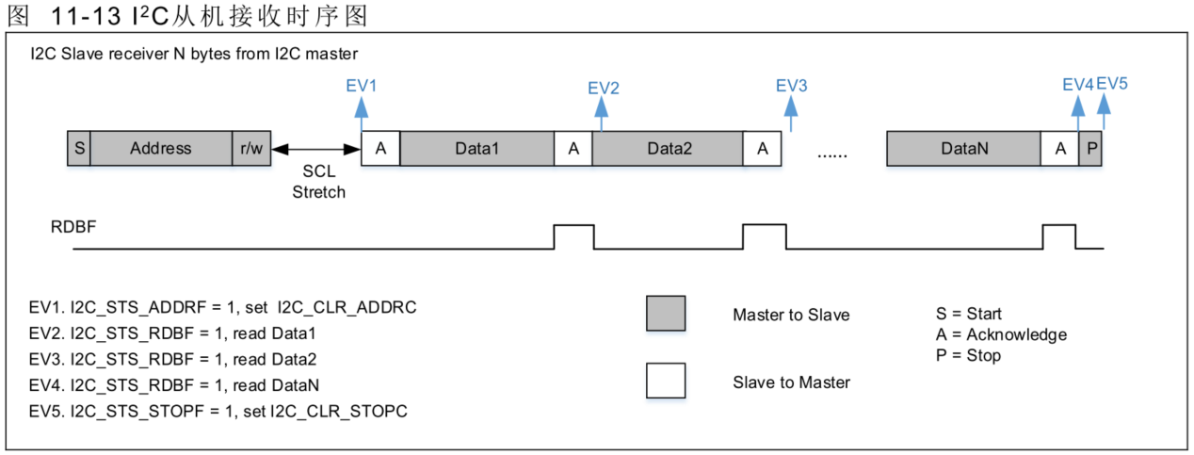
12 | TCRLD | 0 | r | TCRLD : Transmission is complete, waiting to load data 0 : Data byte transfer is not finish. 1 : Data byte transfer is successfully finish. - Used for master mode or slave mode with SLVCTRLEN =1 in RLDEN = 1 situation.
11 | TDC | 0 | r | TDC : Transfer data complete event 0 : Data byte transfer is not finish. 1 : Data byte transfer is successfully finish. - When a new byte is received (including ACK pulse) and RxDR has not been read (RxNE = 1). - When a new byte should be sent and TxDR has not been WRITTEN yet (TxE = 1).
10 | TxIT | 0 | r | TXIT : Transmit data interrupt event 0 : Data already writen in TxDR register. 1 : Data already transfer from TxDR register to shift register. | TDBE
9 | RxNE | 0 | r | RxNE : Rx data register not empty event 0 : RxDR register is empty 1 : RxDR register is not empty | RDBF
8 | TxE | 0 | r | TxE : Tx data register empty event 0 : TxDR register is not empty 1 : TxDR register is empty | TDBE
7:6 | Reserved | 0x00 | r | Reserved
5 | GCAR | 0 | r | GCAR : General call address receive status(slave mode) 0 : No general call 1 : General call address received when GCEN=1
4 | BUSY | 0 | r | BUSY : Bus busy status 0 : No communication on the bus 1 : Communication ongoing on the bus
3 | STOP | 0 | r | STOPF : STOP detection event (slave mode) 0 : No STOP condition detected 1 : STOP condition detected
2 | SB | 0 | r | SB : Start bit event (master mode) 0 : No Start condition 1 : START condition generated
1 | TRM | 0 | r | 2.TRM : Transmitted or received mode 0 : Data byte transmitted mode 1 : Data byte received mode | SDIR
0 | MSM | 0 | r | MSM : Master or slave mode 0 : Slave mode 1 : Master mode

I2Cx_CLR(Base_Adr + 0x18)
Bit | REGISTER | Reset value | type | Description
31:22 | Reserved | 0x00 | w | Reserved
21 | ADDRC | 0 | w | ADDRC: Set 1 to clear I2C_SR_ADDR register
20 | TIMEOUTC | 0 | w | TIMEOUTC: Set 1 to clear I2C_SR_TIMEOUT register
19 | OVRC | 0 | w | OVRC: Set 1 to clear I2C_SR_OVR register
18 | ARLOC | 0 | w | ARLOC: Set 1 to clear I2C_SR_ARLO register
17 | BUSERRC | 0 | w | BUSERRC: Set 1 to clear I2C_SR_BUSERR register
16 | AFC | 0 | w | AFC: Set 1 to clear I2C_SR_AF register
15:5 | Reserved | 0x00 | w | Reserved
4 | BUSYC | 0 | w | BUSYC: Set 1 to clear I2C_SR_BUSY register
3 | STOPC | 0 | w | STOPC: Set 1 to clear I2C_SR_STOP register
2 | SBC | 0 | w | SBC: Set 1 to clear I2C_SR_SB register
1:0 | Reserved | 0x00 | w | Reserved

I2Cx_CLKCTRL(Base_Adr + 0x1C)
Bit | REGISTER | Reset value | type | Description
31:24 | DIV[7:0] | 0x00 | rw | DIV : Clock divider value
23:20 | SCLDLT[3:0] | 0x01 | rw | SCLDLT: SCL output delay time T_SCLDLT = (SCLDLT + 1) * (DIV + 1) * T_I2C_CLK
19:16 | SDADLT[3:0] | 0x02 | rw | SDADLT: SDA output delay time T_SDADLT = (SDADLT + 1) * (DIV + 1) * T_I2C_CLK
15:8 | SCLHVT[7:0] | 0x03 | rw | SCLHVT: SCL high level time T_SCLHVT = (SCLHVT + 1) * (DIV + 1) * T_I2C_CLK
7:0 | SCLLVT[7:0] | 0x04 | rw | SCLLVT: SCL low level time T_SCLLVT = (SCLLVT + 1) * (DIV + 1) * T_I2C_CLK

I2Cx_TMR(Base_Adr + 0x18)
Bit | REGISTER | Reset value | type | Description
31:13 | Reserved | 0x00 | w | Reserved
12 | TMOMODE | 0 | rw | TMOMODE: Timeout detection mode. 0 : Detect low level SCL. 1 : Detect high level SCL.
11:0 | TMOTIME[11:0] | 0x00 | rw | TMOTIME : Timeout detection time. TMOMOD = 0, T = (TMOTIME + 1) * 2048 * T_I2C_CLK TMOMOD = 1, T = (TMOTIME + 1) * 1 * T_I2C_CLK

IWDG
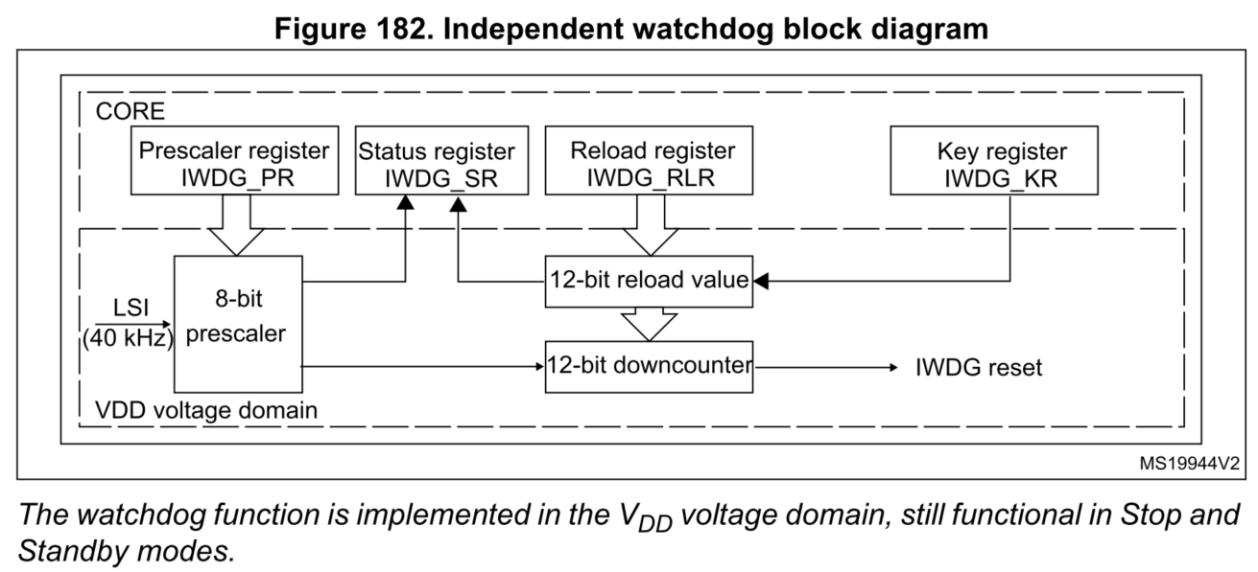
IWDOG_KR(Base_Adr + 0x00)
Bit | REGISTER | Reset value | type | Description
31:16 | Reserved | 0x00 | resd | Forced to be 0
15:0 | KR | 0x0000 | wo | KR : Key register (write only, read 0000h) AAAAh : Reload watchdog counter value by RL. 5555h : Enable to access the IWDG_CR register. CCCCh : Start watchdog function.

IWDOG_CR(Base_Adr + 0x04)
Bit | REGISTER | Reset value | type | Description
31:16 | Reserved | 0x00 | resd | Forced to be 0
15:4 | RL | 0xFFF | rw | RL : Watchdog counter reload value.
3 | Reserved | 0 | resd | Reserved
2:0 | PR | 0x00 | rw | PR: Prescaler divider 0 : divider / 4 1 : divider / 8 2 : divider / 16 3 : divider / 32 4 : divider / 64 5 : divider / 128 6/7 : divider / 256

IWDOG_CR(Base_Adr + 0x08)
Bit | REGISTER | Reset value | type | Description
31:16 | Reserved | 0x00 | resd | Forced to be 0
1 | RVU | 0 | ro | RVU: Watchdog reload value update 0 : RL value update finish. 1 : RL value is updating.
0 | PVU | 0 | ro | PVU: Watchdog prescaler value update 0 : PR value update finish. 1 : PR value is updating.

RTC
RTC_TR(Base_Adr + 0x00)
Bit | REGISTER | Reset value | type | Description | STM32H745/755 SPEC The RTC unit main features are the following (see Figure 578: Detailed RTC block diagram): • Calendar with subseconds, seconds, minutes, hours (12 or 24 format), day (day of week), date (day of month), month, and year. • Daylight saving compensation programmable by software. • Programmable alarm with interrupt function. The alarm can be triggered by any combination of the calendar fields. • Automatic wakeup unit generating a periodic flag that triggers an automatic wakeup interrupt. • Reference clock detection: a more precise second source clock (50 or 60 Hz) can be used to enhance the calendar precision. • Accurate synchronization with an external clock using the subsecond shift feature. • Digital calibration circuit (periodic counter correction): 0.95 ppm accuracy, obtained in a calibration window of several seconds (CALR) • Time-stamp function for event saving • Tamper detection event with configurable filter and internal pull-up • Maskable interrupts/events: – Alarm (only event) (Not compare SS) – Wakeup interrupt – Time-stamp – Tamper detection • 32 backup registers.(From Tamper)
31:23 | Reserved | 0x00 | rw | Reserved
22 | APM | 0 | rw | APM : AM/PM notation 0 : AM or 24-hourformat 1 : PM
21:20 | HRT[1:0] | 0x00 | rw | Hour tens in BCD format
19:16 | HRU[3:0] | 0x00 | rw | Hour unit in BCD format
15 | Reserved | 0 | rw | Reserved
14:12 | MNT[2:0] | 0x00 | rw | Minute tens in BCD format
11:8 | MNU[3:0] | 0x00 | rw | Minute unit in BCD format
7 | Reserved | 0 | rw | Reserved
6:4 | SCT[3:0] | 0x00 | rw | Second tens in BCD format
3:0 | SCU[3:0] | 0x00 | rw | Second unit in BCD format

RTC_DR(Base_Adr + 0x04)
Bit | REGISTER | Reset value | type | Description
31:24 | Reserved | 0x00 | rw | Reserved
23:20 | YRT[3:0] | 0x00 | rw | Year tens in BCD format
19:16 | YRU[3:0] | 0x00 | rw | Year unit in BCD format
15:13 | WDU[2:0] | 0x00 | rw | WDU : Week day units 000: Not allowed 001: Monday ... 111: Sunday
12 | MT | 0x00 | rw | Month tens in BCD format
11:8 | MU[3:0] | 0x00 | rw | Month unit in BCD format
7:6 | Reserved | 0x00 | rw | Reserved
5:4 | DT[1:0] | 0x00 | rw | Date tens in BCD format | 待討論內容： 1. 是否需要RTC_OUT? 2. LOW Power 喚醒行為 M4F read RTC_ISR的FINIF為1的話，則不須搬code至RTC Sram中 3. 額外Sram write protect機制
3:0 | DU[3:0] | 0x00 | rw | Date unit in BCD format

RTC_SSR(Base_Adr + 0x08)
Bit | REGISTER | Reset value | type | Description
31:24 | Reserved | 0x00 | rw | Reserved
15:0 | SS[15:0] | 0x00 | rw | SS : Sub second value Second fraction = (PREDIV_S - SS) / (PREDIV_S + 1) SS can be larger than PREDIV_S only after a shift operation. In that case, the correct time/date is one second less than as indicated by RTC_TR/RTC_DR.

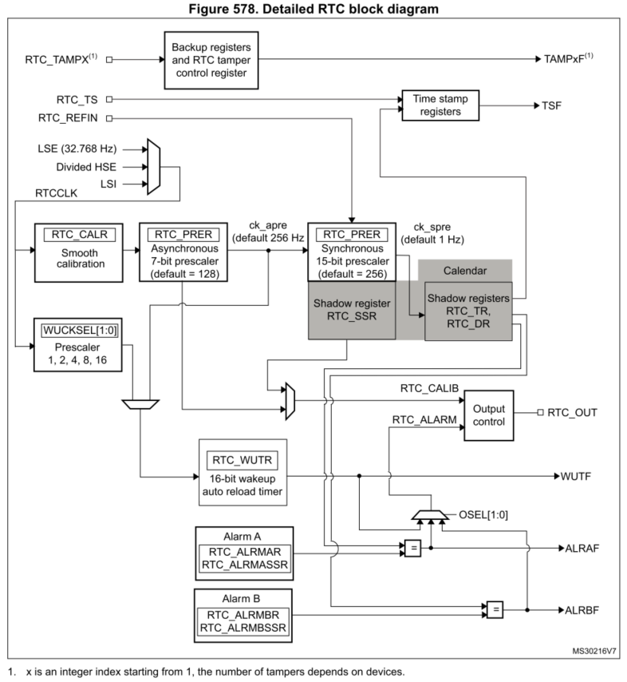
RTC_CR(Base_Adr + 0x0C)
Bit | REGISTER | Reset value | type | Description
31:19 | Reserved | 0x00 | rw | Reserved
18 | INISEL | 0 | rw | INISEL : Inilization the calander and prescaler register. 0 : Free running mode. 1 : Initialization mode used to program RTC_TR, RTC_DR and RTC_PR. Counters are stopped and start counting from the new value when INIT is reset.
17 | CALOSEL | 0 | rw | CALOSEL : Calibration output selection 0: Calibration output is 512 Hz. 1: Calibration output is 1 Hz.
16 | OPOL | 0 | rw | OPOL : Output polarity 0: The pin is high when ALRF/WUTF is asserted 1: The pin is low when ALRF/WUTF is asserted
15 | ALRTYP | 0 | rw | ARLTYP : ALARM output type 0: RTC_ALARM, when mapped on GPIO, is open-drain output. 1: RTC_ALARM, when mapped on GPIO, is push-pull output.
14:13 | OSEL[1:0] | 0x00 | rw | OSEL : Output selection 00 : Output disable. 01 : Wakeup ouput enable. 10 : Alarm output enable. 11 : Not allowed.
12 | HRMODE | 0 | rw | HRMODE : Hour mode 0: 24 hour/day format 1: AM/PM hour format
11 | BYPSHAD | 0 | rw | BYPSHAD : Bypass the shadow registers 0 : Calender value are taken from the shadow register. 1 : Calender value are taken directly from the calendar counters. Note: If the frequency of the APB clock is less than seven times the frequency of RTCCLK, BYPSHAD must be set to 1.
10:8 | WUCKSEL[2:0] | 0x00 | rw | WUCKSEL : Wakeup clock selection 000: RTC/2 clock is selected 001: RTC/4 clock is selected 010: RTC/8 clock is selected 011: RTC/16 clock is selected 1xx: ck_spre (usually 1 Hz) clock is selected
7:6 | Reserved | 0x00 | rw | Reserved
5 | CALOEN | 0 | rw | CALOEN : Calibration output enable 0 : RTC_CALIB ouput disable. 1 : RTC_CALIB ouput enable.
4 | REFCKEN | 0 | rw | REFCKEN : RTC_REFIN reference clock detection enable 0 : RTC_REFIN detection disable. 1 : RTC_REFIN detection enable. Note: PREDIV_S must be 0x00FF.
3 | ALRAIE | 0 | rw | ALRAIE : Alarm interruptenable 0 : Alarm A interrupt disable. 1 : Alarm A interrupt enable.
2 | WUTIE | 0 | rw | WUTIE : Wakeup timer interrupt enable 0 : Wakeup timer interrupt disable. 1 : Wakeup timer interrupt enable.
1 | ALREN | 0 | rw | ALRAEN : Alarm enable 0 : Alarm A disable. 1 : Alarm A enable.
0 | WUTEN | 0 | rw | WUTEN : Wakeup timer enable 0 : Wakeup timer disable. 1 : Wakeup timer enable.

RTC_ISR(Base_Adr + 0x10)
Bit | REGISTER | Reset value | type | Description
31:24 | Reserved | 0x00 | rw | Reserved
10 | RSF | 0 | rc_w0 | RSF: Registers synchronization flag This bit is set by hardware each time the calendar registers are copied into the shadow registers (RTC_SSRx, RTC_TRx and RTC_DRx). This bit is cleared by hardware in initialization mode, while a shift operation is pending (SHPF=1), or when in bypass shadow register mode (BYPSHAD=1). This bit can also be cleared by software.
9 | WUTEF | 0 | rc_w0 | WUTEF : Wakeup timer event flag This flag is set by hardware when the wakeup auto-reload counter reaches 0.
8 | ALREF | 0 | rc_w0 | ALRF : Alarm event flag This flag is set by hardware when the RTC_TR and RTC_DR match the RTC_ALRR.
7:6 | Reserved | 0 | rw | Reserved
5 | RECALPF | 0 | r | RECALPF : Recalibration pending flag The RECALPF status flag is automatically set to 1 when software writes to the RTC_CALR register. When the new calibration settings are taken into account, this bit returns to 0.
4 | CALIF | 0 | r | CALIS : Calander initialization flag When this bit is set to 1, the RTC is in initialization state, and the time, date and prescaler registers can be updated. 0: Calendar registers update is not allowed 1: Calendar registers update is allowed
3 | CALIS | 0 | r | CALIS : Calander initialization status flag This bit is set by hardware when the calendar year field is different from 0. 0: Calendar has not been initialized 1: Calendar has been initialized
3 | SHPF | 0 | r | SHPF : Shift opeartion pending This flag is set by hardware as soon as a shift operation is initiated by a write to the RTC_SHIFTR register, which can shift the clock by up to a second. 0: No shift operation is pending 1: A shift operation is pending
2 | WUTWF | 0 | r | WUTWF : Wakeup timer write flag This bit is set by hardware up to 2 RTCCLK cycles after the WUTE bit has been set to 0 in RTC_CR, and is cleared up to 2 RTCCLK cycles after the WUTE bit has been set to 1.
1 | ALRWF | 0 | r | ALRWF : Alarm write flag This bit is set by hardware when Alarm values can be changed.
0 | FINIF | 0 | r | FINIF : First initial (power on) flag This bit is set when first power on and initialize.

RTC_PR(Base_Adr + 0x14)
Bit | REGISTER | Reset value | type | Description
31:24 | Reserved | 0x00 | rw | Reserved
22:16 | PREDIV_A[6:0] | 0x00 | rw | PREDIV_S : Synchronous prescaler factor This is the asynchronous division factor: ck_apre = RTCCLK/(PREDIV_A+1), RTCCLK is 32.768 kHz
15 | Reserved | 0 | rw | Reserved
14:0 | PREDIV_S[14:0] | 0x00 | rw | PREDIV_S : Synchronous prescaler factor This is the synchronous division factor: ck_spre = ck_apre/(PREDIV_S+1)

RTC_WUTR(Base_Adr + 0x18)
Bit | REGISTER | Reset value | type | Description
31:24 | Reserved | 0x00 | rw | Reserved
15:0 | WUT[15:0] | 0x00 | rw | WUT : Wakeup auto-reload value bits When the wakeup timer is enabled, the WUTF flag is set every (WUT[15:0] + 1) ck_wut cycles.

RTC_ALRR(Base_Adr + 0x1C)
Bit | REGISTER | Reset value | type | Description
31 | DATEN | 0x00 | rw | MNEN : Alarm date compare enable 0: Set Alarm if the date match 1: Date don’t care in Alarm comparison
30 | WDSEL | 0x00 | rw | WDSEL : Week day selection 0: Compare ALRR_DT/ALRR_DU with DR_DT/DR_DU. 1: Compare weekday (ALRR_DU with DR_WDU), ALRR_DT no need to care.
29:28 | DT[1:0] | 0x00 | rw | Date tens in BCD format
27:24 | DU[3:0] | 0x00 | rw | Date unit in BCD format
23 | HREN | 0 | rw | MNEN : Alarm hours compare enable 0: Set Alarm if the hours/apm match 1: Hours/apm don’t care in Alarm comparison
22 | APM | 0 | rw | APM : AM/PM notation 0 : AM or 24-hourformat 1 : PM
21:20 | HRT[1:0] | 0x00 | rw | Hour tens in BCD format
19:16 | HRU[3:0] | 0x00 | rw | Hour unit in BCD format
5 | MNEN | 0 | rw | MNEN : Alarm minutes compare enable 0: Set Alarm if the minutes match 1: Minutes don’t care in Alarm comparison
14:12 | MNT[2:0] | 0x00 | rw | Minute tens in BCD format
11:8 | MNU[3:0] | 0x00 | rw | Minute unit in BCD format
7 | SCEN | 0 | rw | SCEN : Alarm seconds compare enable 0: Set Alarm if the seconds match 1: Seconds don’t care in Alarm comparison
6:4 | SCT[3:0] | 0x00 | rw | Second tens in BCD format
3:0 | SCU[3:0] | 0x00 | rw | Second unit in BCD format

RTC_KR(Base_Adr + 0x20)
Bit | REGISTER | Reset value | type | Description
31:16 | Reserved | 0x00 | w | Reserved
15:8 | SRMK[7:0] | 0x00 | w | SRMK : Internal sram write protection key This byte is written by software. Reading this byte always returns 0x00.
7:0 | RTCK[7:0] | 0x00 | w | RTCK : RTC Write protection key This byte is written by software. Reading this byte always returns 0x00. Protected regiater are RTC_TR/DR/SSR/CR/WUTR/ALLR/CALR. Set 0xCA -> 0x53 to disable write protection, set other vale to enable write protection.

RTC_CALR(Base_Adr + 0x24)
Bit | REGISTER | Reset value | type | Description
31:24 | Reserved | 0x00 | w | Reserved
15 | CALP | 0 | rw | CALP: Increase frequency of RTC by 488.5 ppm 0: No RTCCLK pulses are added. 1: One RTCCLK pulse is effectively inserted every 211 pulses (frequency increased by 488.5 ppm).
14:13 | CALWM | 0x00 | rw | CALWM : Calibration cycle period wait seconds mode 00 : 32 seconds period cycle. 01 : 16 seconds period cycle. 10 : 8 seconds period cycle. 11 : Not allowed.
12:9 | Reserved | 0 | rw | Reserved
8:0 | CALM[8:0] | 0x00 | rw | CALM : Calibration minus This byte is written by software. Reading this byte always returns 0x00. If PREDIV_A >= 3 F_CAL = F_RTCCLK x [1 + (CALP x 512 - CALM) / (2^20 + CALM - CALP x 512)] Else F_CAL = F_RTCCLK x [1 + (256 - CALM) / (2^20 + CALM - 256)]

ADC
RTC_CR(Base_Adr + 0x00) |  |  |  |  | 目標功能 - 12-bit, 10-bit, 8-bit or 6-bit configurable resolution (Low resolution High Speed) - 8 regular channel, 2 injected channel - Interrupt generation - End of Conversion - Conversion overflow - voltage outside the threshold programmed - Single and continuous conversion modes - Scan, External trigger and Discontinuous mode - Analog Watch Dog - Oversampling - Self-calibration - Data alignment with in-built data coherency - Each channel can independently define its own sampling time - ADC conversion time: ? us at ? MHz (?MSPS) - ADC calibration time : ? clock - ADC supply requirement: ? v to ? v - ADC input range: VREF- < VIN < VREF+ | AT32F435 - 12-bit, 10-bit, 8-bit or 6-bit configurable resolution - Self-calibration time: 205 ADC clock cycles - ADC conversion time − Fast channel: ADC conversion time is 0.1875 μs at 80 MHz in 12-bit resolution (5.33MSps) − Slow channel: ADC conversion time is 0.2375 μs at 80 MHz in 12-bit resolution (4.21MSps) − Fast channel: ADC conversion time is 0.1126 μs at 80 MHz in 6-bit resolution (8.88MSps) − Slow channel: ADC conversion time is 0.1626 μs at 80 MHz in 6-bit resolution (6.15MSps)  ADC input range: V REF- ≤ V IN ≤ V REF+ - Regular channels and preempted channels with different priority - Regular channels and preempted channels both have their own trigger detection circuit - Each channel can independently define its own sampling time - Conversion sequence supports various conversion modes  Oversampling  Optional data alignment mode  Programmable voltage monitor threshold  Regular channels with DMA transfers - Interrupt generation at one of the following events: ― Conversion overflow of regular channels ― End of the conversion of preempted channels ― End of the conversion of regular channels ― Voltage outside the threshold programmed  ADC master/slave modes - Master/slave shift mode with programmable timing shift length between ADCs ― Master-slave mode with DMA is suited to high-performance requirements
Bit | REGISTER | Reset value | type | Description
31:23 | Reserved | 0x00 | rw | Reserved
21:19 | AWDCH[2:0] | 0x00 | rw | AWDCH[4:0]: Analog watchdog channel select bits These bits are set and cleared by software. They select the input channel to be guarded by the Analog watchdog. 000: ADC analog Channel0 001: ADC analog Channel1 .... 111: ADC analog Channel7
18 | AWDSGL | 0 | rw | AWDSMOD: Analog watchdog enable in single channel or not 0: Analog watchdog enabled on all channels 1: Analog watchdog enabled on a single channel
17 | AWDIE | 0 | rw | AWDIE: Analog watchdog interrupt enable 0: Analog watchdog interrupt disabled 1: Analog watchdog interrupt enabled
16 | AWDEN | 0 | rw | AWDEN: Analog watchdog enable on regular channels. 0: Analog watchdog disabled 1: Analog watchdog enabled
15:14 | Reserved | 0x00 | rw | Reserved
13 | ALIGN | 0 | rw | ALIGN: Data alignment 0: Right Alignment 1: Left Alignment
12 | CALEN | 0 | rw | CALEN : ADC calibration enable This bit is set by software to start the calibration. It is reset by hardware after calibration is complete. 0: Calibration completed 1: Enable calibration
11 | SWSTART | 0 | rw | SWSTART: Start conversion of regular channels This bit is set by software to start conversion and cleared by hardware as soon as conversion starts. 0: Reset state 1: Starts conversion of regular channels
10:9 | EXTSEL[2:0] | 0 | rw | EXTSEL[2:0]: External event select for regular group 000: Timer 1 CC1 event 001: Timer 1 CC2 event 010: Timer 1 CC3 event 011: Timer 2 CC2 event 100: Timer 3 TRGO event 101: Timer 4 CC4 event 110: EXTI line 11/TIM8_TRGO event (TIM8_TRGO is available only in high-density and XL-density devices) 111: SWSTART | 簡化刪除功能： 1. DMA Request 2. Dual mode (ST) 3. Temperature sensor (ST/ARTERY) 4. Master/Slave mode (ARTERY) 5. Gain and offset compensation (ST)
8 | EXTTRIGEN | 0 | rw | EXTTRIGEN: External trigger conversion mode enable 0: Conversion on external event disabled 1: Conversion on external event enabled
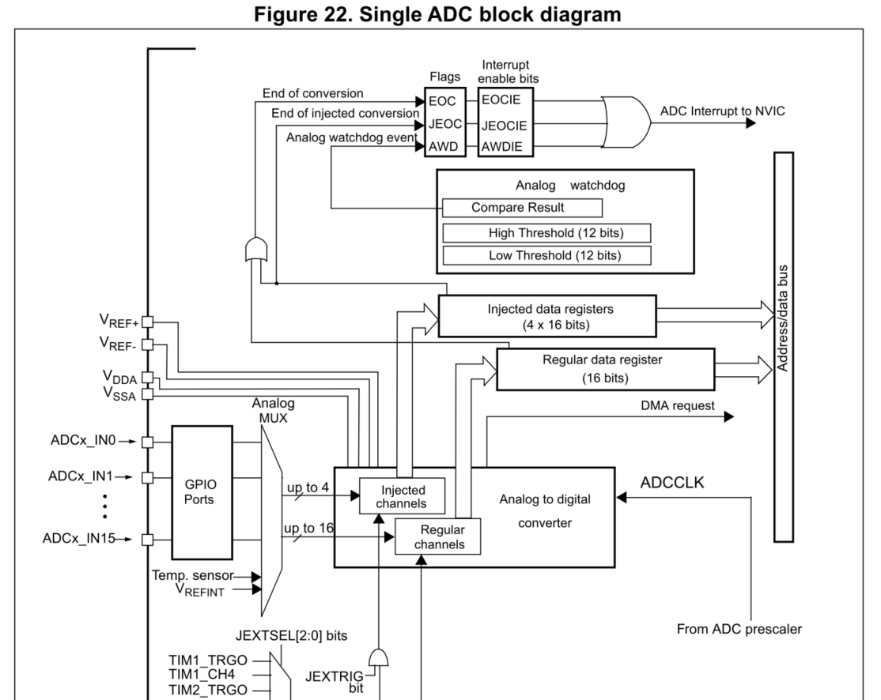
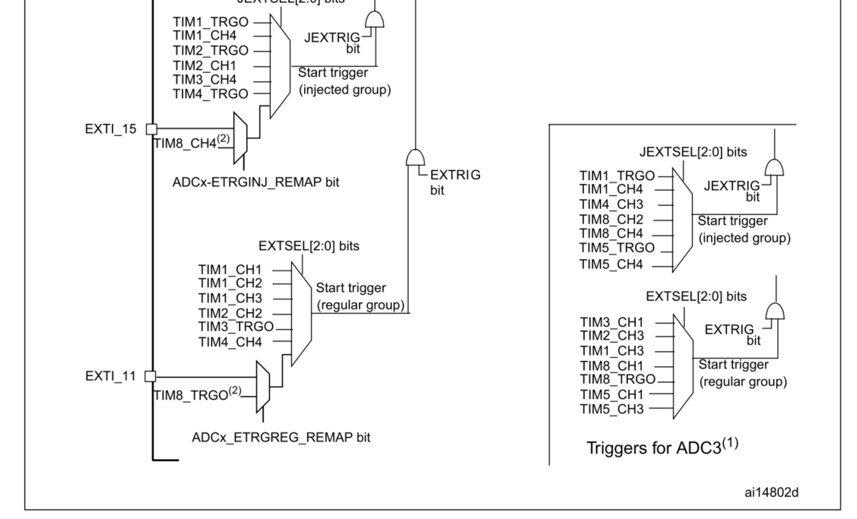
7:5 | DISCNUM[2:0] | 0 | rw | DISCNUM[2:0]: Discontinuous mode channel count These bits are written by software to define the number of regular channels to be converted in discontinuous mode, after receiving an external trigger. 000: 1 channel 001: 2 channels ....... 111: 8 channels |  | STM32F101XX - 12-bit resolution - Interrupt generation at End of Conversion, End of Injected conversion and Analog watchdog event - Single and continuous conversion modes - Scan mode for automatic conversion of channel 0 to channel ‘n’ - Self-calibration - Data alignment with in-built data coherency - Channel by channel programmable sampling time - External trigger option for both regular and injected conversion - Discontinuous mode - Dual mode (on devices with 2 ADCs or more) - ADC conversion time: – STM32F103xx performance line devices: 1 µs at 56 MHz (1.17 µs at 72 MHz) – STM32F101xx access line devices: 1 µs at 28 MHz (1.55 µs at 36 MHz) – STM32F102xx USB access line devices: 1.2 µs at 48 MHz – STM32F105xx and STM32F107xx devices: 1 µs at 56 MHz (1.17 µs at 72 MHz) - ADC supply requirement: 2.4 V to 3.6 V - ADC input range: VREF- < VIN < VREF+
4 | DISCEN | 0 | rw | DISCEN: Discontinuous mode on regular channels 0: Discontinuous mode disabled 1: Discontinuous mode enabled
3 | SCANEN | 0 | rw | SCAN: Scan mode enable 0: Scan mode disabled 1: Scan mode enabled
2 | SCCM | 0 | rw | SCCM : Single/Continuous convertion mode 0 : Single conversion mode 1 : Continuous conversion mode
1 | EOCIE | 0 | rw | EOCIE: Interrupt enable for EOC 0: EOC interrupt disabled 1: EOC interrupt enabled.
0 | ADCEN | 0 | rw | ADCEN : ADC converter enable/disable 0 : ADC converter disable. 1 : ADC converter enable.

RTC_JCR(Base_Adr + 0x04)
Bit | REGISTER | Reset value | type | Description
31:8 | Reserved | 0x00 | rw | Reserved
7 | JAWDEN | 0 | rw | JAWDEN: Analog watchdog enable on injected channels 0: Analog watchdog on injected channels disabled 1: Analog watchdog on injected channels enabled
6 | JSWSTART | 0 | rw | JSWSTART: Start conversion of injected channels This bit is set by software to start conversion and cleared by hardware as soon as conversion starts. 0: Reset state 1: Starts conversion of injected channels
5:4 | JEXTSEL[2:0] | 0 | rw | JEXTSEL[2:0]: External event select for injected group 000: Timer 1 CC1 event 001: Timer 1 CC2 event 010: Timer 1 CC3 event 011: Timer 2 CC2 event 100: Timer 3 TRGO event 101: Timer 4 CC4 event 110: EXTI line 11/TIM8_TRGO event (TIM8_TRGO is available only in high-density and XL-density devices) 111: JSWSTART
3 | JEXTTRIGEN | 0 | rw | JEXTTRIGEN: External trigger conversion mode enable for injected channels 0: Conversion on external event disabled 1: Conversion on external event enabled
2 | JDISCEN | 0 | rw | JDISCEN: Discontinuous mode on injected channel 0: Discontinuous mode on injected channel disabled 1: Discontinuous mode on injected channel enabled |  | STM32G431 Spec • 12-bit native resolution, with built-in calibration • 4 Msps maximum conversion rate with full resolution – Down to 41.67 ns sampling time – Increased conversion rate for lower resolution (up to 6.66 Msps for 6-bit resolution) • One external reference pin is available on all packages, allowing the input voltage range to be independent from the power supply • Single-ended and differential mode inputs • Low-power design – Capable of low-current operation at low conversion rate (consumption decreases linearly with speed) – Dual clock domain architecture: ADC speed independent from CPU frequency • Highly versatile digital interface – Single-shot or continuous/discontinuous sequencer-based scan mode: 2 groups of analog signals conversions can be programmed to differentiate background and high-priority real-time conversions – Each ADC support multiple trigger inputs for synchronization with on-chip timers and external signals – Results stored into a data register or in RAM with DMA controller support – Data pre-processing: left/right alignment and per channel offset compensation – Built-in oversampling unit for enhanced SNR – Channel-wise programmable sampling time – Analog watchdog for automatic voltage monitoring, generating interrupts and trigger for selected timers – Hardware assistant to prepare the context of the injected channels to allow fast context switching – Flexible sample time control – Hardware gain and offset compensation
1 | JAUTO | 0 | rw | JAUTO: Automatic Injected Group conversion This bit set and cleared by software to enable/disable automatic injected group conversion after regular group conversion. 0: Automatic injected group conversion disabled 1: Automatic injected group conversion enabled
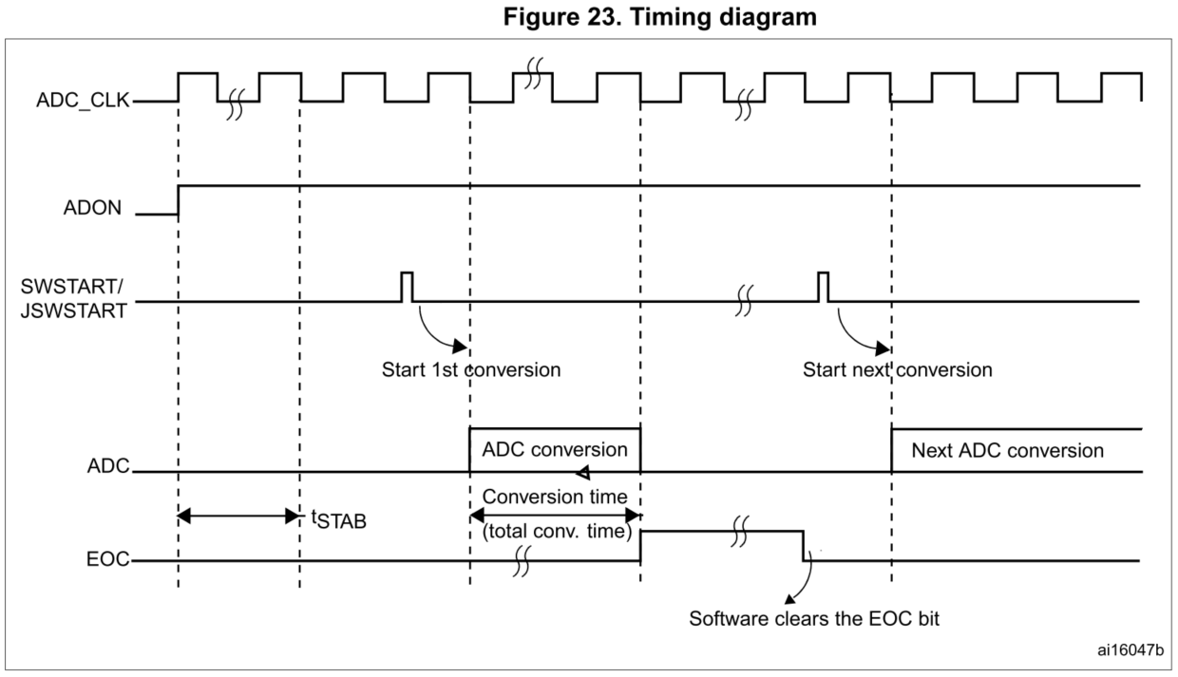
0 | JEOCIE | 0 | rw | JEOCIE: Interrupt enable for EOC on injected channel 0: EOC interrupt on injected channel disabled 1: EOC interrupt on injected channel enabled

RTC_SR(Base_Adr + 0x08)
Bit | REGISTER | Reset value | type | Description
31:5 | Reserved | 0x00 | rw | Reserved
4 | JEOCF | 0 | r_w0 | JEOC: End of conversion flag on injected channels This bit is set by hardware at the end of a group channel conversion. It is cleared by software or by reading the ADC_DR. 0: Conversion is not complete 1: Conversion complete
3 | JSTARF | 0 | r_w0 | JSTART: Start flag on injected channels This bit is set by hardware when regular channel conversion starts. It is cleared by software. 0: No channel conversion started 1: Channel conversion has started
2 | AWDF | 0 | r_w0 | AWDF: Analog watchdog flag This bit is set by hardware when the converted voltage crosses the values programmed in the ADC_LTR and ADC_HTR registers. It is cleared by software. 0: No Analog watchdog event occurred 1: Analog watchdog event occurred
1 | EOCF | 0 | r_w0 | EOC: End of conversion flag This bit is set by hardware at the end of a group channel conversion. It is cleared by software or by reading the ADC_DR. 0: Conversion is not complete 1: Conversion complete
0 | STARF | 0 | r_w0 | START: Start flag This bit is set by hardware when regular channel conversion starts. It is cleared by software. 0: No channel conversion started 1: Channel conversion has started

RTC_AWDR(Base_Adr + 0x0C)
Bit | REGISTER | Reset value | type | Description
31:28 | Reserved | 0x00 | rw | Reserved
27:16 | AWDHT | 0 | rw | AWDHT[11:0]: Analog watchdog high threshold These bits are written by software to define the high threshold for the analog watchdog.
15:12 | Reserved | 0x00 | rw | Reserved
11:0 | AWDLT | 0 | rw | AWDLT[11:0]: Analog watchdog low threshold These bits are written by software to define the low threshold for the analog watchdog.

RTC_SMPR(Base_Adr + 0x00)
Bit | REGISTER | Reset value | type | Description
31:25 | Reserved | 0x00 | rw | Reserved
24:22 | SMP7[2:0] | 0x00 | rw | SMPx[2:0]: Channel x Sample time selection These bits are written by software to select the sample time individually for each channel. During sample cycles channel selection bits must remain unchanged. 000: 1.5 cycles, 001: 7.5 cycles, 010: 13.5 cycles, 011: 28.5 cycles 100: 41.5 cycles, 101: 55.5 cycles , 110: 71.5 cycles, 111: 239.5 cycles
21:19 | SMP6[2:0] | 0x00 | rw
18:16 | SMP5[2:0] | 0x00 | rw
15 | Reserved | 0 | rw | Reserved
14:12 | SMP4[2:0] | 0x00 | rw | SMPx[2:0]: Channel x Sample time selection These bits are written by software to select the sample time individually for each channel. During sample cycles channel selection bits must remain unchanged. 000: 1.5 cycles, 001: 7.5 cycles, 010: 13.5 cycles, 011: 28.5 cycles 100: 41.5 cycles, 101: 55.5 cycles , 110: 71.5 cycles, 111: 239.5 cycles
11:9 | SMP3[2:0] | 0x00 | rw
8:6 | SMP2[2:0] | 0x00 | rw
5:3 | SMP1[2:0] | 0x00 | rw
2:0 | SMP0[2:0] | 0x00 | rw

RTC_SMPR(Base_Adr + 0x10)
Bit | REGISTER | Reset value | type | Description
31:28 | Reserved | 0x00 | rw | Reserved
27:16 | JOFFSET1[11:0] | 0x00 | rw | JOFFSET1[11:0]: Data offset for injected channel 1 These bits are written by software to define the offset to be subtracted from the raw converted data (ADC_JDR1) when converting injected channels.
15:12 | Reserved | 0x00 | rw | Reserved
11:0 | JOFFSET0[11:0] | 0x00 | rw | JOFFSET0[11:0]: Data offset for injected channel 0 These bits are written by software to define the offset to be subtracted from the raw converted data (ADC_JDR0) when converting injected channels.

RTC_SQR(Base_Adr + 0x14)
Bit | REGISTER | Reset value | type | Description
31:30 | Reserved | 0x00 | rw | Reserved
29:27 | RSL[2:0] | 0x00 | rw | RSL[3:0]: Regular channel sequence length These bits are written by software to define the total number of conversions in the regular channel conversion sequence. 000: 1 conversion 001: 2 conversions ..... 111: 7 conversions
26:24 | SQ4[2:0] | 0x00 | rw | SQ7[2:0]: 7th conversion in regular sequence These bits are written by software with the channel number (0..7) assigned as the 7th in the sequence to be converted.
23:22 | Reserved | 0x00 | rw | Reserved
21:19 | SQ3[2:0] | 0x00 | rw | SQ6[2:0]: 6th conversion in regular sequence
18:16 | SQ2[2:0] | 0x00 | rw | SQ5[2:0]: 5th conversion in regular sequence
15:14 | Reserved | 0x00 | rw | Reserved
13:11 | SQ4[2:0] | 0x00 | rw | SQ4[2:0]: Fourth conversion in regular sequence
10:8 | SQ3[2:0] | 0x00 | rw | SQ3[2:0]: Third conversion in regular sequence
7:6 | Reserved | 0x00 | rw | Reserved
5:3 | SQ2[2:0] | 0x00 | rw | SQ2[2:0]: Second conversion in regular sequence
2:0 | SQ1[2:0] | 0x00 | rw | SQ1[2:0]: First conversion in regular sequence

RTC_JSQR(Base_Adr + 0x18)
Bit | REGISTER | Reset value | type | Description
31:30 | Reserved | 0x00 | rw | Reserved
29:27 | JSL | 0x00 | rw | JSL: Regular channel sequence length These bits are written by software to define the total number of conversions in the injected channel conversion sequence. 0: 1 conversion (JSQ1) 1: 2 conversion (JSQ1 >> JSQ2)
7:6 | Reserved | 0x00 | rw | Reserved
5:3 | JSQ2[2:0] | 0x00 | rw | SQ2[2:0]: Second conversion in injected sequence
2:0 | JSQ1[2:0] | 0x00 | rw | SQ1[2:0]: First conversion in injected sequence

RTC_DR(Base_Adr + 0x1C)
Bit | REGISTER | Reset value | type | Description
31:16 | JDATA[15:0] | 0x00 | r | JDATA[15:0]: Injected channel data They contain the conversion result from the injected channels after left/right-aligned.
15:0 | DATA[15:0] | 0x00 | r | DATA[15:0]: Regular channel data They contain the conversion result from the regular channels after left/right-aligned.

DAC
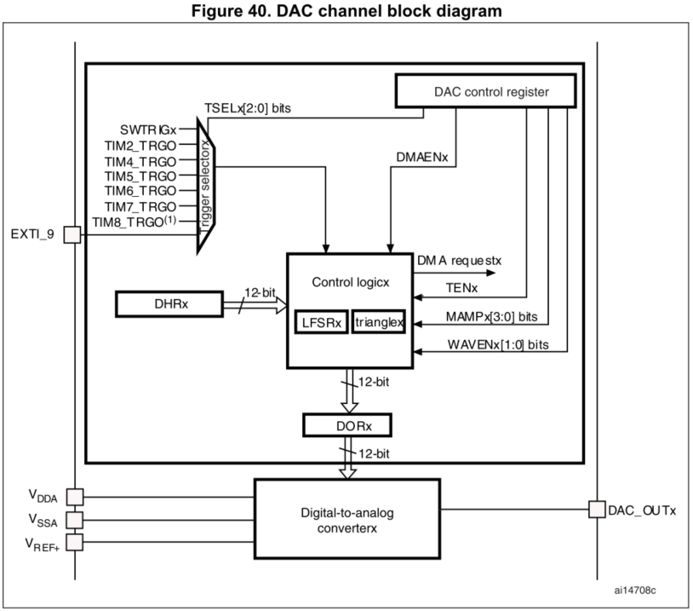
RTC_CR(Base_Adr + 0x00) |  |  |  |  | STM32F101XX Spec - Two DAC converters: one output channel each - Left or right data alignment in 12/8 bits mode - Synchronized update capability - Noise-wave generation - Triangular-wave generation - Dual DAC channel independent or simultaneous conversions - DMA capability for each channel - External triggers for conversion - Input voltage reference VREF+
Bit | REGISTER | Reset value | type | Description
31:14 | Reserved | 0x00 | rw | Reserved
13:10 | MAMP1[3:0] | 0x00 | rw | MAMP1[3:0]: DAC channel mask/amplitude selector 0000: Unmask bit0 of LFSR/ triangle amplitude equal to 1 0001: Unmask bits[1:0] of LFSR/ triangle amplitude equal to 3 0010: Unmask bits[2:0] of LFSR/ triangle amplitude equal to 7 0011: Unmask bits[3:0] of LFSR/ triangle amplitude equal to 15 0100: Unmask bits[4:0] of LFSR/ triangle amplitude equal to 31 0101: Unmask bits[5:0] of LFSR/ triangle amplitude equal to 63 0110: Unmask bits[6:0] of LFSR/ triangle amplitude equal to 127 0111: Unmask bits[7:0] of LFSR/ triangle amplitude equal to 255 1000: Unmask bits[8:0] of LFSR/ triangle amplitude equal to 511 1001: Unmask bits[9:0] of LFSR/ triangle amplitude equal to 1023 1010: Unmask bits[10:0] of LFSR/ triangle amplitude equal to 2047 1011: Unmask bits[11:0] of LFSR/ triangle amplitude equal to 4095
9:8 | WAVE[1:0] | 0x00 | rw | WAVE1[1:0]: DAC channel1 noise/triangle wave generation enable 00: wave generation disabled 01: Noise wave generation enabled 1x: Triangle wave generation enabled
7 | Reserved | 0 | rw | Reserved
6:4 | EXTSEL[2:0] | 0x00 | rw | EXTSEL[2:0]: DAC channel1 trigger selection 000: Timer 6 TRGO event 001: Timer 3 TRGO event 010: Timer 7 TRGO event 011: Timer 5 TRGO event 100: Timer 2 TRGO event 101: Timer 4 TRGO event 110: External line9 111: Software trigger
3 | SWTRIEN | 0 | rw | SWTRIEN: DAC channel software trigger enable 0: Software trigger disabled 1: Software trigger enabled
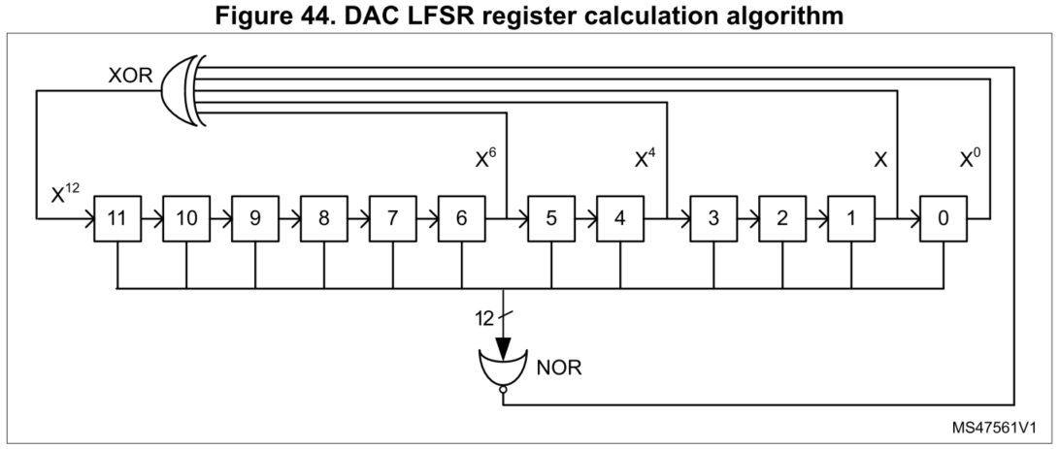
2 | EXTEN | 0 | rw | EXTEN: DAC external trigger disable 0: DAC output buffer enabled 1: DAC output buffer enabled disabled
1 | BUFEN | 1 | rw | BUFEN: DAC output buffer disable 0: DAC output buffer enabled 1: DAC output buffer enabled disabled
0 | DACEN | 0 | rw | DACEN: DAC channel enable 0: DAC disabled 1: DAC enabled

RTC_DHR12(Base_Adr + 0x04)
Bit | REGISTER | Reset value | type | Description
21:20 | DH12L[11:0] | 0x00 | rw | DH12L[11:0]: DAC channel 12-bit left-aligned data holding register
19:12 | Reserved | 0x00 | rw | Reserved
11:0 | DH12R[11:0] | 0x00 | rw | DH12R[11:0]: DAC channel 12-bit right-aligned data holding register

RTC_DHR8(Base_Adr + 0x08)
Bit | REGISTER | Reset value | type | Description
31:8 | Reserved | 0x00 | rw | Reserved
7:00 | DH8R[7:0] | 0x00 | rw | DH8R[11:0]: DAC channel 8-bit right-aligned data holding register

RTC_DOR(Base_Adr + 0x0C)
Bit | REGISTER | Reset value | type | Description
31:8 | Reserved | 0x00 | rw | Reserved
11:00 | DOR[7:0] | 0x00 | rw | DOR[11:0]: DAC channel data output

