I2S
I2Sx_CTRL1 (Base_Adr + 0x00)
Bit | REGISTER | Reset value | type | Description
15:9 | Reserved | 0x00 | resd | Forced to be 0
8 | I2SEN | 0x00 | rw | I2S enable 0 : DISABLE 1: Enable
7:6 | OPERSEL | 0x00 | rw | I2S operation mode select 00 : slave device transmission mode 01: slave device reception mode 10 : master device transmission mode 11 : master device repection mode |  | 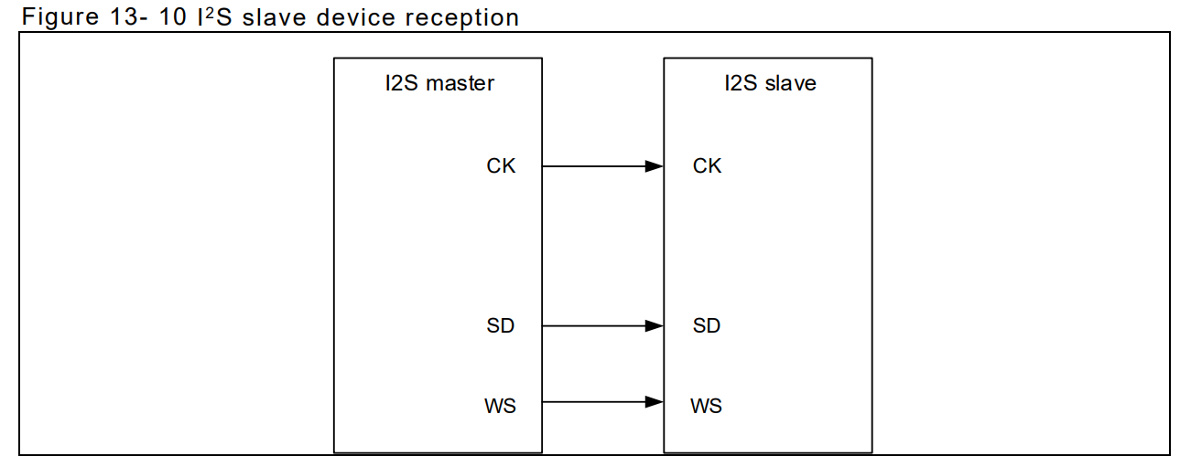 | 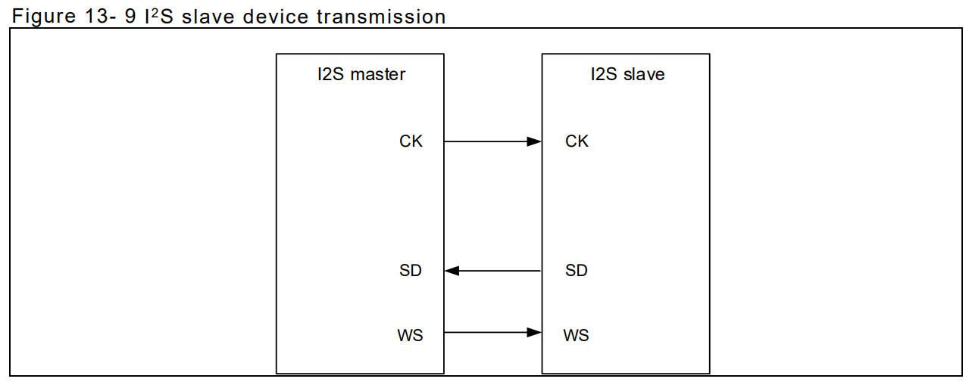
5:4 | STDSEL | 0x00 | rw | I2S standard select 00: Philips standard 01: MSB-aligned standard (left-aligned) 10: LSB-aligned standard (right-aligned)
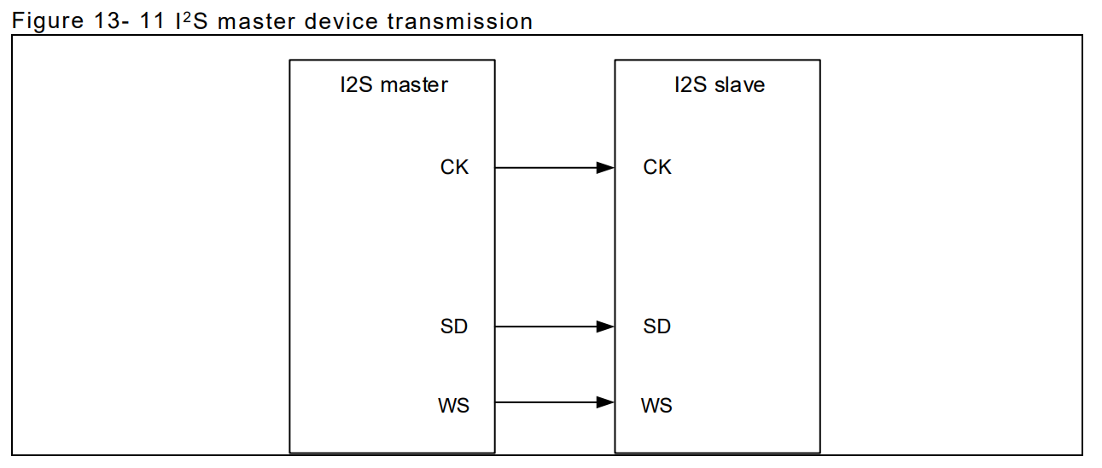
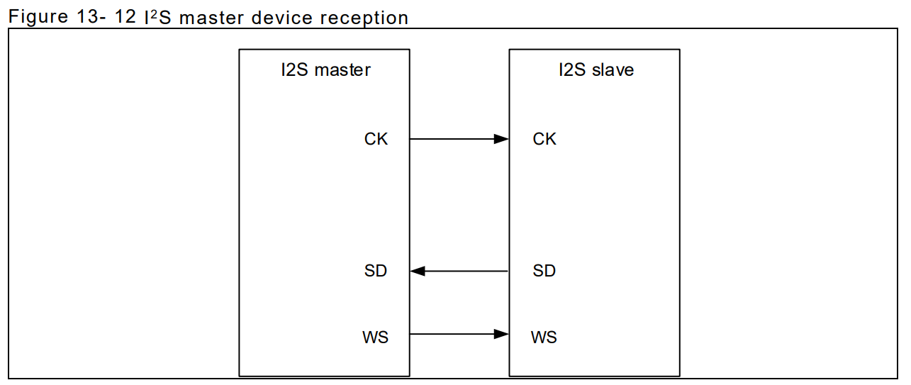
3 | I2SCLKPOL | 0x00 | rw | I2S clock polarity This bit indicates the clock polarity on the clock pin in idle state. 0: Low 1: High
2:1 | I2SDBN | 0x00 | rw | I2S data bit num 00: 16-bit data length 01: 24-bit data length 10: 32-bit data length 11: Not allowed.
0 | I2SCBN | 0x00 | rw | I2S channel bit num This bit can be configured only when the I 2S is set to 16-bit data; otherwise, it is fixed to 32-bit by hardware. 0: 16-bit wide 1: 32-bit wide

I2Sx_CTRL2(Base_Adr + 0x04)
Bit | REGISTER | Reset value | type | Description
15:5 | Reserved | 0x00 | resd | Forced to be 0
4 | TDBEIE | 0x00 | rw | Transmit data buffer empty interrupt enable 0: Disabled 1: Enabled
3 | RDBFIE | 0x00 | rw | Receive data buffer full interrupt enable 0: Disabled 1: Enabled
2 | ERRIE | 0x00 | rw | Error interrupt enable This bit controls interrupt generation when errors occur (ROERR and TUERR) 0: Disabled 1: Enabled
1 | DMATEN | 0x00 | rw | DMA transmit enable 0: Disabled 1: Enabled。
0 | DMAREN | 0x00 | rw | DMA receive enable 0: Disabled 1: Enabled

I2Sx_STS(Base_Adr + 0x08)
Bit | REGISTER | Reset value | type | Description
15:7 | Reserved | 0x00 | resd | Forced to be 0
6 | CBOERR | 0x00 | ro | Channel Bit overflow Error 0 : No Overflow occure 1 : Overflow error occure | CBOERR/CBUERR : 當I2S為 Slave Mode 並設定Channel Bit Num = 16/32,但接收到CK:WS != 16:1或 32:1時 CBOERR/CBUERR 被硬體設定 1
5 | CBUERR | 0x00 | ro | Channel Bit Underflow Error 0 : No Overflow occure 1 : Overflow error occure
4 | ROERR | 0x00 | ro | Receiver overflow error 0: No overflow error 1: Overflow error occurs. | ROERR : 當 I2S 資料寄存器已暫存一筆待讀數據時，又收到一筆新資料，則會發生接收器溢出錯誤，ROERR被硬體置 1，如果開啟了錯誤中斷使能（ERRIE=1），則會產生錯誤中斷
3 | TUERR | 0x00 | ro | Transmitter underload error Set by hardware, and cleared by software 0: No underload error 1: Underload error occurs
2 | ACS | 0x00 | ro | Audio channel state This bit indicates the status of the current audio channel. 0: Left channel 1: Right channel | TUERR：在 I2S 從發模式下，如果在 CK 上檢測到了資料驅動沿，但新的發送資料並沒有被寫入資料寄存器，則會產生發送器欠載錯誤，此時硬體會將 TUERR 位置 1。軟體讀 SPI_STS 寄存器可清除該標誌位元。
1 | TDBE | 0x01 | ro | Transmit data buffer empty 0: Transmit data buffer is not empty. 1: Transmit data buffer is empty.
0 | RDBF | 0x00 | ro | Receive data buffer full 0: Transmit data buffer is not full. 1: Transmit data buffer is full.

I2Sx_DT(Base_Adr + 0x0C)
Bit | REGISTER | Reset value | type | Description
31:0 | DT | 0x00000000 | rw | Data value This register controls read and write operations

Ref AN0102 AT32 MCU SPI/I2S入门指南

TIMER
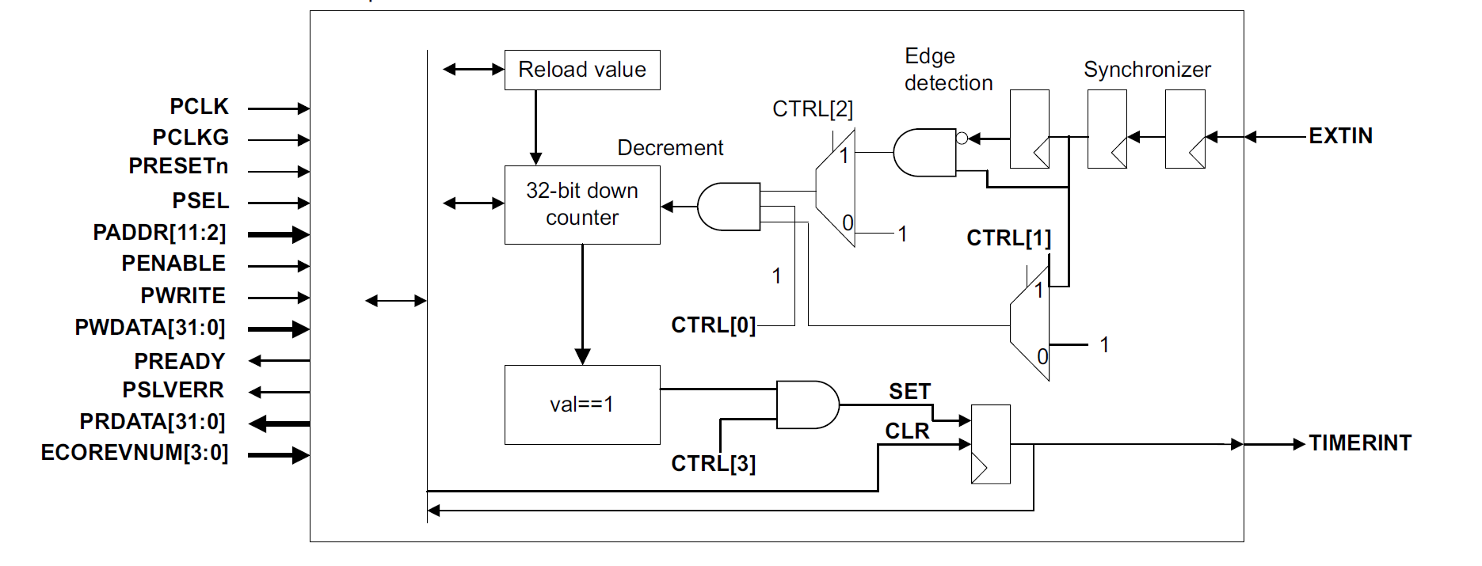
Timerx_CTRL(Base_Adr + 0x00)
Bit | REGISTER | Reset value | type | Description
31:7 | Reserved | 0x00 | resd | Forced to be 0
3:0 | CTRL | 0x00 | rw | [3] Timer interrupt enable [2] Select external input as clock [1] Select external input as enable [0] Enable

Timerx_CNT(Base_Adr + 0x04)
Bit | REGISTER | Reset value | type | Description
31:0 | VALUE | 0x00000000 | rw | [31:0] Current value

Timerx_RELAOD(Base_Adr + 0x08)
Bit | REGISTER | Reset value | type | Description
31:0 | RELAOD | 0x00000000 | rw | Reload value, writing to this register sets the current value.

Timerx_STA(Base_Adr + 0x0C)
Bit | REGISTER | Reset value | type | Forced to be 0
31:1 | Reserved | 0x0 | rw | Reload value, writing to this register sets the current value.
0 | INTSTATUS/INTCL EAR | 0x0 | rw | Timer interrupt, write 1 to clear

WatchDog
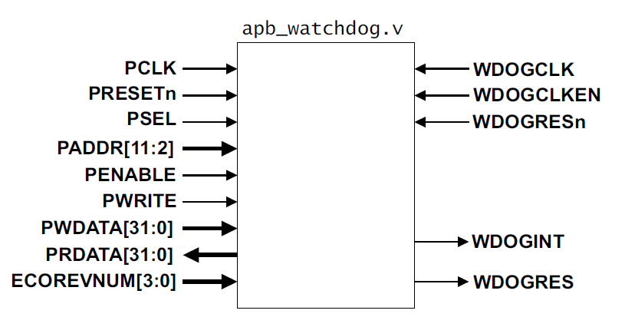
WDOG_LOAD(Base_Adr + 0x00)
Bit | REGISTER | Reset value | type | Description
31:0 | LOAD | 0xFFFFFFFF | rw | The value from which the counter is to decrement

WDOG_VALUE(Base_Adr + 0x04)
Bit | REGISTER | Reset value | type | Description
31:0 | VALUE | 0xFFFFFFFF | ro | The current value of the decrementing counter

WDOG_CTRL(Base_Adr + 0x08)
Bit | REGISTER | Reset value | type | Description
31:2 | Reserved | 0x00 | resd | Forced to be 0
1:0 | CTRL | 0x00 | rw | [1] Enable reset output [0] Enable the interrupt

WDOG_INTCLRL(Base_Adr + 0x0C)
Bit | REGISTER | Reset value | type | Description
31:1 | Reserved | 0x00 | resd | Forced to be 0
0 | INTCLR | 0x00 | wo | Clear the watchdog interrupt and reloads the counter

WDOG_RS(Base_Adr + 0x10)
Bit | REGISTER | Reset value | type | Description
31:1 | Reserved | 0x00 | resd | Forced to be 0
0 | RS | 0x00 | ro | Raw interrupt status from the counter

WDOG_MIS(Base_Adr + 0x14)
Bit | REGISTER | Reset value | type | Description
31:1 | Reserved | 0x00 | resd | Forced to be 0
0 | MIS | 0x00 | ro | Enable interrupt status from the counter

WDOG_LOCK(Base_Adr + 0xC00)
Bit | REGISTER | Reset value | type | Description
31:1 | WR_REG_EN | 0x00 | rw | Enable register writes
0 | REG_STA | 0x00 | rw | Register write enable status

WDOG_ITCR(Base_Adr + 0xF00)
Bit | REGISTER | Reset value | type | Description
31:1 | Reserved | 0x00 | resd | Forced to be 0
0 | ITCR | 0x00 | rw | Integration test mode enable

WDOG_ITOP(Base_Adr + 0xF04)
Bit | REGISTER | Reset value | type | Description
31:2 | Reserved | 0x00 | resd | Forced to be 0
1:0 | ITOP | 0x00 | rw | [1] Integration test WDOGRES value [0] Integration test WDOGINT value

RTC
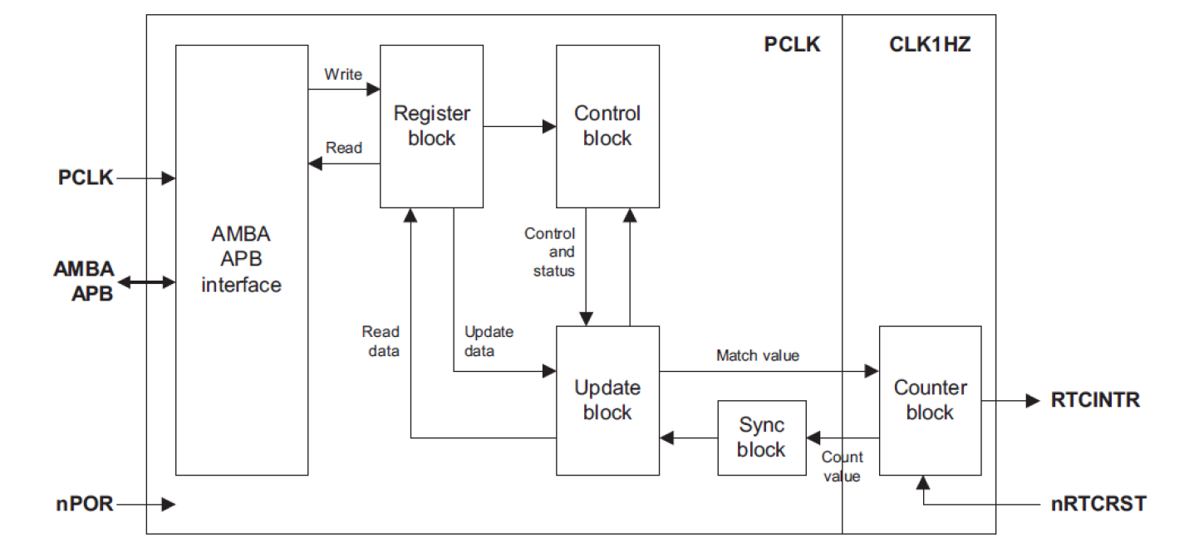
RTC_DATA_1(Base_Adr + 0x00)
Bit | REGISTER | Reset value | type | Description
31:0 | RTC_CURRENT_DATA | 0x00000000 | ro | Current value

RTC_DATA_2(Base_Adr + 0x04)
Bit | REGISTER | Reset value | type | Description
31:0 | RTC_MATCH_VALUE | 0x00000000 | rw | Match Register If current value equals match register’s value, generate interrupt [31:0] Match data

RTC_DATA_3(Base_Adr + 0x08)
Bit | REGISTER | Reset value | type | Description
31:0 | RTC_LOAD_VALUE | 0x00000000 | rw | Load Register Initialized value, start counter based on this value [31:0] Load data

RTC_CTRL_1(Base_Adr + 0x0C)
Bit | REGISTER | Reset value | type | Description
31:1 | Reserved | 0x00 | resd | Forced to be 0
0 | RTC_CTROLLER_REG | 0x00 | rw | Control Register [0] Start RTC counter

RTC_CTRL_2(Base_Adr + 0x10)
Bit | REGISTER | Reset value | type | Description
31:1 | Reserved | 0x00 | resd | Forced to be 0
0 | RTC_IMSC | 0x00 | rw | Control Register [0] Enable interrupt

RTC_STA_1(Base_Adr + 0x14)
Bit | REGISTER | Reset value | type | Description
31:1 | Reserved | 0x00 | resd | Forced to be 0
0 | RTC_RIS | 0x00 | ro | Control Register [0] Current raw unmasked interrupt status

RTC_STA_2(Base_Adr + 0x18)
Bit | REGISTER | Reset value | type | Description
31:1 | Reserved | 0x00 | resd | Forced to be 0
0 | RTC_MIS | 0x00 | ro | Control Register [0] Current masked interrupt status

RTC_CTRL_3(Base_Adr + 0x1C)
Bit | REGISTER | Reset value | type | Description
31:1 | Reserved | 0x00 | resd | Forced to be 0
0 | RTC_INTR_CLEAR | 0x00 | wo | Interrupt clear register Clear current interrupt [0] Clear current interrupt

Timer_ARTERY
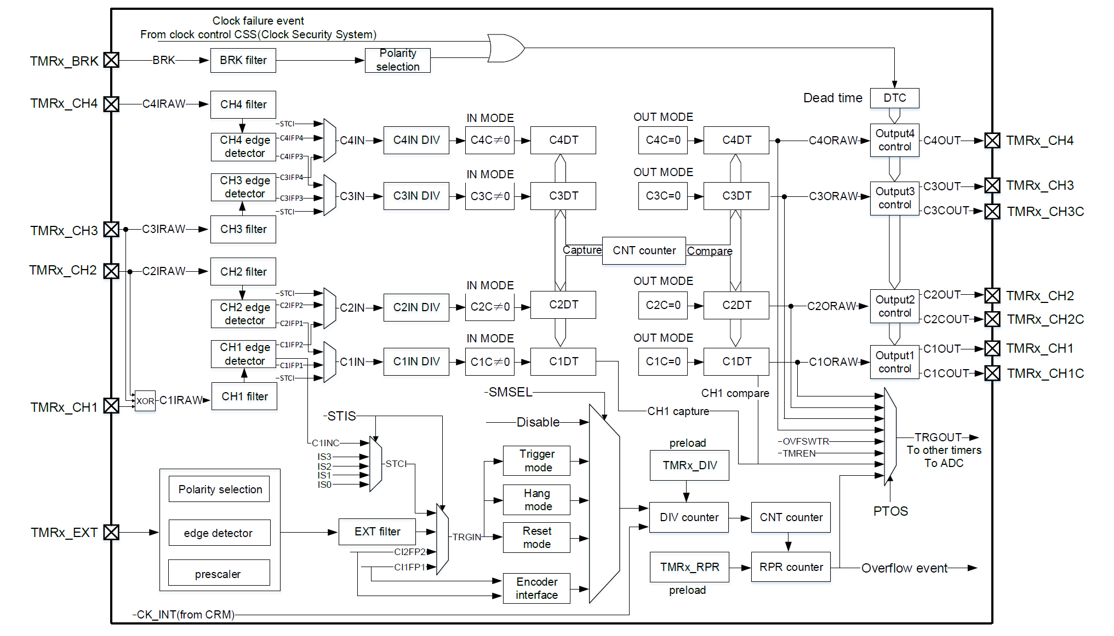

TMR1 計數時鐘可從內部時鐘（CK_INT）、外部時鐘（外部時鐘模式A、B）、內部觸發輸入（ISx）這些時鐘源提供

內部時鐘
默認下使用CK_INT 經由預分頻器驅動計數器計數，相關配置流程如下：
配置TMRx_寄存器CLKDIV[1:0]，設置CK_INT 頻率。
配置TMRx_CTRL1 寄存器TWCMSEL[1:0]，選擇計數模式，若選擇單向對齊計數模式，還需配置
TMRx_CTRL1 寄存器OWCDIR 選擇計數方向。
配置TMRx_DIV 寄存器，設置計數器計數頻率。
配置TMRx_PR 寄存器，設置計數器計數週期。
配置TMRx_CTRL1寄存器TMREN， 使能計數器。

外部時鐘

使用外部時鐘模式A，可按如下步驟配置： |  | 使用外部時鐘模式B，可按如下步驟配置：
配置外部時鐘源TRGIN 參數。 |  | 配置TMRx_STCTRL 寄存器ESP，設置外部信號極性。
若選擇TRGIN 來源為TMRx_CH1，需配置通道1 輸入濾波（TMRx_CM1 寄存器C1DF[3:0]）和通 |  | 配置TMRx_STCTRL 寄存器ESDIV[1:0]，設置外部信號分頻。
道1 輸入極性（TMRx_CCTRL 寄存器C1P/C1CP）。 |  | 配置TMRx_STCTRL 寄存器ESF[3:0]，設置外部信號濾波。
若選擇TRGIN 來源為TMRx_CH2，需配置通道2 輸入濾波（TMRx_CM1 寄存器C2DF[3:0]）和通 |  | 配置TMRx_STCTRL 寄存器ECMBEN，使能外部時鐘模式B。
道1 輸入極性（TMRx_CCTRL 寄存器C2P/C2CP）。 |  | 配置TMRx_DIV 寄存器DIV[15:0]，設置計數器計數頻率。
若選擇TRGIN 來源為TMRx_EXT，需配置外部信號極性（TMRx_STCTRL 寄存器ESP）、外部信 |  | 配置TMRx_PR 寄存器PR[15:0]，設置計數器計數週期。
號分頻（TMRx_STCTRL 寄存器ESDIV[1:0]）和外部信號濾波（TMRx_STCTRL 寄存器ESF[3:0]）。 |  | 配置TMRx_CTRL1 寄存器TMREN，使能計數器。
配置TMRx_STCTRL 寄存器STIS[1:0]，設置TRGIN 信號來源。
配置TMRx_STCTRL 寄存器SMSEL=3’b111，使能外部時鐘模式A。
配置TMRx_DIV 寄存器DIV[15:0]，設置計數器計數頻率。
配置TMRx_PR 寄存器PR[15:0]，設置計數器計數週期。
配置TMRx_CTRL1 寄存器TMREN，使能計數器。

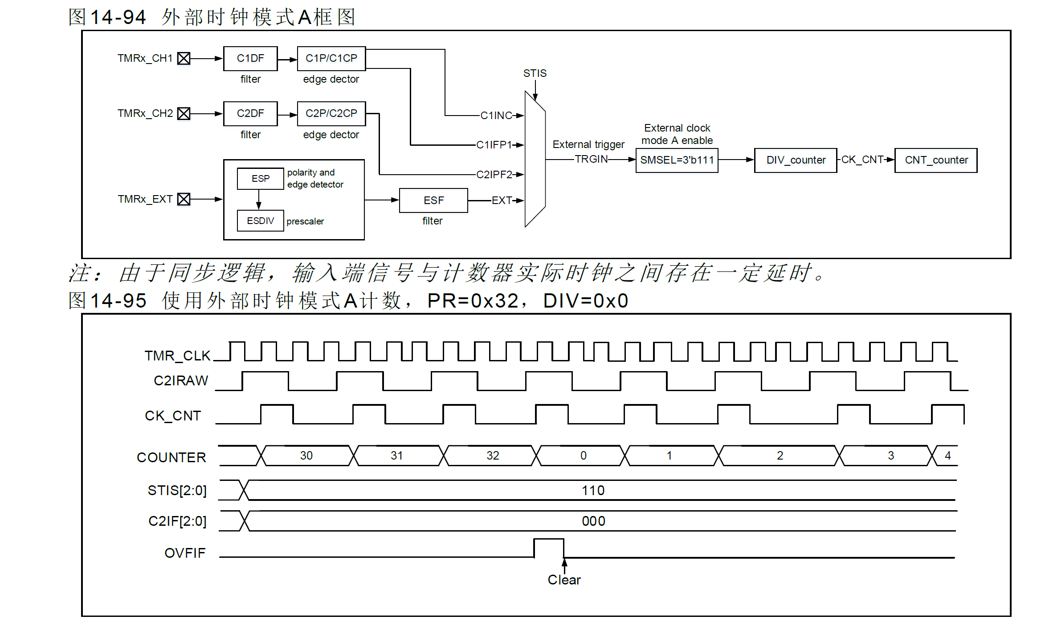
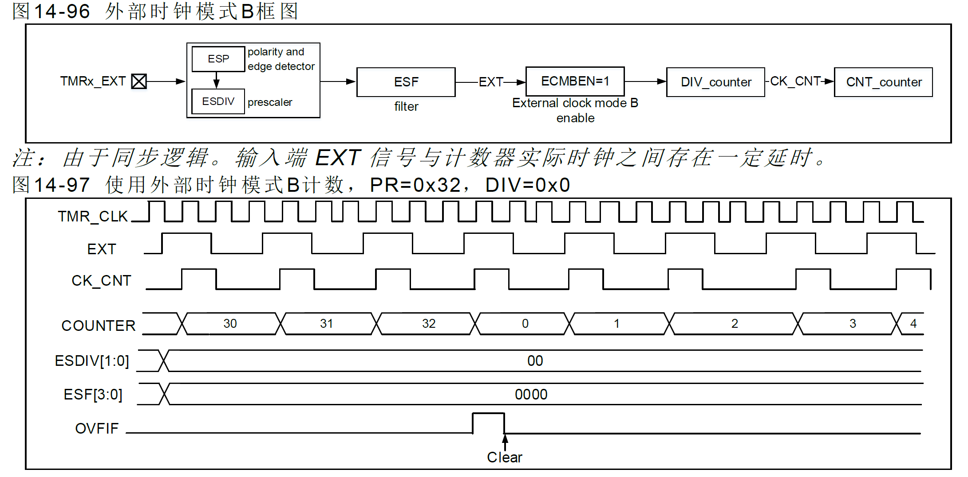

內部觸發(ISx)

計時器之間支援互聯同步，因此一個計時器的TMR_CLK 可由另一個計時器輸出信號TRGOUT 提供。配
置STIS[2:0]選擇內部觸發信號驅動計數器計數
高級計時器內含一個16 位預分頻器，用於產生驅動計數器計數的時鐘CK_CNT，通過配置TMR1_DIV
寄存器值，可靈活調整CK_CNT 與TMR_CLK 之間的分頻關係。預分頻值可在任何時刻修改，但只在下
一個溢出事件發生時，新值才會生效。
內部觸發輸入配置流程如下：
配置TMRx_PR 寄存器，設置計數器計數週期。
配置TMRx_DIV 寄存器，設置計數器計數頻率。
配置TMRx_CTRL1 寄存器TWCMSEL[1:0]位元，設置計數器計數模式。
配置TMRx_STCTRL 寄存器STIS[2:0]位範圍為3’b000~3’b011，選擇內部觸發。
配置TMRx_STCTRL 寄存器SMSEL[2:0]=3’b111，選擇外部時鐘模式A。
配置TMRx_CTRL1 寄存器TMREN 位，使能TMRx 計數。

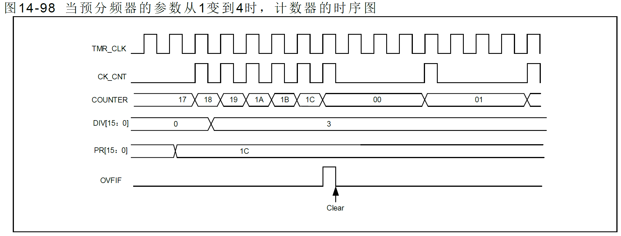

新設定植生效

編碼器模式

編碼器模式下需提供兩組輸入信號TMRx_CH1 和TMRx_CH2，根據一組輸入信號電平值，計數器在另
一組輸入信號邊沿向上或向下計數。計數方向由OWCDIR 值指示。

編碼器模式A：SMSEL=3’b001，計數器在C1IFP1 邊沿計數（上升沿和下降沿），計數方向由C1IFP1 邊
沿方向和C2IFP2 電平高低共同決定。
編碼器模式B：SMSEL=3’b010，計數器在C2IFP2 邊沿計數（上升沿和下降沿），計數方向由C2IFP2 邊
沿方向和C1IFP1 電平高低共同決定。
編碼器模式C：SMSEL=3’b011，計數器在C1IFP1 和C2IFP2 邊沿計數（上升沿和下降沿），計數方向
由C1IFP1 邊沿方向和C2IFP2 電平高低、C2IFP2 邊沿方向和C1IFP1 電平高低共同決定共同決定。

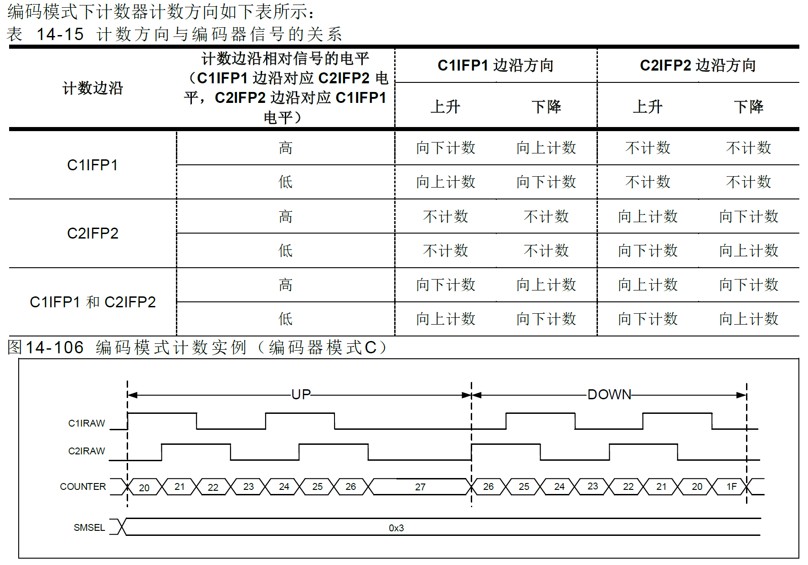

C1IFP1 = Rising
C2IFP2 = Low
Counter ++
C1IFP1 = Hi
C2IFP2 = rising
Counter ++
C1IFP1 = falling
C2IFP2 = hi
Counter ++
C1IFP1 = Hi
C2IFP2 = falling
Counter ++
C1IFP1 = Low
C2IFP2 = rising
Counter --
C1IFP1 = rising
C2IFP2 = hi
Counter --
C1IFP1 = hi
C2IFP2 = falling
Counter --
C1IFP1 = falling
C2IFP2 = low
Counter --

PWM 輸入
PWM 輸入模式適用於通道1 和2，要使用此模式，需要將C1IN 和C2IN 映射到同一TMRx_CHx，並且
通道1 或2 的CxIFPx 配置成觸發次計時器控制器復位。
PWM 輸入模式可用於測量輸入信號的週期和占空比，如需測量通道1 輸入信號的週期和占空比，操作步
驟如下：
● 配置C1C=1‘b01，選擇C1IN為C1IFP1。
● 配置C1P=1’b0，選擇C1IFP1上升沿有效。
● 配置C2C=2‘b10，選擇C2IN為C1IFP2。
● 配置C2P=1’b1，選擇C1IFP2下降沿有效。
● 配置STIS=3’b101，選擇次計時器觸發信號為C1IFP1。
● 配置SMSEL=3‘b110，選擇次計時器模式為重定模式。
● 配置C1EN=1’b1，C2EN=1’b1。使能通道1和輸入捕獲。
上述配置下，通道1 輸入信號的上升沿會觸發捕獲並將捕獲值存儲到C1DT 寄存器，同時通道1 輸入信
號上升沿複位元數目器。通道1 輸入信號下降沿觸發捕獲並將捕獲值存儲到C2DT 寄存器。通道1 輸入信
號的週期可通過C1DT 計算，占空比可通過C2DT 計算。
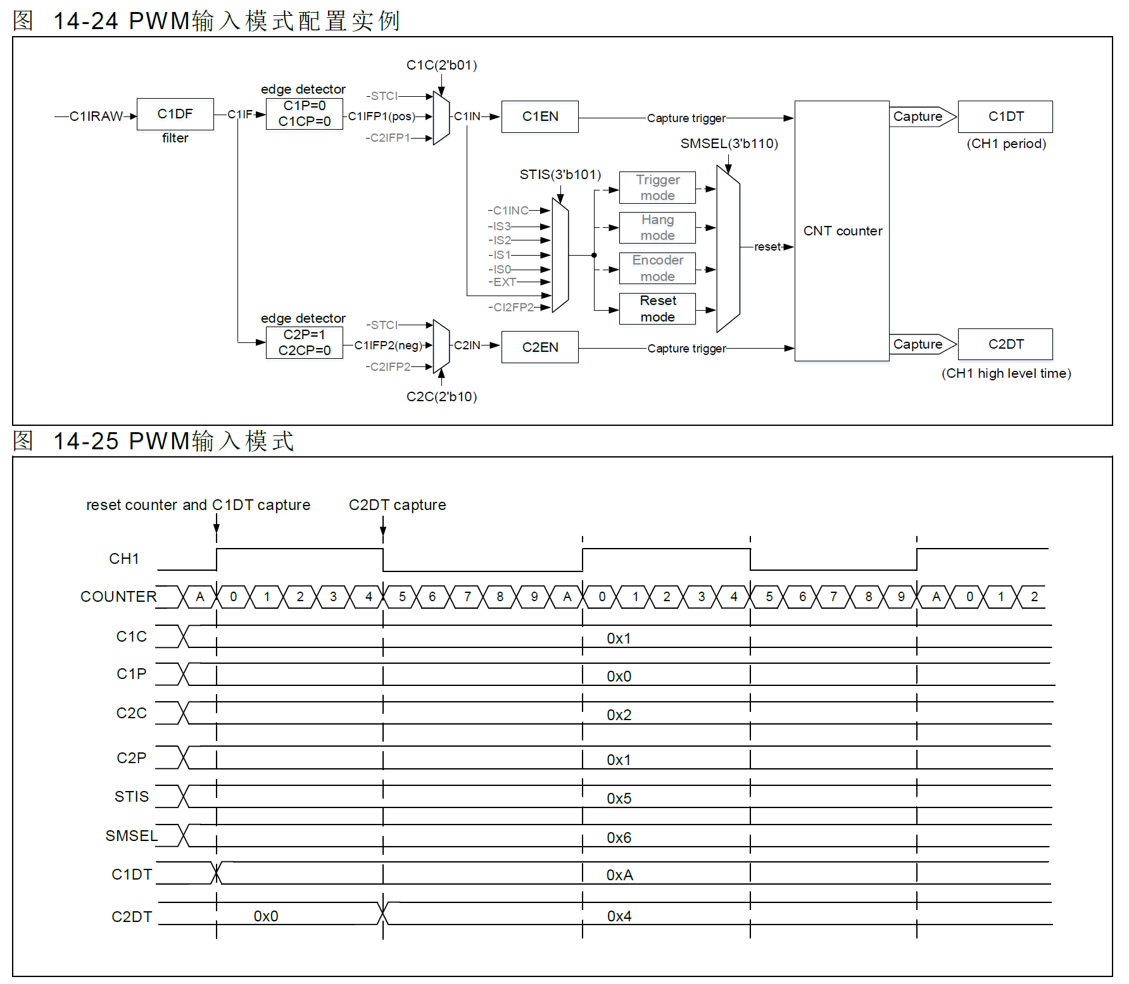

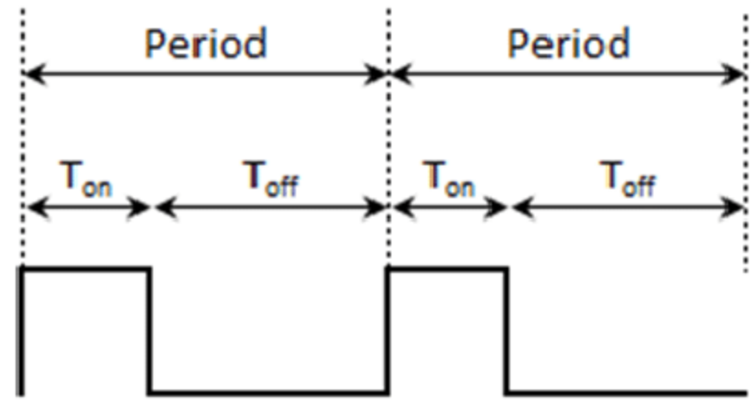
Count 清除
計算 Duty Cycle

Timer 輸出
配置CxC[1:0]≠2’b00 將通道配置為輸出可實現多種輸出模式，此時，計數器計數值將與CxDT 寄存器值
比較，並根據CxOCTRL[2:0]位元元配置的輸出模式，產生中間信號CxORAW，再經過輸出控制邏輯處理後
輸送到IO。輸出信號的週期由TMRx_PR 寄存器值配置，占空比則由CxDT 寄存器值配置。

輸出比較模式有以下子類：
PWM 模式A：CxOCTRL=3’b110 時，開啟PWM 模式A。向上計數時，TMRx_C1DT>TMRx_CVAL 時
C1ORAW 輸出高電平，否則為低電平；向下計數時，TMRx_C1DT<TMRx_CVAL 時C1ORAW 輸出低電
平，否則為高電平。若要使用PWM 模式A，可按如下方式配置。

配置TMRx_PR 寄存器，設置PWM 週期。
配置TMRx_CxDT 寄存器，設置PWM 占空比。
配置TMRx_CM1/CM2 寄存器CxOCTRL 位為3’b110，設置輸出模式為PWM 模式A。
配置TMRx_DIV 寄存器，設置計數器計數頻率。
配置TMRx_CTRL1 寄存器TWCMSEL[1:0]位元， 設置計數器計數模式。
配置TMRx_CCTRL 寄存器CxP 位元元、CxCP 位， 設置輸出極性。
配置TMRx_CCTRL 寄存器CxEN 位元元、CxCEN 位， 使能通道輸出。
配置TMRx_BRK 寄存器OEN 位元元，使能TMRx 輸出。
配置TMR 輸出通道對應GPIO 為對應的複用模式。
配置TMRx_CTRL1 寄存器TMREN 位，使能TMRx 計數。

PWM 模式B：CxOCTRL=3’b111 時，開啟PWM 模式B。向上計數時，TMRx_C1DT>TMRx_CVAL 時
C1ORAW 輸出低電平，否則為高電平；向下計數時，TMRx_C1DT<TMRx_CVAL 時C1ORAW 輸出高電
平，否則為低電平。

強制輸出模式：CxOCTRL=3’b100/101 時，開啟強制輸出模式。此時，CxORAW 信號的電平被強制輸出
為配置的電平，而與計數值無關。雖然輸出信號不依賴於比較結果，但通道標誌位元和DMA 請求仍依賴於
比較結果。

輸出比較模式：CxOCTRL=3’b001/010/011 時，開啟輸出比較模式。此時，當計數值與CxDT 值匹配時，
CxORAW 強制輸出高電平（CxOCTRL=3’b001 ）、低電平（CxOCTRL=3’b010）或進行電平翻轉
（CxOCTRL=3’b011）

單週期模式：PWM 模式的特例，將OCMEN 位置1 可開啟單週期模式，此模式下，僅在當前計數週期中
進行比較匹配，完成當前計數後，TMREN 位清0，因此僅輸出一個脈衝。當配置為向上計數模式時，需
要嚴格配置CVAL<CxDT≤PR；向下計數時，需嚴格配置CVAL>CxDT。

快速輸出模式：將CxOIEN 位置1 可開啟此功能，開啟後CxORAW 電平值不再在計數值與CxDT 匹配
時變化，而是在當前計數週期開始時，也就是說，比較結果被提前了，計數器值與CxDT 寄存器的比較結
果將會提前決定CxORAW 的電平。

輸出比較模式（翻轉）的例子，C1DT=0x3，當計數值等於0x3 時，輸出電平C1OUT 被 | 計數器向上計數與PWM 模式A 配合的例子，PR=0x32，CxDT 配置為不同的值時輸出 |  | 計數器中央雙向對齊計數與PWM 模式A 配合的例子，PR=0x32，CxDT 配置為不同的 | 計數器向上計數與單週期模式下PWM 模式B 配合的例子，計數器僅計數了一個週期，
翻轉 | 時輸出信號的翻轉情況。 |  | 值時輸出時輸出信號的翻轉情況 | 輸出信號在這個週期中只輸出了一個脈衝
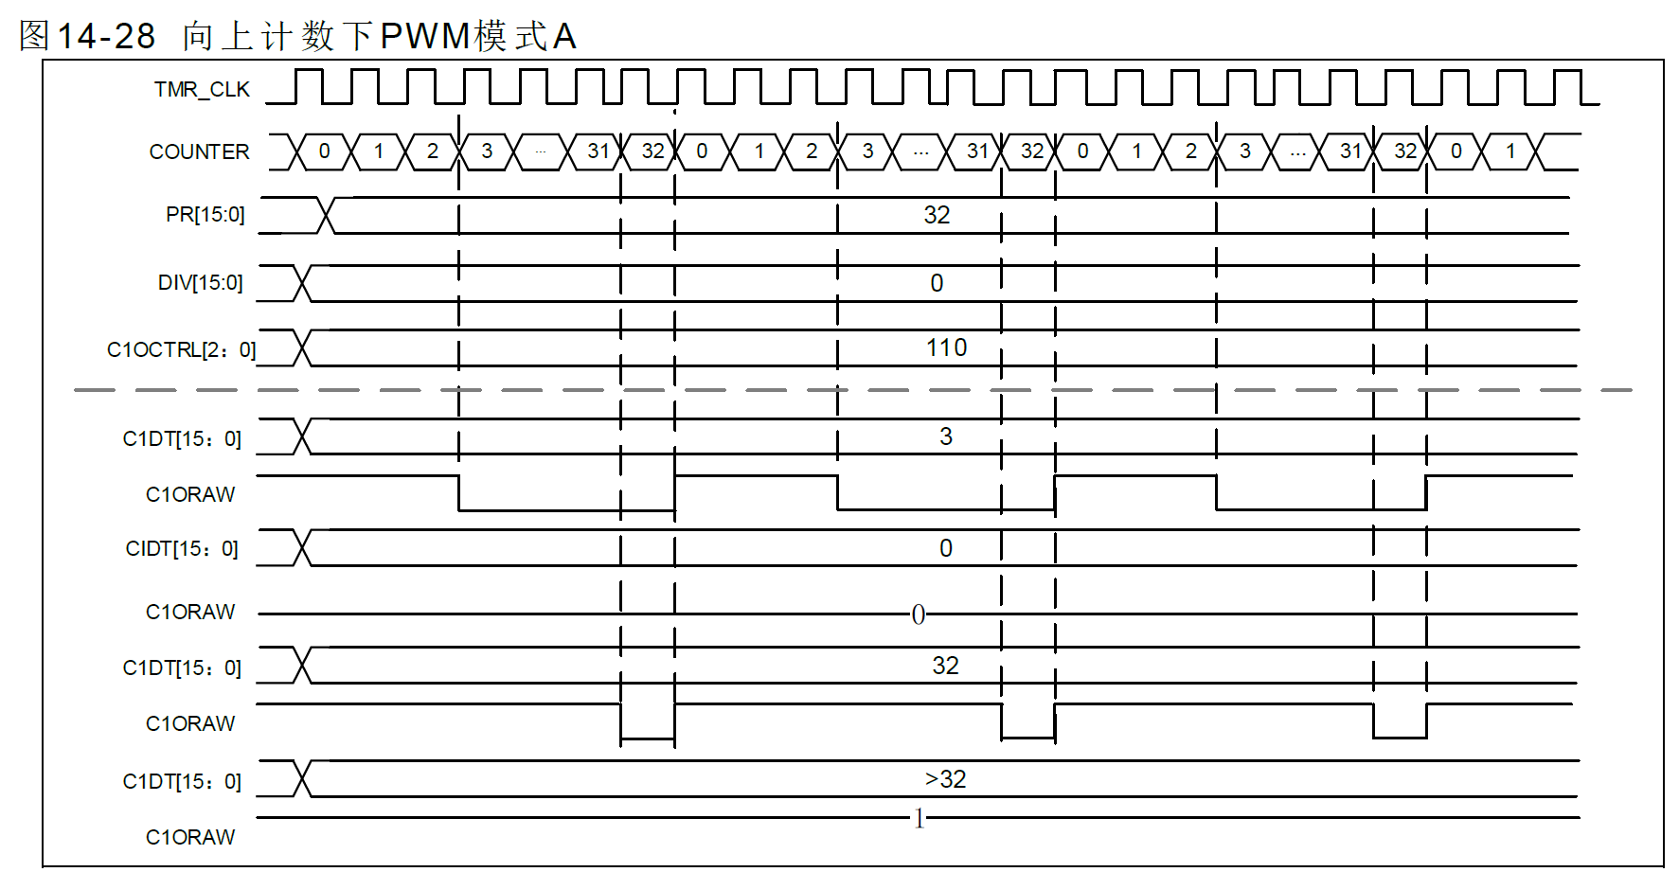
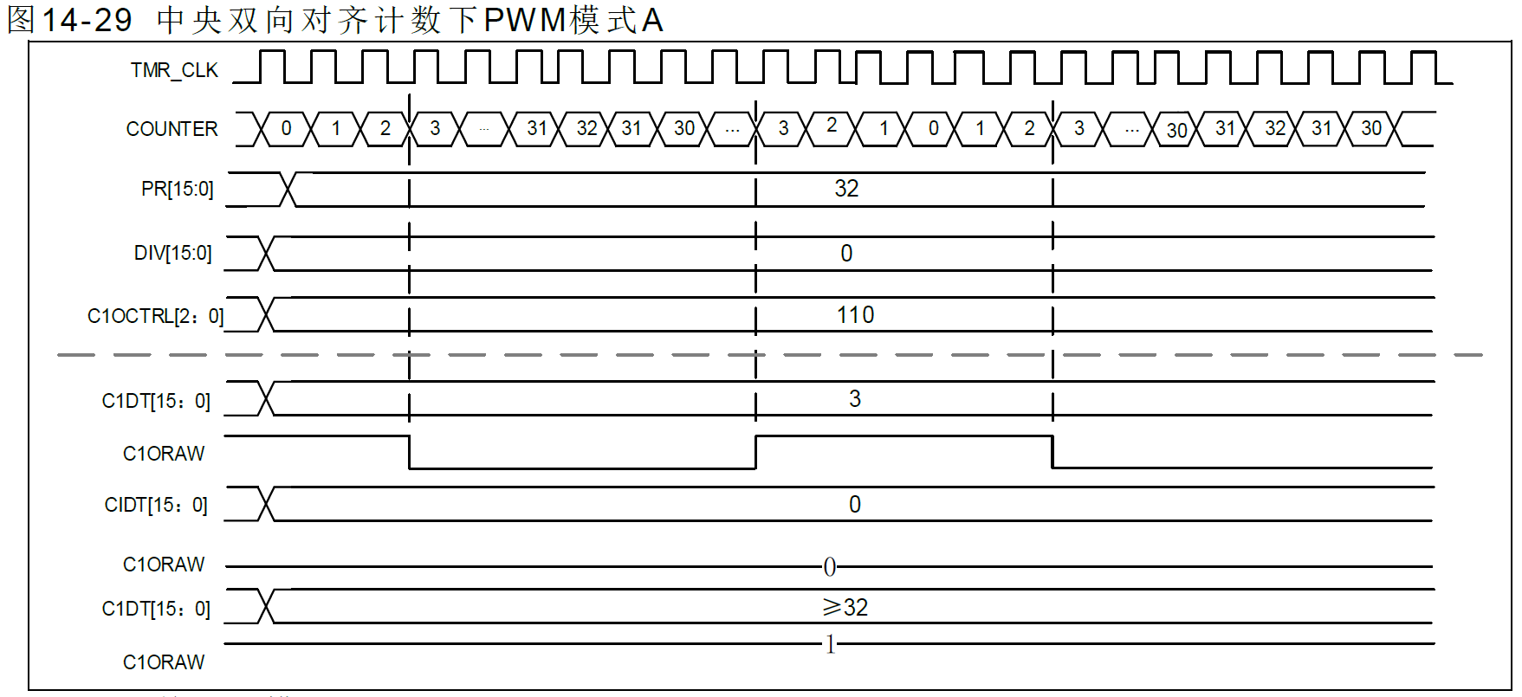
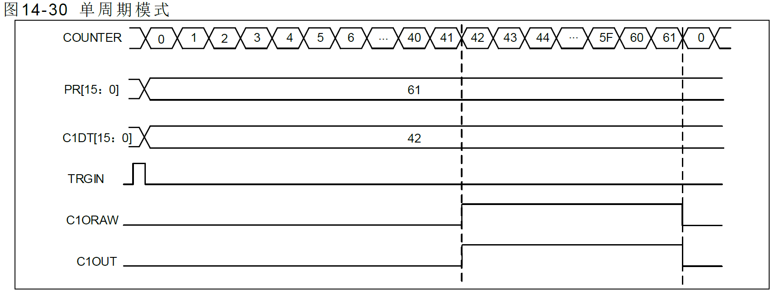

Count == C1DT , C1ORAW 翻轉

主計時器事件輸出
當TMR 作為主計時器時，可選擇如下信號源作為TRGOUT 信號輸出到次計時器，選擇信號為
TMRxCTRL2 寄存器PTOS 位。
PTOS=3’b000，TRGOUT 輸出軟體溢出事件（TMRx_SWEVT 寄存器OVFSWTR位）。
PTOS=3’b001，TRGOUT 輸出計數器使能信號。
PTOS=3’b010，TRGOUT 輸出計數器溢出事件。
PTOS=3’b011，TRGOUT 輸出捕獲、比較事件。
PTOS=3’b100，TRGOUT 輸出C1ORAW 信號。
PTOS=3’b101，TRGOUT 輸出C2ORAW 信號。
PTOS=3’b110，TRGOUT 輸出C3ORAW 信號。
PTOS=3’b111，TRGOUT 輸出C4ORAW 信號。

I2C
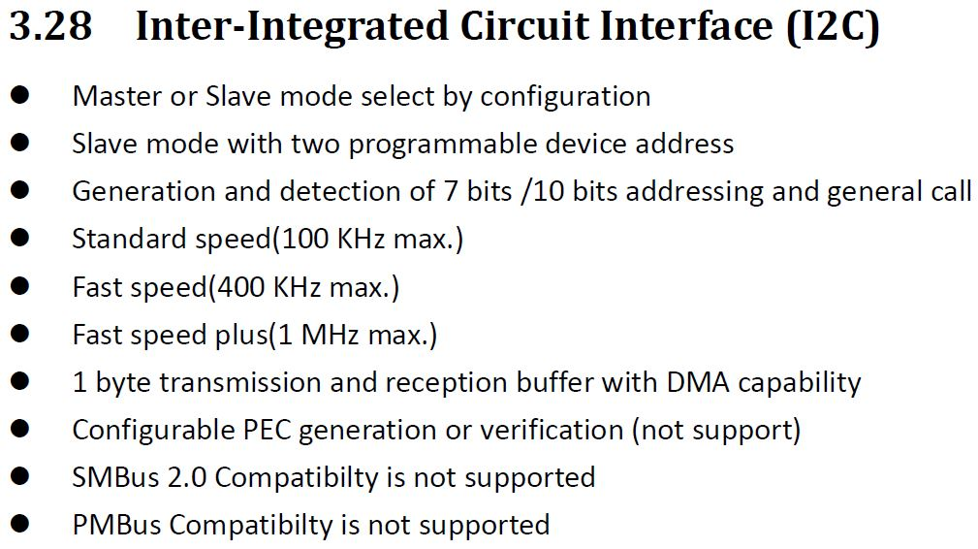
I2Cx_CTRL1(Base_Adr + 0x00)
Bit | REGISTER | Reset value | type | Description | From Alpine Spec_v0.2.1
31:9 | Reserved | 0x00 | resd | Forced to be 0
8 | SWRST | 0 | rw | SWRST : Software reset, which can release I2C from error/locked state. 0 : Not reset I2C. 1 : Reset I2C.
7 | SRxDCEN | 0 | rw | SRxDCEN : Slave receiving data control enable (Slave mode) 0 : Slave receiving data control disable. 1 : Slave receiving data control enable.
6 | STRETCHEN | 0 | rw | STRETCHEN : Clock stretching enable (Slave mode) 0 : Clock streching disable. 1 : Clock streching enable.
5 | DFLTEN | 0 | rw | DFLTEN : Digital fileter enable (both in SDA/SCL) 0 : Digital fileter disable. 1 : Digital fileter enable.
4 | RLDEN | 0 | rw | RLDEN : Reload function (Rx/Tx over 255 byte data) enable 0 : Reload function disable. 1 : Reload function enable.
3 | GCEN | 0 | rw | GCEN : General call enable 0 : General call disable. Address 00h is NACKed. 1 : General call enable. Address 00h is ACKed.
2 | DMARxEN | 0 | rw | DMARxEN : DMA receiving data enable 0 : DMA receiving data disable. 1 : DMA receiving data enable.
1 | DMATxEN | 0 | rw | DMATxEN : DMA transmitting data enable 0 : DMA transmitting data disable 1 : DMA transmitting data enable.
0 | I2CEN | 0 | rw | I2CEN : I2C function enable 0 : I2C disable. Reset I2C interface and SR1/SR2 register. 1 : I2C enable.

I2Cx_CTRL2(Base_Adr + 0x04) |  |  |  |  | ※ 待討論內容： 確認是否需要的功能： 1. SWRST : FW可以Reset SDA SCL 電位與其他CTRL值 2. SRxDCEN : Slave 模式下字節控制功能，控制單個字節是NACK/ACK確認是否結束 3. STRETCH : SCL clock stretching (master 與 slave clock不同時 slave 可以控制SCL讓Master等Slave) 4. DFLTEN : FW可以控制濾波功能開關 5. RLDEN : Reload function (傳送字節超過255時可以重載傳輸) 6. GCEN : 廣播地址功能 (general call address) 7. ASTOPEN : 硬體自動發送STOP條件 待討論功能細節： 1. Speed mode 設定方式? 2. SR1/SR2 各Error 與 Event 細節
Bit | REGISTER | Reset value | type | Description
31:14 | Reserved | 0x00 | resd | Forced to be 0
13 | BUFITEN | 0 | rw | BUFITEN : Buffer interrupt enable 0 : Buffer interrupt disable. (Not generate interrupt when TxE or RxNE = 1) 1 : Buffer interrupt enable. (Generate interrupt when TxE or RxNE = 1)
12 | EVTITEN | 0 | rw | EVTITEN : Event interrupt enable 0 : Event interrupt disable. 1 : Event interrupt enable. This interrupt is generated when: - SB = 1, Satrt bit sent (Master) - ADDR = 1, Address sent (Master) or Address matched (Slave) - ADDR10 = 1, 10 bits header sent (Master) - DBTF = 1, Data byte transfer finished - STOPF = 1, Stop received (Slave) - RxNE = 1 If BUFITEN = 1, Receive buffer not empty - TxE = 1 If BUFITEN = 1, Transmit buffer empty
11 | ERRITEN | 0 | rw | ERRITEN : Error interrupt enable 0 : Error interrupt disable. 1 : Error interrupt enable. This interrupt is generated when: - BERR = 1 (Buss Rrror) - ARLO = 1 (Arbitration lost) - AF = 1 (Acknowledge failure) - OVR = 1 (Overrun/Underrun) - TIMEOUT = 1 (Timeout)
10 | ASTOPEN | 0 | rw | ASTOPEN : Automatically send STOP condition 0 : Software send STOP condition 1 : Hardware automatically send STOP condition
9 | STOPGEN | 0 | rw | STOPGEN : STOP condition generation Master mode: 0 : No START condition generation. 1 : STOP condition generation after current byte transfer. Slave mode: 0 : No START condition generation. 1 : Release the SCL/SDA line after current byte tranfer.
8 | STARTGEN | 0 | rw | STARTGEN : START condition generation 0 : No START condition generation. 1 : START condition generation.
7:6 | Reserved | 0x00 | rw | Reserved
5:0 | FREQ | 0x00 | rw | FREQ : I2C Peripheral clock frequency 0b00000 : Not allowed 0b00001 : Not allowed 0b00010 : 2 MHz … 0b110010 : 50 MHz Higher than 0b101010 : Not allowed

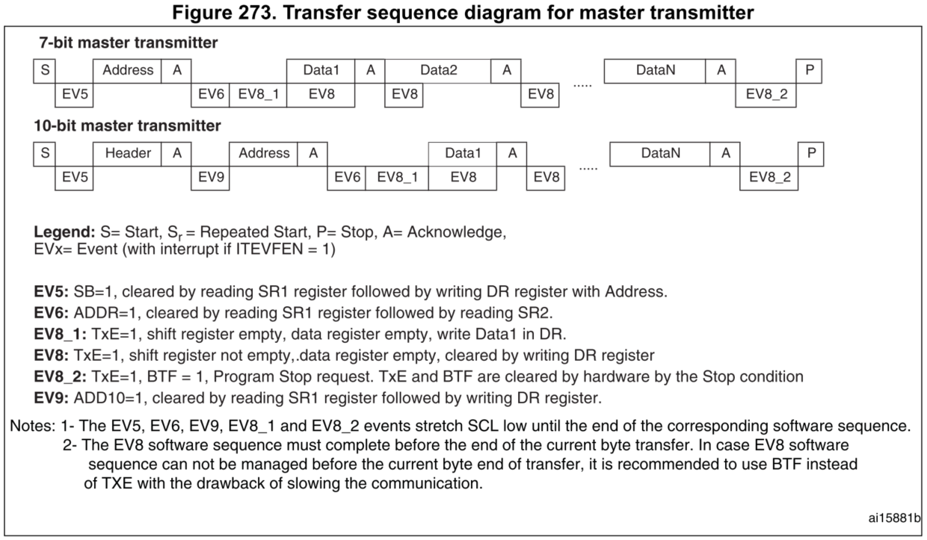
I2Cx_OADDR1(Base_Adr + 0x08) |  |  |  |  | Master Transmitted Mode
Bit | REGISTER | Reset value | type | Description
31:16 | Reserved | 0x00 | resd | Forced to be 0
15 | ADDR1MODE | 0 | rw | ADDR1MODE : Address mode (slave mode) 0 : 7 bits address 1 : 10 bits address (只支援單地址功能)
14:10 | Reserved | 0 | rw | Reserved
9:0 | ADDR1 | 0x000 | rw | ADDR1 : Interface address 1 7 bits address mode : only use bits [6:0] 10 bits address mode : use bits [9:0]

I2Cx_OADDR2(Base_Adr + 0x0C)
Bit | REGISTER | Reset value | type | Description
31:16 | Reserved | 0x00 | resd | Forced to be 0
15 | ADDR2EN | 0 | rw | ADDR2: Interface address 2 enable 0 : ADDR2 disable 1 : ADDR2 enable
14:7 | Reserved | 0 | resd | Reserved
6:0 | ADDR2 | 0x00 | rw | ADDR2 : Interface address 2 (only 7 bits address mode)

I2Cx_DR(Base_Adr + 0x10)
Bit | REGISTER | Reset value | type | Description
31:16 | Reserved | 0x00 | resd | Forced to be 0
15:8 | RxDR | 0x0000 | r | Receive 8 bits Data Register
7:0 | TxDR | 0x0000 | rw | Transmit 8 bits Data Register

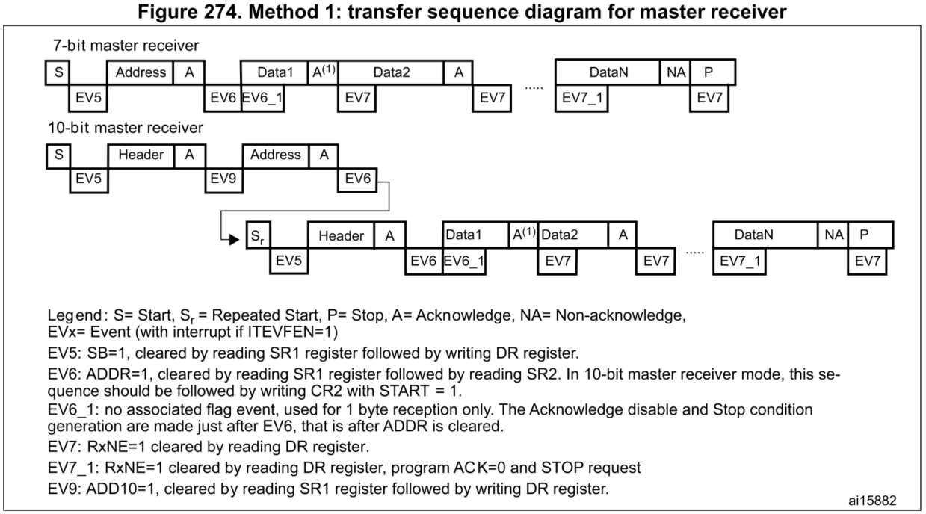
I2Cx_SR1(Base_Adr + 0x14)
Bit | REGISTER | Reset value | type | Description | Master Received Mode
31:13 | Reserved | 0x00 | resd | Forced to be 0
12 | TIMEOUT | 0 | rc_w0 | TIMEOUT: Timeout error 0 : No Timeout error 1 : Timeout error - SCL remained HIGH or LOW for X ms - When set in master mode : STOP condition generated by hardware. - When set in slave mode : Reset communication and release SDA/SCL by hardware.
11 | OVR | 0 | rc_w0 | OVR : Overrun/Underrun error 0 : No Overrun/Underrun error 1 : Overrun/Underrun error - Set by hardware in slave mode when STRETCHEN = 0 - New received byte is lost. A new byte is received and the RxDR register has not been read yet. - The same byte is sent twice. A new byte should be sent and the TxDR register has not been written yet.
10 | AF | 0 | rc_w0 | AF : Acknowledge failure 0 : No Acknowledge failure 1 : Acknowledge failure - Set by hardware when no acknowledge is returned.
9 | ARLO | 0 | rc_w0 | ARLO : Arbitration lost error (master mode) 0 : No Arbitration lost error 1 : Arbitration lost error - Set by hardware when the interface loses the arbitration of the bus to another master. The interface switches back anutomatically to slave mode after ARLO is set.
8 | BERR | 0 | rc_w0 | BERR : Bus error 0 : No misplaced START or STOP condition error 1 : Misplaced START or STOP condition error - Set by hardware when the interface detects an SDA rising or falling edge while SCL is high, and occurring in a non-valid position during a byte transfer.
7 | Reserved | 0 | resd | Reserved | Slave Transmitted Mode
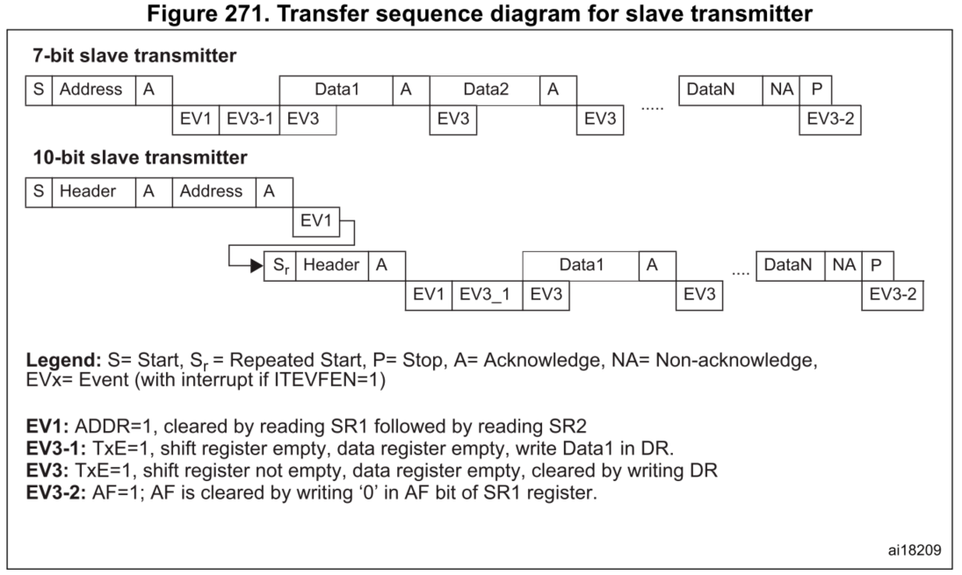
6 | TxE | 0 | r | TxE : Tx data register empty event 0 : TxDR register is not empty 1 : TxDR register is empty
5 | RxNE | 0 | r | RxNE : Rx data register not empty event 0 : RxDR register is empty 1 : RxDR register is not empty
4 | STOPF | 0 | r | STOPF : STOP detection event (slave mode) 0 : No STOP condition detected 1 : STOP condition detected
3 | DBTF | 0 | r | DBTF : Data byte transfer finish event 0 : Data byte transfer is not finish. 1 : Data byte transfer is successfully finish. - When a new byte is received (including ACK pulse) and RxDR has not been read (RxNE = 1). - When a new byte should be sent and TxDR has not been WRITTEN yet (TxE = 1).
2 | ADDR10 | 0 | r | ADDR10 : 10-bit address header sent event(master mode) 0 : No ADDR10 event occurred. 1 : Master sent first address byte in 10 bits address mode.
1 | ADDR | 0 | r | ADDR : Address sent event (master mode)/matched event(slave mode) Master mode: 0 : Address mismatched or not received. 1 : Received address matched. Slave mode: 0 : No end of address transmission. 1 : End of address transmission.
0 | SB | 0 | r | SB : Start bit event (master mode) 0 : No Start condition 1 : START condition generated

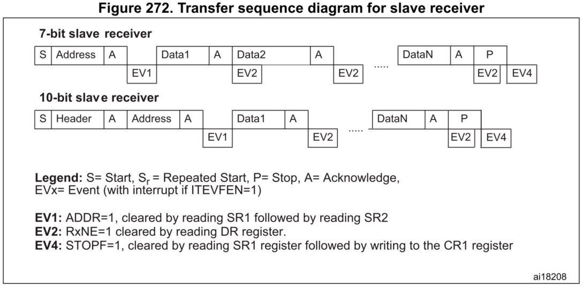
I2Cx_SR2(Base_Adr + 0x18)
Bit | REGISTER | Reset value | type | Description | Slave Received Mode
31:8 | Reserved | 0x00 | resd | Forced to be 0
4 | ADDRF | 0 | r | ADDRF : ADDR select flag (slave mode) 0 : Received address matched with ADDR1 1 : Received address matched with ADDR2
3 | GCA | 0 | r | GCA : General call address (slave mode) 0 : No general call 1 : General call address received when GCEN=1
2 | TRM | 0 | r | TRM : Transmitted or received mode 0 : Data byte received mode 1 : Data byte received mode
1 | BUSY | 0 | r | BUSY : Bus busy 0 : No communication on the bus 1 : Communication ongoing on the bus
0 | MSM | 0 | r | MSM : Master or slave mode 0 : Slave mode 1 : Master mode

I2Cx_CLKCTRL(Base_Adr + 0x1C)
Bit | REGISTER | Reset value | type | Description
31:16 | Reserved | 0x00 | resd | Forced to be 0
15:14:00 | SPDM | 0x00 | rw | SPDM : Speed mode 0b00 : Standard speed (100 kHz max.) 0b01 : Fast speed (400 kHz max.) 0b10 : Fast speed plus (1 MHz max.) 0b11 : Not allowed
13:12:00 | Reserved | 0x00 | rw | Reserved
11:0 | CCR | 0x00 | rw | CCR : Clock control register in each speed mode

