Sheltered v. Unsheltered
 | 2010 | 2011 | 2012 | 2013 | 2014 | 2015 | 2016 | 2017 | 5 year % change | 1 year change | %
Sheltered | 1,254 | 1,358 | 1,375 | 1,325 | 1,539 | 1165 | 1322 | 1202 |  |  | 59%
Unsheltered | 833 | 1,004 | 869 | 765 | 448 | 667 | 816 | 834 |  |  | 41%
Total | 2,087 | 2,362 | 2,244 | 2,090 | 1,987 | 1,832 | 2,138 | 2,036 | 2.58% | -4.77%
 |  |  |  |  |  |  |  |  | decline | decrease

Point-In-Time Count of People Experiencing Homelessness in Travis County

Target: 1,000 by 2020

Source ECHO Point-in-Time Count and Multiyear Comparison: http://austinecho.org/wp-content/uploads/2014/02/ECHO-2014-Count-Report-Historical.pdf
2015 Point-in-Time Count Press Release; Note: Due to low temperatures, Cold Weather Shelters were open during the 2014 Point-in-Time Count, somewhat artificially raising the number of sheltered individuals

Sheet1
 | 2010 | 2011 | 2012 | 2013 | 2014 | 2015 | 2016
Travis County | 2087 | 2362 | 2244 | 2090 | 1987 | 1832 | 2138

Number of People Experiencing Homelessness in Travis County
Source: Ending Community Homelessness Coalition, Annual Point-in-Time Count
 |  |  |  |  |  |  |  | Change, 2014-2016 | Change 2012-2016
 |  |  |  |  |  |  |  | 16.7% | -5%

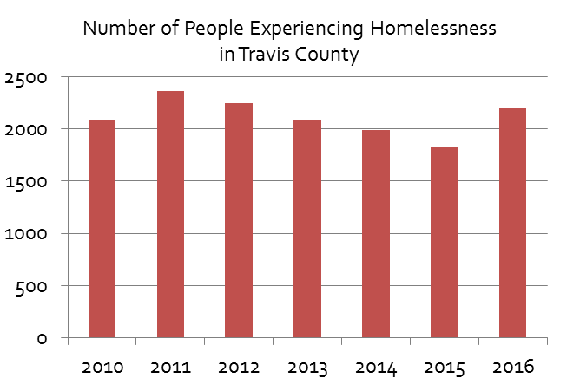

Target

