SIF Calculator Instructions
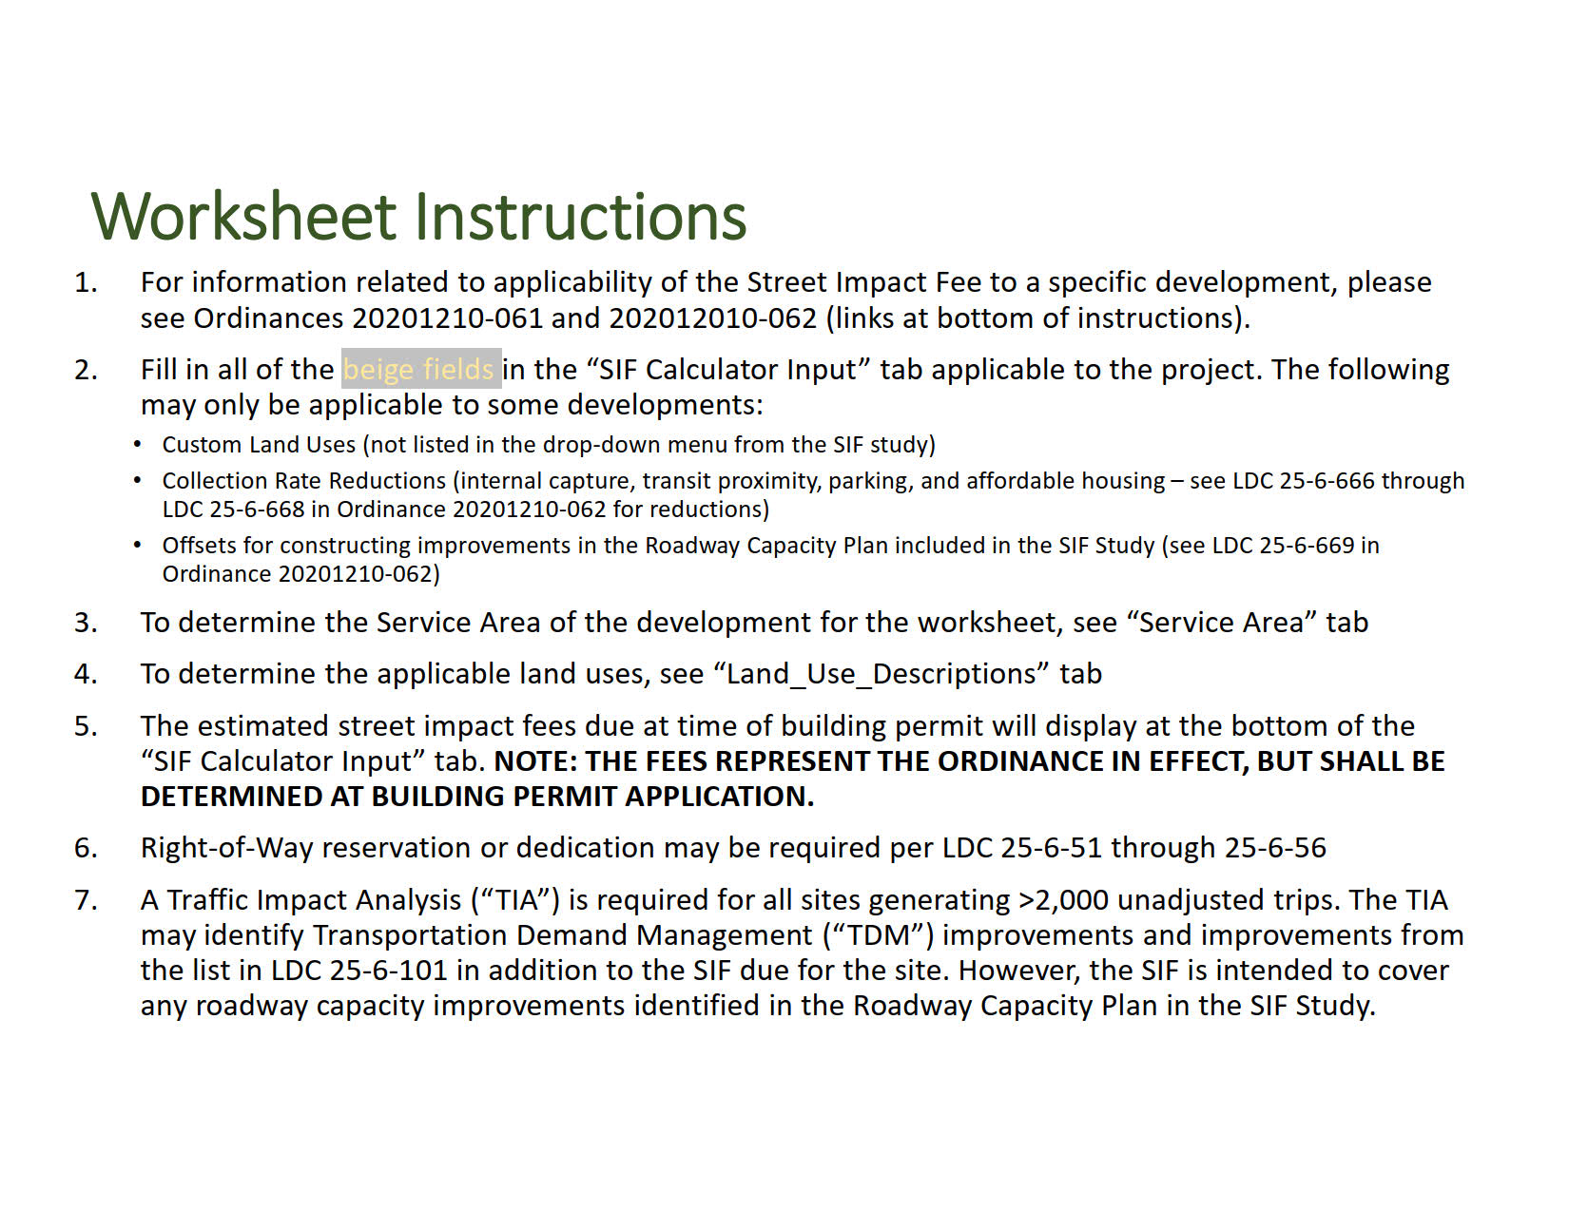

Fill in all of the beige fields in the "ROW Dedication & Easement" tab with names, descriptions, and the area dedicated.
8.

Resource Links to External Documents
Code Reference: | LDC Chapter 25 Article 9 Street Impact Fees
SIF Ordinances: | 20201210-061 | 20201210-062
SIF Study
LDC 25-6-51
LDC 25-6-101
SIF Roadway Capacity Plan Map

SIF Calculator Input
THIS WORKSHEET IS FOR ESTIMATION PURPOSES ONLY BASED ON THE CURRENT ORDINANCE. THE FINAL FEE SHALL BE DETERMINED BASED ON THE ORDINANCE IN EFFECT AT THE TIME OF BUILDING PERMIT APPLICATION.
 |  |  |  |  |  |  |  |  |  |  |  |  |  | Street Impact Fee Calculation Worksheet
City of Austin, Texas
 |  |  |  |  |  |  |  |  |  |  |  |  |  | http://www.austintexas.gov/department/street-impact-fee

 | Development Name:
 | Applicant:
 | Legal Description (Lot, Block):
 | Case Number: |  |  | Date of Worksheet: |  |  |  |  |  |  | Staff Initals:
 | TIA Ref # (if applicable):
 | Notes: | If any assumptions in land use, intensities, or ROW dedication change after the date of this worksheet, the applicant must notify staff to determine if the SIF needs to be reassessed. |  |  |  |  |  |  |  |  |  | PUD/PDA Cases approved prior to December 21, 2020?
 |  |  |  |  |  |  |  |  |  |  |  | Redevelopment Project? Updated based on existing land use input
 |  | Date of Final Plat Approval: |  |  |  |  |  |  |  |  |  | Part of larger development? |  | Worksheet Last Updated: 03/09/2026
 |  | Date of Building Permit Issue: |  |  |  |  |  |  |  |  |  | TIA approved prior to December 21, 2020?
 |  | Service Area (select from list): |  |  |  | Located in University District Overlay?
 | Notes: | (1) Effective date of the ordinance is December 21, 2020 and a grace period of 18 months applies. As a result no fee until builing permits issued June 21, 2022 or later. (2) Applicant may be eligible for reductions or offsets for infrastructure built. Applicant to apply for either with Transportation and Public Works Department. (3) Total Street Impact Fee Collection Amount represents the sum of Proposed Land Uses associated fees less Existing Land Uses associated fees, or net new trips.

 | STREET IMPACT FEE CALCULATION:

 | PROPOSED LAND USES |  |  |  |  |  |  |  |  |  |  | Potential Collection Amounts
 | Land Uses (select from list): |  | Development Unit: | # of Units: | PM Peak Hour Trip Rate: | Trip Length: (Miles) |  | Demand: (Vehicle-Miles) |  |  |  | Impact Fee Per Development Unit: |  | Street Impact Fee:

 |  |  |  |  |  |  |  |  |  | $-
 |  |  |  |  |  |  |  |  |  | $-
 |  |  |  |  |  |  |  |  |  | $-
 |  |  |  |  |  |  |  |  |  | $-
 |  |  |  |  |  |  |  |  |  | $-
 |  |  |  |  |  |  |  |  |  | $-
 |  |  |  |  |  |  |  |  |  | $-
 |  |  |  |  |  |  |  |  |  | $-
 | Note: Plat Approval and Building Permit dates must be selected prior to selecting land use.
 | Custom Land Uses (manually input): |  | Development Unit:1 | # of Units: | PM Peak Hour Trip Rate:2 | Trip Length: (Miles)3 | Residential?4 | Demand: (Vehicle-Miles) |  | % Reduction (Per Ord. 20201210-061 Part2.D.4-6)

 | Custom Land Uses Notes: 1Development unit is basis for which trip generation is based on (e.g. Dwelling Unit, Beds, 1,000 s.f., etc.) 2PM Peak Hour trip rate per 10th Edition of Institute of Engineer's Trip Generation Manual for peak hour of adjacent street traffic. Pass-by rates reduction can be applied for eligible categories. 3Trip Length - select from similar land use trip length in "Collected_Rate" tab of spreadsheet or National Household Travel Survey for land use. Maximum Trip Length is 6 miles. 4Select "Yes" if land use is residential and "No" if land use is non-residential.
 |  |  |  |  |  |  |  |  |  |  |  | SUBTOTAL PROPOSED LAND USES STREET IMPACT FEE COLLECTION AMOUNT : |  | $-

 | EXISTING LAND USES |  |  |  |  |  |  |  |  |  |  | Existing Use Fee Reduction (if applicable)
 | Land Uses (select from list): |  | Development Unit: | # of Units: | PM Peak Hour Trip Rate: | Trip Length: (Miles) |  | Demand: (Vehicle-Miles) |  |  |  | Impact Fee Per Development Unit: |  | Street Impact Fee:

 | Custom Land Uses (manually input): |  | Development Unit:1 | # of Units: | PM Peak Hour Trip Rate:2 | Trip Length: (Miles)3 | Residential?4 | Demand: (Vehicle-Miles)

 |  |  |  |  |  |  |  |  |  |  |  |  | TOTAL EXISTING LAND USES FEE REDUCTION : | $-

 |  |  |  |  |  |  |  |  |  |  |  |  | TOTAL POTENTIAL STREET IMPACT FEE COLLECTION AMOUNT : | $-
 | Land Use Selection Note: The land use categories are based on the descriptions contained within the ITE Trip Generation Manual 10th edition. Questions regarding the appropriate category for a particular use may be directed to TPW Transportation Development Services staff.
 |  |  | Collection Rate Reductions Notes

 |  | Reductions: Internal Capture / Mixed Use Reduction. The amount of street impacts fees can be reduced up to 20% per LDC 25-6-667. Transit Proximity Reduction. The amount of street impacts fees can be reduced up to 20% per LDC 25-6-667. Parking Reduction. The amount of street impacts fees can be reduced up to 20% per LDC 25-6-667. Affordability Related Reduction: Reduction $ Amount is equal to # Affordable Units multiplied by "Impact Fee for Development Unit" above per LDC 25-6-668. Confirm with Staff # of Affordable Units that meet criteria for reduction |  |  |  |  | Land Use (Affordable) |  | # Units
 |  |  |  |  |  |  |  |  |  |  |  | Affordability Related Reductions ($): |  | $-

 |  |  |  |  |  |  |  |  |  | POTENTIAL SIF COLLECTION AMOUNT AFTER AFFORDABILITY REDUCTIONS: |  |  |  | $-

 |  |  |  |  |  |  |  |  |  | Internal Capture (IC) Reduction: | 0% |  | SIF IC Reduction: | 0%
 |  |  |  |  |  |  |  |  |  | Transit Proximity (TP) Reduction: | 0% |  | SIF TP Reduction: | Enter Service Area
 |  |  |  |  |  |  |  |  |  | Parking Reduction: | 0% |  | SIF P Reduction: | 0%
 |  |  |  |  |  |  |  |  |  |  |  |  | Mobility Related Street Impact Fee Reductions (%): | 0%
 |  |  |  |  |  |  |  |  |  |  |  |  | Mobility Related Street Impact Fee Reductions ($): | Enter Service Area
 |  | Applicant must provide proof of reductions.
 |  |  |  |  |  |  |  |  |  |  |  |  | TOTAL POTENTIAL STREET IMPACT FEE COLLECTION AMOUNT AFTER AFFORDABILITY AND MOBILITY RELATED REDUCTIONS: | $-
 |  |  |  |  |  |  |  |  |  |  |  |  | Total Value of any Street Impact Fee Offsets (for construction or contribution towards the City's Roadway Capacity Plan):
 |  |  |  |  |  |  |  |  |  |  |  |  | Within the RP as per LDC 25-6-662 & LDC 25-6-23? | Enter ROW/Easement Info
 |  |  |  |  |  |  |  |  |  |  |  |  | TOTAL STREET IMPACT FEE COLLECTION AMOUNT AFTER OFFSETS AND REDUCTIONS: | No Fee Due

SIF Offset Estimate
SIF offset estimate for item constructed by the applicant*

Item Name | Road/Intersection Name | ASMP Road Level(s) | Unit | Cost ($)/unit | Counts if applicable | Length (ft) if applicable | Width (ft) if applicable | Units Constructed | Cost per item ($)

Custom Input Below

Total Estimated SIF Offset |  |  |  |  |  |  |  |  | $-
* DISCLAIMER:
- These initial estimates are intended to help staff prioritizing mitigations. However, the applicant must submit the official Street Impact Fee (SIF) offset agreement with the actual cost or cost estimates by licensed engineer as per with the SIF ordinances and administrative SIF guidelines. For more information, please visit our SIF website.

Service Area
