Sheet1
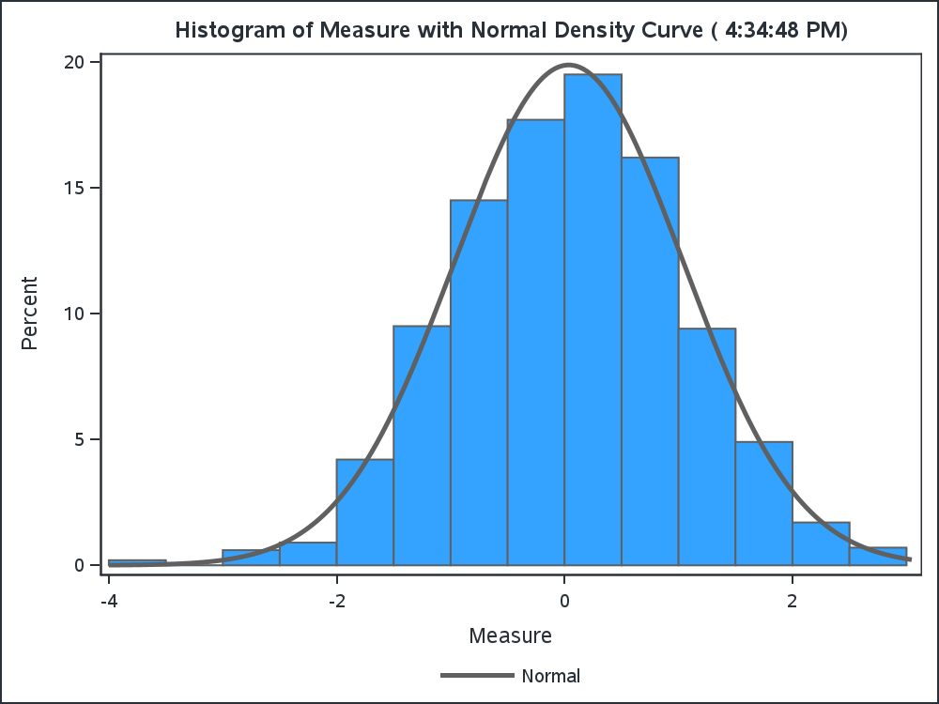
Summary stats for Measure

The MEANS Procedure

Analysis Variable : Measure
N | Mean | Std Dev | Minimum | Maximum
1000 | 0.0367058 | 1.0034770 | -3.8256326 | 2.9146872

