Set 1
Point | CM render | avg ⟨c⟩ (%) | λ (nm) | waves / 640 nm | amp (±%) | c min (%) | c max (%) | ML V1 stress | SIM V1 stress | Δ V1 | ML V3 stress | SIM V3 stress | Δ V3 | ML strain range | SIM strain range | Δ strain (pp) | ML loop area | SIM loop area | ML/SIM loop ratio | loop rank Δ | SIM max vf | SIM cliff Δvf | SIM residual strain | SIM notes | CM field (.vtk)
1 | 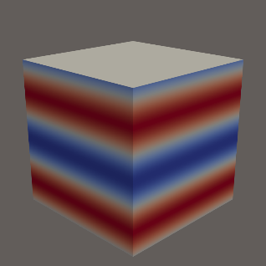 | 51.00 | 400 | 1.60 | 0.56 | 50.440 | 51.560 | 1421 |  |  | 1746 |  |  | 7.55 |  |  | 264.0 |  |  |  |  |  |  |  | set1_pt1.vtk
2 | 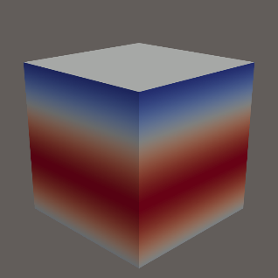 | 51.00 | 960 | 0.67 | 0.52 | 50.550 | 51.520 | 1380 |  |  | 1744 |  |  | 7.61 |  |  | 543.2 |  |  |  |  |  |  |  | set1_pt2.vtk
3 | 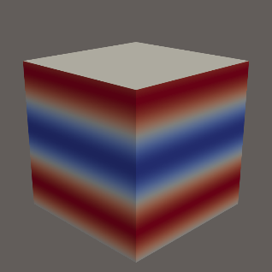 | 51.00 | 480 | 1.33 | 0.52 | 50.480 | 51.520 | 1408 |  |  | 1746 |  |  | 7.63 |  |  | 632.1 |  |  |  |  |  |  |  | set1_pt3.vtk
4 | 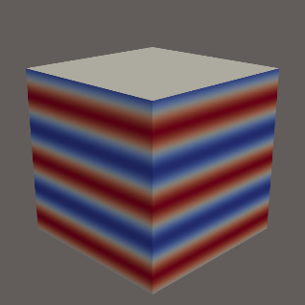 | 51.00 | 240 | 2.67 | 0.52 | 50.480 | 51.520 | 1409 |  |  | 1746 |  |  | 7.63 |  |  | 650.2 |  |  |  |  |  |  |  | set1_pt4.vtk
5 |  | 50.95 | 240 | 2.67 | 0.52 | 50.430 | 51.470 | 1407 |  |  | 1746 |  |  | 7.63 |  |  | 656.4 |  |  |  |  |  |  |  | set1_pt5.vtk
6 | 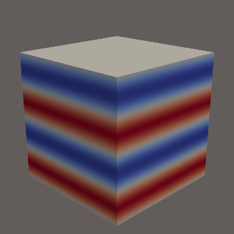 | 50.95 | 320 | 2.00 | 0.52 | 50.430 | 51.470 | 1407 |  |  | 1746 |  |  | 7.65 |  |  | 661.9 |  |  |  |  |  |  |  | set1_pt6.vtk
7 |  | 51.00 | 240 | 2.67 | 0.40 | 50.600 | 51.400 | 1409 |  |  | 1747 |  |  | 7.64 |  |  | 722.7 |  |  |  |  |  |  |  | set1_pt7.vtk
8 |  | 50.95 | 240 | 2.67 | 0.48 | 50.470 | 51.430 | 1403 |  |  | 1746 |  |  | 7.65 |  |  | 731.7 |  |  |  |  |  |  |  | set1_pt8.vtk
9 | 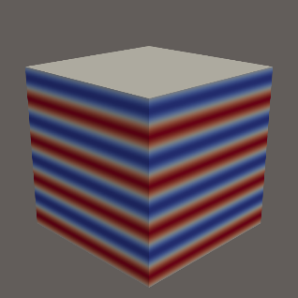 | 51.00 | 160 | 4.00 | 0.48 | 50.520 | 51.480 | 1404 |  |  | 1750 |  |  | 7.64 |  |  | 741.9 |  |  |  |  |  |  |  | set1_pt9.vtk
10 | 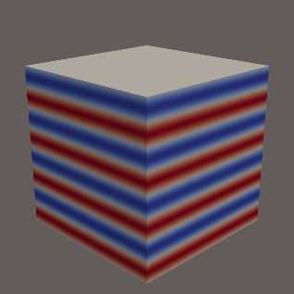 | 51.00 | 160 | 4.00 | 0.44 | 50.560 | 51.440 | 1405 |  |  | 1750 |  |  | 7.64 |  |  | 749.7 |  |  |  |  |  |  |  | set1_pt10.vtk

Set 2
Point | CM render | avg ⟨c⟩ (%) | λ (nm) | waves / 1280 nm | amp (±%) | c min (%) | c max (%) | ML V1 stress | SIM V1 stress | Δ V1 | ML V3 stress | SIM V3 stress | Δ V3 | ML strain range | SIM strain range | Δ strain (pp) | ML loop area | SIM loop area | ML/SIM loop ratio | loop rank Δ | SIM max vf | SIM cliff Δvf | SIM residual strain | SIM notes | CM field (.vtk)
1 | 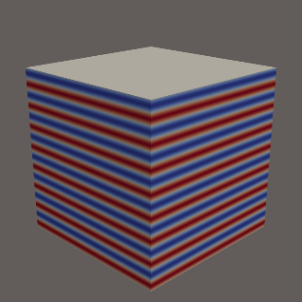 | 50.55 | 80 | 16.00 | 0.88 | 49.670 | 51.430 | 253 |  |  | 1273 |  |  | 7.52 |  |  | 194.0 |  |  |  |  |  |  |  | set2_pt1.vtk
2 |  | 50.55 | 320 | 4.00 | 0.92 | 49.630 | 51.470 | 253 |  |  | 1272 |  |  | 7.52 |  |  | 194.4 |  |  |  |  |  |  |  | set2_pt2.vtk
3 |  | 50.55 | 240 | 5.33 | 0.80 | 49.750 | 51.350 | 253 |  |  | 1274 |  |  | 7.52 |  |  | 195.0 |  |  |  |  |  |  |  | set2_pt3.vtk
4 | 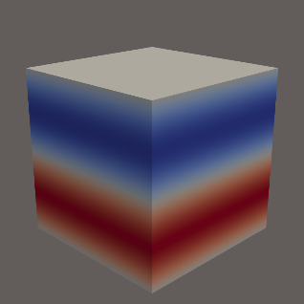 | 50.55 | 640 | 2.00 | 1.00 | 49.550 | 51.550 | 244 |  |  | 1241 |  |  | 7.54 |  |  | 265.2 |  |  |  |  |  |  |  | set2_pt4.vtk
5 |  | 50.55 | 480 | 2.67 | 0.92 | 49.630 | 51.470 | 245 |  |  | 1241 |  |  | 7.54 |  |  | 265.5 |  |  |  |  |  |  |  | set2_pt5.vtk
6 |  | 50.55 | 640 | 2.00 | 0.80 | 49.750 | 51.350 | 245 |  |  | 1244 |  |  | 7.54 |  |  | 266.1 |  |  |  |  |  |  |  | set2_pt6.vtk
7 | 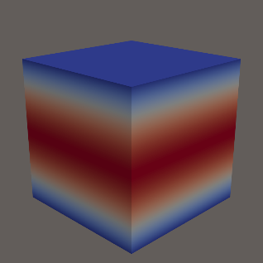 | 50.55 | 1280 | 1.00 | 0.68 | 49.870 | 51.230 | 313 |  |  | 1161 |  |  | 7.66 |  |  | 612.7 |  |  |  |  |  |  |  | set2_pt7.vtk
8 | 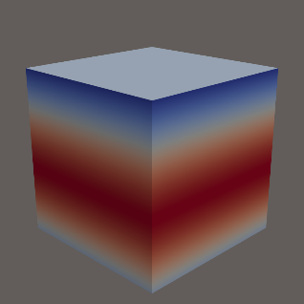 | 50.55 | 1040 | 1.23 | 0.56 | 49.990 | 51.110 | 313 |  |  | 1162 |  |  | 7.66 |  |  | 613.0 |  |  |  |  |  |  |  | set2_pt8.vtk
9 | 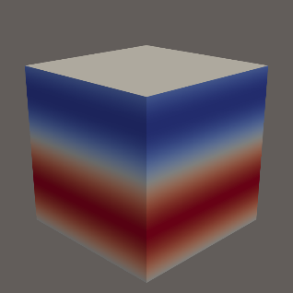 | 50.55 | 720 | 1.78 | 0.60 | 49.950 | 51.150 | 365 |  |  | 1153 |  |  | 7.68 |  |  | 646.4 |  |  |  |  |  |  |  | set2_pt9.vtk
10 |  | 50.55 | 720 | 1.78 | 0.04 | 50.510 | 50.590 | 365 |  |  | 1148 |  |  | 7.68 |  |  | 655.7 |  |  |  |  |  |  |  | set2_pt10.vtk

