Set 1
Point | Image | Avg | Wavelength | Amplitude
pt1 | 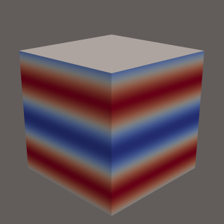 | 51.00 | 400 | 0.56
pt2 | 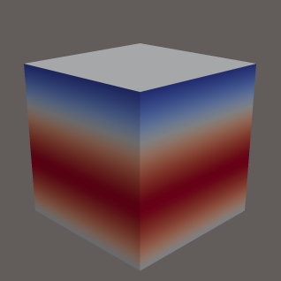 | 51.00 | 960 | 0.52
pt3 | 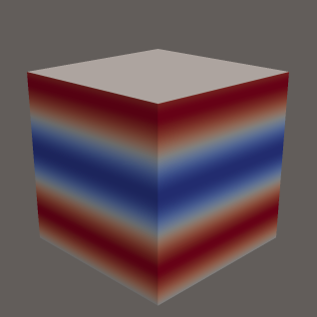 | 51.00 | 480 | 0.52
pt4 | 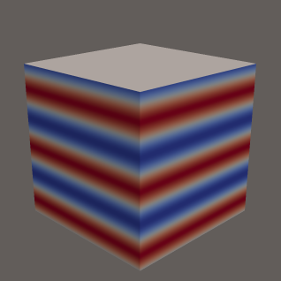 | 51.00 | 240 | 0.52
pt5 |  | 50.95 | 240 | 0.52
pt6 | 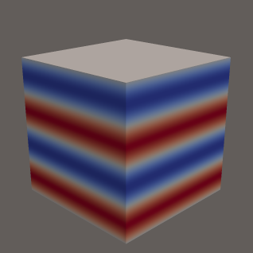 | 50.95 | 320 | 0.52
pt7 |  | 51.00 | 240 | 0.40
pt8 |  | 50.95 | 240 | 0.48
pt9 | 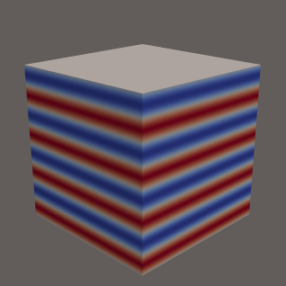 | 51.00 | 160 | 0.48
pt10 |  | 51.00 | 160 | 0.44

Set 2
Point | Image | Avg | Wavelength | Amplitude
pt1 | 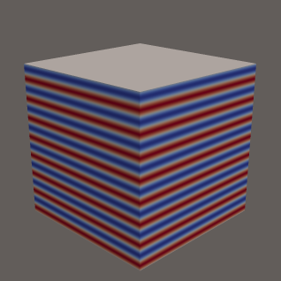 | 50.55 | 80 | 0.88
pt2 |  | 50.55 | 320 | 0.92
pt3 |  | 50.55 | 240 | 0.80
pt4 | 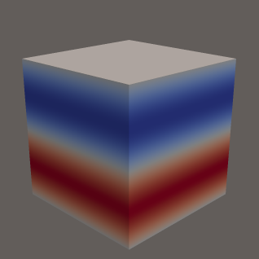 | 50.55 | 640 | 1.00
pt5 |  | 50.55 | 480 | 0.92
pt6 |  | 50.55 | 640 | 0.80
pt7 | 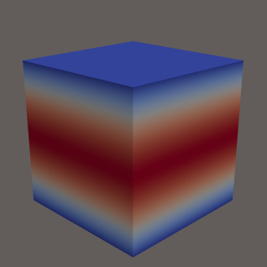 | 50.55 | 1280 | 0.68
pt8 | 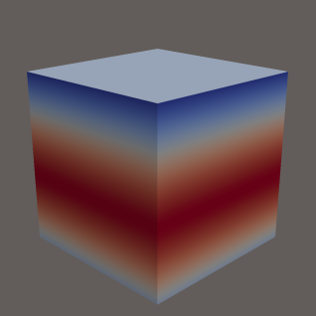 | 50.55 | 1040 | 0.56
pt9 | 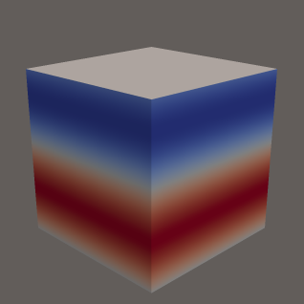 | 50.55 | 720 | 0.60
pt10 |  | 50.55 | 720 | 0.04

