Sheet1
2
3
2

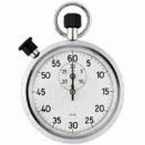
Early War
7
Early War
7
Early War
2[7]

Capitalist Propaganda Must Be Dispelled
Capitalist Prpaganda Must Be Dispelled
Capitalist Propaganda Must Be Dispelled
State Run Media*
State Run Media*
State Run Media*
Remove four Democratic SPs, no more than 2 per space.
Remove four Democratic SPs, no more than 2 per space.
Remove four
Democratic SPs,
no more than 2 per space.

Remove after play of event
Remove if played as an event
Remove after play of event

2
2
3
Early War
2
Early War
2[7]
Early War
2[7]

State Run Media*
Capitalist Propaganda Must Be Dispelled
State Run Media*
Capitalist Propaganda Must Be Dispelled
State Run Media*
Capitalist Propaganda Must Be Dispelled

Remove four Democratic SPs, no more than 2 per space.
Remove four Democratic SPs, no more than 2 per space.
Remove four Democratic SPs, no more than 2 per space.

Remove after play of event
Remove after play of event
Remove after play of event

4
5
6
Early War
2[7]
Early War
2[7]
Early War
2[7]

State Run Media*
Capitalist Propaganda Must Be Dispelled
State Run Media*
Capitalist Propaganda Must Be Dispelled
State Run Media*
Capitalist Propaganda Must Be Dispelled

Remove four Democratic SPs, no more than 2 per space.
Remove four Democratic SPs, no more than 2 per space.
Remove four Democratic SPs, no more than 2 per space.

Remove after play of event
Remove after play of event
Remove after play of event

7
8
9
Early War
2[7]
Early War
2[7]
Early War
2[7]

State Run Media*
Capitalist Propaganda Must Be Dispelled
State Run Media*
Capitalist Propaganda Must Be Dispelled
State Run Media*
Capitalist Propaganda Must Be Dispelled

Remove four Democratic SPs, no more than 2 per space.
Remove four Democratic SPs, no more than 2 per space.
Remove four Democratic SPs, no more than 2 per space.

Remove after play of event
Remove after play of event
Remove after play of event

Sheet2
2
3
2
Early War
7
Early War
7
Early War
2[7]

Capitalist Propaganda Must Be Dispelled
Capitalist Prpaganda Must Be Dispelled
Capitalist Propaganda Must Be Dispelled
State Run Media*
State Run Media*
State Run Media*
Remove four Democratic SPs, no more than 2 per space.
Remove four Democratic SPs, no more than 2 per space.
Remove four
Democratic SPs,
no more than 2 per space.

Remove after play of event
Remove if played as an event
Remove after play of event

2
2
3
Early War
2
Early War
2[7]
Early War
2[7]

State Run Media*
Capitalist Propaganda Must Be Dispelled
State Run Media*
Capitalist Propaganda Must Be Dispelled
State Run Media*
Capitalist Propaganda Must Be Dispelled

Remove four Democratic SPs, no more than 2 per space.
Remove four Democratic SPs, no more than 2 per space.
Remove four Democratic SPs, no more than 2 per space.

Remove after play of event
Remove after play of event
Remove after play of event

4
5
6
Early War
2[7]
Early War
2[7]
Early War
2[7]

State Run Media*
Capitalist Propaganda Must Be Dispelled
State Run Media*
Capitalist Propaganda Must Be Dispelled
State Run Media*
Capitalist Propaganda Must Be Dispelled

Remove four Democratic SPs, no more than 2 per space.
Remove four Democratic SPs, no more than 2 per space.
Remove four Democratic SPs, no more than 2 per space.

Remove after play of event
Remove after play of event
Remove after play of event

7
8
9
Early War
2[7]
Early War
2[7]
Early War
2[7]

State Run Media*
Capitalist Propaganda Must Be Dispelled
State Run Media*
Capitalist Propaganda Must Be Dispelled
State Run Media*
Capitalist Propaganda Must Be Dispelled

Remove four Democratic SPs, no more than 2 per space.
Remove four Democratic SPs, no more than 2 per space.
Remove four Democratic SPs, no more than 2 per space.

Remove after play of event
Remove after play of event
Remove after play of event

Sheet3
2
3
2
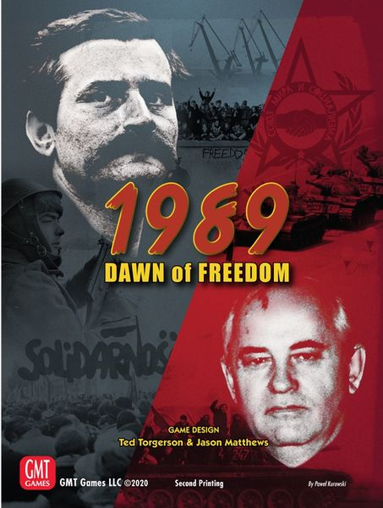
Early War
7
Early War
7
Early War
2[7]

Capitalist Propaganda Must Be Dispelled
Capitalist Prpaganda Must Be Dispelled
Capitalist Propaganda Must Be Dispelled
State Run Media*
State Run Media*
State Run Media*
Remove four Democratic SPs, no more than 2 per space.
Remove four Democratic SPs, no more than 2 per space.
Remove four
Democratic SPs,
no more than 2 per space.

Remove after play of event
Remove if played as an event
Remove after play of event

2
2
3
Early War
2
Early War
2[7]
Early War
2[7]

State Run Media*
Capitalist Propaganda Must Be Dispelled
State Run Media*
Capitalist Propaganda Must Be Dispelled
State Run Media*
Capitalist Propaganda Must Be Dispelled

Remove four Democratic SPs, no more than 2 per space.
Remove four Democratic SPs, no more than 2 per space.
Remove four Democratic SPs, no more than 2 per space.

Remove after play of event
Remove after play of event
Remove after play of event

4
5
6
Early War
2[7]
Early War
2[7]
Early War
2[7]

State Run Media*
Capitalist Propaganda Must Be Dispelled
State Run Media*
Capitalist Propaganda Must Be Dispelled
State Run Media*
Capitalist Propaganda Must Be Dispelled

Remove four Democratic SPs, no more than 2 per space.
Remove four Democratic SPs, no more than 2 per space.
Remove four Democratic SPs, no more than 2 per space.

Remove after play of event
Remove after play of event
Remove after play of event

7
8
9
Early War
2[7]
Early War
2[7]
Early War
2[7]

State Run Media*
Capitalist Propaganda Must Be Dispelled
State Run Media*
Capitalist Propaganda Must Be Dispelled
State Run Media*
Capitalist Propaganda Must Be Dispelled

Remove four Democratic SPs, no more than 2 per space.
Remove four Democratic SPs, no more than 2 per space.
Remove four Democratic SPs, no more than 2 per space.

Remove after play of event
Remove after play of event
Remove after play of event

