Test Case 1
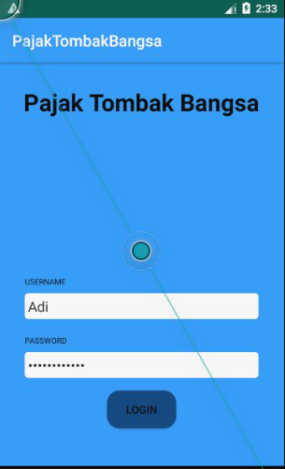
Test Case ID |  | PTB_01 | Test Case Description | Test the Login function in the app
 |  |  | Reviewed By | Project Manager | Version |  | 1.0 | Screenshot

Tester's Name |  | Novita | Date Tested | 16 Desember 2019 | Test Case (Pass/Fail/Not Executed) |  | Pass

S # | Test Data Requirement
1 | Username (bebas)
2 | Password = Tombakbangsa

Test Scenario |  | Verify on entering valid Password for user to login

Step # | Step Details |  | Expected Results | Actual Results |  | Pass / Fail / Not executed / Suspended

1 | Open application |  | Login page is shown with username | As Expected |  | Pass
2 | Enter userId and Pass |  | Credential can be entered | As Expected |  | Pass
3 | Click Login |  | Customer is logged on | As Expected |  | Pass

Test Case 2
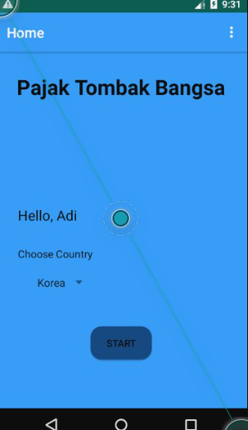
Test Case ID |  | PTB_02 | Test Case Description | Test the choose country page
 |  |  | Reviewed By | Project Manager | Version |  | 1.0 | Screenshot

Tester's Name |  | Novita | Date Tested | 16 Desember 2019 | Test Case (Pass/Fail/Not Executed) |  | Pass

S # | Test Data Requirement
1 | Username
2 | Country = Korea

Test Scenario |  | Rate of country chosen by user saved

Step # | Step Details |  | Expected Results | Actual Results |  | Pass / Fail / Not executed / Suspended

1 | Login |  | Choose a country page is shown | As Expected |  | Pass
2 | Choose country |  | Country is selected and shown | As Expected |  | Pass
3 | Click Start button |  | Rate (kurs) of country is determined | As Expected |  | Pass

Test Case 3
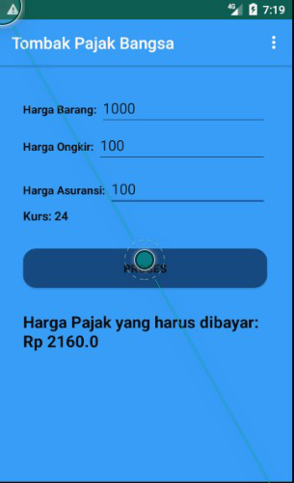
Test Case ID |  | PTB_03 | Test Case Description | Test the count tax function
 |  |  | Reviewed By | Project Manager | Version |  | 1.0 | Screenshot

Tester's Name |  | Novita | Date Tested | 16 Desember 2019 | Test Case (Pass/Fail/Not Executed) |  | Pass

S # | Test Data Requirement
1 | Kurs = 24
2 | Item Price = 1000
3 | Shipping Price = 100
4 | Assurance Price = 100

Test Scenario |  | Inputed prices along with rate is calculated with the formula sum of prices*0.075*rate

Step # | Step Details |  | Expected Results | Actual Results |  | Pass / Fail / Not executed / Suspended

1 | Insert item price |  | Item price can be entered | As Expected |  | Pass
2 | Insert shipping price |  | Shipping price can be entered | As Expected |  | Pass
3 | Insert assurance price |  | Assurance price can be entered | As Expected |  | Pass
4 | Click calculate button |  | Tax price calculated and shown | As Expected |  | Pass

