USRegions
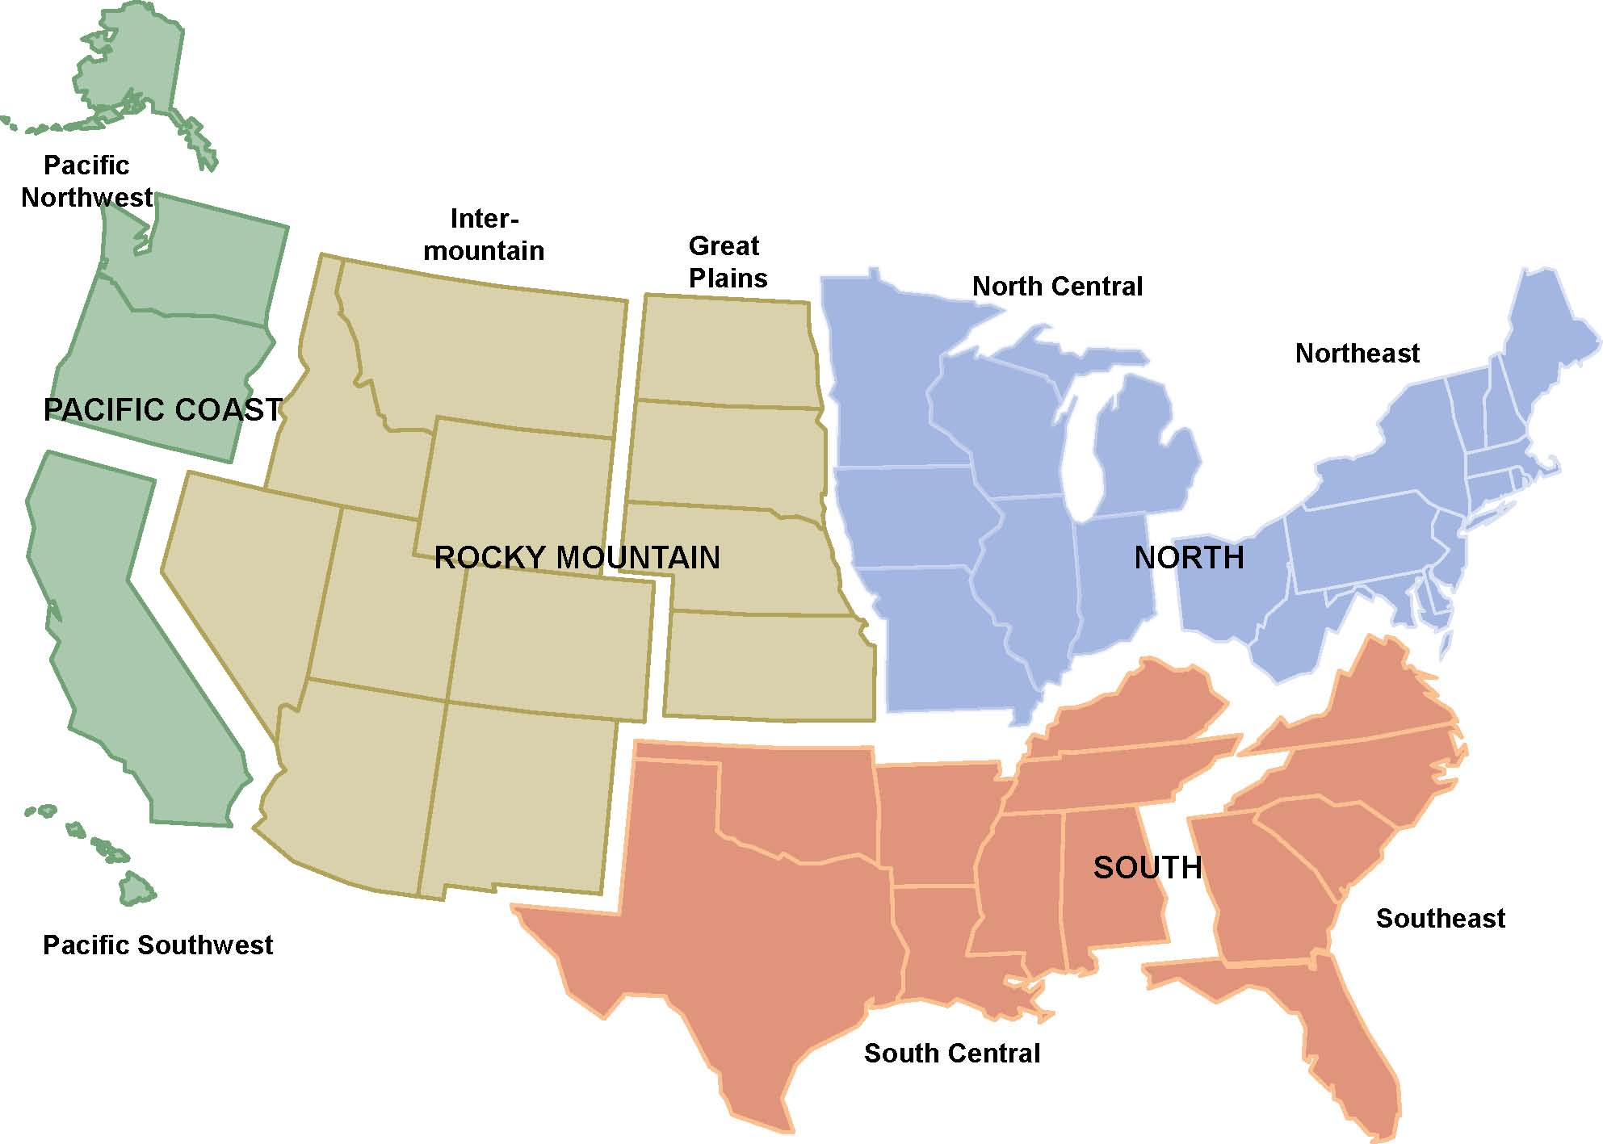
Pacific Cost | Rocky Mountain | North Central | Northeast | South Central | South east
Alaska | Kansas | Illinois | Connecticut | Alabama | Florida
Oregon | Nebraska | Indiana | Delaware | Arkansas | Georgia
Washington | North Dakota | Iowa | Maine | Kentucky | North Carolina
California | South Dakota | Michigan | Maryland | Louisiana | South Carolina
Hawaii | Arizona | Minnesota | Massachusetts | Mississippi | Virginia
 | Colorado | Missouri | New Hampshire | Oklahoma
 | Idaho | Ohio | New Jersey | Tennessee
 | Montana | Wisconsin | New York | Texas
 | Nevada |  | Pennsylvania
 | New Mexico |  | Rhode Island
 | Utah |  | Vermont
 | Wyoming |  | West Virginia

