Front page
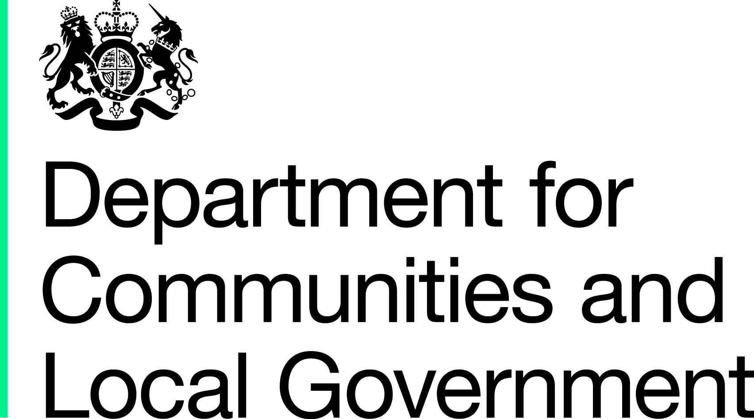

General Fund Revenue Account Outturn
RO3 – SOCIAL CARE AND PUBLIC HEALTH 2014-15

The data from this workbook have been used to compile the National Statistics release "Local Authority Revenue Expenditure and Financing England 2014-15 Final Outturn" which was published on 19 November 2015. This is found at:

https://www.gov.uk/government/collections/local-authority-revenue-expenditure-and-financing

The workbook contains revenue outturn data of local authority revenue expenditure and financing for the financial year April 2014 to March 2015. These estimates are on a non-International Accounting Standard 19 (IAS19) and PFI “Off Balance Sheet” basis except where stated otherwise.

This is an interactive spreadsheet where by using the drop-down button in the 'RO314 LA drop-down' sheet you can produce the summary page by England and individual local authority level.

The spreadsheet has been compiled by the Analysis & Data Directorate - Data Analytics & Statistics division of Department for Communities and Local Government.

We welcome comments and suggestions for further improvement or about your experiences with this product. This may include comments on data quality, timing and the format of the statistics. Please contact us at:

lgf1.revenue@communities.gsi.gov.uk

