Front Page
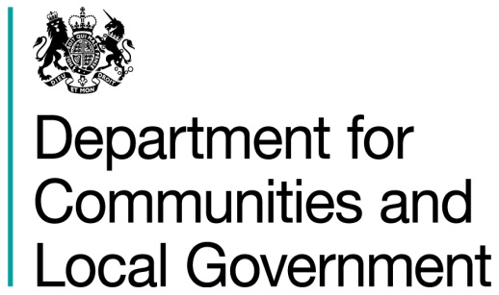
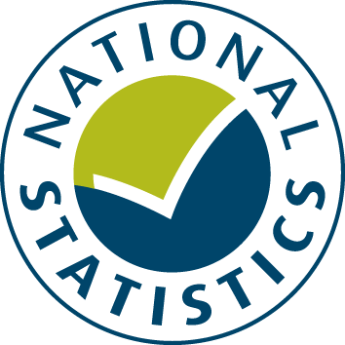

General Fund Revenue Account Outturn
RO4 - HOUSING SERVICES 2016-17

This table provides a summary of local authority expenditure on Housing service spend in England for 2016-17. This includes detail on specific Housing services and details local authority Housing Revenue Account totals.

Data from this workbook have been used to compile the National Statistics release "Local Authority Revenue Expenditure and Financing: 2016-17 Final Outturn, England" which was published on 16 November 2017. This is found at:

https://www.gov.uk/government/collections/local-authority-revenue-expenditure-and-financing

The workbook contains revenue outturn data of local authority revenue expenditure and financing for the financial year April 2016 to March 2017. These estimates are on a non-International Accounting Standard 19 (IAS19) and PFI “Off Balance Sheet” basis except where stated otherwise.

Relevant information to revenue data for 2016-17

Please note: The data is based on complete returns from 444 of the 446 local authorities in England. We did not receive a return from Isles of Scilly or Dorset Police. They have been imputed for and included in the England total but not identified seperately.

This is an interactive spreadsheet where by using the drop-down button in the 'LA drop-down' sheet you can produce the summary page by England, classification and individual local authority level.

The spreadsheet has been compiled by the Data, Analytics and Statistics division of the Department for Communities and Local Government.

We welcome comments and suggestions for further improvement or about your experiences with this product. This may include comments on data quality, timing and the format of the statistics. Please contact us at:

lgf1.revenue@communities.gsi.gov.uk

LA drop-down
Revenue Outturn (RO) 2016-17: Housing Services (RO4) data for ENGLAND

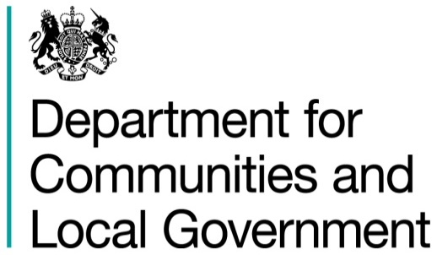

 | Select local authority by clicking on the box below and using the drop-down button:
 | ENGLAND |  |  |  |  |  |  |  | £ thousand

 |  |  | Employees | Running Expenses | Total Expenditure | Sales, Fees and Charges | Other Income | Total Income | Net Current Expenditure
 |  |  | (C1) | (C2) | (C3 = C1 + C2) | (C4) | (C5) | (C6 = C4 + C5) | (C7 = C6 - C3)
 |  |  | 1 | 2 | 3 | 4 | 5 | 6 | 7
 | Housing Strategy
 | 10 | Housing strategy, advice and enabling | 103,676 | 117,579 | 221,255 | 33,989 | 58,883 | 92,872 | 128,383

 | 20 | Housing advances | 3,514 | 10,829 | 14,343 | 1,220 | 2,167 | 3,387 | 10,956

 | Private sector housing renewal
 | 31 | Administration of financial support for repairs and improvements | 33,909 | 36,793 | 70,702 | 11,514 | 30,970 | 42,484 | 28,218
 | 38 | Other private sector housing renewal | 35,164 | 31,702 | 66,866 | 26,831 | 13,890 | 40,721 | 26,145

 | Homelessness
 | 39 | Other nightly paid, privately managed accommodation | 2,364 | 102,392 | 104,756 | 61,749 | 15,384 | 77,133 | 27,623
 | 40 | Private managed accommodation leased by the authority | 5,023 | 293,634 | 298,657 | 224,198 | 47,651 | 271,848 | 26,808
 | 41 | Hostels (non-HRA support) | 9,985 | 34,250 | 44,234 | 29,901 | 3,504 | 33,405 | 10,829
 | 42 | Bed/breakfast accommodation | 5,042 | 281,274 | 286,317 | 172,282 | 40,965 | 213,247 | 73,070
 | 43 | Private managed accommodation leased by RSLs | 1,305 | 31,107 | 32,412 | 24,728 | 706 | 25,433 | 6,979
 | 44 | Directly with a private sector landlord | 976 | 83,117 | 84,093 | 32,852 | 39,771 | 72,623 | 11,470
 | 45 | Accommodation within the authority’s own stock (non-HRA) | 2,131 | 8,171 | 10,302 | 11,534 | 4,222 | 15,756 | -5,454
 | 46 | Other temporary accommodation | 3,281 | 37,706 | 40,987 | 30,658 | 13,746 | 44,404 | -3,417
 | 47 | Homelessness: Administration | 86,597 | 121,769 | 208,366 | 38,385 | 33,114 | 71,499 | 136,866
 | 48 | Accommodation within RSL stock | 1,068 | 15,589 | 16,657 | 2,681 | 322 | 3,003 | 13,654
 | 49 | Homelessness: Prevention | 32,453 | 65,878 | 98,331 | 3,840 | 10,503 | 14,343 | 83,988
 | 50 | Homelessness: Support | 18,818 | 33,011 | 51,829 | 2,405 | 6,731 | 9,136 | 42,694

 | Housing benefits
 | 51 | Rent allowances - discretionary payments | 1,882 | 64,151 | 66,033 | 12,982 | 13,665 | 26,647 | 39,386
 | 52 | Non-HRA rent rebates - discretionary payments | 0 | 7,161 | 7,161 | 1,137 | 987 | 2,124 | 5,037
 | 53 | Rent rebates to HRA tenants - discretionary payments | 0 | 18,866 | 18,866 | 2,396 | 8,848 | 11,244 | 7,623
 | 57 | Housing benefits administration | 200,206 | 367,316 | 567,522 | 38,401 | 147,334 | 185,735 | 381,788

 | 60 | Other council property (Non-HRA) | 10,726 | 49,184 | 59,910 | 40,621 | 16,664 | 57,285 | 2,625

 | Housing welfare
 | 75 | Supporting People | 25,356 | 454,496 | 479,852 | 7,269 | 38,818 | 46,087 | 433,765
 | 78 | Other welfare services | 15,373 | 18,150 | 33,523 | 7,420 | 7,156 | 14,576 | 18,947

 | 90 | TOTAL HOUSING SERVICES (GFRA only) | 598,850 | 2,284,123 | 2,882,973 | 818,992 | 555,999 | 1,374,992 | 1,507,982

 | Housing Revenue Account (HRA) - 2016-17
 |  |  | Net total cost |  | £ thousand

 | Income
 | 101 | Dwelling rents (gross) | 6,966,126
 | 102 | Non-dwelling rents (gross) | 143,869
 | 103 | Tenants’ leaseholders’ and other charges for services and facilities | 711,103
 | 104 | Contributions towards expenditure (other than government grants and assistance) | 122,660
 | 105 | Government grants and assistance (including downward adjustments) | 154,794
 | 106 | Interest on investments credited direct to the HRA | 45,640
 | 107 | Transfers from GF only | 5,566
 | 108 | Transfers from MRR and other transfers permitted or required by legislation | 63,809
 | 111 | HRA - Appropriation to/from Accumulated Absences Account | 114
 | 115 | TOTAL HOUSING REVENUE ACCOUNT (HRA) INCOME* (total of lines 101 to 111) | 8,213,681

 | Expenditure
 | 121 | Repairs and maintenance | 1,737,940
 | 122 | Supervision and management (including CDC) | 1,890,211
 | 123 | Special services | 419,964
 | 124 | Rents, rates, taxes and other charges | 124,394
 | 125 | Direct charges to the HRA - Interest payable and similar charges including amortisation of premiums and discounts | 894,447
 | 126 | Charges to the HRA for debt repayment or non-interest charges in respect of credit arrangements (including on balance sheet PFI schemes) | 1,243,864
 | 127 | HRA - Capital expenditure charged to the GF Revenue Account (CERA) | 504,782
 | 128 | Debt management costs | 26,370
 | 129 | Transfers to GF only | 150,872
 | 130 | Transfers to MRR and other transfers permitted or required by legislation | 770,484
 | 133 | HRA - Provision for bad debts (+/-) | 55,253
 | 135 | TOTAL HOUSING REVENUE ACCOUNT (HRA) EXPENDITURE* (total of lines 121 to 133) | 7,818,582

 | 140 | SURPLUS OR DEFICIT FOR THE YEAR ON HRA SERVICES* (line 115 minus 135) | 395,099

 |  |  | 1 Apr 2016 | 31 Mar 2017

 | 146 | Housing Revenue Account (HRA) Reserves* | 2,689,157 | 3,084,256

 | Source: Department for Communities and Local Government Revenue Outturn (RO) returns 2016-17 - RO4 data

 | 1. Produced on a non-IAS19 and PFI "Off Balance Sheet" basis unless stated otherwise |  |  |  |  |  |  |  | Last Updated: 16 November 2017

