Front Page
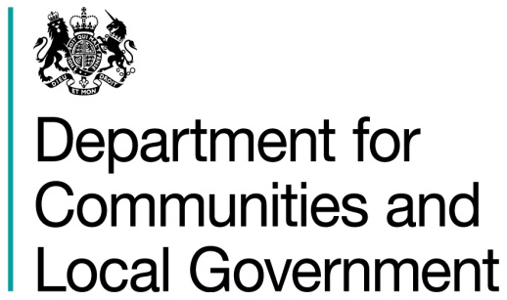
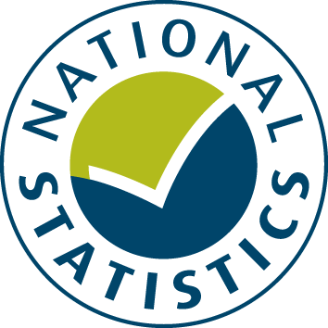

General Fund Revenue Account Outturn
RO3 - SOCIAL CARE AND PUBLIC HEALTH SERVICES 2016-17

This table provides a summary of local authority expenditure on Social Care and Public Health service spend in England for 2016-17. This includes detail on specific Social Care and Public Health functions.

Data from this workbook have been used to compile the National Statistics release "Local Authority Revenue Expenditure and Financing: 2016-17 Final Outturn, England" which was published on 16 November 2017. This is found at:

https://www.gov.uk/government/collections/local-authority-revenue-expenditure-and-financing

The workbook contains revenue outturn data of local authority revenue expenditure and financing for the financial year April 2016 to March 2017. These estimates are on a non-International Accounting Standard 19 (IAS19) and PFI “Off Balance Sheet” basis except where stated otherwise.

Relevant information to revenue data for 2016-17

Please note: The data is based on complete returns from 444 of the 446 local authorities in England. We did not receive a return from Isles of Scilly or Dorset Police. They have been imputed for and included in the England total but not identified seperately.

This is an interactive spreadsheet where by using the drop-down button in the 'LA drop-down' sheet you can produce the summary page by England, classification and individual local authority level.

The spreadsheet has been compiled by the Data, Analytics and Statistics division of the Department for Communities and Local Government.

We welcome comments and suggestions for further improvement or about your experiences with this product. This may include comments on data quality, timing and the format of the statistics. Please contact us at:

lgf1.revenue@communities.gsi.gov.uk

LA drop-down
Revenue Outturn (RO) 2016-17: Social Care and Public Health (RO3) data for ENGLAND

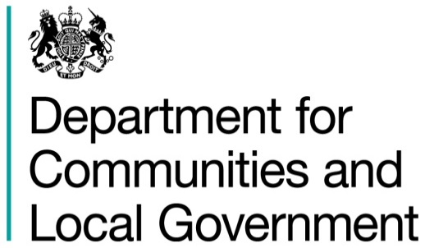

 | Select local authority by clicking on the box below and using the drop-down button:
 | ENGLAND |  |  |  |  |  |  |  | £ thousand

 |  |  | Employees | Running Expenses | Total Expenditure | Sales, Fees and Charges | Other Income | Total Income | Net Current Expenditure
 |  |  | (C1) | (C2) | (C3 = C1 + C2) | (C4) | (C5) | (C6 = C4 + C5) | (C7 = C6 - C3)
 |  |  | 1 | 2 | 3 | 4 | 5 | 6 | 7
 | Children's Social Care
 | 10 | Sure start children's centres/flying start and early years | 280,217 | 345,712 | 625,929 | 27,715 | 60,227 | 87,942 | 537,987
 | 13 | Children Looked After | 726,346 | 3,460,960 | 4,187,305 | 43,048 | 126,673 | 169,721 | 4,017,584
 | 15 | Other children's and families services | 100,685 | 154,576 | 255,261 | 5,143 | 20,157 | 25,300 | 229,961
 | 22 | Family Support Services | 480,578 | 613,012 | 1,093,590 | 20,502 | 92,171 | 112,673 | 980,917
 | 23 | Youth Justice | 188,946 | 92,765 | 281,711 | 17,464 | 71,422 | 88,887 | 192,824
 | 25 | Safeguarding children and young people’s services | 1,306,781 | 800,015 | 2,106,795 | 18,373 | 88,949 | 107,322 | 1,999,473
 | 26 | Asylum Seekers | 14,299 | 126,151 | 140,450 | 539 | 4,362 | 4,901 | 135,549
 | 27 | Services for young people | 237,236 | 226,616 | 463,852 | 21,027 | 61,081 | 82,108 | 381,744
 | 30 | TOTAL CHILDREN SOCIAL CARE | 3,335,086 | 5,819,806 | 9,154,893 | 153,812 | 525,042 | 678,854 | 8,476,039

 | Adult Social Care
 | 32 | Physical support - adults (18–64) | 66,622 | 1,367,933 | 1,434,555 | 135,143 | 146,115 | 281,258 | 1,153,297
 | 33 | Physical support - older people (65+) | 512,893 | 5,279,562 | 5,792,455 | 1,444,779 | 924,263 | 2,369,041 | 3,423,414
 | 34 | Sensory support - adults (18–64) | 3,696 | 56,772 | 60,469 | 5,643 | 4,503 | 10,146 | 50,323
 | 35 | Sensory support - older people (65+) | 21,462 | 152,811 | 174,273 | 51,809 | 20,389 | 72,198 | 102,075
 | 36 | Support with memory and cognition - adults (18–64) | 3,552 | 72,665 | 76,217 | 10,576 | 12,238 | 22,814 | 53,403
 | 37 | Support with memory and cognition - older people (65+) | 100,893 | 1,283,230 | 1,384,122 | 405,946 | 155,664 | 561,610 | 822,512
 | 40 | Learning disability support - adults (18–64) | 452,481 | 4,924,382 | 5,376,863 | 319,932 | 511,071 | 831,003 | 4,545,860
 | 41 | Learning disability support - older people (65+) | 38,738 | 636,056 | 674,794 | 63,555 | 51,677 | 115,232 | 559,562
 | 44 | Mental health support - adults (18–64) | 52,901 | 773,439 | 826,340 | 47,681 | 141,706 | 189,387 | 636,953
 | 45 | Mental health support - older people (65+) | 32,546 | 571,769 | 604,315 | 115,764 | 72,077 | 187,841 | 416,475
 | 48 | Social support: Substance misuse support | 5,124 | 36,519 | 41,643 | 2,964 | 14,475 | 17,438 | 24,204
 | 49 | Social support: Asylum seeker support | 3,415 | 29,696 | 33,111 | 445 | 1,954 | 2,399 | 30,712
 | 50 | Social support: Support for carer | 31,835 | 181,759 | 213,594 | 10,477 | 72,679 | 83,155 | 130,439
 | 51 | Social support: Social Isolation | 6,826 | 91,585 | 98,411 | 12,359 | 10,422 | 22,781 | 75,629
 | 53 | Assistive equipment and technology | 72,724 | 364,510 | 437,234 | 41,131 | 215,735 | 256,866 | 180,368
 | 54 | Social care activities | 1,313,218 | 598,444 | 1,911,662 | 29,388 | 404,062 | 433,451 | 1,478,212
 | 55 | Information and early intervention | 64,444 | 237,286 | 301,730 | 6,671 | 97,611 | 104,282 | 197,448
 | 56 | Commissioning and service delivery | 522,888 | 921,993 | 1,444,881 | 39,436 | 372,063 | 411,499 | 1,033,382
 | 60 | TOTAL ADULT SOCIAL CARE | 3,306,258 | 17,580,411 | 20,886,669 | 2,743,776 | 3,228,625 | 5,972,401 | 14,914,268

 | Public Health
 | 61 | Sexual health services - STI testing and treatment (prescribed functions) | 8,229 | 383,599 | 391,828 | 300 | 17,287 | 17,587 | 374,242
 | 62 | Sexual health services - Contraception (prescribed functions) | 5,375 | 174,672 | 180,047 | 215 | 8,768 | 8,983 | 171,064
 | 63 | Sexual health services - Advice, prevention and promotion (non-prescribed functions) | 4,277 | 50,658 | 54,934 | 122 | 2,389 | 2,511 | 52,423
 | 65 | NHS health check programme (prescribed functions) | 5,566 | 47,174 | 52,739 | 84 | 1,435 | 1,520 | 51,220
 | 66 | Health protection - Local authority role in health protection (prescribed functions) | 14,527 | 21,153 | 35,680 | 207 | 1,703 | 1,910 | 33,770
 | 68 | National child measurement programme (prescribed functions) | 2,344 | 18,185 | 20,529 | 31 | 300 | 331 | 20,198
 | 70 | Public health advice (prescribed functions) | 40,094 | 16,817 | 56,911 | 196 | 6,068 | 6,265 | 50,646
 | 71 | Obesity - adults | 8,592 | 53,469 | 62,062 | 304 | 2,895 | 3,199 | 58,863
 | 72 | Obesity - children | 7,483 | 38,483 | 45,966 | 110 | 1,643 | 1,754 | 44,212
 | 73 | Physical activity - adults | 17,969 | 62,120 | 80,089 | 7,906 | 2,816 | 10,722 | 69,367
 | 74 | Physical activity - children | 5,603 | 26,912 | 32,514 | 1,134 | 1,788 | 2,923 | 29,592
 | 76 | Substance misuse - Treatment for drug misuse in adults | 12,486 | 412,859 | 425,345 | 1,818 | 24,340 | 26,158 | 399,187 | 29,592
 | 77 | Substance misuse - Treatment for alcohol misuse in adults | 8,964 | 193,813 | 202,777 | 1,148 | 10,929 | 12,077 | 190,700 | 399,187
 | 78 | Substance misuse - Preventing and reducing harm from drug misuse in adults | 3,843 | 63,740 | 67,584 | 284 | 3,846 | 4,130 | 63,454 | 190,700
 | 79 | Substance misuse - Preventing and reducing harm from alcohol misuse in adults | 2,730 | 35,344 | 38,073 | 270 | 805 | 1,076 | 36,997 | 63,454
 | 80 | Substance misuse - Specialist drug and alcohol misuse services for children and young people | 5,645 | 43,820 | 49,465 | 25 | 1,612 | 1,637 | 47,829 | 36,997
 | 81 | Smoking and tobacco - Stop smoking services and interventions | 10,150 | 83,123 | 93,273 | 255 | 3,722 | 3,977 | 89,297 | 47,829
 | 82 | Smoking and tobacco - Wider tobacco control | 2,761 | 7,378 | 10,139 | 36 | 281 | 318 | 9,822 | 89,297
 | 83 | Children 5–19 public health programmes | 24,783 | 264,067 | 288,851 | 811 | 20,918 | 21,729 | 267,122 | 9,822
 | 84 | Miscellaneous public health services - Children's 0–5 services (prescribed functions) | 26,092 | 770,059 | 796,151 | 667 | 17,025 | 17,692 | 778,459 | 267,122
 | 85 | Miscellaneous public health services - Children’s 0-5 services - Other (non-prescribed functions) | 19,847 | 138,619 | 158,466 | 151 | 5,328 | 5,479 | 152,987 | 778,459
 | 86 | Health at work | 6,751 | 10,071 | 16,822 | 86 | 2,340 | 2,426 | 14,396 | 152,987
 | 87 | Public mental health | 5,446 | 39,331 | 44,777 | 359 | 1,727 | 2,086 | 42,692 | 14,396
 | 89 | Miscellaneous public health services | 103,569 | 361,965 | 465,534 | 1,499 | 32,565 | 34,064 | 431,470 | 42,692
 | 90 | TOTAL PUBLIC HEALTH | 353,127 | 3,317,430 | 3,670,557 | 18,019 | 172,531 | 190,550 | 3,480,008

 | Additional Information

 | Public Health Expenditure by Primary Care Service Provider
 | 93 | General Practice Services (included above within total public health) |  |  |  |  |  |  | 24,351
 | 94 | Dental Services (included above within total public health) |  |  |  |  |  |  | 1,479
 | 95 | Pharmaceutical Services and Locally Commissioned Services from Pharmacies (included above within total public health) |  |  |  |  |  |  | 15,837
 | 96 | Eye Care Services (included above within total public health) |  |  |  |  |  |  | 384

 | Supporting People
 | 98 | Supporting people ancillary expenditure included above within total Children's Social Care | 0 | 5,656 | 5,656 | 0 | 0 | 0 | 5,656
 | 99 | Supporting people ancillary expenditure included above within total Adult Social Care | 0 | 14,362 | 14,362 | 23 | 60 | 83 | 14,279

 | Source: Department for Communities and Local Government Revenue Outturn (RO) returns 2016-17 - RO3 data

 | 1. Produced on a non-IAS19 and PFI "Off Balance Sheet" basis unless stated otherwise |  |  |  |  |  |  |  | Last Updated: 16 November 2017

