Front Page

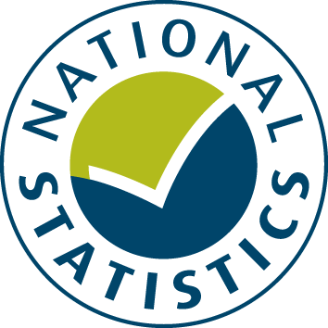

General Fund Revenue Account Outturn
RO3 - SOCIAL CARE AND PUBLIC HEALTH SERVICES 2017-18 - Revised

This table provides a summary of local authority expenditure on Education service spend in England for 2017-18. This includes detail on specific Education services such as Primary Schools and Secondary Schools.

Data from this workbook have been used to compile the National Statistics release "Local Authority Revenue Expenditure and Financing: 2017-18 Final Outturn, England - Revised" which was revised on 20 March 2019. This is found at:
https://www.gov.uk/government/collections/local-authority-revenue-expenditure-and-financing
 | Please note: The data are based on complete returns from all 444 local authorities (compared to 443 and estimates for Copeland District Council in November). Late corrections submitted by other local authorities have also been included; these were small and have very little impact on national figures.
The workbook contains revenue outturn data of local authority revenue expenditure and financing for the financial year April 2016 to March 2017. These estimates are on a non-International Accounting Standard 19 (IAS19) and PFI “Off Balance Sheet” basis except where stated otherwise.

This is an interactive spreadsheet where by using the drop-down button in the 'LA drop-down' sheet you can produce the summary page by England, classification and individual local authority level.

The spreadsheet has been compiled by the Data, Analytics and Statistics division of the Ministry of Housing, Communities and Local Government.

We welcome comments and suggestions for further improvement or about your experiences with this product. This may include comments on data quality, timing and the format of the statistics. Please contact us at:

lgf1.revenue@communities.gov.uk

We welcome comments and suggestions for further improvement or about your experiences with this product. This may include comments on data quality, timing and the format of the statistics. Please contact us at:

lgf1.revenue@communities.gov.uk

