Front Page

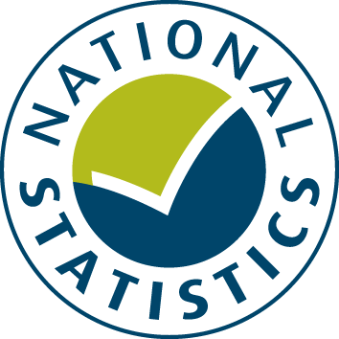

General Fund Revenue Account Outturn
RG – SPECIFIC AND SPECIAL REVENUE GRANTS 2017-18 - Revised

This table records information on all the main revenue grants paid to local authorities by individual government departments for the delivery of core local authority services.

Data from this workbook have been used to compile the National Statistics release "Local Authority Revenue Expenditure and Financing: 2017-18 Final Outturn, England - Revised" which was revised on 20 March 2019. This is found at:
https://www.gov.uk/government/collections/local-authority-revenue-expenditure-and-financing

 | Please note: The data are based on complete returns from all 444 (compared to 443 in November 2018), and a small number of minor revisions from the publication in 2018, headline figures have not been affected.
The workbook contains revenue outturn data of local authority revenue expenditure and financing for the financial year April 2017 to March 2018. These estimates are on a non-International Accounting Standard 19 (IAS19) and PFI “Off Balance Sheet” basis except where stated otherwise.

This is an interactive spreadsheet where by using the drop-down button in the 'LA drop-down' sheet you can produce the summary page by England, classification and individual local authority level.

The spreadsheet has been compiled by the Data, Analytics and Statistics division of the Ministry of Housing, Communities and Local Government.

We welcome comments and suggestions for further improvement or about your experiences with this product. This may include comments on data quality, timing and the format of the statistics. Please contact us at:

lgf1.revenue@communities.gov.uk

