App1
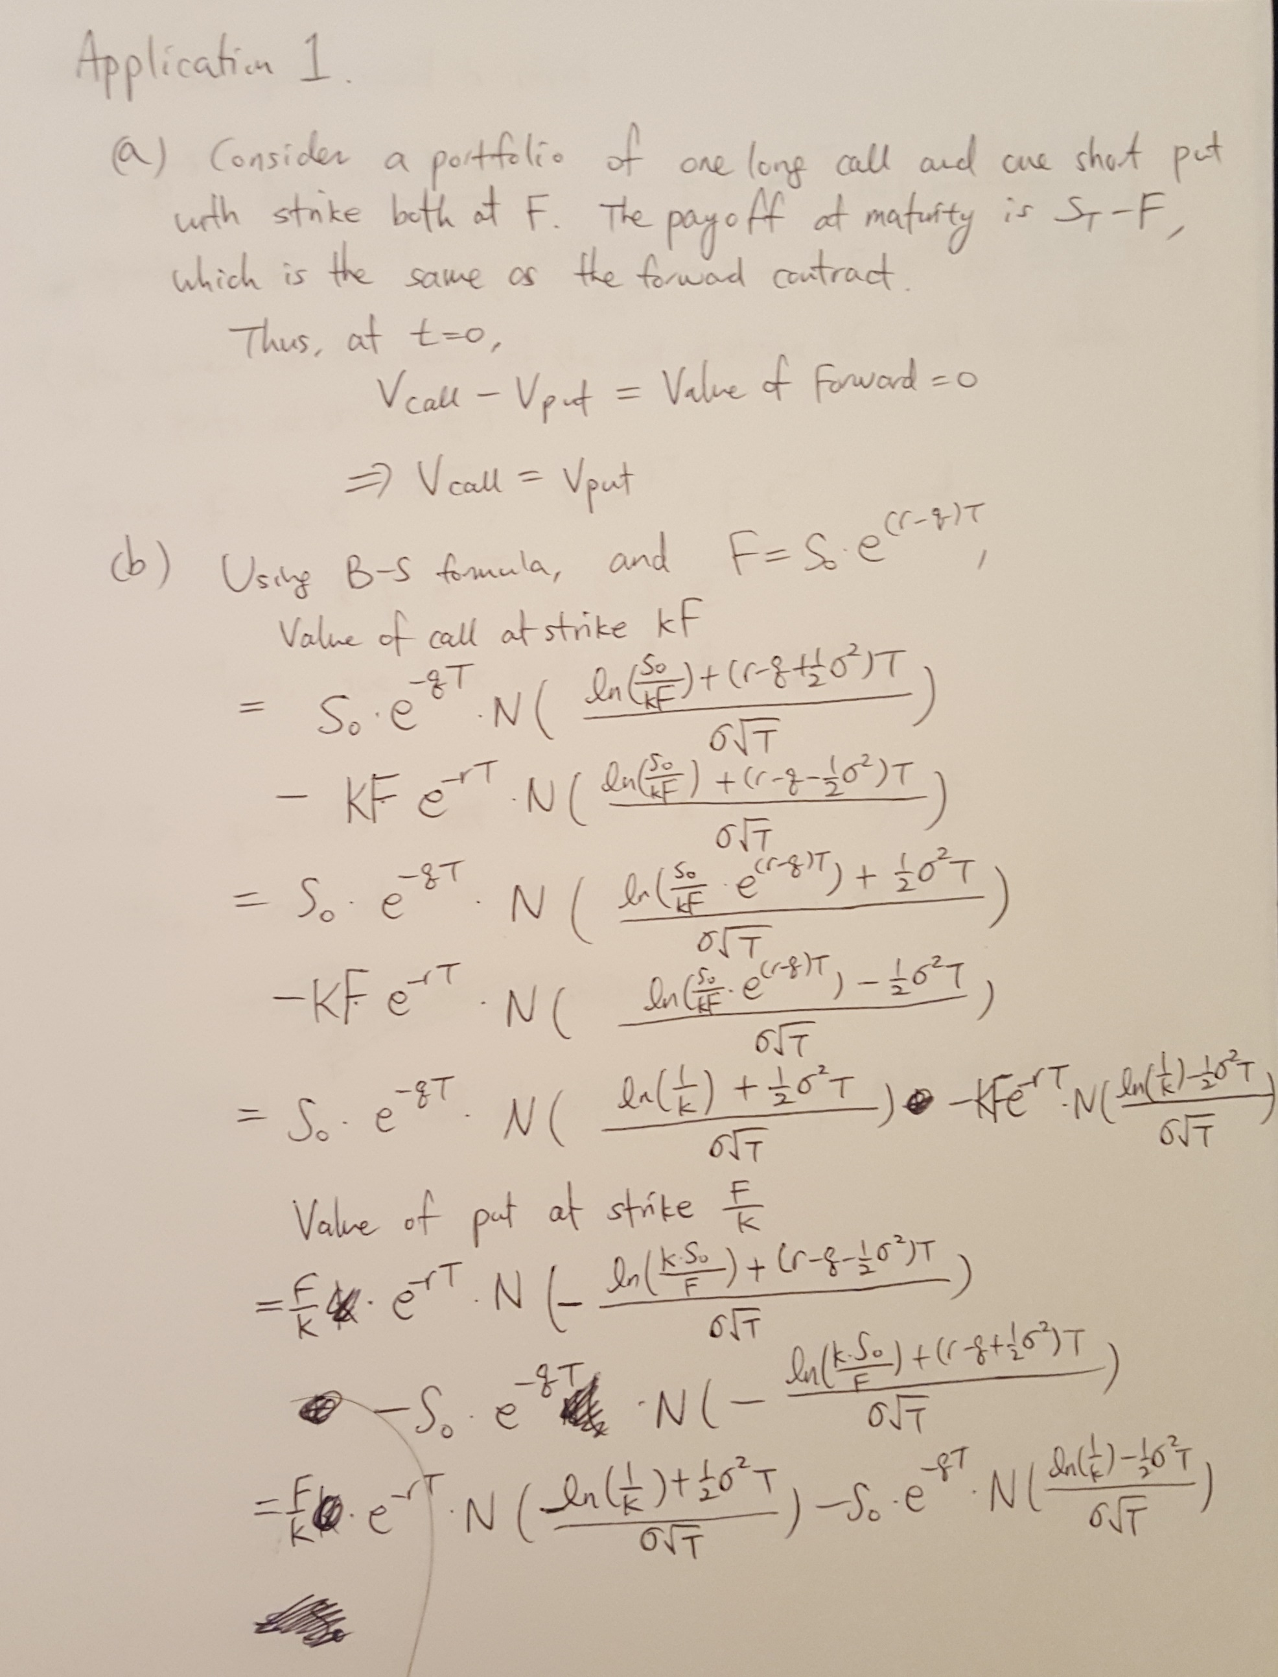

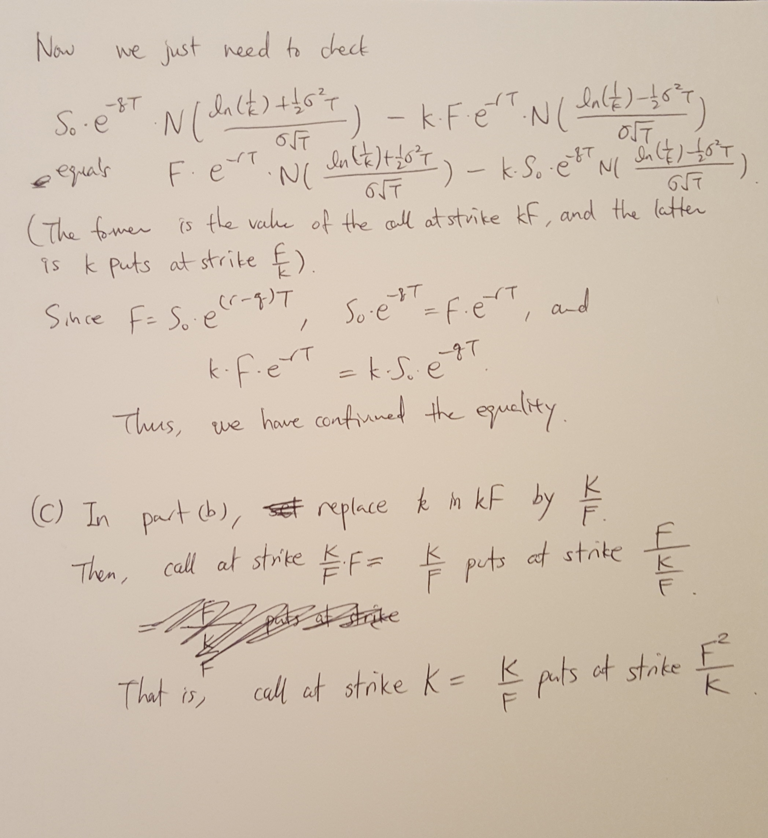

App2_PartC
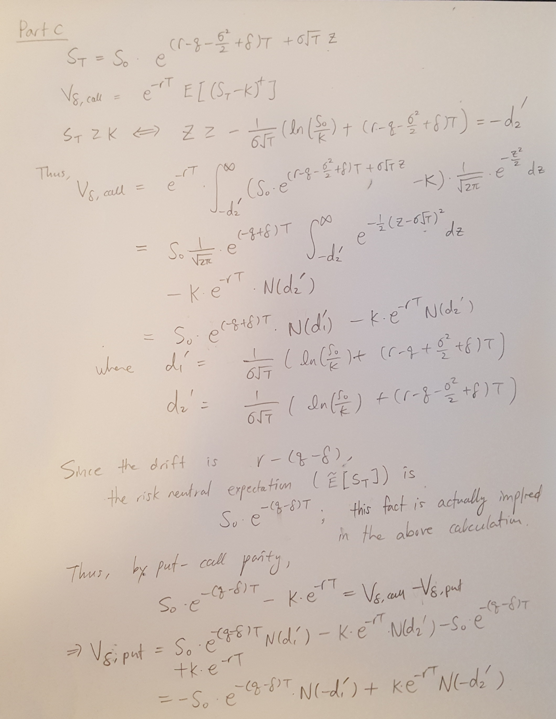

App2_PartD&E
S0 | 100 | m | 0.2
r | 0.01 | lambda | 0.25
q | 0
sigma | 0.25
T | 0.25

FwdPrice | 100.25031276

 |  | Part D | Part E
Strike | IsCallOption | OptionValue | SolvedImpliedVol
50 | FALSE | 0.00016014875678 | 0.35958174616
55 | FALSE | 0.00088113820732 | 0.34711041488
60 | FALSE | 0.0039278402525 | 0.33504110994
65 | FALSE | 0.014847629768 | 0.32370050671
70 | FALSE | 0.048344557338 | 0.31290155297
75 | FALSE | 0.13697685927 | 0.30231412464
80 | FALSE | 0.3454367826 | 0.29233684465
85 | FALSE | 0.78862761504 | 0.28373493145
90 | FALSE | 1.6338050631 | 0.2769117692
95 | FALSE | 3.0636499773 | 0.27176796664
100 | FALSE | 5.2105081746 | 0.26796297818
105 | TRUE | 3.3671709766 | 0.2651418096
110 | TRUE | 1.9468750385 | 0.26302144028
115 | TRUE | 1.0575054992 | 0.2613982151
120 | TRUE | 0.54137076256 | 0.2601309921
125 | TRUE | 0.26223038996 | 0.2591227007
130 | TRUE | 0.12069784008 | 0.25830613504 | Part E Discussion:
135 | TRUE | 0.053018225263 | 0.25763413985 | We note that the implied volatility for puts are higher than those for calls.
140 | TRUE | 0.022320125652 | 0.25707308785 | This result is consistent with the implication behind the poisson jump process where equity tends to
145 | TRUE | 0.0090419621049 | 0.25659858657 | exhibit large negative returns. That is, puts (the right to sell when the price falls much) are more valuable
150 | TRUE | 0.0035380287442 | 0.2561926411 | than calls; this is revealed through the implied vol difference.
155 | TRUE | 0.0013418684666 | 0.2558417595
160 | TRUE | 0.0004948839165 | 0.25553567335
165 | TRUE | 0.00017799890874 | 0.25526644662
170 | TRUE | 6.2605837034E-05 | 0.25502789766
175 | TRUE | 2.1585064599E-05 | 0.25481507182
180 | TRUE | 7.3112784083E-06 | 0.25462418795
185 | TRUE | 2.4378456258E-06 | 0.2544516325
190 | TRUE | 8.016456799E-07 | 0.25429487228
195 | TRUE | 2.6039883427E-07 | 0.25415420532
200 | TRUE | 8.3680892869E-08 | 0.25402069092

