Final Version
Screen5 epoch200 version

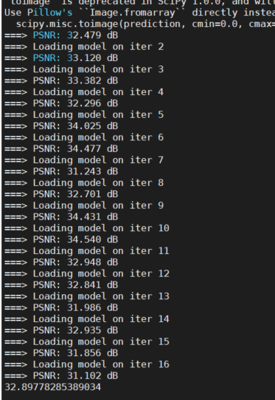
Parameters (8bits) | shift | shift Ex: |  |  | Dynamic Fixed Point for all |  | Only Parameter | LR直接跟HR比較後的PSNR
conv1_weight | (+2)
num_max: 0.21710053086280823 |  | shift=+0 | 正常的，跟之前一樣 |  | final version
num_min: 0.22100751101970673 |  | shift=+1 | 從小數點後一位開始取 |  | bw_activation | 16 | 16
conv1_bias | (+1) | shift=+2 | 從小數點後兩位開始取 |  | bw_parameter | 7 | 7
num_max: 0.31545236706733704 |  | shift=+3 | 從小數點後三位開始取 |  | PSNR
num_min: 0.19348464906215668 |  |  |  |  | 1 | 30.08433532 | 30.25440045
res1_conv1_weight | (+1) | EX: | at conv_sum module |  | 2 | 29.28168365 | 29.29665876
num_max: 0.43727612495422363 |  |  |  |  | 3 | 28.28407948 | 28.23966449
num_min: 0.26695516705513 |  | weight part |  |  | 4 | 28.22804957 | 28.05615802
res1_conv1_bias | (+0) | shift=+0 | ((sum1 + sum2) >>> 5) +… |  | 5 | 29.50493193 | 29.431275
num_max: 0.3483377695083618 |  | shift=+1 | ((sum1 + sum2) >>> 6) +… |  | 6 | 28.35193142 | 28.23081802
num_min: 0.9379430413246155 |  | shift=+2 | ((sum1 + sum2) >>> 7) +… |  | 7 | 28.13861033 | 28.2286824
res1_conv2_weight | (+0) | shift=+3 | ((sum1 + sum2) >>> 8) +... |  | 8 | 28.49207395 | 28.45263072
num_max: 0.6074850559234619 |  |  |  |  | 9 | 30.73999617 | 30.74094835
num_min: 0.5780561566352844 |  | 備註 | 1. 還有1bit的shift 是為了讓之後四捨五入用 |  | 10 | 33.77918573 | 33.77830606
res1_conv2_bias | (+1) |  | 2. 還需要看後面activation的shift做調整 |  | 11 | 29.23433834 | 29.24107131
num_max: 0.38712409138679504 |  |  |  |  | 12 | 28.75134127 | 28.75051152
num_min: 0.16327689588069916 |  |  |  |  | 13 | 31.42825401 | 31.42521216
res2_conv1_weight | (+1) | bias part |  |  | 14 | 28.62508718 | 28.61221711
num_max: 0.35916611552238464 |  | shift=+0 | ... + ( sram_rdata_bias_delay4 <<< 3) |  | 15 | 28.51928783 | 28.7955256
num_min: 0.34941789507865906 |  | shift=+1 | ... + ( sram_rdata_bias_delay4 <<< 4) |  | 16 | 29.97753427 | 29.97185047
res2_conv1_bias | (+0) | shift=+2 | ... + ( sram_rdata_bias_delay4 <<< 5) |  | Average | 29.4637 | 29.469120652
num_max: 0.4097697138786316 |  | shift=+3 | ... + ( sram_rdata_bias_delay4 <<< 6)
num_min: 0.5455474853515625
res2_conv2_weight | (+0) | 備註 | 1. 還有1bit的shift 是為了讓之後四捨五入做完後再向右shift 1 bit
num_max: 0.5933212041854858 |  |  | 2. 還需要看後面activation的shift做調整
num_min: 0.6306118369102478 |  |  |  |  | SSR PSNR
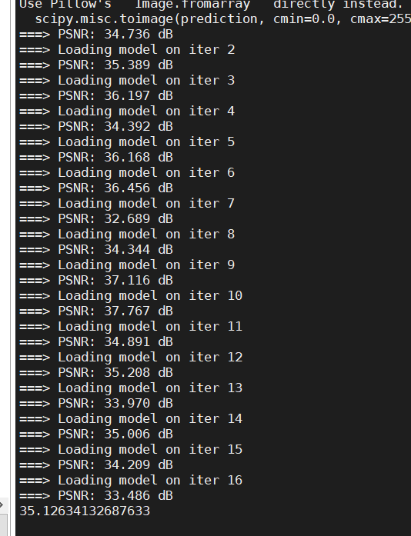
res2_conv2_bias | (+1)
num_max: 0.29779699444770813
num_min: 0.1536378115415573
res3_conv1_weight | (+1) | 額外備註
num_max: 0.3575678765773773 |  |  | 之前整數部分只有8bits，為了讓input MSB是零 ，所以input有額外向右移動1bit
num_min: 0.4289824068546295 |  |  | 但是現在整數部分有9bits，所以input(conv1_input)不用特別處理(因為9bits可以表示255)
res3_conv1_bias | (+0)
num_max: 0.6558360457420349
num_min: 0.8497584462165833
res3_conv2_weight | (+0)
num_max: 0.8204385638237
num_min: 0.9403665661811829
res3_conv2_bias | (+3)
num_max: 0.06788934022188187
num_min: 0.10088059306144714
res4_conv1_weight | (+0)
num_max: 0.4060819149017334
num_min: 0.5919024348258972
res4_conv1_bias | (+0)
num_max: 0.3615718483924866
num_min: 0.6659812331199646
res4_conv2_weight | (+0) |  |  | #DIV/0!
num_max: 0.5711235404014587
num_min: 0.6986136436462402
res4_conv2_bias | (+3)
num_max: 0.07192621380090714
num_min: 0.10237252712249756
upsamp1_conv_weight | (+1)
num_max: 0.436998188495636
num_min: 0.33742275834083557
upsamp1_conv_bias | (+2)
num_max: 0.18155202269554138
num_min: 0.1133350133895874
upsamp2_conv_weight | (+2)
num_max: 0.20130254328250885
num_min: 0.2089206427335739
upsamp2_conv_bias | (+3)
num_max: 0.08619844913482666
num_min: 0.09752856194972992
conv2_weight | (+3)
num_max: 0.08589157462120056
num_min: 0.09052063524723053
conv2_bias | (+3)
num_max: 0.012349721044301987
num_min: 0.04404418542981148

Activation(整數9bits, 小數7bits) | shift | shift Ex:
Conv1 | 0
Res1_conv1 | 2 | shift=0 | 整數9位數, 小數點7位
Res1_conv2 | -1 | shift=1 | 整數8位數, 小數點8位
Res2_conv1 | 2 | shift=2 | 整數7位數, 小數點9位
Res2_conv2 | -1 | shift=-1 | 整數10位數, 小數點6位
Res3_conv1 | 2
Res3_conv2 | -1
Res4_conv1 | 2 | EX: | at conv_sum module
Res4_conv2 | -1
Up1 | -1 | shift=0 | 上面例子中的weight&bias shift&forwarding位數不動
Up2 | -1 | shift=1 | 上面例子中的(sum1 + sum2) >>>(x-1) ; bias<<<(y+1);forwarding<<<(z+1)
Conv2 | -1 | shift=2 | 上面例子中的(sum1 + sum2) >>>(x-2) ; bias<<<(y+2);forwarding<<<(z+2)
 |  | shift=-1 | 上面例子中的(sum1 + sum2) >>>(x+1) ; bias<<<(y-1);forwarding<<<(z-1)

