Character
Bob the Paladin

Gold cells are editable. Gray cells calculate.
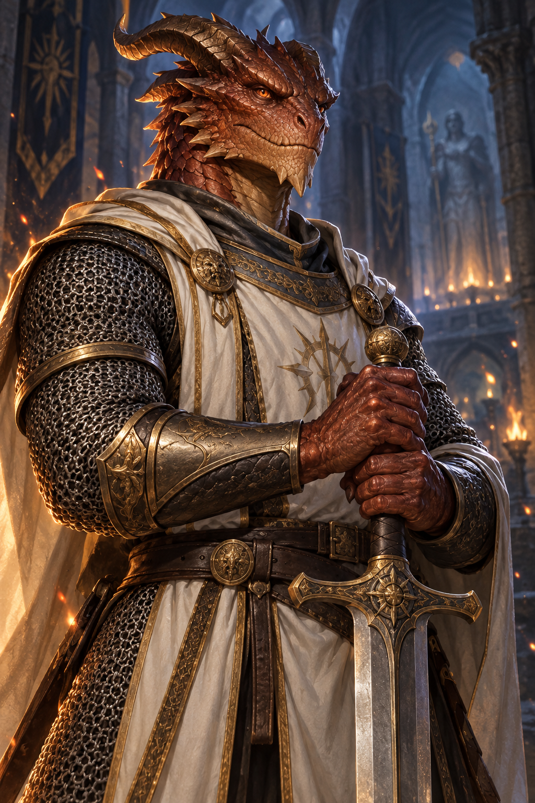
Name | Bob |  |  |  |  |  |  | “I am Bob!”
Player | Kai
Race | Dragonborn
Class | Paladin
Level | 2 |  | Proficiency | +2
Background | Noble
Alignment | Chaotic Neutral
XP | 0
Hit die | d10

Ability | Score | Modifier | Proficient save | Save bonus
STR | 17 | +3 | No | +3
DEX | 12 | +1 | No | +1
CON | 13 | +1 | No | +1
INT | 8 | -1 | No | -1 | Combat | Current
WIS | 10 | 0 | Yes | +2 | Current HP | 15
CHA | 14 | +2 | Yes | +4 | Maximum HP | 20 |  | Chain mail equipped: AC 16. Heavy armor imposes disadvantage on Stealth.
 |  |  |  |  | Temporary HP | 0
 |  |  |  |  | Armor class | 16
Skill | Ability | Proficient | Bonus |  | Speed (ft) | 30
Acrobatics | DEX | No | +1 |  | Hit dice left | 2
Animal Handling | WIS | No | 0 |  | Death successes | 0 |  | Divine Smite: spend a spell slot after a melee weapon hit for +2d8 radiant, or +3d8 against undead/fiends. See Journal.
Arcana | INT | No | -1 |  | Death failures | 0
Athletics | STR | Yes | +5 |  | Inspiration | No
Deception | CHA | No | +2 |  | Initiative | +1
History | INT | Yes | +1 |  | Passive perception | 10
Insight | WIS | No | 0
Intimidation | CHA | Yes | +4
Investigation | INT | No | -1 |  | Resource | Remaining | Maximum | Recharge | Effect
Medicine | WIS | No | 0 |  | Fire Breath | 1 | 1 | Short or long rest | 15 ft cone · Dexterity save · half damage on success.
Nature | INT | No | -1 |  | Divine Sense | 3 | 3 | Long rest | Sense celestials, fiends and undead within 60 ft, except behind total cover, until the end of your next turn.
Perception | WIS | No | 0 |  | Lay on Hands | 10 | 10 | Long rest | Touch to restore HP from the pool. Spend 5 points to cure one disease or neutralize one poison.
Performance | CHA | No | +2
Persuasion | CHA | Yes | +4
Religion | INT | No | -1 |  | Fire resistance
Sleight of Hand | DEX | No | +1 |  | Half damage from fire.
Stealth | DEX | No | +1
Survival | WIS | No | 0 |  | Position of Privilege
 |  |  |  |  | Noble background feature.

Attack | Attack / DC | Dice | Damage bonus | Damage type
Greatsword (lost) | +5 | 2d6 | +3 | Slashing | Greatsword lost: attack unavailable until recovered or replaced.
Javelin | +5 | 1d6 | +3 | Piercing | Javelins carried: 4. Range 30/120 ft.
Fire Breath | 11 | 2d6 | 0 | Fire | Fire Breath: DC shown, Dexterity save, 15 ft cone.
 |  |  |  |  | Half damage on a successful save.

