Experiment Results
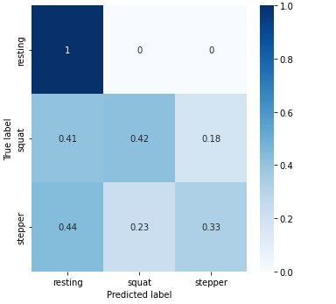
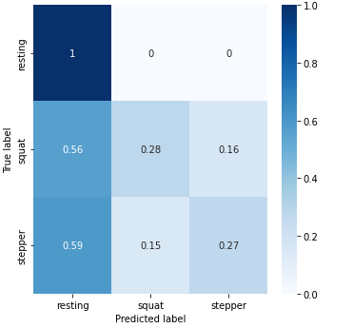
Epoch | Accuracy | Loss
5
20
50
100

Epsilon | Accuracy | Loss
0.1
1
50
100

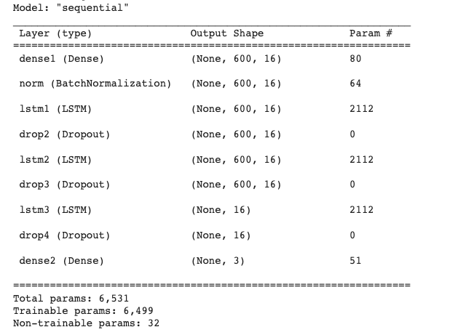

epch 높ㄴ건 가능
AA GPU 부조ㅓㄱ
샘플링 사이즈 조절
안돌아갈시에 - 최상의 모델에서 테스팅을 할 수 없는게 리미테이션

FGSM Adversarial Attacks Confusion Matrix - Accuracy |  |  |  |  |  |  |  | FGSM Adversarial Attacks Confusion Matrix - Accuracy
 | Clean | Adversarial Attacks |  |  |  |  |  |  | Clean | Adversarial Attacks
 | (Eps 0.1, Epoch 10) | (Eps 0.1, Epoch 5) | (Eps 0.1, Epoch 10) | (Eps 0.5, Epoch 5) | (Eps 0.5, Epoch 10) | (Eps 1.0, Epoch 5) | (Eps 1.0, Epoch 10) |  | (Eps 0.1, Epoch 10) | (Eps 0.1, Epoch 5) | (Eps 0.1, Epoch 10) | (Eps 0.5, Epoch 5) | (Eps 0.5, Epoch 10) | (Eps 1.0, Epoch 5) | (Eps 1.0, Epoch 10)
Resting | 1.00 | 1.00 | 1.00 | 1.00 | 1.00 | 1.00 | 1.00 | Resting | 1.00 | 1.00 | 1.00 | 1.00 | 1.00 | 1.00 | 1.00
Squat | 0.38 | 0.42 | 0.28 | 0.11 | 0.17 | 0.12 | 0.24 | Squat | 0.38 | 0.42 | 0.28 | 0.11 | 0.17 | 0.12 | 0.24
Stepper | 0.50 | 0.33 | 0.27 | 0.33 | 0.43 | 0.36 | 0.34 | Stepper | 0.50 | 0.33 | 0.27 | 0.33 | 0.43 | 0.36 | 0.34

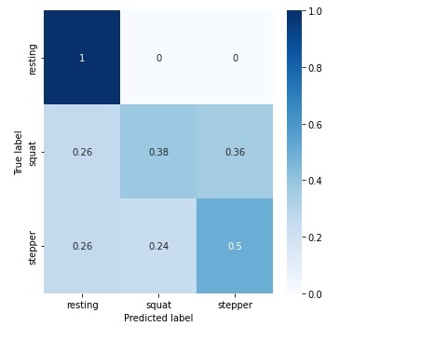
Clean (Train 100 epoch, Test 10 epoch, Epsilon 0.1)

Adversarial Attacks (Test 5 epoch, Epsilon 0.5) |  |  |  | Adversarial Attacks (Test Epoch 10, Epsilon 0.5)
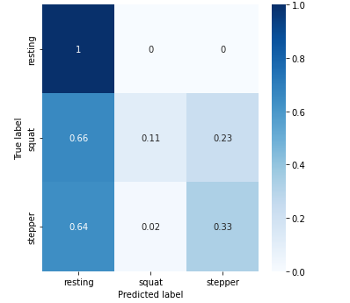
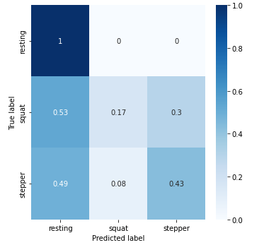

test epoch 5 // eps 1.0 |  |  |  | test epoch 10 // eps 1.0
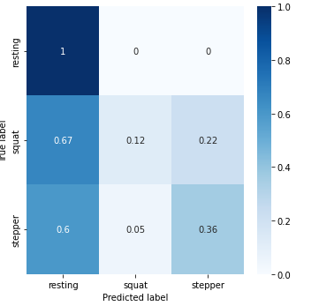
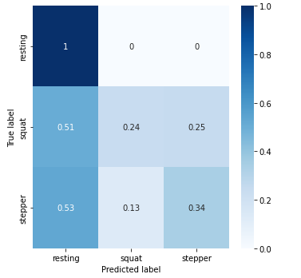

test epoch 5 // eps: 0.1 |  |  |  | tesh epoch 10 // eps 0.1

