Nigerian Markets at a Glance
Nigerian Markets At a Glance - Feb 15 2023

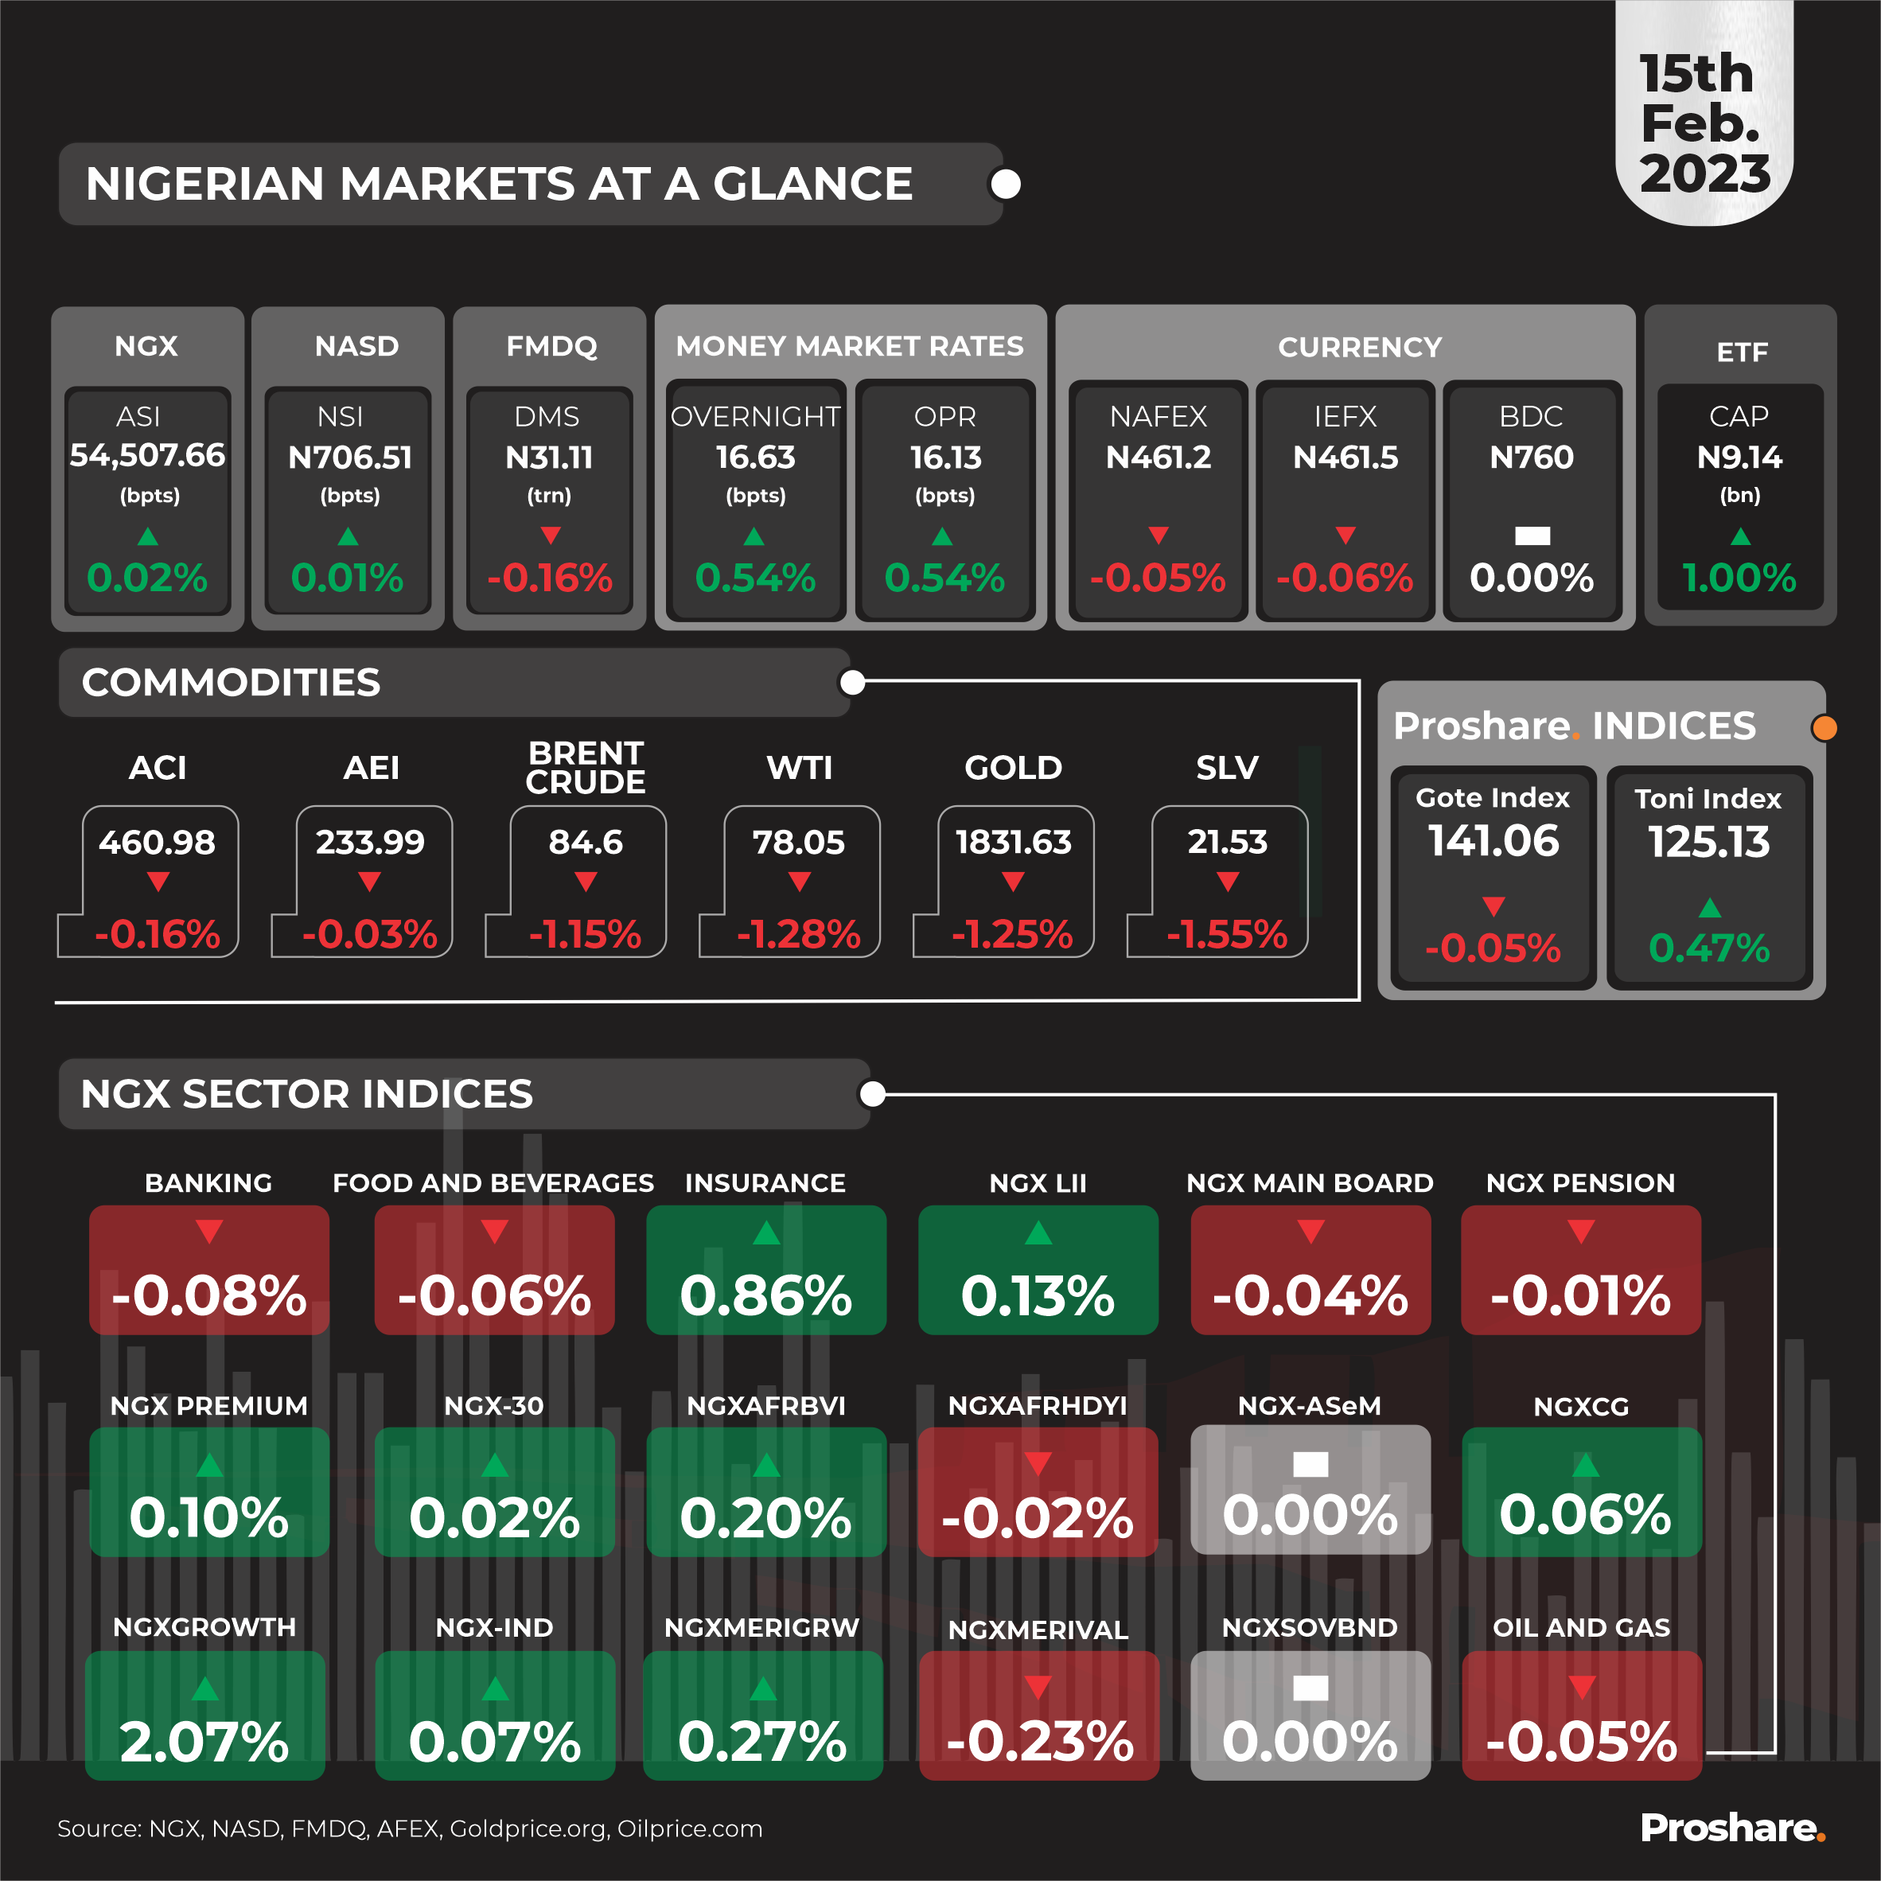
 |  |  | Money Market Rates |  | Currency
NGX ASI | NASD NSI | FMDQ Debt Market Size | Overnight | OPR | NAFEX | IEFX | BDC | ETF CAP
54507.66 | 706.51 | 31.11 | 16.63 | 16.13 | 461.2 | 461.5 | 760 | 9.14
0.02% | 0.01% | -0.16% | 0.54% | 0.54% | -0.05% | -0.06% | 0.00% | 1.00%
Commodites
ACI | AEI | Brent Crude | WTI | Gold | Slv | Gote Index | Toni Index
460.98 | 233.99 | 84.6 | 78.05 | 1831.63 | 21.53 | 141.06 | 125.13
-0.16% | -0.03% | -1.15% | -1.28% | -1.25% | -1.55% | -0.05% | 0.47%

Banking | Food and Beverages | Insurance | NGX LII | NGX MAIN BOARD | NGX PENSION | NGX PREMIUM | NGX-30 | NGXAFRBVI
-0.08% | -0.06% | 0.86% | 0.13% | -0.04% | -0.01% | 0.10% | 0.02% | 0.20%

NGXAFRHDYI | NGX-ASeM | NGXCG | NGXGROWTH | NGX-IND | NGXMERIGRW | NGXMERIVAL | NGXSOVBND | Oil and Gas
-0.02% | 0.00% | 0.06% | 2.07% | 0.07% | 0.27% | -0.23% | 0.00% | -0.05%

 | All these figures are from the Various Daily Market Report Tables

Economic Dashboard
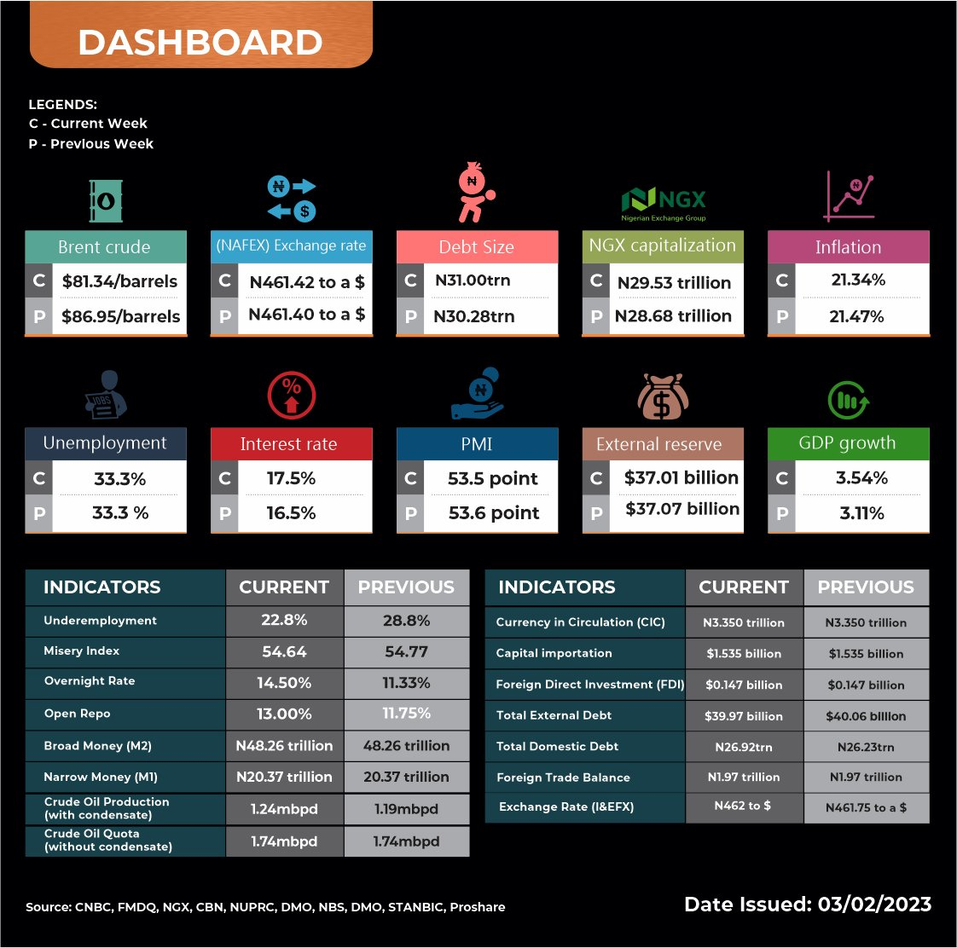
 |  |  |  |  | This Data is picked from the Economic Indicator database in Proshare Economic
Indicators | Source | Current | Previous |  | Pick the immediate Current and Previous
Brent crude | CNBC | 86.34 | 81.34 | Check Proshare Economic =Crude oil = Brents
Crude Oil Production | NUPRC | 1.24m barrels/D | 1.19m barrels/D | Check Proshare Economic =Crude oil = Crude Oil Productions
Crude Oil Quota | OPEC | 1.74MB/D | 1.74MB/D | Data Not in our database
Exchange Rate (NAFEX) | FMDQ | 461.21 | 461.42 | Check Proshare Economic =FX = NAFEX
Exchange Rate (I&EFX) | FMDQ | 461.1 | 462 | Check Proshare Economic =FX = IEFX
Debt Market Size | FMDQ | 31.16 | 31 | Check Proshare Market =FMDQ = Indexes (NSE Index List) = Capitalisation
NSE capitalization | NSE | N29.59trn | N29.53trn | Check Proshare Market =NSE = Indexes (FMDQ Index List) = Debt Market Size
Inflation | NBS | 21.34 | 21.47 | Check Proshare Economic =Inflation = Headline Inflations
Food Inflation | NBS | 23.75 | 24.13 | Check Proshare Economic =Inflation = Food Inflations
Unemployment | NBS | 33.30% | 33.30% | Check Proshare Economic =Labour Force = Unemployments
underemployment | NBS | 22.80% | 22.80% | Check Proshare Economic =Labour Force = Underemployments
Misery index | Proshare | 54.64 | 54.77 | Data Not in our database
Interest rate | CBN | 17.50% | 16.50% | Check Proshare Economic =Monetary Policy = Monetary Policy Rates
Overnight rate | FMDQ | 11.13 | 14.5 | Check Proshare Market =FMDQ =Overnights = Rate
Open Repo | FMDQ | 10.75 | 13 | Check Proshare Market =FMDQ =OBB = Rate
Broad money | CBN | 48.26 trillion | 48.26 trillion | Data Not in our database
Narrow money | CBN | 20.37 trillion | 20.37 trillion | Data Not in our database
Currency in circulation | CBN | 3.350 trillion | 3.350 trillion | Data Not in our database
Capital importation | NBS | $1.535 billion | $1.535 billion | Data Not in our database
Foreign direct investment | NBS | $0.147 billion | $0.147 billion | Check Proshare Economic =Capital Importations = FDI
Foreign Trade Balance | NBS | 1.97 trillion | 1.97 trillion | Check Proshare Economic =Foreign Trades = Trade Balances
External Reserves | CBN | $36.82bn | $37.01bn | Check Proshare Economic =Others = Foreign Reserves
PMI (Stanbic) | Stanbic | 53.5 | 53.6 | Data Not in our database
GDP growth | NBS | 3.54% | 3.11% | Check Proshare Economic =GDP = Growth Rates
Total Domestic Debt | DMO | N26.92trn | N26.23trn | Data Not in our database
Total External Debt | DMO | $39.66 bn | $40.06 bn | Data Not in our database

