standard_scc_mcs
Original Run 1

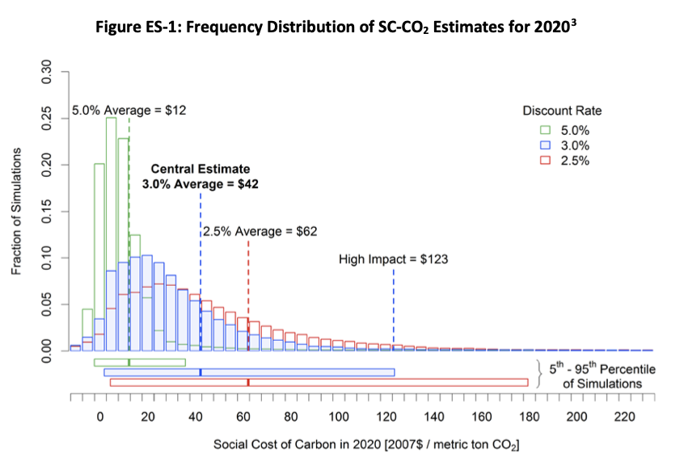
Model | 2.5% Average | 3.0% Average | 5.0% Average | High Impact (95th Pct at 2.5%) | High Impact (95th Pct at 3.0%) | High Impact (95th Pct at 5.0%) | SCC Averaged Over (5) Scenarios and (3) Models |  |  |  | QC Graphic (Technical Support Document: Technical Update of the Social Cost of Carbon for Regulatory Impact Analysis ­ Under Executive Order 12866)
FUND | $32.39 | $19.20 | $2.63 | $93.01 | $58.04 | $13.37 |  |  | Central Estimate | High Impact
DICE | $56.44 | $37.71 | $12.10 | $115.24 | $74.18 | $21.06 | Rate | 2.5% | $62.10 | $206.97
PAGE | $97.48 | $67.10 | $20.77 | $412.67 | $292.91 | $93.93 |  | 3.0% | $41.34 | $141.71
 |  |  |  |  |  |  |  | 5.0% | $11.84 | $42.79

Original Run 2

Model | 2.5% Average | 3.0% Average | 5.0% Average | High Impact (95th Pct at 2.5%) | High Impact (95th Pct at 3.0%) | High Impact (95th Pct at 5.0%) | SCC Averaged Over (5) Scenarios and (3) Models
FUND | $29.33 | $17.92 | $2.54 | $91.73 | $57.11 | $13.34 |  |  | Central Estimate | High Impact
DICE | $56.91 | $38.01 | $12.18 | $114.81 | $73.93 | $21.06 | Rate | 2.5% | $60.67 | $201.94
PAGE | $95.76 | $65.78 | $20.23 | $399.29 | $282.26 | $89.92 |  | 3.0% | $40.57 | $137.77
 |  |  |  |  |  |  |  | 5.0% | $11.65 | $41.44

Ramsey Run 1

Model | 2.5% Average | 3.0% Average | 5.0% Average | High Impact (95th Pct at 2.5%) | High Impact (95th Pct at 3.0%) | High Impact (95th Pct at 5.0%) | SCC Averaged Over (5) Scenarios and (3) Models
FUND | $33.25 | $19.47 | $2.58 | $90.48 | $56.58 | $13.12 |  |  | Central Estimate | High Impact
DICE | $57.42 | $38.33 | $12.26 | $116.65 | $75.02 | $21.29 | Rate | 2.5% | $62.92 | $207.29
PAGE | $98.08 | $67.25 | $20.61 | $414.76 | $294.53 | $93.41 |  | 3.0% | $41.68 | $142.04
 |  |  |  |  |  |  |  | 5.0% | $11.82 | $42.61

Ramsey Run 2

Model | 2.5% Average | 3.0% Average | 5.0% Average | High Impact (95th Pct at 2.5%) | High Impact (95th Pct at 3.0%) | High Impact (95th Pct at 5.0%) | SCC Averaged Over (5) Scenarios and (3) Models
FUND | $33.96 | $19.79 | $2.57 | $92.15 | $56.99 | $13.13 |  |  | Central Estimate | High Impact
DICE | $56.77 | $37.93 | $12.16 | $114.86 | $73.80 | $21.02 | Rate | 2.5% | $62.33 | $138.93
PAGE | $96.27 | $66.05 | $20.30 | $403.78 | $285.99 | $89.47 |  | 3.0% | $41.25 | $41.21
 |  |  |  |  |  |  |  | 5.0% | $11.68 | $41.21
Comparisons
Run | Discount Rate | FUND | DICE | PAGE
Original 1 | 2.5% | $32.39 | $56.44 | $97.48
Original 2 | 2.5% | $29.33 | $56.91 | $95.76
Ramsey 1 | 2.5% | $33.25 | $57.42 | $98.08
Ramsey 2 | 2.5% | $33.25 | $56.77 | $96.27
Original 1 | 3.0% | $19.20 | $37.71 | $67.10
Original 2 | 3.0% | $17.92 | $38.01 | $65.78
Ramsey 1 | 3.0% | $19.47 | $38.33 | $67.25
Ramsey 2 | 3.0% | $19.47 | $37.93 | $66.05
Original 1 | 5.0% | $2.63 | $12.10 | $20.77
Original 2 | 5.0% | $2.54 | $12.18 | $20.23
Ramsey 1 | 5.0% | $2.58 | $12.26 | $20.61
Ramsey 2 | 5.0% | $2.58 | $12.16 | $20.30
Original 1 | High at 2.5% | $93.01 | $115.24 | $412.67
Original 2 | High at 2.5% | $91.73 | $114.81 | $399.29
Ramsey 1 | High at 2.5% | $90.48 | $116.65 | $414.76
Ramsey 2 | High at 2.5% | $92.15 | $114.86 | $403.78
Original 1 | High at 3% | $58.04 | $74.18 | $292.91
Original 2 | High at 3% | $57.11 | $73.93 | $282.26
Ramsey 1 | High at 3% | $56.58 | $75.02 | $294.53
Ramsey 2 | High at 3% | $56.99 | $73.80 | $285.99
Original 1 | High at 5% | $13.37 | $21.06 | $93.93
Original 2 | High at 5% | $13.34 | $21.06 | $89.92
Ramsey 1 | High at 5% | $13.12 | $21.29 | $93.41
Ramsey 2 | High at 5% | $13.13 | $21.02 | $89.47

