Sheet1 (2)
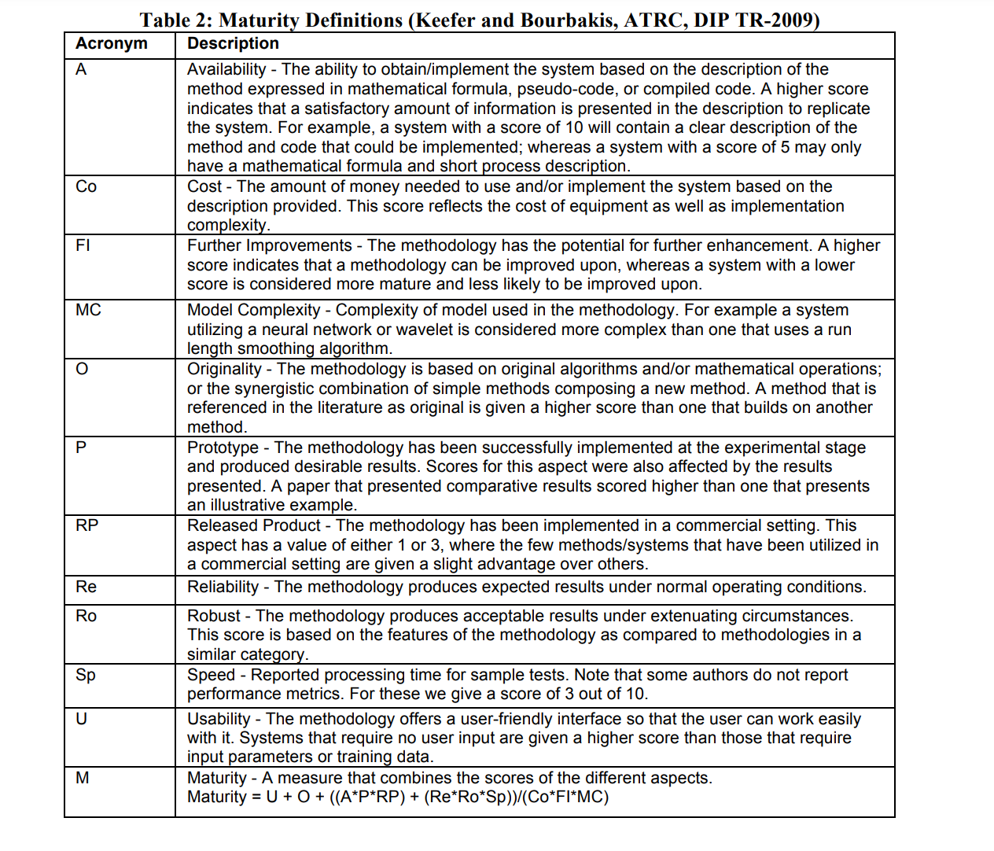
TABLE I. TABLE TYPE STYLES
Code | Description | Analogue | Unused | Adjusted Formula
A | The level of success presented in the experimentation and/or results section of the paper. Was the full solution implemented as outlined in the paper? Were the results produced as expected? A high score indicates a high level of success. | S(?) | Co | M = S + O + A + (Re * Ro) / (FI * MC)
B | The level of robustness in the solution. Does the algorithm generate acceptable results under abnormal conditions? How does it handle atypical input? A high score indicates a high level of robustness. | Ro | P | M = A + E + D + (C * B) / (F * G)
C | The level of reliability in the solution. Does the algorithm perform well under normal conditions? Does it generate expected results from typical input? A high score indocates high reliability. | Re | RP
D | The level of difficulty for implementing the soulution. Is there sufficient material provided in the form of matematical equations, pseudo code, or low level algorithmic steps? A low score indicates a high level of difficulty. | A | SP
E | The level of novelty. Is the algorithm orginal to the authors? Are the equations borrowed from other works? A high score indicates a completely novel idea. | O | U
F | The level of prospective future work. Do the autheros lay out how to improve the solution? Are there obvious open ends to the research? A high score indicates a high propect. | FI
G | The level of complexity of the solution. How many steps are in the algorithms? Do they rely on other complex algorithms from previous work? Does the implementation require a large amount of computational resources? A low score indicates high complexity | MC

