ERD
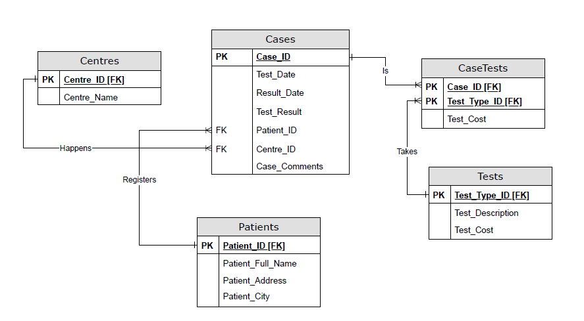
 | ERD
Using draw.io, draw the ERD of the fully normalized data model (including revisions required to resolve the time anomaly).
Make sure that ALL possible relationship, entities, and attributes(fields) are shown on the ERD.
Paste the completed ERD below. A Separate ERD File will not be marked

