BST
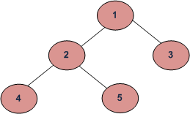
dfs
inorder | def inorder( r ): return inorder(r.left) + [r.val] + inorder(r.right) if r else [] | 4 2 5 1 3
preorder | def preorder( r ): return [r.val] + preorder(r.left) + preorder(r.right) | 1 2 4 5 3
postorder | def postorder( r ): return postorder(r.left) + postorder(r.right) + [r.val] | 4 5 2 3 1

