Sheet2
How different the observed values are from the expected values under H0?
It would be nice to have an index of the NET DISCREPANCY between the OBSERVED and EXPECTED frequencies

Observed frequencies from our data: |  |  |  |  | Expected frequencies if H0 is true:
 | Poor | Fair | Good | Excellent |  | Poor | Fair | Good | Excellent
Yes | 6 | 23 | 98 | 107 | Yes | 11 | 28 | 92 | 103
No | 8 | 12 | 17 | 23 | No | 3 | 7 | 23 | 27

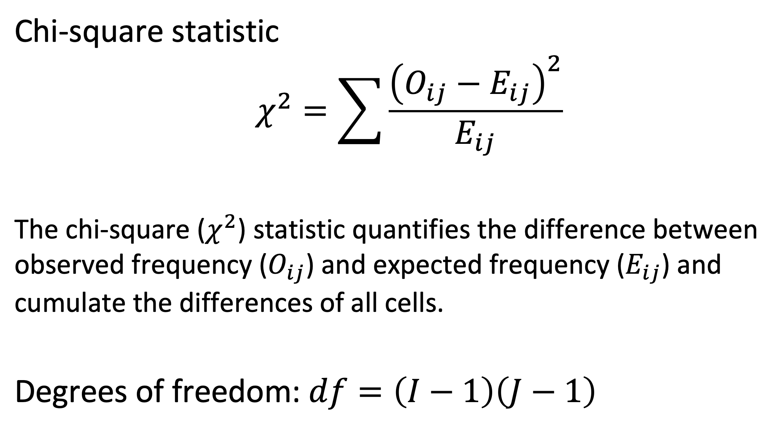

$$\frac{{\left(6−11\right)}^{2}}{11}$$
$$+ \frac{{\left(23−28\right)}^{2}}{28}$$
$$+ ……$$
$$+ \frac{{\left(23−28\right)}^{2}}{28}$$

 |  | (4-1)*(2-1)

