Instructions
ALL employees MUST have a Personnel file and a SEPARATE Medical File Employees transfilling or curbside filling liquid oxygen MUST have a SEPARATE FDA File
Personnel Record
Welcome to Rotech (Okay to Hire) Email (applicable to employees hired after 2017) | Must have a copy of "Okay to hire" email. Check LCM and AM email If email cannot be located: Check ICIMs - Search by Requisition the employee was hired under - Email (May have to go to "More") - Shares (These are emails that have been sent to hiring managers) - Look for "Cleared for hire" or "Welcome" email - print email for employee file If email cannot be located in ICIMs, answer "N".
Job Description | Print from ICIMs. | Printing New Hire Documents from ICIMs • Click on the Employee • Click on Forms • Click on Download - two boxes pop up with arrows in between them.
General Orientation (HR 548) | Review all policies on HR 548 with employee. Date and initial policies/processes as they are reviewed. Once completed, employee and manager must sign and date. | 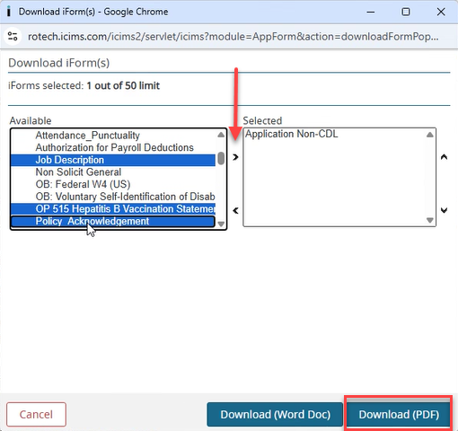
Professional Licensure | Must have copy of current license for all clinicians
Driver's License | Required for ALL location employees at time of hire and every 3 years.
Policy Acknowledgment / Computer Password Confidentiality | Print from ICIMs.
Training
Mandatory Annual In-Services (SE 800) | SE 800 is required annually for all employees.
Storage and Distribution Training (FDA 019) ENTER DATE ONLY (Initial & every 3 years) | Required for ALL location employees at time of hire and every 3 years.
Manufacturing Facility Orientation (FDA 021) | Only for those locations manufacturing liquid oxygen (curbside filling)
RM 1234 Hazard Communication Program Training Record with RM 1238 PPE Hazard Assessment attached (Job description specific)
Performance Review
Employee Performance Review | Print employee reviews. Be sure employee has signed off on review (Green check mark on bottom of last page).
Medical Record
Hepatitis B Test or OP 515 Hepatitis B Vaccination Statement | Print from ICIMs - If employee accepts, must have proof of vaccination. If employee no longer wants vaccine, a new form (OP 515) must be signed, refusing the vaccine series. | MEDICAL INFORMATION MUST BE KEPT IN SEPARATE FILE
TB Test/Risk Assessment: • KY at hire & annually - Test and Risk Assessment • Complete KY 641 annually • IL, MD, NC and PA at hire only - Test • WA at hire & annually - Test & Risk Assessment • Complete WA 641 annually | • KY employees must have TB test and risk assessment at hire & annually • Complete KY 641 annually • IL, MD, NC and PA employees must have TB test at hire • WA employees must have TB test and risk assessment at hire & annually • Complete WA 641 annually
Annual N95 Mask Fit Testing Completed for "at risk" employees (date only; blank if NA) | Required for all "at risk" employees (PST, CST and RT) at hire and annually.
Confirmation of Medical Clearance for Respirator Use from 3M for initial fit testing after 2/1/2022 | Medical Clearance documentation is required prior to fit testing
Non-Clinical Competency Assessments | Employees MUST complete online competencies, pertaining to their job responsibilities, on Docebo: My Training Not Completed - or use search tool Completed Competency Assessment (SE form) and certificate are to be placed in employee file
Aspirator / Suction (SE 816) |  | NON-CLINICAL COMPETENCIES ARE NOT REQUIRED FOR CLINICIANS
Continuous Passive Motion - CPM (SE 904)
PAP Device (SE 811)
PAP Mask Fitting (SE 851)
High Pressure Cylinder (SE 805)
Hospital Bed & Trapeze (SE 807)
Liquid Oxygen (SE 809)
Lymphedema Pump (SE 856)
Nebulizer (SE 812)
Negative Pressure Wound Care System (SE 903)
Oxygen Analyzer (SE 801)
Oxygen Concentrator (SE 803)
Oxygen Concentrator Maintenance | Requires certificate only
Oxygen Conserving Device (SE 814)
Patient Lift (SE 818)
Field POC Repair & Maintenance Competency | Requires certificate only
Power Wheelchair (SE 862)
Scooter (SE 863)
Warehouse Equipment Cleaning (SE 855)
Wheelchair (SE 824)
Clinical Competency Assessment (CCA) Online Trainings: | Clinicians MUST complete online competencies, pertaining to their job responsibilities, on Docebo: My Training Not Completed - or use search tool Completed certificates are to be placed in employee file
AffloVest
Airvo 2
Astral Ventilator
Attention to Detail
Breas VIVO 45LS/50 Ventilator
Cough Assist (BiWaze)
CPAP & BIPAP
Infant Monitor
Invasive Ventilator
LTV Ventilator
Luisa Ventilator
Mouthpiece Ventilation (MPV)
Nebulizer
Oxygen
Oxygen Conserving Device
Pediatric Ventilator Management
Pulse Oximetry
Respiratory Assist Device
VOCSN Ventilator (based on location)
Virtual Ventilator Visit
VIVO2 - BiPAP ST
Other:
Other:

